Logical Layout
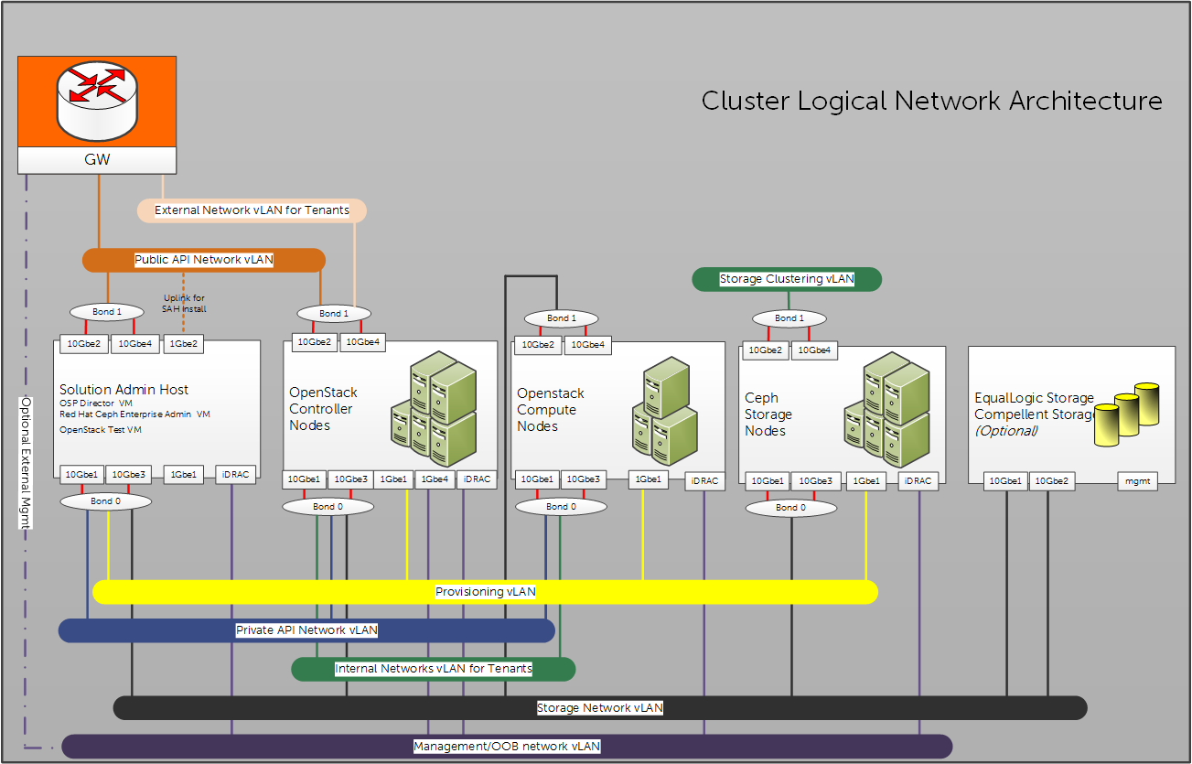

Network | SAH | OpenStack Controller | OpenStack Compute | Red Hat Ceph Storage
Provisioning vLAN | Connected Tagged | Connected unTagged | Connected unTagged | Connected unTagged
Public API Network vLAN | unTagged | Connected Tagged | Not Connected | Not Connected
External Network vLAN for Tenants | Tagged | Connected Tagged | Not Connected | Not Connected
Private API Network vLAN | Connected Tagged | Connected Tagged | Connected Tagged | Not Connected
Internal Networks vLAN for Tenants | Not Connected | Connected Tagged | Connected Tagged | Not Connected
Storage Network vLAN | Connected Tagged | Connected Tagged | Connected unTagged | Connected unTagged
Storage Clustering vLAN | Not Connected | Not Connected | Not Connected | Connected unTagged
Management/OOB Network vLAN | Connected Tagged | Not Connected | Not Connected | Not Connected
iDRAC physical connection to the Management/OOB vLAN | Connected unTagged | Connected unTagged | Connected unTagged | Connected unTagged

1 (The 1Gbe port is used for provisioning the during its installation only and can be disconnected afterwards.)

RHOSP Inventory
Name* | Alias | Hardware | Service Tag | Public API Network | OOB-110 | OOB-110 | Provisioner-120 | Private API-140 | Storage Network-170 | Ceph Storage Cluster Vlan-180 | Public API Network | External Network for Tenants (floating IP)-191 | CPU | RAM | Drives | BIOS Version | iDRAC FW | RAID Created | Intel X520 Fw | Notes
DHCP Range |  |  |  | 192.168.190.50-200 | iDRAC's IP | OS access to OOB |  | 192.168.140.50-200 | 192.168.170.50-200 | 192.168.180.50-200 | 192.168.190.50-200
Stamp's host |  | R720xd | xxxxxxxx |  |  |  |  |  |  |  |  |  |  | 256GB
WJP1vm | Windows Bastion | VM on Stamp host1 | N/A | 192.168.190.7 |  | 192.168.110.7 | 192.168.120.7 | 192.168.140.7 | 192.168.170.7 |  |  | 192.168.191.7 |  | 64GB
RHJP1vm | Red Hat Bastion | VM on Stamp host1 | N/A | 192.168.190.8 |  | 192.168.110.8 | 192.168.120.8 |  | 192.168.170.8 |  |  | 192.168.191.8 |  | 64GB
sah | Dell SolutionAdminHost | R630#1 | xxxxxxxx | 192.168.190.9 | 192.168.110.9 | 192.168.110.109 | 192.168.120.9 |  | 192.168.170.9 |  | 192.168.190.209 |  | Xeon(R) CPU E5-2650 v4 @ 2.20GHz | 128GB | 2.5 | 2.1.7 | 2.30.30.30 | RAID10 | 17.5.10
director | Red Hat Director | VM on SAH | N/A | 192.168.190.10 | N/A | 192.168.110.110 | 192.168.120.10 |  | 192.168.170.10 |  | 192.168.190.210 |  | N/A | N/A | N/A | N/A | N/A | N/A | N/A
rhscon | Red Hat Storage Console | VM on SAH | N/A | 192.168.190.11 | N/A |  |  |  | 192.168.170.11 |  |  |  | N/A | N/A | N/A | N/A | N/A | N/A | N/A
cntl0 |  | R630#2 | xxxxxxxx |  | 192.168.110.12 |  | DHCP | DHCP | DHCP |  | DHCP |  | Xeon(R) CPU E5-2650 v4 @ 2.20GHz | 128GB | 2.5 | 2.1.7 | 2.30.30.30 | RAID10 | 17.5.10
cntl1 |  | R630#3 | xxxxxxxx |  | 192.168.110.13 |  | DHCP | DHCP | DHCP |  | DHCP |  | Xeon(R) CPU E5-2650 v4 @ 2.20GHz | 128GB | 2.5 | 2.1.7 | 2.30.30.30 | RAID10 | 17.5.10
cntl2 |  | R630#4 | xxxxxxxx |  | 192.168.110.14 |  | DHCP | DHCP | DHCP |  | DHCP |  | Xeon(R) CPU E5-2650 v4 @ 2.20GHz | 128GB | 2.5 | 2.1.7 | 2.30.30.30 | RAID10 | 17.5.10
nova0 |  | R630#5 | xxxxxxxx |  | 192.168.110.15 |  | DHCP | DHCP | DHCP |  |  |  | Xeon(R) CPU E5-2690 v4 @ 2.60GHz | 256GB | 2.5 | 2.1.7 | 2.30.30.30 | RAID10 | 17.5.10
nova1 |  | R630#6 | xxxxxxxx |  | 192.168.110.16 |  | DHCP | DHCP | DHCP |  |  |  | Xeon(R) CPU E5-2690 v4 @ 2.60GHz | 256GB | 2.5 | 2.1.7 | 2.30.30.30 | RAID10 | 17.5.10
nova2 |  | R630#7 | xxxxxxxx |  | 192.168.110.17 |  | DHCP | DHCP | DHCP |  |  |  | Xeon(R) CPU E5-2690 v4 @ 2.60GHz | 256GB | 2.5 | 2.1.7 | 2.30.30.30 | RAID10 | 17.5.10
stor0 |  | R730xd#1 | xxxxxxxx |  | 192.168.110.18 |  | DHCP | DHCP | DHCP | DHCP |  |  | Xeon(R) CPU E5-2690 v4 @ 2.60GHz | 128GB | Mixed | 2.1.7 | 2.30.30.30 | RAID1+ | 17.5.10
stor1 |  | R730xd#2 | xxxxxxxx |  | 192.168.110.19 |  | DHCP | DHCP | DHCP | DHCP |  |  | Xeon(R) CPU E5-2690 v4 @ 2.60GHz | 128GB | Mixed | 2.1.7 | 2.30.30.30 | RAID1+ | 17.5.10
stor2 |  | R730xd#3 | xxxxxxxx |  | 192.168.110.20 |  | DHCP | DHCP | DHCP | DHCP |  |  | Xeon(R) CPU E5-2690 v4 @ 2.60GHz | 128GB | Mixed | 2.1.7 | 2.30.30.30 | RAID1+ | 17.5.10
sah-Anaconda |  |  |  | 192.168.190.6
 |  |  |  |  |  |  |  | Private VIPs | OpenStack Controller Services |  | Public VIPS
Group Name | PS6210-Group1 | Group IP Parameter | 192.168.170.248 | grpadmin/ Passwordx |  |  |  | DHCP | AMQP (RabbitMQ) | AMQP (RabbitMQ) | DHCP
EQL_FW: 8.04 | PS6210-member1 | EQL iSCSI Port1 | 192.168.170.246 |  |  |  |  | DHCP | Ceilometer | Ceilometer | DHCP
 |  | EQL iSCSI Port2 | 192.168.170.247 |  |  |  |  | DHCP | Cinder | Cinder | DHCP
Force10 S4048-1 |  | fw: 9.10.1 | xxxxxxx | 192.168.110.191 |  |  |  | DHCP | Mysql | Mysql | DHCP
Force10 S4048-2 |  | fw: 9.10.1 | xxxxxxx | 192.168.110.192 |  |  |  | DHCP | Glance | Glance | DHCP
Force10 S3048 |  | fw: 9.10.1P2 | xxxxxxx | n/a |  |  |  | DHCP | Heat/Heat CFN | Heat/Heat CFN | DHCP
* DHCP used in sample - each install results with randomly assigned numbers and names in each group
in our example: see "Hardware" column C
R630#2 to R630#4 - all nodes will be randomly named as cntl0, cntl1, or cntl2
R630#5 to R630#7 - all nodes will be randomly named as nova0, nova1, or nova2
R730xd#1 to R730xd#3 - all nodes will be randomly named as stor0, stor1, or stor2
 |  |  |  |  |  |  |  | DHCP | Heat CFN | Heat CFN | DHCP
 |  |  |  |  |  |  |  | DHCP | Horizon | Horizon | DHCP
 |  |  |  |  |  |  |  | DHCP | Keystone | Keystone | DHCP
 |  |  |  |  |  |  |  | DHCP | loadbalancer | loadbalancer | DHCP
 |  |  |  |  |  |  |  | DHCP | Neutron | Neutron | DHCP
 |  |  |  |  |  |  |  | DHCP | Nova | Nova | DHCP
 |  |  |  |  |  |  |  | DHCP | Ceilometer-redis | Ceilometer-redis | DHCP
 |  |  |  |  |  |  |  | DHCP | Radosgw |  | DHCP

