Logical Layout
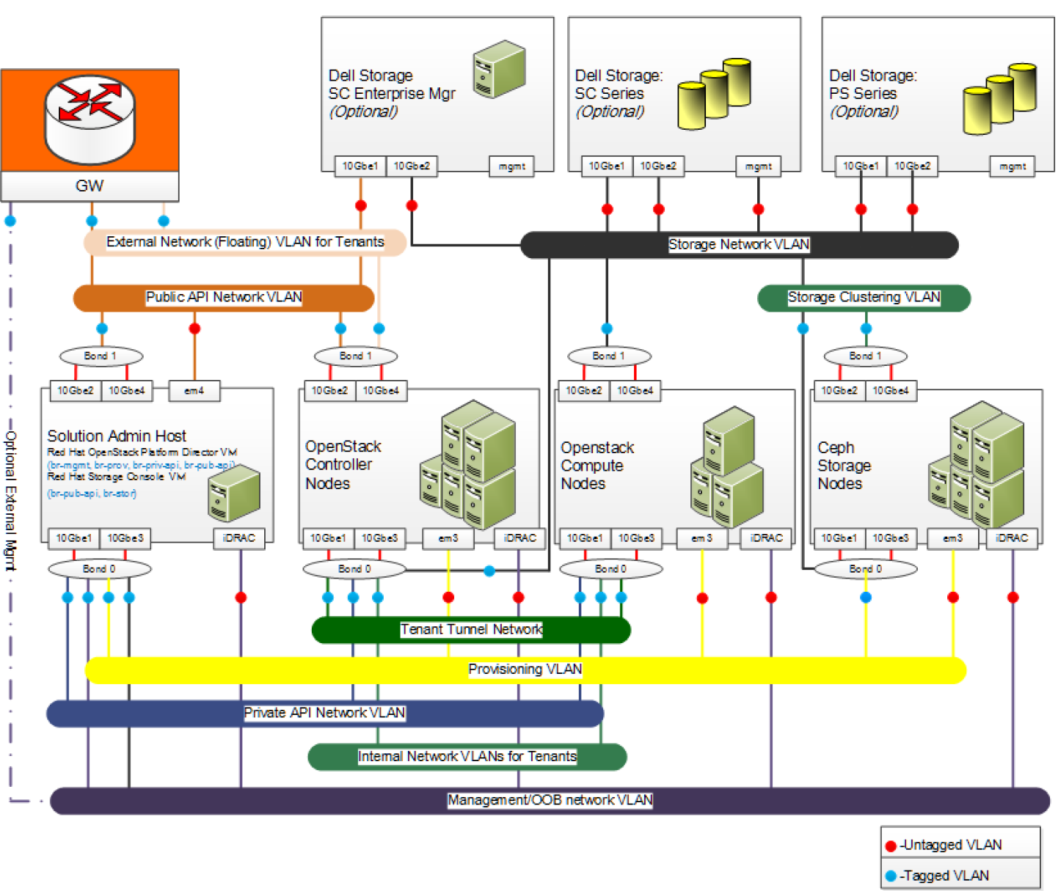

VLANs
VLAN ID | VLAN Description | Network | gateway Information
110 | OOB-iDRAC | 192.168.110.0/24 | S3048 gateway: 192.168.110.1
120 | Provisioner | 192.168.120.0/24 | S3048 gateway: 192.168.120.1
130 | Tenant-Tunneling GRE/VXLAN | 192.168.130.0/24 | Enable support for GRE/VXLAN
140 | Private API Network | 192.168.140.0/24 | no gateway required
170 | Storage Network | 192.168.170.0/24 | no gateway required
180 | Storage Clustering Network | 192.168.180.0/24 | no gateway required
190 | Public API - Horizon Login | 192.168.190.0/24 | external gateway: 192.168.190.1
191 | External_VM (Floating IPs) | 192.168.191.0/24 | external gateway: 192.168.191.1
201-250 | Internal Tenant Networks | 192.168.201-250.0/24 | no gateways required

Network | SAH | OpenStack Controller | OpenStack Compute | Red Hat Ceph Storage
Provisioning VLAN | Connected Tagged | Connected unTagged | Connected unTagged | Connected unTagged
Public API Network VLAN | Connected Tagged | Connected Tagged | Not Connected | Not Connected
External Network VLAN for Tenants | Tagged | Connected Tagged | Not Connected | Not Connected
Private API Network VLAN | Connected Tagged | Connected Tagged | Connected Tagged | Not Connected
Internal Networks VLAN for Tenants | Not Connected | Connected Tagged | Connected Tagged | Not Connected
Tenant Tunneling VLAN for GRE/VXLAN | Not Connected | Connected Tagged | Connected Tagged | Not Connected
Storage Network VLAN | Connected Tagged | Connected Tagged | Connected Tagged | Tagged
Storage Clustering VLAN | Not Connected | Not Connected | Not Connected | Tagged
Management/OOB Network VLAN | Connected Tagged | Not Connected | Not Connected | Not Connected
iDRAC physical connection to the Management/OOB VLAN | Connected unTagged | Connected unTagged | Connected unTagged | Connected unTagged

1 (The 1Gbe port is used for provisioning the during its installation only and can be disconnected afterwards.)

RHOSP Inventory
Name* | Alias | Hardware | Service Tag | Public API Network | OOB-110 | OOB-110 | Provisioner-120 | Private API-140 | Storage Network-170 | Ceph Storage Cluster Vlan-180 | External Network for Tenants (Floating IP)-191 | CPU | RAM | Drives | BIOS Version | iDRAC FW | RAID Created | Intel X520 Fw | Notes
DHCP Ranges>> | DHCP Ranges>> | DHCP Ranges>> | DHCP Ranges>> | 192.168.190.150-200 | iDRAC's IP | OS access to OOB |  | 192.168.140.150-200 | 192.168.170.150-200 | 192.168.180.150-200
Stamp's host |  | R720xd | xxxxxxxx |  |  |  |  |  |  |  |  |  | 256GB
WJP1vm | Windows Bastion | VM on Stamp host1 | N/A | 192.168.190.7 |  | 192.168.110.7 | 192.168.120.7 | 192.168.140.7 | 192.168.170.7 |  | 192.168.191.7 |  | 64GB
RHJP1vm | Red Hat Bastion | VM on Stamp host1 | N/A | 192.168.190.8 |  | 192.168.110.8 | 192.168.120.8 |  | 192.168.170.8 |  | 192.168.191.8 |  | 64GB
sah | Dell Solution Admin Host | R630#1 | xxxxxxxx | 192.168.190.9 | 192.168.110.9 | 192.168.110.109 | 192.168.120.9 |  | 192.168.170.9 |  |  | Xeon(R) CPU E5-2650 v4 @ 2.20GHz | 128GB | 2.5 | 2.3.4 | 2.41.40.40 | RAID10 | 17.5.10
director | Red Hat Director | VM on SAH | N/A | 192.168.190.10 | N/A | 192.168.110.110 | 192.168.120.10 |  | 192.168.170.10 |  |  | N/A | N/A | N/A | N/A | N/A | N/A | N/A
rhscon | Red Hat Storage Console | VM on SAH | N/A | 192.168.190.11 | N/A |  |  |  | 192.168.170.11 |  |  | N/A | N/A | N/A | N/A | N/A | N/A | N/A
cntl0 | Controller0 | R630#2 | xxxxxxxx | 192.168.190.12 | 192.168.110.12 |  | DHCP | DHCP | DHCP |  |  | Xeon(R) CPU E5-2650 v4 @ 2.20GHz | 128GB | 2.5 | 2.3.4 | 2.41.40.40 | RAID10 | 17.5.10
cntl1 | Controller1 | R630#3 | xxxxxxxx | 192.168.190.13 | 192.168.110.13 |  | DHCP | DHCP | DHCP |  |  | Xeon(R) CPU E5-2650 v4 @ 2.20GHz | 128GB | 2.5 | 2.3.4 | 2.41.40.40 | RAID10 | 17.5.10
cntl2 | Controller2 | R630#4 | xxxxxxxx | 192.168.190.14 | 192.168.110.14 |  | DHCP | DHCP | DHCP |  |  | Xeon(R) CPU E5-2650 v4 @ 2.20GHz | 128GB | 2.5 | 2.3.4 | 2.41.40.40 | RAID10 | 17.5.10
nova0 | Compute0 | R630#5 | xxxxxxxx |  | 192.168.110.15 |  | DHCP | DHCP | DHCP |  |  | Xeon(R) CPU E5-2690 v4 @ 2.60GHz | 256GB | 2.5 | 2.3.4 | 2.41.40.40 | RAID10 | 17.5.10
nova1 | Compute1 | R630#6 | xxxxxxxx |  | 192.168.110.16 |  | DHCP | DHCP | DHCP |  |  | Xeon(R) CPU E5-2690 v4 @ 2.60GHz | 256GB | 2.5 | 2.3.4 | 2.41.40.40 | RAID10 | 17.5.10
nova2 | Compute2 | R630#7 | xxxxxxxx |  | 192.168.110.17 |  | DHCP | DHCP | DHCP |  |  | Xeon(R) CPU E5-2690 v4 @ 2.60GHz | 256GB | 2.5 | 2.3.4 | 2.41.40.40 | RAID10 | 17.5.10
stor0 | Storage0 | R730xd#1 | xxxxxxxx |  | 192.168.110.18 |  | DHCP | DHCP | DHCP | DHCP |  | Xeon(R) CPU E5-2690 v4 @ 2.60GHz | 128GB | Mixed | 2.3.4 | 2.41.40.40 | RAID1+ | 17.5.10
stor1 | Storage1 | R730xd#2 | xxxxxxxx |  | 192.168.110.19 |  | DHCP | DHCP | DHCP | DHCP |  | Xeon(R) CPU E5-2690 v4 @ 2.60GHz | 128GB | Mixed | 2.3.4 | 2.41.40.40 | RAID1+ | 17.5.10
stor2 | Storage2 | R730xd#3 | xxxxxxxx |  | 192.168.110.20 |  | DHCP | DHCP | DHCP | DHCP |  | Xeon(R) CPU E5-2690 v4 @ 2.60GHz | 128GB | Mixed | 2.3.4 | 2.41.40.40 | RAID1+ | 17.5.10
sah-Anaconda IP | >>>>>>>>>>>>>>>>>> | >>>>>>>>>>>>>>>> | >>>>>>>>>>>>>>>>> | 192.168.190.6

Group Name | PS6210-Group1 | Group IP Parameter | 192.168.170.248 | grpadmin/ Passwordx
EQL_FW: 9.05 | PS6210-member1 | EQL iSCSI Port1 | 192.168.170.246
 |  | EQL iSCSI Port2 | 192.168.170.247
Force10 S4048-1 |  | fw: 9.11(0.0P2) | username/password | 192.168.110.2
Force10 S4048-2 |  | fw: 9.11(0.0P2) | username/password | 192.168.110.3
Force10 S3048 |  | fw: 9.11(0.0) | username/password | n/a
* DHCP used in sample - each install results with randomly assigned numbers and names in each group
in our example: see "Hardware" column C
R630#2 to R630#4 - all nodes will be randomly named as cntl0, cntl1, or cntl2
R630#5 to R630#7 - all nodes will be randomly named as nova0, nova1, or nova2
R730xd#1 to R730xd#3 - all nodes will be randomly named as stor0, stor1, or stor2

