Sheet2
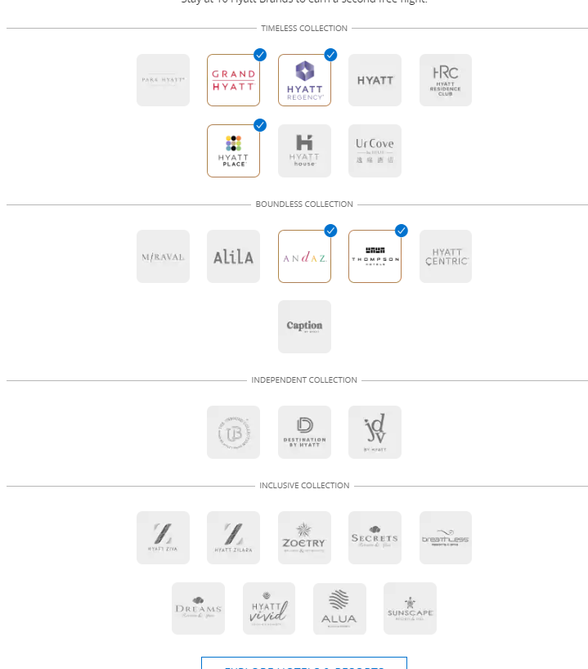
 | hyatt
Adam | grand hyatt, hyatt regency, hyatt house, hyatt place, thompson
Mom | grand hyatt, hyatt regency, hyatt place, andaz, thompson, hyatt centric,

