Carlson(1998)-methyl alkanes
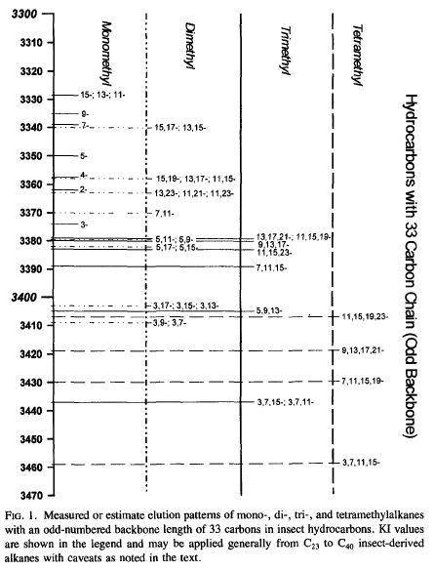
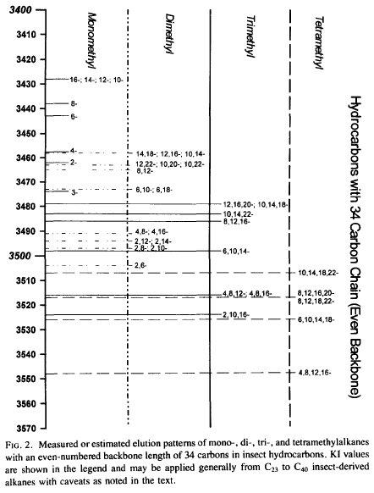
Source: | https://digitalcommons.unl.edu/usdaarsfacpub/957/?utm_source=digitalcommons.unl.edu%2Fusdaarsfacpub%2F957&utm_medium=PDF&utm_campaign=PDFCoverPages

