Main
Welcome to DSSB's Excel Workshop!
The first portion of this workshop will cover a lot of the basic functions of Microsoft Excel.

A quick Table of Contents:
 | 1. Getting your data
 | 2. Sorting + Filtering
 | 3. Freezing + Splitting Cells
 | 4. Functions + Cell/Other Sheet References
 | 5. Pivot Tables

Topic 1: Getting Your Data
There are several ways of importing data from an external source:
a. file_name.txt
b. file_name.csv
c. database

To import external data:
 | 1. Go to ribbon > "Data" > "From Text"
 | 2. Select file from computer
 | 3. Selected "Delimited" (if your file is separated by tabs/commas/some other symbol)
 | 4. Click "Next"
 | 5. Select type of delimiter (tab, comma, semicolon, etc.)
 | 6. Click "Next"
 | 7. Select format for each column (General, Date, etc.)
 | 8. Click "Finish"
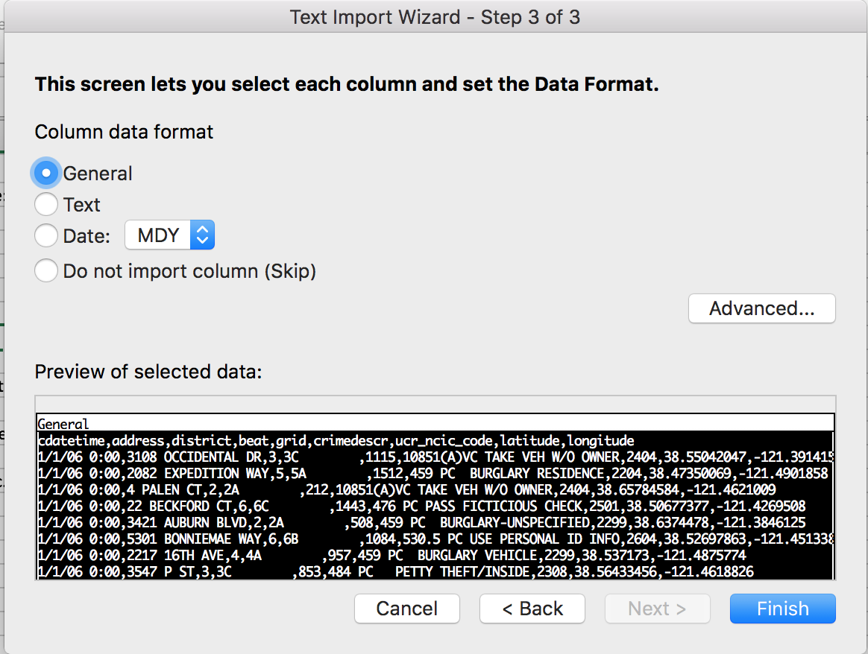
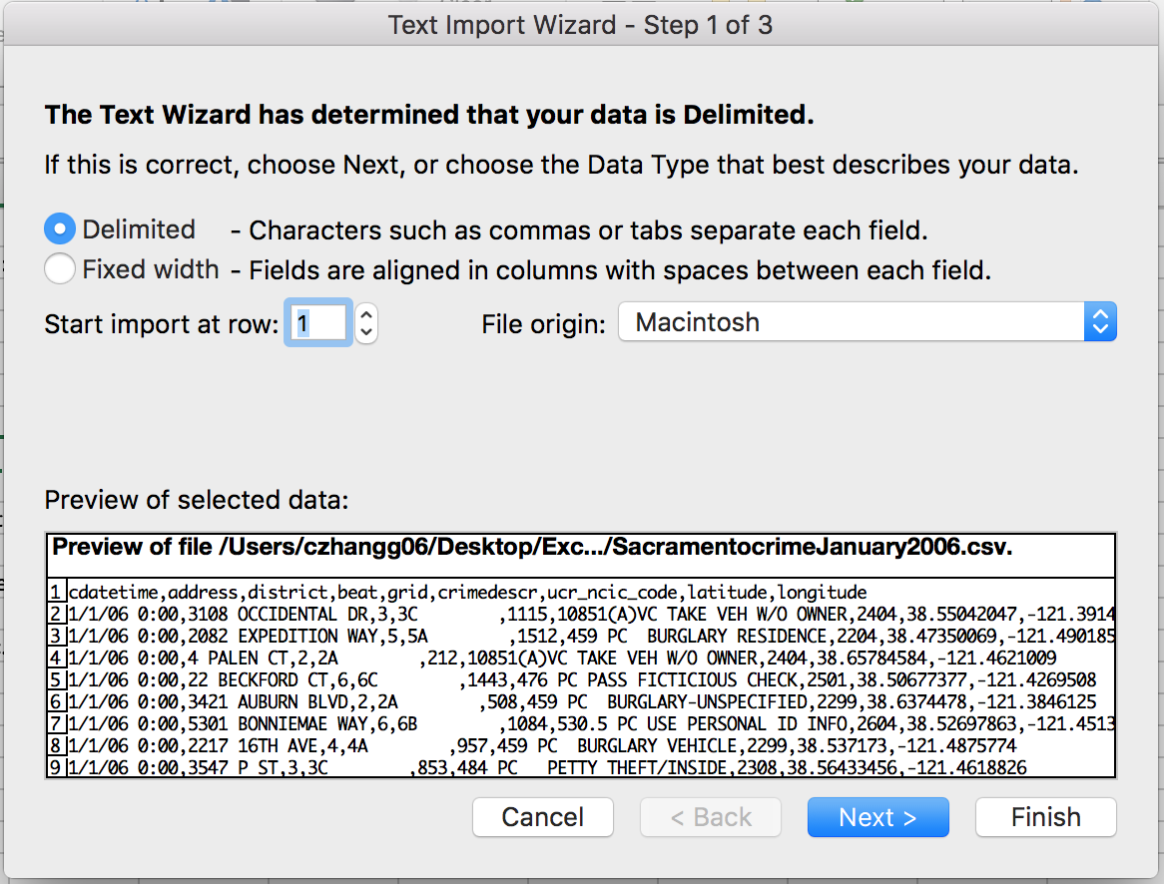
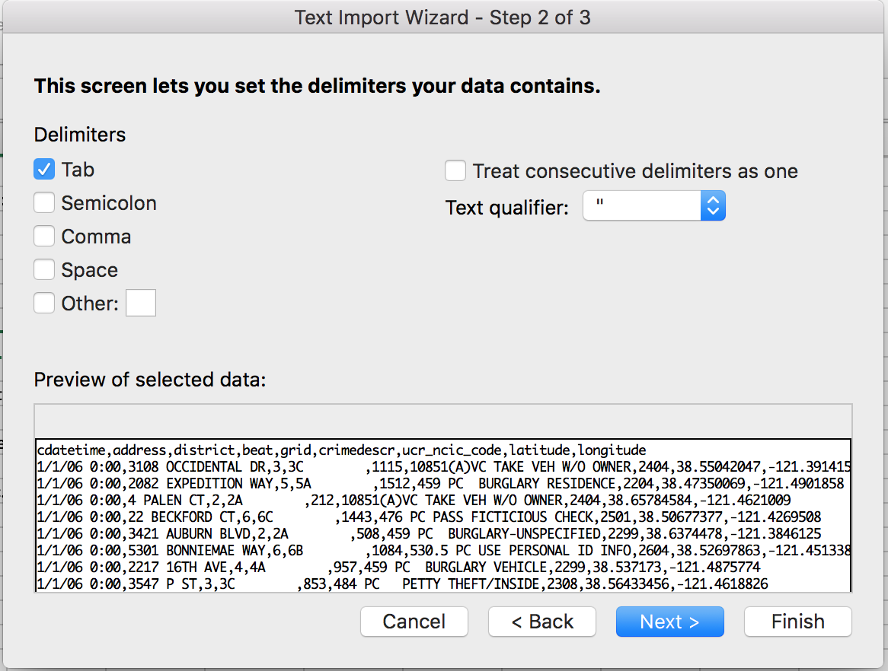

Topic 2: Sorting + Filtering Data
Basic Sorting
 | 1. Go to Ribbon > "Sort"
 | 2. Select "Column" to sort by and the specify the "Order" that you want the data to be sorted by
 | 3. Click "+" in bottom left corner of window to add multiple levels of selections or "-" to remove
 | 4. Click "Options" at the lower right in order to sort from "Left to Right", which is sorting columns rather than sorting the data within the columns

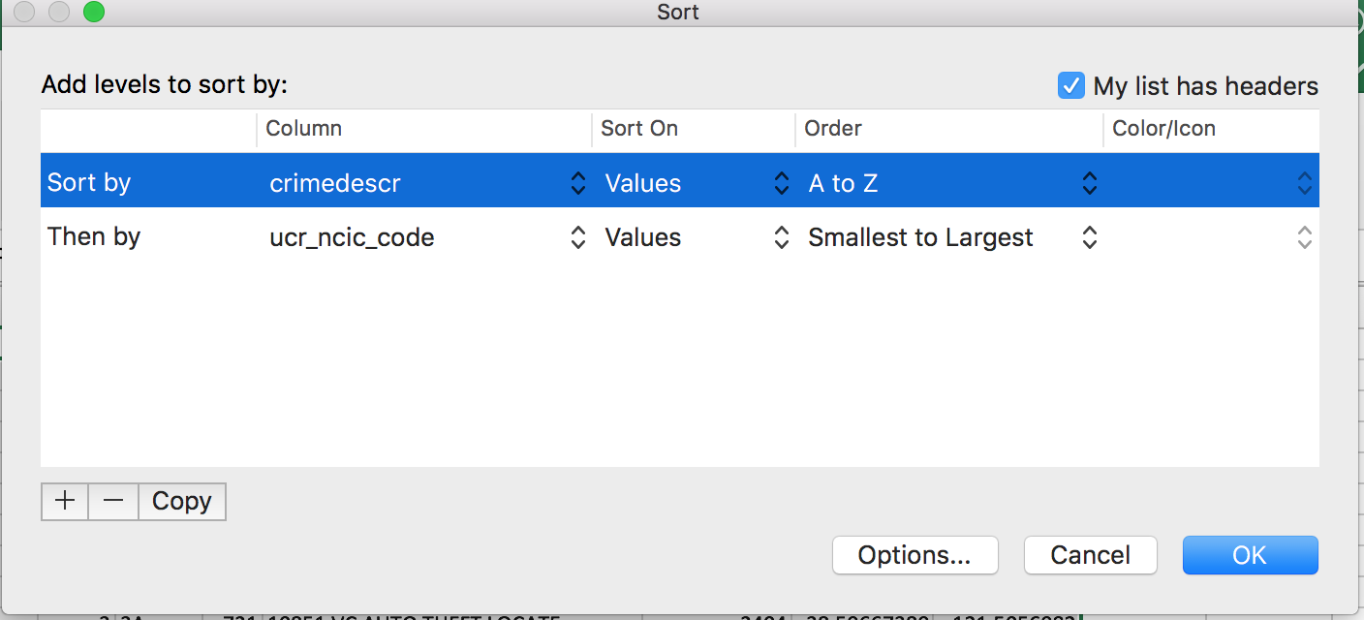

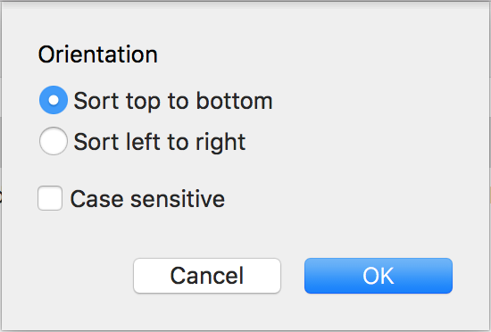

4

2
2

3

Basic Filtering
 | 1. Go to ribbon > "Data" > "Filter"
 | 2. Arrows will appear to the right side of each column
 | 3. Click on arrow to reveal filtering options
2
 | 4. Filter to your heart's content

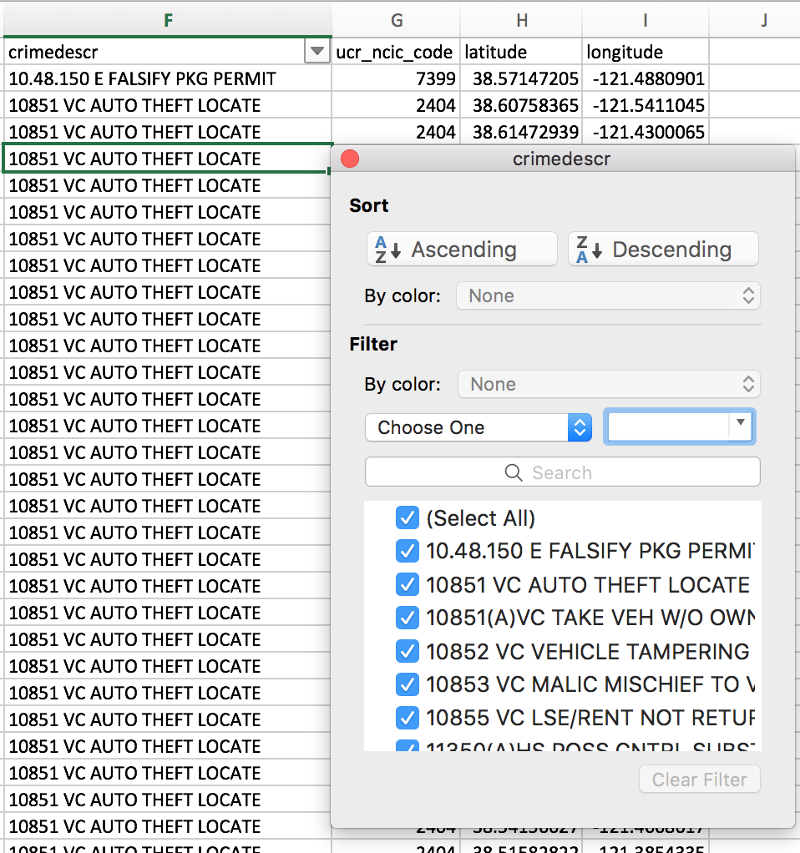

 |  | PRACTICE PROBLEM:
 |  | a. Go to sheet called "Real Estate"
 |  | b. Sort "City" alphabetically
 |  | c. Then sort "Street" alphabetically
 |  | d. Filter out the city of "Antelope"
 |  | e. What is the address of the fifth entry in the new table?

Topic 3: Freezing + Splitting Cells
Function of Freezing Cells:
 | * To be able to view certain cells at all time to make comparisons, etc., with the rest of the data
Function of Splitting Cells:
 | * To compare different sections of a workbook without creating a new window
 | * Can scroll through multiple panes separately

How to Freeze Cells
 | 1.Go to your ribbon > "View"
 | 2. If you just want to freeze Top Row/First Column > "Freeze Top Row" or "Freeze First Column"
 | 3. Otherwise, select the columns/rows you want to freeze > "Freeze Panes"
 | 4. To unfreeze > "Unfreeze Panes"

How to Split Cells
 | 1. Select cell where you want the split to occur
 | 2. Go to your ribbon > "View" > "Split"
 | 3. To undo the split, click "Split" again

Topic 4: Function + Other Cell References
How to Use Basic Excel Functions
 | 1. Decide which cell you want to store your result in and select it
 | 2. Type: =FUNCTION(cells_to_apply_function_to)
 |  | Note: Some common functions are: MAX(), MIN(), SUM(), PRODUCT(), etc.

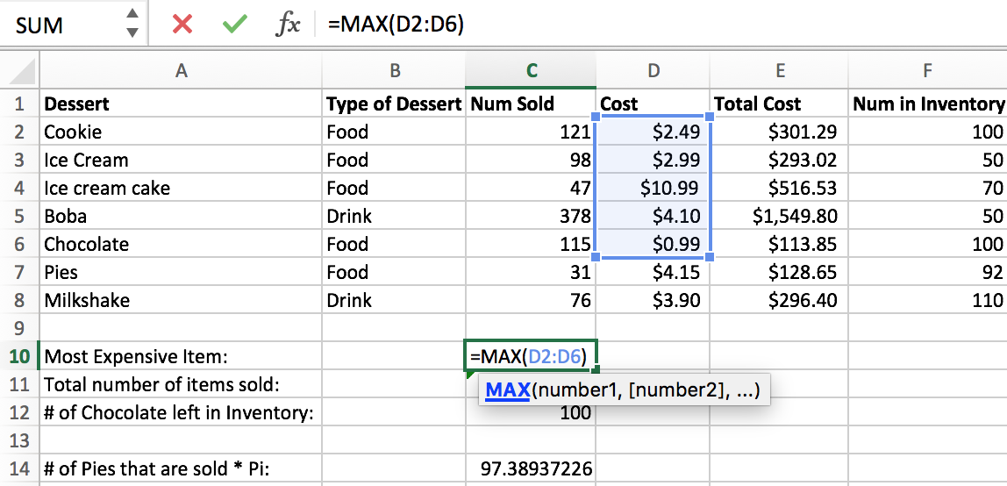

 | 3. To apply functions between entire columns, type the desired formula into your result cell, then drag the bottom of your
 | result cell to contain the number of rows to include in this calculation

Absolute References
 | Purpose: Setting a cell to refer to a certain value no matter how the columns/rows are moved and sorted
 | 1. In your result cell, type: =$FUNCTION(cells_to_apply_function_to)
 |  | Note: The dollar sign is the absolute reference symbol
 |  | Another Note: Put dollar signs before BOTH the row AND column to assign the absolute reference to that SPECIFIC cell

 |  | In the example below, I show that even though I have shifted the column "Num in Inventory", the absolute reference to "# of Chocolate left in Inventory"
 |  | still points to the same cell and changes automatically with the shift in cells.
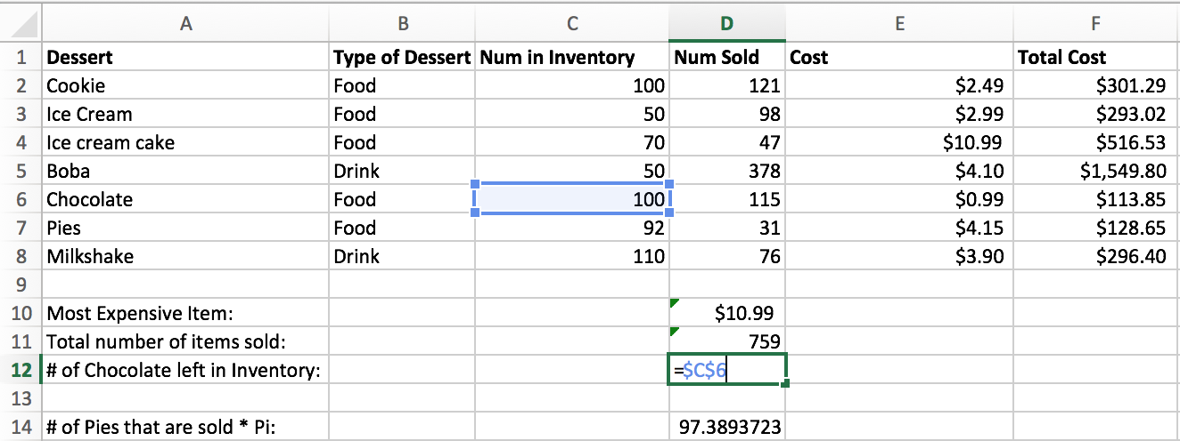
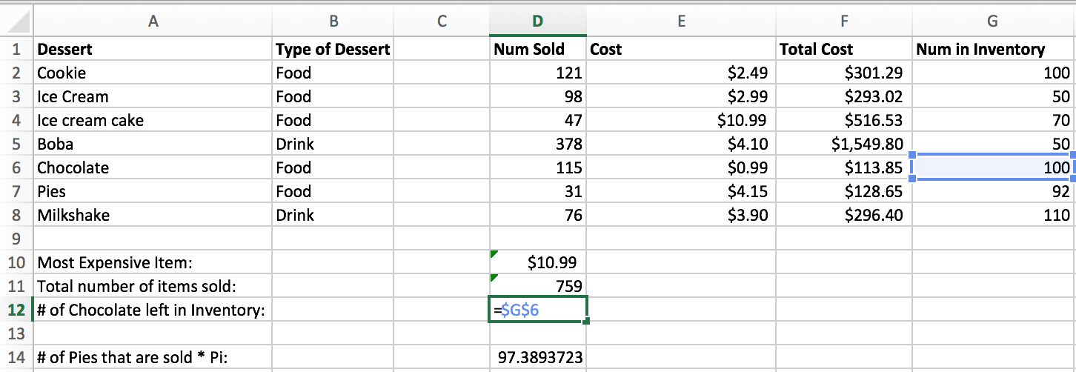

How to Refer to Cells on Different Sheets
 | 1. In your result cell, type: =FUNCTION(cells_from_this_cell, Sheet2Name!cell_from_other_sheet)

 | In the example below, my calculation involves cell C12 of another sheet named "Pi"

TOPIC 5: PIVOT TABLES
Function: Pivot Tables/Charts can be used to summarize data and easily apply functions
 | 1. Select all cells that you want to include in your pivot table
 | 2. Go to your ribbon > "Insert" > "Pivot Table"

 | 3. Select where you want your pivot table - "New Worksheet" or "Existing Worksheet"?
 | 4. In "Field Name", choose which fields you want to include in your pivot table
 | 5. Choose "Filters", "Columns", "Rows", and the values you wish to calculate

 |  | In the example below, I selected all fields in the table shown above.
 |  | I wanted the rows of the table to be "Desserts" and the columns to be the "Values"
 |  | I want a Filter option of "Type of Dessert"
 |  | I set the "Values" of each section to be "sum" except for "Number Sold", which I used average.
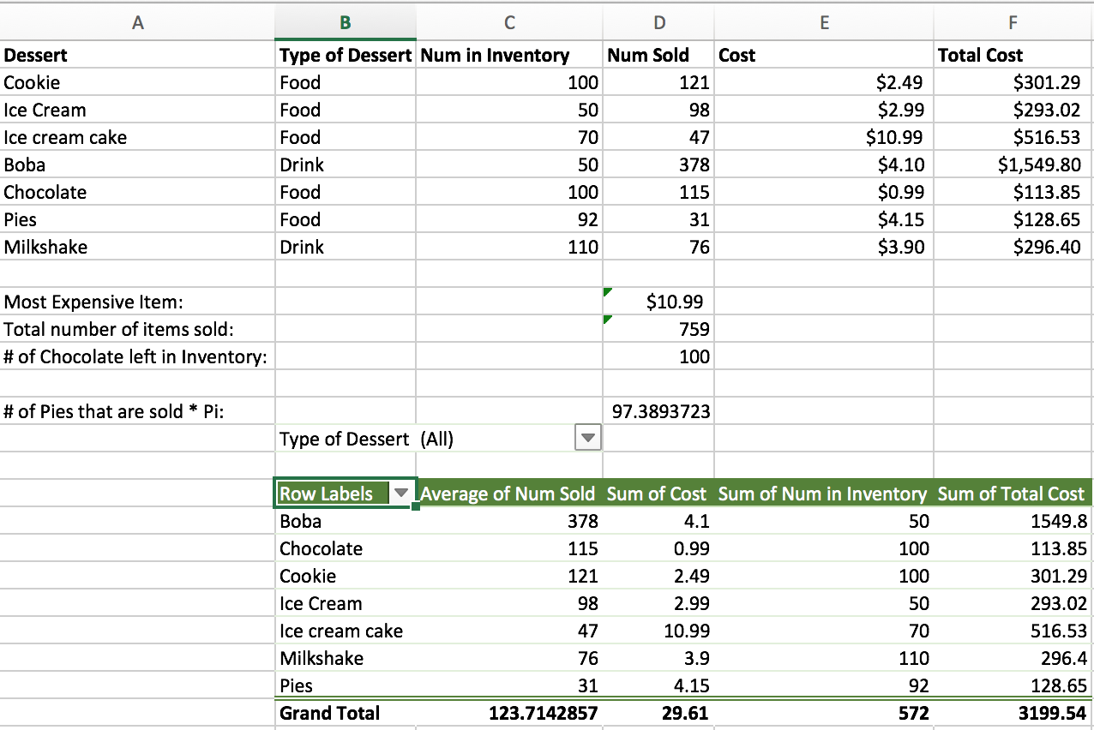
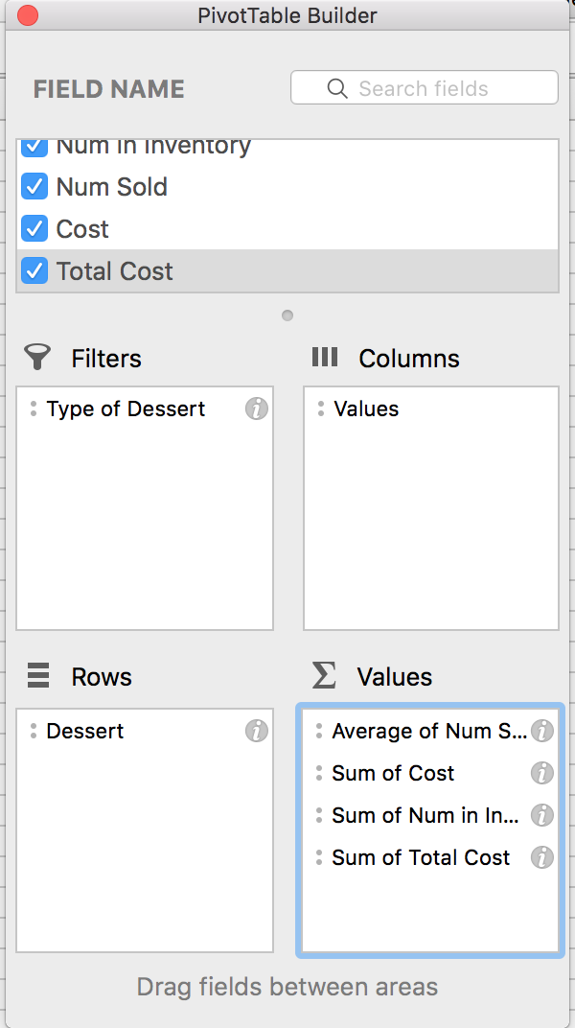

 |  | PRACTICE PROBLEM:
 |  | a. Go to the "Groceries" spreadsheet in this workbook
 |  | b. Calculate a fifth column called "Total Cost", which is Quantity * Price (try using the shortcut way!)
 |  | c. Create a pivot table for all columns in the spreadsheet
 |  | d. Allow your pivot table to be filtered by "Store"
 |  | e. Let the rows of your pivot table be "Item"
 |  | f. Let the columns of your pivot table be "Values" (default)
 |  | g. Let your values be "Sum of Quantity", "Sum of Cost", and "Average of Total Cost"
 |  | h. I will show the resulting pivot table after everyone is done!

