379-D7 dynamics, Exp 1
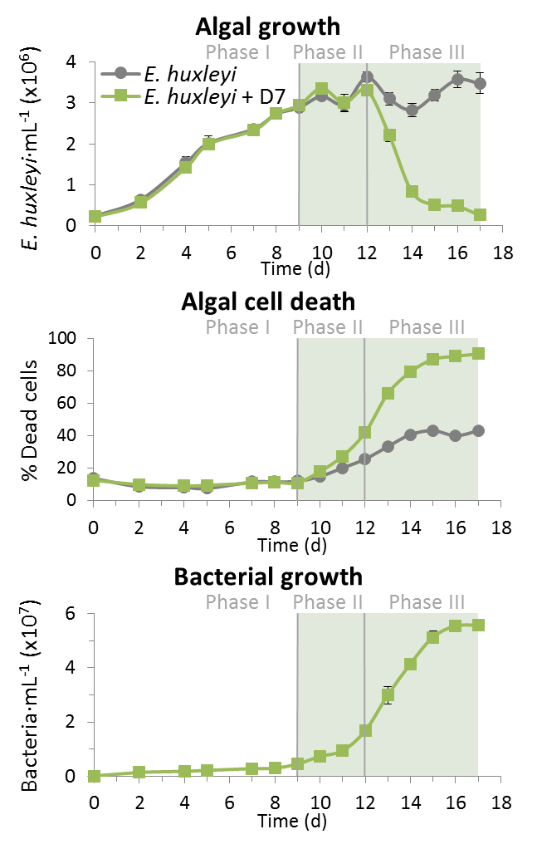
n=3
Algal denseties (average) |  |  | Algal denseties (Std)
Time (d) | 379 | 379+D7 | Time (d) | 379 | 379+D7
0 | 237458.09429 | 231024.52552 | 0 | 29090.084879 | 14906.887395
2 | 638646.61809 | 566336.39006 | 2 | 78056.879519 | 51613.717854
4 | 1538804.851 | 1431441.2837 | 4 | 145051.04029 | 95549.913369
5 | 2017837.2107 | 1995008.1177 | 5 | 168079.61895 | 91904.519233
7 | 2366310.0642 | 2330902.2319 | 7 | 102436.6903 | 76568.411236
8 | 2734095.9546 | 2744161.4378 | 8 | 94349.674782 | 125742.92945
9 | 2885006.4024 | 2938254.9712 | 9 | 82776.645252 | 85289.894161
10 | 3161061.2904 | 3354351.7374 | 10 | 95024.118961 | 80712.784492
11 | 2966886.2912 | 3000231.5171 | 11 | 185334.13711 | 207453.40112
12 | 3626008.5304 | 3306989.1115 | 12 | 119381.56121 | 73865.341787
13 | 3099103.1942 | 2209029.4363 | 13 | 150348.77766 | 147334.16793
14 | 2825247.1351 | 832840.1686 | 14 | 160722.68226 | 123996.62997
15 | 3192426.1115 | 521385.70231 | 15 | 144126.04439 | 101226.9491
16 | 3570539.3451 | 487914.14334 | 16 | 199801.29468 | 69756.031
17 | 3478173.0278 | 271391.0001 | 17 | 253401.76357 | 50188.657573

% Dead Algal cell (Sytox) (average) |  |  | % Dead Algal cell (Sytox) (Std)
Time (d) | 379 | 379+D7 | Time (d) | 379 | 379+D7
0 | 13.850326956 | 12.551234859 | 0 | 0.19236240306 | 0.30430116706
2 | 8.8596009041 | 9.9154693794 | 2 | 0.43809212714 | 0.12677060739
4 | 8.2871441893 | 9.0359864839 | 4 | 0.29947182556 | 0.24818858023
5 | 7.7473295073 | 9.4274761415 | 5 | 0.12897065173 | 0.19038259893
7 | 11.657110918 | 10.765175874 | 7 | 0.51467470296 | 0.66814690536
8 | 11.702316107 | 11.264060359 | 8 | 0.87556980934 | 0.61143812933
9 | 12.112169972 | 10.956069307 | 9 | 0.69756470095 | 0.37431846445
10 | 15.008273239 | 17.975276534 | 10 | 0.53474767385 | 1.2436755739
11 | 20.219387775 | 27.374992807 | 11 | 1.2234298661 | 0.583308027
12 | 25.624802738 | 42.001845736 | 12 | 1.247372044 | 1.7504234228
13 | 33.210013338 | 65.867350022 | 13 | 1.351429054 | 2.6654903514
14 | 40.446375446 | 79.37285977 | 14 | 1.7683451505 | 1.4962632169
15 | 42.96777567 | 87.153711206 | 15 | 2.0547353047 | 1.0274829087
16 | 39.836870454 | 89.103577173 | 16 | 1.0092429812 | 0.99718508279
17 | 42.808147232 | 90.488913733 | 17 | 1.2602938729 | 0.97287615448

Bacterial denseties (average) |  |  | Bacterial denseties (Std)
Time (d) | 379 | 379+D7 | Time (d) | 379 | 379+D7
0 | 84857.17716 | 52473.895505 | 0 | 16937.381119 | 5729.7017342
2 | 91323.488769 | 1348269.8812 | 2 | 13781.56899 | 66629.667702
4 | 82619.658624 | 1768346.3355 | 4 | 4296.1161423 | 107949.94634
5 | 191085.80989 | 2125116.9925 | 5 | 20519.399809 | 236344.54368
7 | 1079068.6836 | 2754736.8325 | 7 | 267676.69922 | 901909.01011
8 | 241139.01975 | 2914536.7482 | 8 | 7375.5209523 | 184855.20263
Fig1B-D in paper
n=3
9 | 437030.49229 | 4438073.6155 | 9 | 97188.918614 | 236025.66261
10 | 319021.68508 | 7304341.2298 | 10 | 15687.538036 | 419700.10967
11 | 2602720.2764 | 9375690.8147 | 11 | 2040864.4978 | 727522.91831
12 | 845643.90461 | 16711543.44 | 12 | 102707.49858 | 1119228.5618
13 | 948547.93557 | 29882338.833 | 13 | 53797.73 | 3148055.7779
14 | 1457213.6719 | 41411418.951 | 14 | 188747.55078 | 408612.32874
15 | 1564662.3343 | 51271116.236 | 15 | 191443.19351 | 2198775.4381
16 | 1789439.0318 | 55410742.82 | 16 | 87753.215189 | 922929.03125
17 | 2691792.4577 | 55707036.122 | 17 | 217268.6103 | 1726816.7504

379-D7 dynamics, Exp 2
Algal denseties (average) |  |  | Algal denseties (Std)
Time (d) | 379 | 379+D7 | Time (d) | 379 | 379+D7
0 | 3.54E+05 | 3.50E+05 | 0 | 20725.471589 | 28566.161126
2 | 5.51E+05 | 5.42E+05 | 2 | 13427.77382 | 33850.625535
4 | 1.52E+06 | 1.54E+06 | 4 | 45916.375277 | 45737.058084
5 | 2.40E+06 | 2.41E+06 | 5 | 41743.900129 | 198285.41793
6 | 2.61E+06 | 3.45E+06 | 6 | 18017.753509 | 185585.08555
7 | 3.38E+06 | 4.03E+06 | 7 | 46123.754399 | 247879.04341
9 | 3.75E+06 | 3.21E+06 | 9 | 304631.75186 | 692081.41247
10 | 3.56E+06 | 2.25E+06 | 10 | 204561.15974 | 383204.01193
11 | 2.92E+06 | 1.09E+06 | 11 | 95194.784698 | 388959.12099
12 | 2.06E+06 | 7.84E+04 | 12 | 104469.73705 | 39665.265687
13 | 2.63E+06 | 1.10E+04 | 13 | 108264.7036 | 5702.0419543
14 | 3.12E+06 | 4.05E+03 | 14 | 111703.745 | 882.38716923
15 | 2.67E+06 | 3.19E+03 | 15 | 34548.491106 | 750.8666367
18 | 3.12E+06 | 7.86E+02 | 18 | 229613.17691 | 520.90411634
19 | 3.34E+06 | 1.60E+03 | 19 | 139837.31957 | 812.64716092
20 | 3.66E+06 | 2.21E+03 | 20 | 33908.997255 | 1507.2664903
21 | 3.29E+06 | 3.45E+03 | 21 | 323248.43837 | 3522.9280326
22 | 2.76E+06 | 5.07E+03 | 22 | 250894.98091 | 5897.9593369

Bacterial denseties (average) |  |  | Bacterial denseties (Std)
Time (d) | 379 | 379+D7 | Time (d) | 379 | 379+D7
0 | 8.00E+04 | 2.27E+04 | 0 | 2.66E+04 | 1.36E+04
2 | 4.40E+04 | 1.41E+06 | 2 | 2.18E+04 | 2.17E+05
4 | 2.37E+05 | 1.39E+06 | 4 | 5.26E+04 | 1.81E+05
5 | 3.84E+05 | 2.32E+06 | 5 | 1.94E+04 | 2.33E+05
6 | 1.73E+05 | 2.71E+06 | 6 | 2.66E+04 | 7.09E+04
7 | 1.08E+05 | 9.23E+05 | 7 | 5.10E+04 | 2.90E+05
8 | 2.11E+05 | 1.28E+07 | 8 | 4.94E+04 | 5.86E+06
Fig4C in paper
n=3
9 | 5.88E+05 | 2.47E+07 | 9 | 4.15E+04 | 5.16E+06
10 | 2.39E+05 | 3.26E+07 | 10 | 1.39E+05 | 1.88E+06
11 | 3.05E+05 | 2.09E+07 | 11 | 1.64E+05 | 1.16E+07
12 | 1.28E+06 | 9.67E+07 | 12 | 4.25E+05 | 2.97E+06
13 | 2.11E+06 | 7.64E+07 | 13 | 2.71E+05 | 3.25E+07
14 | 1.34E+06 | 8.84E+07 | 14 | 2.19E+05 | 1.90E+07
15 | 1.96E+06 | 1.21E+08 | 15 | 6.67E+05 | 7.49E+06
18 | 2.76E+06 | 9.89E+07 | 18 | 2.86E+05 | 5.01E+06
19 | 4.63E+06 | 1.33E+08 | 19 | 1.95E+05 | 1.26E+07
20 | 4.87E+06 | 1.28E+08 | 20 | 5.50E+05 | 9.41E+06
21 | 6.58E+06 | 1.45E+08 | 21 | 5.49E+05 | 2.98E+06
22 | 6.90E+06 | 1.30E+08 | 22 | 9.53E+05 | 7.05E+06

379-D7 dynamics, Exp 3
Algal denseties (average) |  |  | Algal denseties (Std)
Time (d) | 379 | 379+D7 | Time (d) | 379 | 379+D7
0 | 413024.79682 | 478460.57442 | 0 | 79302.638023 | 54195.933042
1 | 707510.64648 | 690421.0797 | 1 | 128583.4428 | 134895.85161
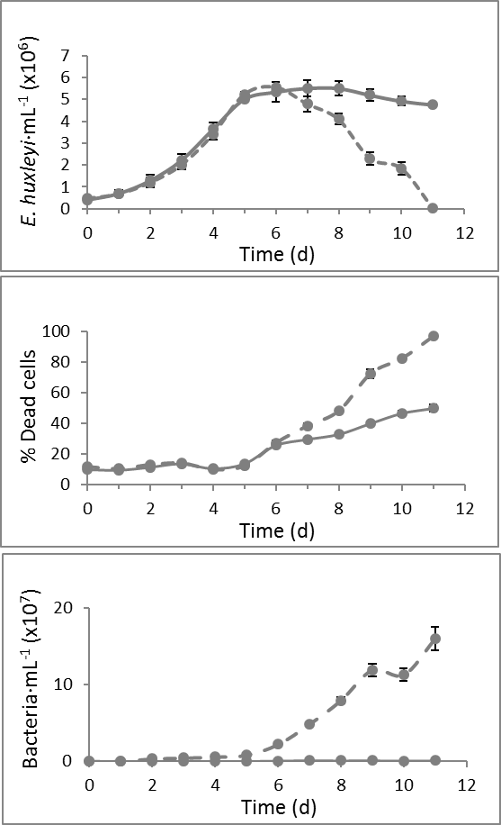
2 | 1297755.377 | 1203158.4279 | 2 | 252125.37656 | 222061.81513
3 | 2229385.8234 | 2009834.6601 | 3 | 279478.64338 | 205973.54872
4 | 3640645.6905 | 3408558.073 | 4 | 304909.87157 | 247082.38681
5 | 5014604.7441 | 5229445.1339 | 5 | 92660.54556 | 108573.84695
6 | 5342525.8377 | 5554773.3741 | 6 | 439650.40735 | 259464.03911
7 | 5517756.8335 | 4793534.1438 | 7 | 362485.27905 | 353935.59671
8 | 5509359.5611 | 4089747.1273 | 8 | 345524.78485 | 243039.56791
9 | 5203547.6279 | 2305469.248 | 9 | 273000.51037 | 296232.72828
10 | 4920705.5175 | 1850179.6153 | 10 | 211709.77609 | 294593.90016
11 | 4760839.0456 | 38379.342737 | 11 | 95449.170456 | 33508.124143

% Dead Algal cell (Sytox) (average) |  |  | % Dead Algal cell (Sytox) (Std)
Time (d) | 379 | 379+D7 | Time (d) | 379 | 379+D7
0 | 10.022728569 | 11.751809877 | 0 | 0.65047555357 | 0.30897166886
1 | 9.5188091587 | 10.434311348 | 1 | 0.78119600124 | 0.17063032211
2 | 11.464463049 | 13.103048491 | 2 | 0.32753412936 | 0.30979263093
3 | 13.735175073 | 14.072439168 | 3 | 0.92206828341 | 0.47990788649
4 | 10.639819311 | 9.9573169916 | 4 | 0.36110823096 | 0.24012086823
5 | 13.698305468 | 12.333654546 | 5 | 0.46498995332 | 0.48838970047
6 | 25.758572288 | 27.413628724 | 6 | 1.166603812 | 1.5809712871
7 | 29.73604375 | 38.466769948 | 7 | 0.67080797863 | 1.6996805835
8 | 33.026025423 | 48.341393721 | 8 | 1.3819546022 | 1.2196522777
9 | 40.075330261 | 72.543626975 | 9 | 1.4417269562 | 2.8687400462
10 | 46.781770368 | 82.484482081 | 10 | 1.7740588101 | 0.86948325451
11 | 50.05169208 | 97.021997344 | 11 | 2.5937920976 | 0.44342279589

FigS7 in paper, without the DMSP additions
n=3
Bacterial denseties (average) |  |  | Bacterial denseties (Std)
Time (d) | 379 | 379+D7 | Time (d) | 379 | 379+D7
0 | 45468.300183 | 28694.500167 | 0 | 27061.026995 | 5343.2919857
1 | 61560.365916 | 224930.13749 | 1 | 26234.131028 | 34626.793253
2 | 45597.669367 | 3521259.8051 | 2 | 4830.5951724 | 57413.061316
3 | 56999.45106 | 4590839.0742 | 3 | 8392.332943 | 152659.94593
4 | 90807.813006 | 5915542.2122 | 4 | 20217.145178 | 154608.12398
5 | 176006.77503 | 8312659.7216 | 5 | 65906.391005 | 514149.76931
6 | 707114.67681 | 22204214.162 | 6 | 118376.33728 | 1231602.8459
7 | 1304557.0556 | 48493138.938 | 7 | 292976.37535 | 1926865.939
8 | 958219.43267 | 79508373.479 | 8 | 41282.488456 | 3980982.4658
9 | 1260121.9765 | 119082533.45 | 9 | 161216.86904 | 8138776.1126
10 | 638592.58881 | 112967209.47 | 10 | 19311.474896 | 8283585.4115
11 | 1135042.2312 | 160136253.24 | 11 | 59571.724887 | 15048918.253

379-D7 dynamics+DMSP, Exp 4
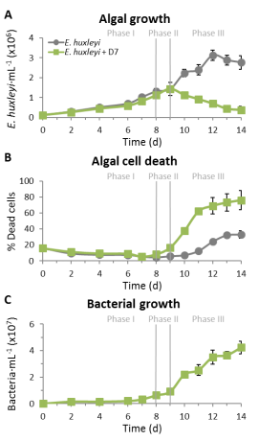
Algal denseties (average) |  |  |  | Algal denseties (Std)
Time (d) | 379 | 379+D7 |  | Time (d) | 379 | 379+D7
0 | 121467.35536 | 116462.37098 |  | 0 | 15872.110418 | 5025.9268604
2 | 304761.60125 | 265727.06096 |  | 2 | 39279.268553 | 29976.501984
4 | 519652.92416 | 445242.89149 |  | 4 | 48565.962383 | 14651.371383
6 | 707690.34885 | 592167.67608 |  | 6 | 54616.237466 | 22482.518904
7 | 1022376.8132 | 819238.74411 |  | 7 | 98800.700321 | 80874.877805
8 | 1310795.4846 | 1123400.949 |  | 8 | 137884.8012 | 41932.784959
9 | 1430533.3969 | 1443053.9101 |  | 9 | 338594.18937 | 100459.10065
10 | 2230492.4442 | 1136085.2886 |  | 10 | 197014.92968 | 109887.45685
11 | 2394355.9905 | 920753.46051 |  | 11 | 267658.47024 | 42756.206128
12 | 3126490.928 | 700438.95905 |  | 12 | 267478.3576 | 93304.737667
13 | 2883605.5005 | 437074.6905 |  | 13 | 249690.22225 | 155286.17831
14 | 2763929.5654 | 377034.15982 |  | 14 | 335168.98607 | 175818.49568

% Dead Algal cell (Sytox) (average) |  |  |  | % Dead Algal cell (Sytox) (Std)
Time (d) | 379 | 379+D7 |  | Time (d) | 379 | 379+D7
0 | 16.208626987 | 16.077869079 |  | 0 | 1.45707783 | 0.76823605115
2 | 9.3574134365 | 11.580186406 |  | 2 | 1.4349795328 | 1.0538706169
4 | 7.6963283555 | 9.4900642129 |  | 4 | 0.55348900998 | 0.88185825958
6 | 7.4594140998 | 9.1810362718 |  | 6 | 0.84309325309 | 1.5418706015
7 | 5.2330829436 | 5.6145111144 |  | 7 | 0.54154449171 | 0.38957886511
8 | 4.4750937658 | 8.3736727849 |  | 8 | 0.39930424034 | 2.5075582231
9 | 5.9260394034 | 16.882985224 |  | 9 | 1.4672184559 | 3.2995078165
10 | 7.240488075 | 37.569226596 |  | 10 | 1.7259513252 | 2.5507607733
11 | 12.528770913 | 62.25903002 |  | 11 | 1.2698339207 | 4.6276705537
12 | 24.399702726 | 69.24435917 |  | 12 | 0.40196488511 | 10.375097482
13 | 32.373000357 | 73.449154955 |  | 13 | 2.515946523 | 10.775244792
The dynamics of Ehux, sytox and bacteria are from Fig S9 in paper.
The DMSP dissolved concentrations is at Fig3e of paper.
In this experiment Control n=4, +D7 n=2
14 | 33.175564408 | 76.347122611 |  | 14 | 4.6541825485 | 11.984764446

Bacterial denseties (average) |  |  |  | Bacterial denseties (Std)
Time (d) | 379 | 379+D7 |  | Time (d) | 379 | 379+D7
0 | 149508.28924 | 90636.894696 |  | 0 | 63843.128704 | 44506.250346 | 4.8051141619
2 | 83876.877955 | 1658215.4041 |  | 2 | 11335.230063 | 48625.366555 | 4.0544303391
4 | 136516.18754 | 1627415.5425 |  | 4 | 63271.407903 | 9201.8822189 | 4.8012074984
6 | 186562.49846 | 2138647.222 |  | 6 | 71289.883266 | 421753.31362 | 4.8530279036
7 | 189320.83387 | 3342004.7858 |  | 7 | 27151.039428 | 163613.19169 | 4.4337864604
8 | 106015.75701 | 6389281.7641 |  | 8 | 22737.192792 | 144369.56505 | 4.3567368443
9 | 210902.82505 | 9223274.1595 |  | 9 | 38761.732338 | 1470278.4453 | 4.5884031783
10 | 387163.83624 | 22062681.036 |  | 10 | 101450.01737 | 1934528.1849 | 5.0062521257
11 | 774529.09747 | 25337336.721 |  | 11 | 189114.95299 | 4021432.5815 | 5.2767258691
12 | 636315.23418 | 35065242.313 |  | 12 | 129406.3077 | 5421908.7859 | 5.1119554458
13 | 1085911.7007 | 36543033.447 |  | 13 | 149225.36234 | 2710541.7183 | 5.1738426421
14 | 1154786.3745 | 42332041.451 | 7.723895313 | 14 | 174971.05101 | 4909387.9927 | 5.2429662005

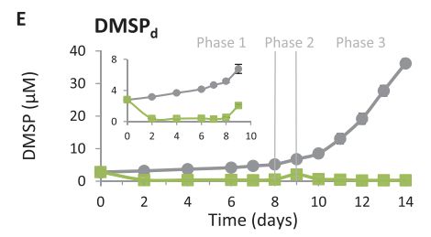
DMSP dissolved (average) |  |  |  | DMSP dissolved (Std)
Time (d) | 379 | 379+D7 |  | Time (d) | 379 | 379+D7
0 | 2.779149651 | 2.8219692623 |  | 0 | 0.089030342875 | 0.010587889495
2 | 3.1573737532 | 0.37649203725 |  | 2 | 0.090074442304 | 0.015122685215
4 | 3.6719353373 | 0.3676749931 |  | 4 | 0.059393812016 | 0.010536998797
6 | 4.1483628653 | 0.38670760434 |  | 6 | 0.078104639795 | 0.017987801834
7 | 4.6831004629 | 0.30524703589 |  | 7 | 0.13113372299 | 0.015880328876
8 | 5.1696894525 | 0.52825040969 |  | 8 | 0.16503601487 | 0.014295751533
9 | 6.7594203206 | 2.0510193555 |  | 9 | 0.57866874198 | 0.14559208922
10 | 8.5121961331 | 0.66124762344 |  | 10 | 1.2079741533 | 0.31590255195
11 | 13.062148095 | 0.49441315802 |  | 11 | 1.5452305646 | 0.23019864732
12 | 19.153457286 | 0.25931240331 |  | 12 | 1.6566470843 | 0.0039263154246
13 | 27.779646838 | 0.27265011584 |  | 13 | 1.6204836565 | 0.00097020883888
14 | 36.171369206 | 0.30599751645 |  | 14 | 1.417203453 | 0.026040357578

dose
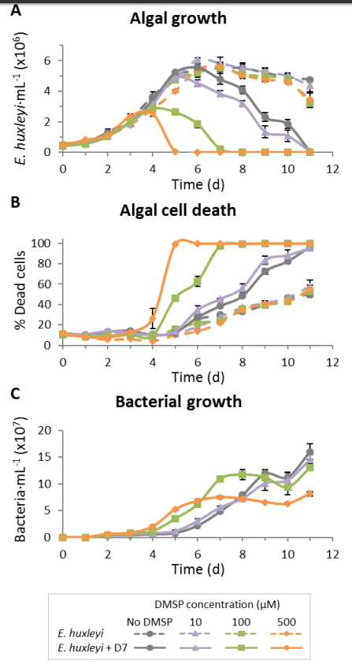
Algal denseties (average) |  |  |  |  |  |  |  |  | Algal denseties (Std)
Time (d) | A_379_0 | A_379_10 | A_379_100 | A_379_500 | A_379_D7_0 | A_379_D7_10 | A_379_D7_100 | A_379_D7_500 | Time (d) | A_379_0_sd | A_379_10_sd | A_379_100_sd | A_379_500_sd | A_379_D7_0_sd | A_379_D7_10_sd | A_379_D7_100_sd | A_379_D7_500_sd
0 | 413024.79682 | 406510.61496 | 457212.39929 | 524296.54935 | 478460.57442 | 475800.22152 | 418740.8071 | 464417.29322 | 0 | 79302.638023 | 49991.688232 | 29989.920732 | 34257.422821 | 54195.933042 | 47196.840274 | 57027.976459 | 53237.773366
1 | 707510.64648 | 609131.3871 | 600598.78991 | 779321.44454 | 690421.0797 | 645711.87324 | 562948.52585 | 812673.62948 | 1 | 128583.4428 | 95140.99359 | 82513.136303 | 82161.684715 | 134895.85161 | 74605.340264 | 83338.062805 | 68785.319969
2 | 1297755.377 | 1105567.176 | 1134892.6506 | 1169289.9109 | 1203158.4279 | 1170194.2004 | 1024822.8319 | 1116009.8451 | 2 | 252125.37656 | 185861.18363 | 140795.68788 | 81651.77159 | 222061.81513 | 110528.15395 | 158865.02536 | 86918.733068
3 | 2229385.8234 | 1856681.7159 | 2010204.9602 | 1795564.1733 | 2009834.6601 | 1919875.1013 | 2004635.3706 | 2373687.7107 | 3 | 279478.64338 | 189316.42316 | 113096.85839 | 41812.429595 | 205973.54872 | 187298.83215 | 133794.67419 | 145223.15932
4 | 3640645.6905 | 3408350.2712 | 3253425.647 | 2834948.772 | 3408558.073 | 3147443.2709 | 2865494.0059 | 2559610.5519 | 4 | 304909.87157 | 182299.67176 | 165717.05681 | 98641.657454 | 247082.38681 | 250452.09214 | 140376.74219 | 193133.40887
5 | 5014604.7441 | 4796673.4811 | 4761321.7609 | 4002214.2411 | 5229445.1339 | 4884273.5576 | 2625684.2741 | 50150.148188 | 5 | 92660.54556 | 135170.03036 | 95111.69164 | 99551.799923 | 108573.84695 | 239757.56071 | 130965.34009 | 51031.650811
6 | 5342525.8377 | 6050570.159 | 5211679.8956 | 5418023.5663 | 5554773.3741 | 4516697.3237 | 1849336.9174 | 1571.88591 | 6 | 439650.40735 | 141355.25289 | 231613.7943 | 151990.9459 | 259464.03911 | 208710.97662 | 228950.96991 | 1410.282282
7 | 5517756.8335 | 5823303.0963 | 5544535.0724 | 5625274.5186 | 4793534.1438 | 3828752.8996 | 229005.60525 | 468.29404671 | 7 | 362485.27905 | 392037.1909 | 261335.59028 | 197783.27793 | 353935.59671 | 197964.71876 | 79047.548867 | 485.04990003
8 | 5509359.5611 | 5492309.9691 | 5114241.8608 | 5044655.1247 | 4089747.1273 | 3195007.9805 | 5224.8464278 | 101.56798141 | 8 | 345524.78485 | 281282.93945 | 223235.85193 | 200128.5875 | 243039.56791 | 185679.86675 | 962.69025701 | 162.62658431
9 | 5203547.6279 | 5267733.9204 | 4960620.69 | 4760489.1329 | 2305469.248 | 1339766.6149 | 899.98987928 | 126.86749143 | 9 | 273000.51037 | 264368.62135 | 260725.67904 | 157164.94283 | 296232.72828 | 384834.26356 | 253.71548126 | 218.27233924
10 | 4920705.5175 | 4983188.1249 | 4748652.8075 | 4584593.4207 | 1850179.6153 | 1076798.906 | 990.39253421 | 76.187929299 | 10 | 211709.77609 | 205451.82347 | 267596.90392 | 99632.238405 | 294593.90016 | 360078.0147 | 508.03890724 | 116.4099576
11 | 4760839.0456 | 4374747.7016 | 3228473.7231 | 3479433.1404 | 38379.342737 | 38227.471912 | 456.49623562 | 50.759180322 | 11 | 95449.170456 | 478434.2318 | 290275.91839 | 495734.48004 | 33508.124143 | 32249.753355 | 348.65000326 | 84.19511009

% Dead Algal cell (Sytox) (average) |  |  |  |  |  |  |  |  | % Dead Algal cell (Sytox) (Std)
Time (d) | 379, No DMSP | 379, 10uM DMSP | 379, 100uM DMSP | 379, 500uM DMSP | 379+D7, No DMSP | 379+D7, 10uM DMSP | 379+D7, 100uM DMSP | 379+D7, 500uM DMSP | Time (d) | 379, No DMSP | 379, 10uM DMSP | 379, 100uM DMSP | 379, 500uM DMSP | 379+D7, No DMSP | 379+D7, 10uM DMSP | 379+D7, 100uM DMSP | 379+D7, 500uM DMSP
0 | 10.022728569 | 10.141746576 | 10.89519025 | 11.934066855 | 11.751809877 | 11.652384365 | 10.410793006 | 11.867973377 | 0 | 0.65047555357 | 0.76838862142 | 0.39190131501 | 0.59533323475 | 0.30897166886 | 1.13364632 | 1.0149081182 | 0.75386431537
1 | 9.5188091587 | 9.7515863459 | 8.8147763324 | 8.0854400224 | 10.434311348 | 11.166891826 | 8.5634389215 | 8.1136128438 | 1 | 0.78119600124 | 0.21904802168 | 0.4624400556 | 0.54978099319 | 0.17063032211 | 0.48951223515 | 0.32731819243 | 0.24876533592
2 | 11.464463049 | 11.486507856 | 8.9190413924 | 5.7282617199 | 13.103048491 | 13.987500878 | 9.4736272879 | 7.8385387107 | 2 | 0.32753412936 | 0.4941840252 | 0.078174801151 | 0.43734814428 | 0.30979263093 | 1.0505819961 | 0.45841162784 | 0.22853260977
3 | 13.735175073 | 12.296273698 | 9.5345308771 | 6.2817602171 | 14.072439168 | 12.446817955 | 10.256404974 | 12.706282052 | 3 | 0.92206828341 | 0.27535639345 | 0.703312373 | 0.43486863194 | 0.47990788649 | 0.72402998618 | 0.09069004791 | 2.9588753726
4 | 10.639819311 | 9.7006924692 | 8.503083627 | 4.3574855484 | 9.9573169916 | 10.158216203 | 9.3967285325 | 26.450469038 | 4 | 0.36110823096 | 0.59548347542 | 0.85640541457 | 0.23499822449 | 0.24012086823 | 0.58082817926 | 0.48177786973 | 9.8809012095
5 | 13.698305468 | 11.322022341 | 15.5717725 | 10.087552711 | 12.333654546 | 13.802508828 | 46.36323868 | 98.895058007 | 5 | 0.46498995332 | 0.99478898408 | 1.3229780303 | 0.36402725713 | 0.48838970047 | 1.6004982447 | 1.918869122 | 0.34824385806
6 | 25.758572288 | 18.355453404 | 21.917873265 | 13.891367043 | 27.413628724 | 34.638934729 | 62.608264311 | 99.553672826 | 6 | 1.166603812 | 1.0992099407 | 2.2490845421 | 0.81446983948 | 1.5809712871 | 4.1328475139 | 4.8866636226 | 0.056821166238
7 | 29.73604375 | 27.705878097 | 24.077935412 | 22.025562713 | 38.466769948 | 45.310394048 | 97.169925158 | 99.543245153 | 7 | 0.67080797863 | 2.5205094177 | 1.0845422357 | 0.55551829878 | 1.6996805835 | 0.48488052556 | 0.73382237429 | 0.013242452536
8 | 33.026025423 | 37.159254245 | 35.748019309 | 34.904295194 | 48.341393721 | 56.252031144 | 99.083627133 | 99.521243489 | 8 | 1.3819546022 | 0.65608579019 | 0.23511279713 | 2.2676904486 | 1.2196522777 | 3.9635868482 | 0.10563386118 | 0.080411017594
9 | 40.075330261 | 41.310638012 | 39.467170631 | 40.23482128 | 72.543626975 | 83.290162344 | 99.692971849 | 99.687083793 | 9 | 1.4417269562 | 2.2931153582 | 1.0554475004 | 0.70914439407 | 2.8687400462 | 3.9435713846 | 0.019323430551 | 0.076871763285
10 | 46.781770368 | 46.806256617 | 42.755150718 | 43.137950866 | 82.484482081 | 88.143494523 | 99.742819786 | 99.656801508 | 10 | 1.7740588101 | 0.78666714955 | 1.3491024506 | 0.25475158572 | 0.86948325451 | 5.6322654061 | 0.03727369891 | 0.081047322675
11 | 50.05169208 | 57.856402278 | 52.599808839 | 54.449125579 | 97.021997344 | 95.314163909 | 99.562736292 | 99.512891881 | 11 | 2.5937920976 | 6.3145542745 | 0.55572861359 | 4.3975850656 | 0.44342279589 | 0.72719615134 | 0.074652010267 | 0.12732857776

Bacterial denseties (average) |  |  |  |  |  |  |  |  | Bacterial denseties (Std)
Time (d) | B_379_0 | B_379_10 | B_379_100 | B_379_500 | B_379_D7_0 | B_379_D7_10 | B_379_D7_100 | B_379_D7_500 | Time (d) | B_379_0_sd | B_379_10_sd | B_379_100_sd | B_379_500_sd | B_379_D7_0_sd | B_379_D7_10_sd | B_379_D7_100_sd | B_379_D7_500_sd
0 | 45468.300183 | 32486.205842 | 17636.951393 | 29678.988296 | 28694.500167 | 26656.334209 | 28596.28443 | 15460.678367 | 0 | 27061.026995 | 10462.107847 | 8565.2281129 | 16528.458435 | 5343.2919857 | 6704.9435686 | 6710.9528727 | 11230.661952
1 | 61560.365916 | 153335.85812 | 23405.617121 | 35385.830259 | 224930.13749 | 302602.3093 | 200926.57247 | 223879.277 | 1 | 26234.131028 | 29573.842503 | 7211.2646697 | 5910.8748041 | 34626.793253 | 22864.337466 | 8722.6215863 | 42149.920621
2 | 45597.669367 | 43105.177445 | 50093.958979 | 26905.271151 | 3521259.8051 | 3938592.5384 | 4579581.0294 | 6111334.7217 | 2 | 4830.5951724 | 4224.5829798 | 4302.3572174 | 1749.4914078 | 57413.061316 | 182496.38976 | 240332.87777 | 341725.56365
The dynamics of Ehux, sytox and bacteria, with addition of DMSP in different concentrations, are from Fig S7 in paper.
In this experiment n=3
3 | 56999.45106 | 33763.082923 | 36127.019296 | 80635.825388 | 4590839.0742 | 6233290.5319 | 8125302.1331 | 8222824.3718 | 3 | 8392.332943 | 7190.6722143 | 14154.144237 | 22179.252467 | 152659.94593 | 61469.473059 | 277638.65206 | 882555.42445
4 | 90807.813006 | 46540.048514 | 45461.536247 | 70143.525182 | 5915542.2122 | 8146044.2111 | 11731687.439 | 20210487.708 | 4 | 20217.145178 | 10130.794845 | 14886.202259 | 19976.892774 | 154608.12398 | 411864.90247 | 840371.07465 | 2558537.598
5 | 176006.77503 | 82691.510669 | 113493.64349 | 79217.946451 | 8312659.7216 | 11753175.016 | 34712111.953 | 52064721.755 | 5 | 65906.391005 | 5668.5678735 | 37735.80718 | 5745.2949933 | 514149.76931 | 2263395.7389 | 2841916.2645 | 1459360.4858
6 | 707114.67681 | 411942.42258 | 780516.64227 | 357421.39253 | 22204214.162 | 30810607.201 | 61577401.657 | 68222670.321 | 6 | 118376.33728 | 70139.739147 | 147215.20165 | 99184.615891 | 1231602.8459 | 3988930.8483 | 2970439.0545 | 3488650.3347
7 | 1304557.0556 | 596415.18548 | 649027.69078 | 575491.75703 | 48493138.938 | 56123622.152 | 109163038.81 | 74987375.494 | 7 | 292976.37535 | 99860.70119 | 164615.4129 | 77035.568971 | 1926865.939 | 2737072.2059 | 2608515.0364 | 2328941.0503
8 | 958219.43267 | 684002.43995 | 934275.88758 | 1055116.195 | 79508373.479 | 72767759.2 | 117053626.71 | 72008591.028 | 8 | 41282.488456 | 69720.842985 | 64890.298597 | 91295.94552 | 3980982.4658 | 6042348.1863 | 9280617.9556 | 4042672.2324
9 | 1260121.9765 | 614935.06489 | 1003930.5443 | 1080771.687 | 119082533.45 | 101323938.05 | 111968849.8 | 65776624.08 | 9 | 161216.86904 | 292340.27552 | 120219.42354 | 124982.75619 | 8138776.1126 | 12928771.966 | 4330396.7572 | 1047885.8978
10 | 638592.58881 | 652004.00164 | 632361.40716 | 664303.53876 | 112967209.47 | 107215346.58 | 93640506.149 | 62931049.735 | 10 | 19311.474896 | 109888.71735 | 137643.29867 | 7413.1417454 | 8283585.4115 | 15129852.358 | 13393567.567 | 2133835.7106
11 | 1135042.2312 | 1340203.1226 | 1705482.8648 | 2042468.4717 | 160136253.24 | 145807113.86 | 129703689.04 | 81470113.519 | 11 | 59571.724887 | 210706.55199 | 291132.87945 | 1762.3437253 | 15048918.253 | 8997407.6035 | 822931.50632 | 4180903.5918

substrates
2090 |  |  |  |  |  |  |  |  | 2090
Algal denseties (average) |  |  |  |  |  |  |  |  | Algal denseties (Std)
Time (d) | A_2090 | A_2090_DMSP | A_2090_Glycerol | A_2090_Proprionate | A_2090_D7 | A_2090_D7_DMSP | A_2090_D7- Glycerol | A_2090_D7_Proprionate | Time (d) | A_2090_sd | A_2090_DMSP_sd | A_2090_Glycerol_sd | A_2090_Proprionate_sd | A_2090_D7_sd | A_2090_D7_DMSP_sd | A_2090_D7_Glycerol_sd | A_2090_D7_Proprionate_sd
0 | 497576.04399 | 491210.82453 | 499007.88012 | 496519.70739 | 489086.42533 | 477240.55149 | 470189.13417 | 472365.19797 | 0 | 29189.209396 | 10159.859303 | 11073.319351 | 12104.3628 | 5201.2880794 | 13524.747818 | 10189.771277 | 2552.2455238
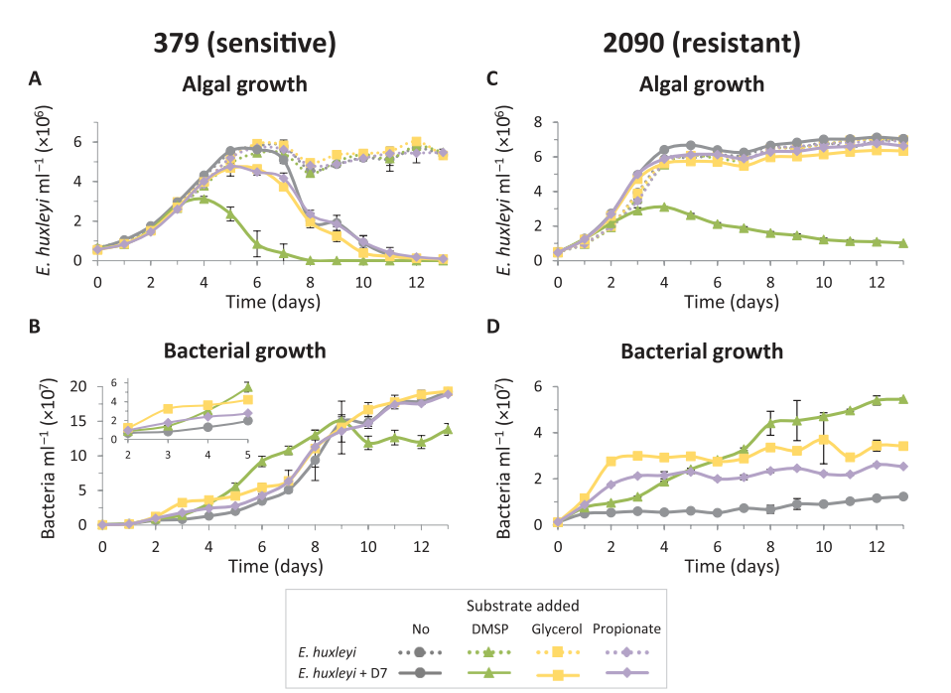
1 | 1029183.2928 | 965434.71611 | 1003950.9059 | 974233.95466 | 1277065.2297 | 1266968.0145 | 1226633.6887 | 1242929.1945 | 1 | 16308.720129 | 19044.707338 | 37592.105832 | 6741.2182976 | 4852.5265644 | 34163.331323 | 12763.069817 | 25857.378678
2 | 2025066.0202 | 1922571.1816 | 1993607.5219 | 1990788.8209 | 2730512.6579 | 2159556.6362 | 2581734.6676 | 2696387.4018 | 2 | 25018.360198 | 27928.67804 | 47803.051091 | 12961.620191 | 40057.329784 | 22920.846349 | 28395.227459 | 22297.635409
3 | 3934985.0843 | 3614196.2903 | 3876714.6123 | 3458341.8852 | 4962833.2869 | 2892762.6764 | 4719270.0249 | 4980679.9868 | 3 | 57811.858772 | 53552.481963 | 86487.132372 | 144845.3196 | 102704.24063 | 165578.35687 | 65368.342324 | 22247.57065
4 | 5870375.0393 | 5549379.4611 | 5688437.096 | 5651893.1598 | 6407836.4809 | 3100844.1214 | 5616118.5156 | 5880706.2078 | 4 | 66463.056643 | 49162.970365 | 26200.5023 | 70199.710088 | 102644.91265 | 14565.044317 | 33778.531483 | 4615.0602869
5 | 5918333.9581 | 6089354.1891 | 6068944.4933 | 6060479.2984 | 6671781.2054 | 2637328.7559 | 5742240.5354 | 6126220.1566 | 5 | 346495.08728 | 105621.24684 | 105619.24599 | 52773.777645 | 87056.235523 | 88545.192123 | 33446.223732 | 14459.319813
6 | 6119674.4438 | 5911942.0661 | 6102525.6974 | 6133994.7191 | 6393138.1992 | 2116231.4989 | 5704805.3351 | 6122935.7018 | 6 | 96969.214893 | 125563.1933 | 137304.42497 | 26170.773335 | 87426.384268 | 78676.474583 | 134907.0459 | 45763.718123
7 | 6070448.685 | 5781311.2589 | 5800926.251 | 5859727.0532 | 6259078.0448 | 1880264.7975 | 5480067.9677 | 5897724.8815 | 7 | 63056.97303 | 75281.501574 | 48629.090015 | 162476.31681 | 104523.87339 | 78705.712871 | 55816.472295 | 74666.753582
8 | 6618244.1853 | 6456451.8006 | 6466003.3029 | 6460766.7989 | 6658875.5721 | 1603379.8282 | 5975713.2171 | 6282633.7509 | 8 | 23279.964055 | 25889.332447 | 130900.91714 | 42212.15911 | 63418.949224 | 77542.035519 | 101744.32157 | 28796.986987
9 | 6485691.9251 | 6539744.2073 | 6501054.5783 | 6596307.0888 | 6828853.5236 | 1453181.9019 | 6021041.8963 | 6322694.1277 | 9 | 129339.15574 | 149980.59287 | 147894.55498 | 48225.410411 | 64877.746095 | 100934.91856 | 58103.746743 | 80178.038718
10 | 6827859.8952 | 6723615.7396 | 6716061.6226 | 6727435.2117 | 7009115.2147 | 1224572.0063 | 6142930.7893 | 6525333.506 | 10 | 114274.39892 | 72814.982133 | 33304.817454 | 47746.530533 | 47397.867016 | 83855.652988 | 41633.094575 | 12560.032418
11 | 6551270.7935 | 6937112.576 | 6945613.3221 | 6831471.3492 | 7030998.3327 | 1123154.148 | 6296569.7049 | 6603966.7584 | 11 | 476449.86144 | 66369.972785 | 84133.001453 | 53145.214246 | 97048.310638 | 86669.914214 | 82900.519523 | 101873.11006
12 | 6896063.9435 | 7025108.3364 | 7001014.2563 | 6866509.688 | 7129493.6278 | 1094585.9171 | 6373310.9706 | 6771918.3938 | 12 | 132476.21884 | 71094.063264 | 32385.09244 | 35755.930821 | 86610.354613 | 71371.323205 | 17914.696556 | 72153.115599
13 | 7036928.2779 | 6931544.0311 | 6961816.5387 | 6939185.3807 | 7041152.6459 | 1015774.5619 | 6341821.4592 | 6626933.0032 | 13 | 30679.154155 | 31146.209223 | 20104.550846 | 42745.197873 | 70189.160567 | 59080.665508 | 25332.021488 | 62599.537851

379 |  |  |  |  |  |  |  |  | 379
Algal denseties (average) |  |  |  |  |  |  |  |  | Algal denseties (Std)
Time (d) | A_379 | A_379_DMSP | A_379_Glycerol | A_379_Proprionate | A_379_D7 | A_379_D7_DMSP | A_379_D7_Glycerol | A_379_D7_Proprionate | Time (d) | A_379_sd | A_379_DMSP_sd | A_379_Glycerol_sd | A_379_Proprionate_sd | A_379_D7_sd | A_379_D7_DMSP_sd | A_379_D7_Glycerol_sd | A_379_D7_Proprionate_sd
0 | 557205.48558 | 656505.06727 | 545355.67617 | 539192.51634 | 610527.40715 | 625167.94748 | 550014.92684 | 561735.32112 | 0 | 22968.059334 | 1990.8707783 | 11082.06144 | 36424.874604 | 15294.799521 | 11029.486241 | 5914.4634285 | 17485.878987
1 | 936744.98488 | 1019189.1093 | 907791.5705 | 876667.47576 | 1049115.7758 | 830650.75668 | 852417.81765 | 829357.40868 | 1 | 39748.516086 | 42540.330295 | 39625.270309 | 29716.882878 | 38207.951125 | 27736.201048 | 38702.428909 | 40971.241646
2 | 1696484.0613 | 1693910.1458 | 1539752.9849 | 1566978.4921 | 1757767.8064 | 1562713.911 | 1513238.4336 | 1447229.5937 | 2 | 35148.338078 | 72319.25709 | 54575.188438 | 32998.261873 | 41304.873939 | 32019.464664 | 64856.844694 | 79197.467283
3 | 2754656.1855 | 2654641.2484 | 2977420.2669 | 2637643.1956 | 2958011.2229 | 2790889.0609 | 2694345.3446 | 2607929.0091 | 3 | 135061.49763 | 149627.03387 | 118982.66952 | 80021.227346 | 72390.571776 | 50943.888241 | 186506.95591 | 36011.396182
4 | 4215443.6571 | 3783109.3483 | 3988013.6942 | 3862360.1451 | 4318791.4697 | 3113947.0022 | 3979897.9153 | 4012468.253 | 4 | 9308.1981913 | 130931.70869 | 170766.04407 | 34973.522659 | 71897.074508 | 132664.03498 | 185145.59306 | 136825.63536
5 | 5449263.6207 | 4927903.4148 | 5174756.5039 | 5200370.4416 | 5552537.502 | 2360693.5006 | 4677976.3142 | 4766720.0663 | 5 | 110396.93453 | 64348.284619 | 389851.51178 | 293594.03559 | 66349.562844 | 355903.97108 | 396177.44155 | 129638.01879
6 | 5797151.1934 | 5448659.2878 | 5920527.9693 | 5703828.2591 | 5618984.8247 | 844643.20004 | 4644722.9317 | 4484356.9714 | 6 | 245870.23353 | 170227.8942 | 119195.86192 | 152916.54467 | 274129.34148 | 654295.90368 | 177878.75051 | 149154.48134
7 | 5796195.8082 | 5426482.4791 | 5832116.3483 | 5619971.1266 | 5092199.0376 | 366991.73772 | 3736753.7999 | 4169253.056 | 7 | 37586.558298 | 168427.99102 | 266769.78327 | 119049.46283 | 174874.86025 | 479949.03569 | 142443.73859 | 269106.98544
8 | 4573574.1248 | 4419599.5135 | 4953526.3344 | 4813526.6286 | 2041581.589 | 14975.302898 | 1950682.6244 | 2360805.4962 | 8 | 228411.36435 | 176100.11365 | 85988.126479 | 24924.803044 | 378034.34667 | 15535.107762 | 90464.702987 | 189056.67428
9 | 4875759.1277 | 5032243.1635 | 5361733.3887 | 4891715.1458 | 1910844.5829 | 4436.3961378 | 1246286.3075 | 1838018.3372 | 9 | 151679.20753 | 151076.73749 | 111516.11169 | 75273.689981 | 384128.51569 | 3498.1818747 | 274859.05399 | 128204.13559
10 | 5200132.7036 | 5372515.4847 | 5418656.0718 | 5181639.886 | 905056.41671 | 1648.2474371 | 395186.26853 | 952907.6176 | 10 | 145509.96606 | 30118.525809 | 165934.6092 | 92695.8601 | 350907.48704 | 872.93808877 | 419471.34784 | 327442.72439
11 | 5133590.5906 | 5162720.6437 | 5531894.4756 | 5410330.3419 | 290425.11165 | 786.3650799 | 215903.12192 | 415902.06104 | 11 | 607032.64251 | 349117.75327 | 58946.290695 | 56355.179334 | 111143.21454 | 342.03190012 | 278889.47695 | 251126.32695
12 | 5686050.1931 | 5801560.6346 | 6032654.7356 | 5437719.4107 | 121753.72328 | 456.11400777 | 122223.22223 | 185552.87695 | 12 | 253486.45998 | 44045.165257 | 131826.29555 | 483567.12412 | 25892.078175 | 164.44183356 | 163566.88336 | 113382.4757
13 | 5356788.7584 | 5480898.7928 | 5319466.8201 | 5473040.2154 | 56548.630938 | 354.98757974 | 76670.832249 | 95832.67023 | 13 | 145137.80267 | 155061.5099 | 198769.10876 | 47042.72042 | 12612.961139 | 143.42846648 | 103158.69499 | 62664.624874

The dynamics of Ehux 379 and 2090 and bacteria, with addition of DMSP/glycerol/proprionate at 100uM, are from Fig 5 in paper.
In this experiment n=3
2090 |  |  |  |  |  |  |  |  | 2090
Bacterial denseties (average) |  |  |  |  |  |  |  |  | Bacterial denseties (Std)
Time (d) | B_2090 | B_2090_DMSP | B_2090_Glycerol | B_2090_Proprionate | B_2090_D7 | B_2090_D7_DMSP | B_2090_D7_Glycerol | B_2090_D7_Proprionate | Time (d) | B_2090_sd | _sd | B_2090_Glycerol_sd | B_2090_Proprionate_sd | B_2090_D7_sd | B_2090_D7_DMSP_sd | B_2090_D7_Glycerol_sd | B_2090_D7_Proprionate_sd
0 | 39661.971889 | 90649.328464 | 94536.526159 | 60556.331058 | 1282446.0184 | 1252686.8093 | 1217815.9378 | 1298434.1581 | 0 | 7069.2262378 | 15872.854418 | 9118.5307481 | 20344.061385 | 44843.976487 | 98712.042512 | 28357.411389 | 96970.438121
1 | 86630.17108 | 102175.35674 | 95142.634453 | 168083.36627 | 4953324.9391 | 7596051.63 | 11664766.118 | 8809051.4142 | 1 | 4780.6282314 | 16568.336755 | 8814.4004175 | 36661.248122 | 252222.46712 | 819671.80308 | 76847.225603 | 193219.93457
2 | 182717.50471 | 221241.32376 | 330099.64912 | 170603.10588 | 5372264.9325 | 9629424.3473 | 27621347.439 | 17485505.682 | 2 | 60088.851445 | 130837.85534 | 129431.9656 | 78672.074237 | 18607.130206 | 217896.71838 | 37821.528904 | 278601.10945
3 | 304919.3582 | 184413.31735 | 115255.66053 | 188296.68981 | 5978575.6661 | 12275144.541 | 29960256.831 | 21276389.958 | 3 | 33107.043679 | 31903.679933 | 12073.086726 | 45911.908731 | 246577.87172 | 256040.40245 | 1233795.1715 | 391453.27279
4 | 136174.56197 | 157176.12747 | 139469.03825 | 171174.57334 | 5569775.4706 | 18754052.611 | 29294278.718 | 21537640.329 | 4 | 25599.390876 | 8897.0486305 | 28459.275551 | 41744.202733 | 291572.57616 | 267238.64144 | 770742.49814 | 1520210.551
5 | 159129.39868 | 189946.90386 | 106896.36204 | 128880.96507 | 6129745.3298 | 24133515.883 | 29762222.756 | 23036903.401 | 5 | 37067.598603 | 33714.665441 | 2866.4932309 | 10474.874116 | 63230.177732 | 446643.48213 | 392774.72466 | 820106.38037
6 | 119645.46706 | 121718.89856 | 191276.64677 | 138890.33956 | 5275639.9693 | 28254484.587 | 27481409.587 | 20024537.067 | 6 | 7651.8547658 | 27999.622595 | 17730.505855 | 21724.666225 | 220522.62104 | 484185.98511 | 341746.88453 | 564258.57227
7 | 192163.75979 | 238366.19814 | 144423.71518 | 171226.51632 | 7269929.8563 | 32882158.735 | 28832177.259 | 20700287.89 | 7 | 19257.713667 | 34695.471568 | 38707.505733 | 22904.471309 | 315924.12344 | 510882.15377 | 161629.2829 | 1015060.3696
8 | 219335.41383 | 325307.79946 | 199591.87748 | 239159.97989 | 6812861.1727 | 44086993.972 | 33597518.819 | 23443218.094 | 8 | 18244.418871 | 91184.440656 | 31803.527436 | 32825.988925 | 1723126.622 | 5242449.7829 | 1252417.47 | 743951.46088
9 | 165256.17691 | 131438.00309 | 111722.57323 | 142966.03318 | 9106307.5144 | 45272473.394 | 32189788.111 | 24571967.052 | 9 | 74605.764866 | 25575.543336 | 15170.699016 | 35059.977578 | 2360743.3812 | 8723748.1011 | 193248.24643 | 428209.99734
10 | 226655.10392 | 239498.34294 | 157830.5049 | 142659.50408 | 9056276.0403 | 47070327.852 | 36997614.419 | 22204112.711 | 10 | 37220.576046 | 27598.264329 | 38642.318554 | 33379.559106 | 125616.68545 | 1575176.6575 | 10467838.796 | 416113.93778
11 | 204484.71578 | 159833.56412 | 151731.72081 | 164184.22004 | 10279853.847 | 49683635.337 | 29325364.207 | 21957860.216 | 11 | 43438.241187 | 68801.322144 | 13153.014811 | 28281.04829 | 292049.40724 | 475059.23589 | 973179.81881 | 408976.64742
12 | 339541.352 | 321249.86308 | 232040.31581 | 329733.10601 | 11623375.064 | 54012746.762 | 34385539.793 | 26118349.901 | 12 | 76561.302876 | 15123.66893 | 37299.055147 | 115432.36257 | 144268.23996 | 1997582.995 | 2401241.7524 | 387274.17096
13 | 331380.67356 | 185651.91475 | 166022.44104 | 221023.34544 | 12298767.589 | 54565503.764 | 34245168.46 | 25349828.164 | 13 | 128093.98936 | 27511.739684 | 24301.221046 | 28886.363457 | 546191.56525 | 401599.8109 | 341735.83058 | 186829.85544

379 |  |  |  |  |  |  |  |  | 379
Bacterial denseties (average) |  |  |  |  |  |  |  |  | Bacterial denseties (Std)
Time (d) | B_379 | B_379_DMSP | B_379_Glycerol | B_379 _Proprionate | B_379_D7 | B_379_D7_DMSP | B_379_D7_Glycerol | B_379_D7_Proprionate | Time (d) | B_379_sd | B_379_DMSP_sd | B_379_Glycerol_sd | B_379 _Proprionate_sd | B_379_D7_sd | B_379_D7_DMSP_sd | B_379_D7_Glycerol_sd | B_379_D7_Proprionate_sd
0 | 748720.26028 | 481996.42602 | 339416.22717 | 374037.88695 | 436229.31989 | 652474.32057 | 303134.77143 | 356884.57803 | 0 | 106703.66377 | 75094.914804 | 64324.403873 | 17931.281362 | 68793.090328 | 25603.559669 | 27049.533678 | 47689.771216
1 | 541994.27652 | 416111.15091 | 337759.32311 | 563592.89544 | 2028012.4976 | 1939826.57 | 1547345.5072 | 1518584.9712 | 1 | 39098.164034 | 15168.160783 | 33434.554006 | 24799.926942 | 112535.26663 | 110563.42613 | 178146.327 | 134736.71613
2 | 843818.7598 | 623940.65529 | 521561.65122 | 585251.5034 | 6704693.996 | 8742113.5631 | 12343324.446 | 9595520.3278 | 2 | 54480.074604 | 21378.888468 | 83507.97683 | 89667.508465 | 21340.604648 | 476126.5785 | 266088.56624 | 315266.36557
3 | 396113.64764 | 473305.75068 | 396120.81032 | 308086.79392 | 8171737.3894 | 14408390.577 | 32408165.252 | 17757277.591 | 3 | 39812.106698 | 14881.822191 | 47632.733567 | 59714.617559 | 172389.44437 | 122465.86581 | 525122.91506 | 353557.17816
4 | 728994.4231 | 537566.41073 | 472261.09188 | 392408.17525 | 13060240.63 | 30839626.925 | 36236526.261 | 24005077.103 | 4 | 129212.65925 | 19895.288458 | 134720.15257 | 66644.998945 | 910320.10878 | 5570385.5123 | 2180765.0534 | 227110.421
5 | 436077.28756 | 430737.20525 | 358071.97324 | 371418.43447 | 19849065.342 | 55442922.456 | 42088258.298 | 27820681.331 | 5 | 96078.939779 | 78743.752015 | 53002.496403 | 56083.525397 | 1014991.6216 | 5079566.6533 | 1865363.3771 | 737072.98144
6 | 615129.52724 | 419907.86446 | 322618.81446 | 306069.12051 | 34581228.089 | 91876447.009 | 54282965.679 | 42352200.387 | 6 | 180891.30967 | 61845.232546 | 75991.9588 | 79303.370531 | 865985.7248 | 7452088.24 | 5865155.0987 | 2791985.189
7 | 536731.4652 | 552451.52283 | 502490.09173 | 503676.70592 | 50702152.97 | 107877705.02 | 63798805.025 | 63046127.53 | 7 | 53787.718137 | 55995.0334 | 64186.175362 | 64462.15767 | 3435869.6497 | 6128295.3767 | 15251947.254 | 2753314.935
8 | 2095133.6002 | 1701999.7374 | 1392390.9668 | 1789520.7733 | 93829809.015 | 130060971.81 | 110579538.48 | 112918093.06 | 8 | 59636.149793 | 416716.90107 | 149702.39549 | 243326.38147 | 29509382.463 | 6971370.6804 | 26739757.686 | 1099607.634
9 | 3808310.7238 | 3790108.7771 | 4018937.2342 | 4218358.9034 | 148735319.54 | 150409062.3 | 141015878.36 | 135578547.82 | 9 | 652747.66234 | 339576.87698 | 202935.61018 | 413521.38461 | 7688549.338 | 8899311.2417 | 38088150.629 | 15742111.637
10 | 1173432.1677 | 1061567.6919 | 1009559.9367 | 1207515.8049 | 148365383.17 | 118734944.59 | 166566479.48 | 146726692.33 | 10 | 27778.535017 | 235206.74416 | 150841.27009 | 76888.929875 | 8725425.4442 | 9831575.7217 | 10301027.727 | 4257341.4948
11 | 1750200.1912 | 1831847.7685 | 1615601.6949 | 1889899.1824 | 177049322.62 | 126370963.91 | 177675107.77 | 174129821.42 | 11 | 63505.734286 | 412462.43548 | 29240.695699 | 119347.02673 | 2860120.7593 | 10588085.999 | 9896678.6418 | 3148582.1824
12 | 1234694.5501 | 1204975.8875 | 1346280.2326 | 1313160.6508 | 178554766.62 | 120048618.73 | 188412978.96 | 175593700.27 | 12 | 38625.789509 | 311083.6852 | 220283.66176 | 294327.71521 | 3268933.6002 | 9407394.8454 | 6050430.4104 | 1244675.8876
13 | 1511948.2867 | 1133275.6514 | 1566894.0641 | 1751125.9851 | 192566544.82 | 138199836.3 | 193133116.41 | 188844611.62 | 13 | 61762.880387 | 91829.7616 | 190462.2773 | 189715.93223 | 1899817.3538 | 8575791.8804 | 1634172.4639 | 1304098.4919

