Cover
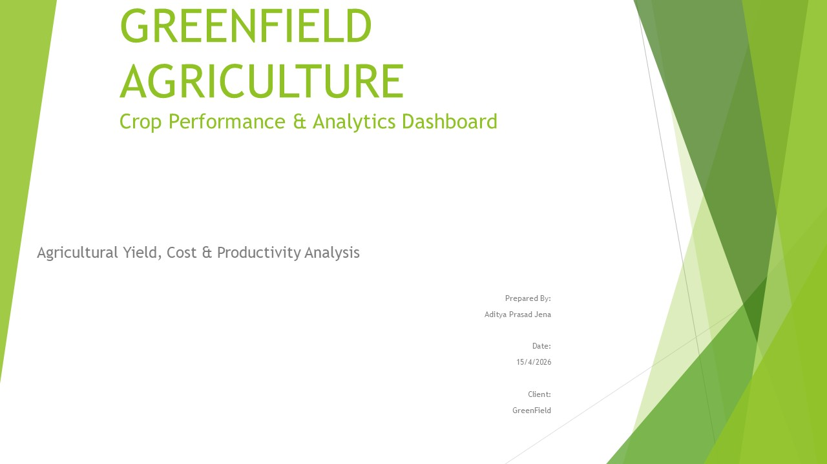

Executive Summary

GreenField Agriculture Performance & Analytics Dashboard

Best Crop
Groundnut
22.57 quintals/hectare
Top District
Kendrapada
Avg yield 22.22
quintals/hectare
Peak Season
Kharif
32.91 quintals/hectare
Best Soil
Black Soil
Avg yield 28..41
quintals/hectare

Key Findings:
• Kharif achieved the highest average yield at 32.91 quintals/hectare
• Kendrapara recorded the highest district-level average yield (22.22).
• Groundnut was the highest-yielding crop (22.57 quintals/hectare).
• Black soil delivered the best productivity and cost efficiency.
• High rainfall areas averaged 34.02 quintals/hectare, versus 11.98 under low rainfall.
• 2022 recorded the highest average annual yield (21.08 quintals/hectare).
• 74% of records (222/300) fall below 25 quintals/hectare, indicating substantial scope for productivity improvement.

Dashboard
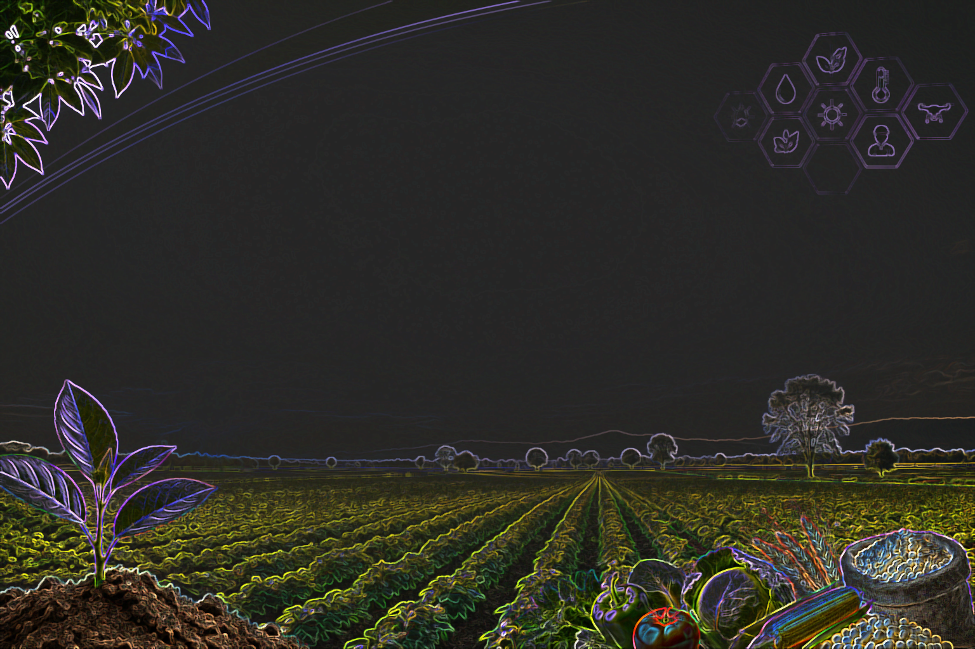

Crop Performance District-Cum-Seasonwise
 | Angul | Balasore | Bhadrak | Cuttack | Ganjam | Jajpur | Kendrapara | Khordha | Puri | Sambalpur
Cotton | 17.85 | 14.26 | 23.63 |  | 24.65 | 20.60 | 26.23 | 15.42 | 24.02 | 15.35
Groundnut | 35.23 | 16.77 | 21.14 | 34.05 | 10.05 | 26.10 | 21.87 | 26.60 | 15.20 | 5.60
Maize | 21.13 | 17.60 | 14.90 | 25.68 | 10.85 | 13.05 | 13.20 | 21.04 | 16.90 | 26.30
Pulses | 17.45 | 20.36 | 23.17 | 16.84 | 19.70 | 12.40 | 29.12 | 12.40 | 22.55 | 20.95
Rice | 8.35 | 15.70 | 18.20 | 17.96 | 17.70 | 28.48 | 26.40 | 27.20 | 13.52 | 20.00
Soybean | 14.70 | 15.60 | 25.43 | 45.85 | 17.00 | 15.53 | 23.07 | 27.75 | 25.87 | 20.15
Sugarcane | 25.83 | 33.65 | 18.02 | 10.57 | 20.45 | 11.34 | 13.80 | 16.23 | 26.84 | 34.80
Wheat | 20.32 | 39.60 | 23.63 | 20.45 | 19.26 | 19.85 | 11.55 | 6.70 | 14.30 | 13.93

Year-wise Season Trend
 | Kharif | Rabi | Zaid
2021 | 708.80 | 497.20 | 380.70
2022 | 1238.00 | 516.80 | 458.80
2023 | 1113.50 | 656.10 | 394.60

Irrigation Type Impact
 | Average of Yield_Quintal_per_Hectare | Count of Record_ID
Canal | 18.91 | 56
Drip | 18.20 | 79
Rainfed | 21.45 | 86
Sprinkler | 20.54 | 79

Rainfall Impact Analysis
 | Total
High(>900mm) | 2789.5
Low(<400mm) | 1438.1
Medium(400-900mm) | 1736.9

 | Total
Alluvial | 22.99
Black | 27.95
Laterite | 14.64
Red | 18.65
Sandy | 14.33

