Cover Page
Driftwood Investment Group
Table of Contents



The future is in our hands.

Table of Contents
Previous Page
Next Page

Table of Contents

About

Dashboard

Instructions

Work

About
Previous Page
Next Page

Table of Contents
About

LinkedIn:
@dtran421
Duke Tran
Class of 2023

Background
Extracurriculars
Work Experience
Interests

University: College of William & Mary
Class: 2023 (Junior)
Major: Computer Science
Minor: Finance
Alpha Kappa Psi
Association for Computing Machinery
Developer Student Club
Mason Investment Club
Alan B. Martin Entrepreneurship Center, Technology Program Coordinator
Agency 1693, Chief Financial Officer
NSF REU Site: HUMANS MOVE, Research and Software Intern
Whispearrings, Development Intern
Software Development/Engineering
Finance and Financial Analysis
Quantitative Analysis
AI and Machine Learning
Investment Banking

Dashboard
Previous Page
Next Page

Table of Contents
Dashboard

ROBLOX CORP
ROBLOX CORP (RBLX) 3 7/8 05/01/30
Comparables & Assessment

Background
Roblox Corporation provides entertainment products and services. The Company designs and develops a wide range of online videogames such as internet three-dimensional and tutorial games for kids, teens, and adults worldwide.
Z-Spread
Average of comparables' Z-spreads: 368
Bond's Z-spread: 274
Difference: -94
Outlook: Slightly overvalued, low default probability
Bond Description
Issuer: ROBLOX CORP (RBLX)
Price: 100.526
Coupon: 3.875
Maturity: 05/01/2030
Yield: 3.757
Par: 1,000.00 MM

Performance
Roblox's growth may cool as the global economy reopens with the shift away from summer gaming and towards the return to in-person education, which hampered the average hours of engagement per daily active user and bookings per user. Roblox's average hours of engagement per daily active user (DAU) growth slowed to 13.5% in 1Q from 21.2% in 2020 and down from peak growth of 35.6% in 2Q20, as social distancing measures began to ease. Average hours of engagement per DAU slipped further in April 2021 from 1Q21 levels and growth may remain under pressure as reopenings continue.
Roblox can at least meet consensus expectations for about 40% net bookings (spending by users) growth in 2021, fueled by continued strong user gains and modest expansion in average bookings per user, aided in part by rising uptake of subscriptions.
Roblox is leading the way in capturing the emerging opportunity of bringing live events into virtual 3D spaces, dubbed the Metaverse, a market which has the potential to reach $800 billion by 2024. Brand partnerships and live events such as concerts are near-term growth drivers while longer-term opportunities exist in virtual education and enterprise-collaboration software.
Roblox's integrated development, user-generated content and social platform positions it to capture a big slice of the emerging Metaverse market opportunity, given the company's early entry and scale advantages. Roblox appears ahead of competitors within this market with their 3D platforms spanning infrastructure and design software, user-generated content, social features and ability to host live events.

Credit Comparable
Average of comparables' price-to-book ratio: 8.3
Company's price-to-book ratio: 73.6
Difference: 65.3
Outlook: Overvalued
Credit Ratings
Moody's: Ba2
Standard & Poor's: BB
Outlook: Stable, non-investment grade, speculative

Liquidity
Average bid-ask spread (given available data): -0.971
Outlook: Fairly liquid, fairly active trade history within the last 15 days
Company Credit Ratings
Moody's: Ba2
Standard & Poor's: BB
Outlook: Stable, non-investment grade, speculative

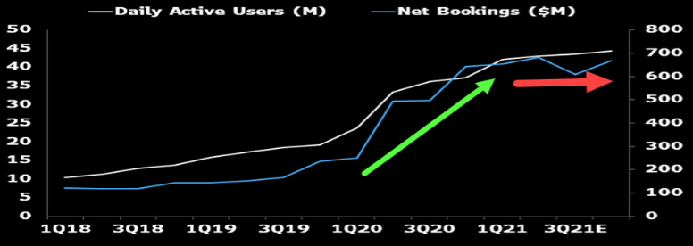

Default Risk
1-year default probability: 0.0093%
Assessment
Overall, this bond seems like a very viable investment. Roblox is showing lots of potential for future growth and their capital structure is well structured. Both the company and the bond have stable credit outlooks and very low default probability within the next year. Despite the bond's slight overvaluation concerning its Z-spread, the low default probability is a strong advantage of this offering. Moreover, given the fair liquidity of this bond shown through its relatively low bid-ask spread and its active trading history, this bond could be acquired without extensive difficulty in finding a fitting price and/or willing seller.

Recommendation
If not currently possessing this bond, slight BUY recommendation depending on portfolio needs and offering availability.
If bond currently in possession, strong HOLD recommendation.

Capital Structure
Market cap: 62,271.14 MM
Total outstanding debt: 1 Senior Unsecured Bond, ROBLOX CORP (RBLX) 3 7/8 05/01/30
Notes: Nothing of concern, recent IPO in March 2020, lots of room for growth, debt is small relative to market cap (debt-to-equity ratio of 0.016)

Outlook
Roblox is well placed to maintain a leading position in the emerging Metaverse market, fueled by early entry advantage and scale, technological investments, and international growth. Sales growth and profitability could at least meet or potentially exceed consensus expectations over the next few years, even as competition increases from rival game makers, social networks, and others.

Instructions
Previous Page
Next Page

Table of Contents
Instructions

Individual assignment worth 200 points. Email your Word/pdf report to: vladimir.atanasov@mason.wm.edu by 11:59 p.m. on Monday, Nov 15. Please name your submission file HW4_LastnameFirstname.docx (.pdf), where Lastname and Firstname are your names.

Using the various Bloomberg functions covered in class and any other resources, develop a research report for a bond with below-investment grade rating.
Find a bond with rating BB (Ba) or worse using Bloomberg’s SRCH function or you can look up newly issued bonds using NIM
Provide a brief description of the issuer
Business
Current performance
Capital structure (CAST, DDIS)
Outlook
Analyze the current and historical credit ratings
CRPR
Discuss Bloomberg’s credit risk model DRSK
Compare the bond spread to CDS
CRVD
Compare the bond to similar bonds
CCA
COMB
Analyze trading and liquidity
TDH
ALLQ
Issue a Buy/Hold/Sell recommendation

Work
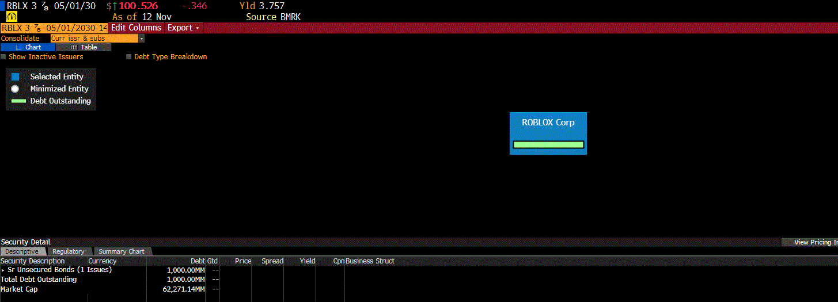
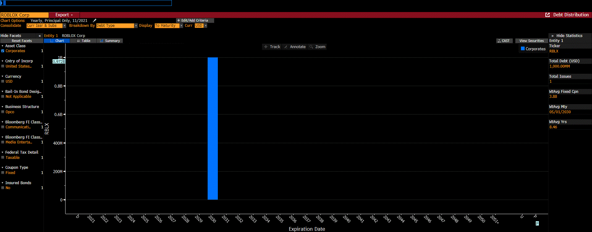
Previous Page

Table of Contents
Work

