UTM zone map
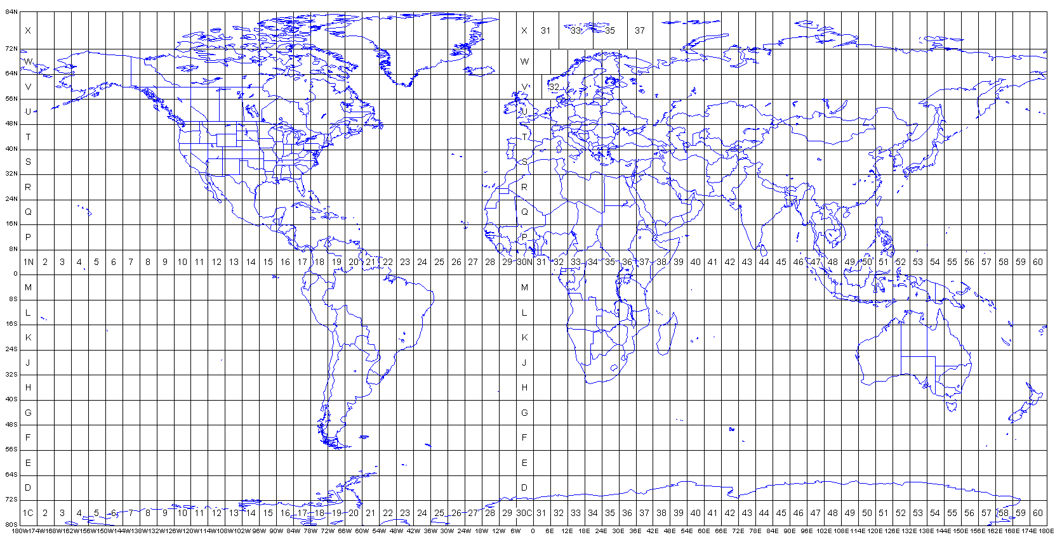

Source: http://www.dmap.co.uk/utmworld.htm

