Análise winequality-red
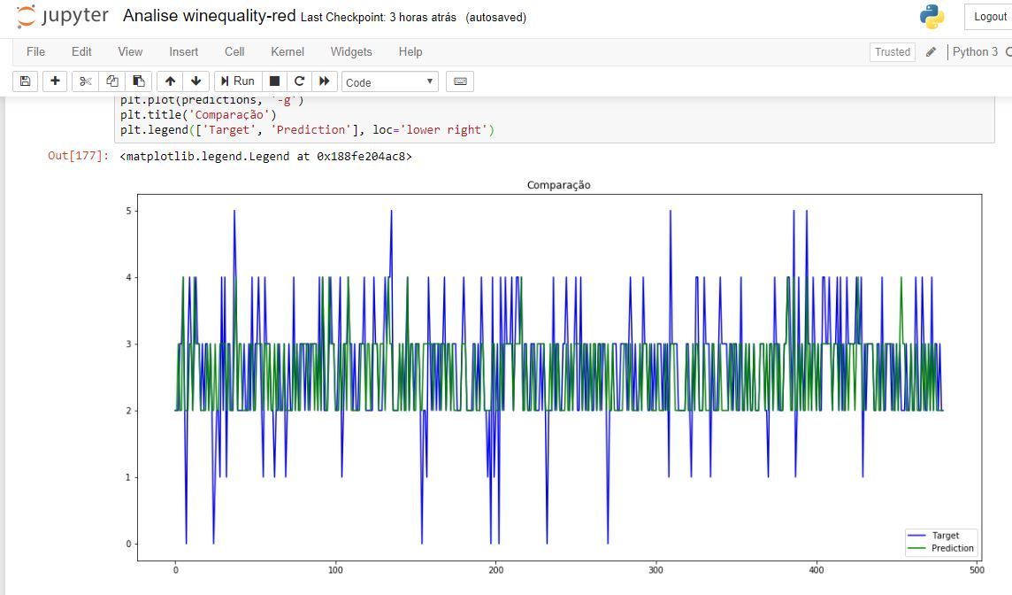
1 - Print SciLab
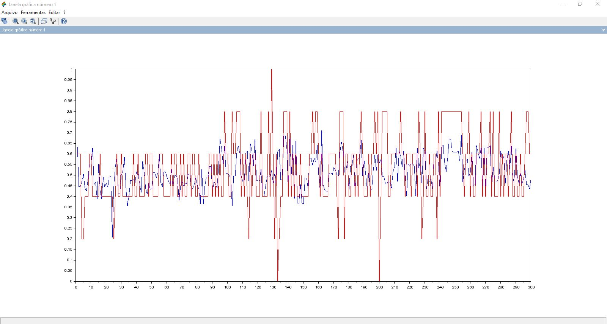

2 - Print Easy-NN

3 - Print Python SkLearn

Análise winequality-white
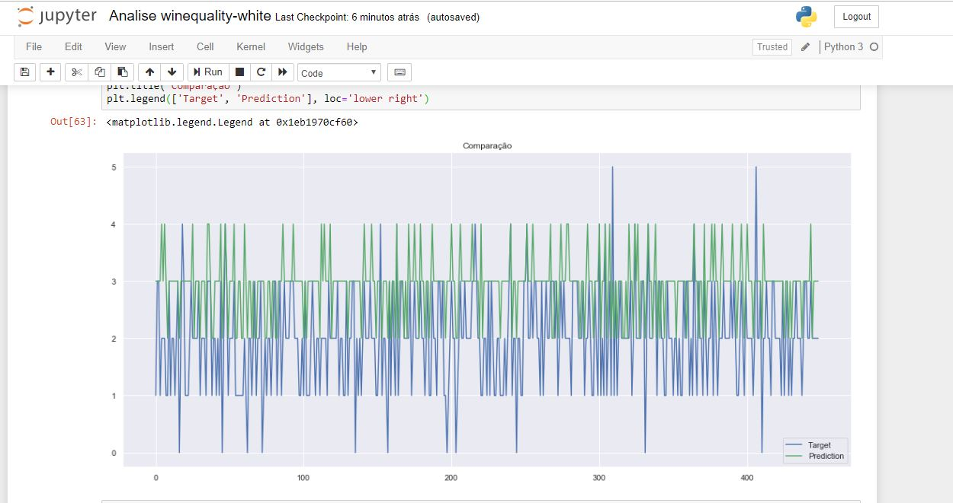
1 - Print SciLab

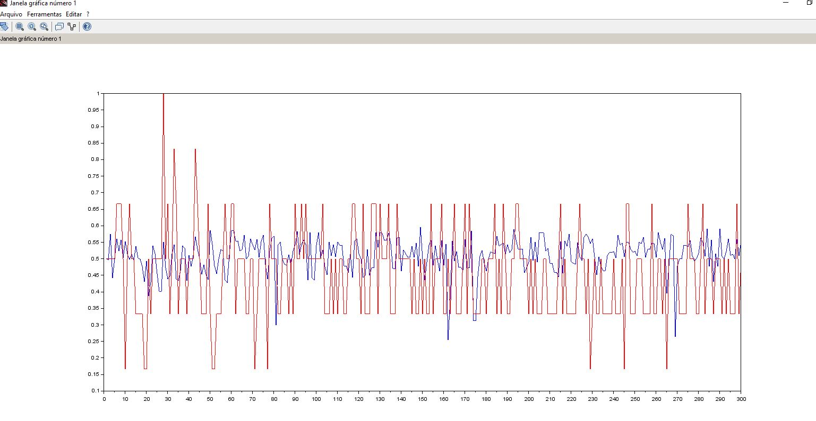

2 - Print Easy-NN

3 - Print Python SkLearn

Análise Wisconsin
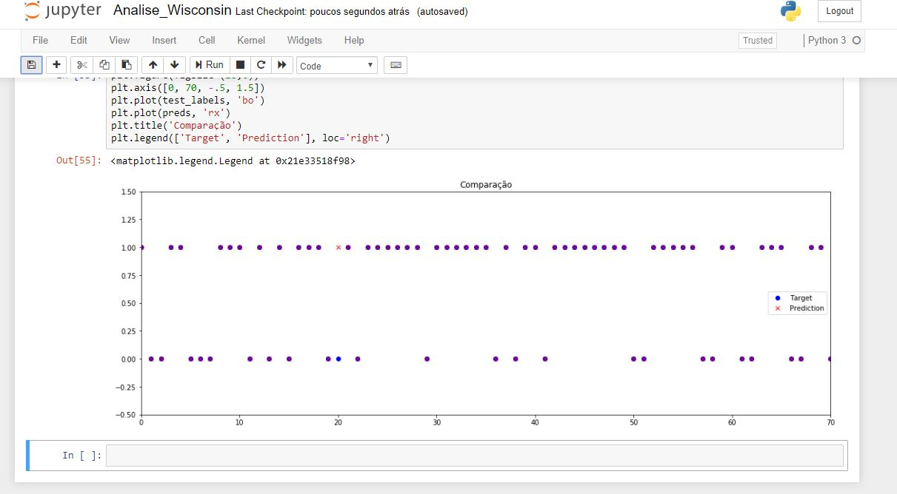
1 - Print SciLab
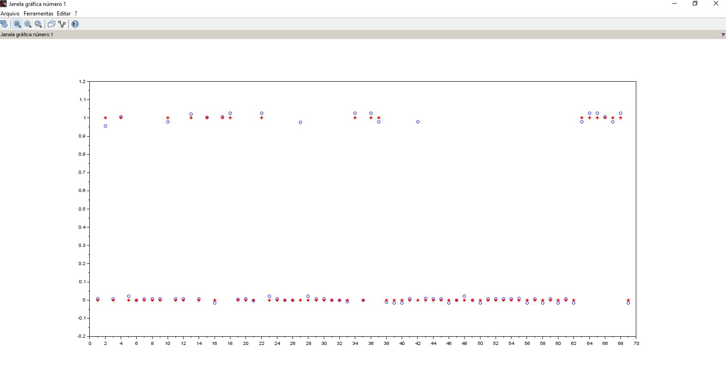

3 - Print Python SkLearn

