Sheet1
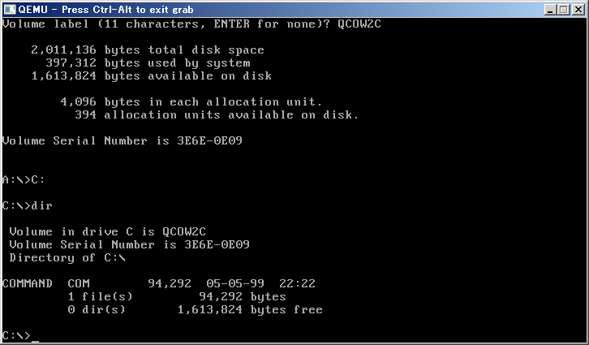
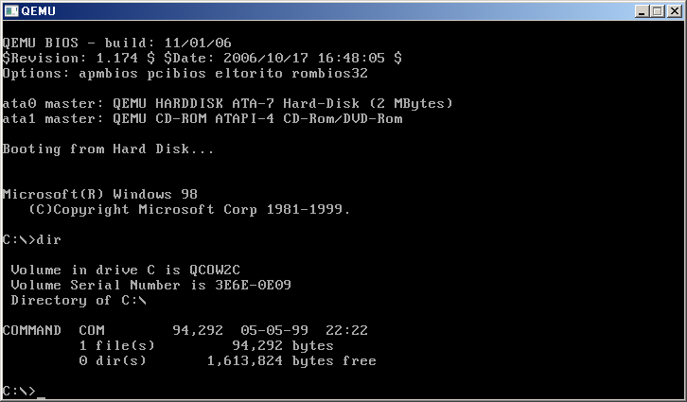
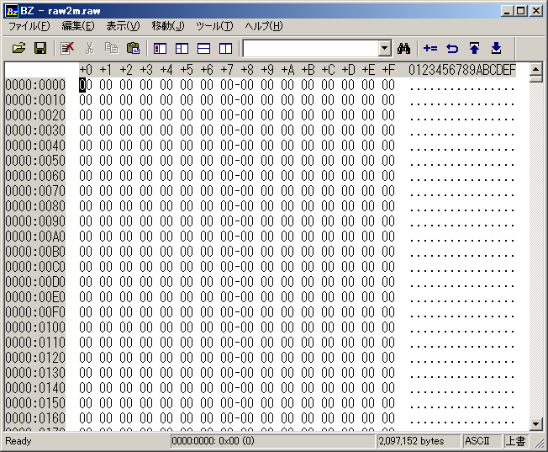
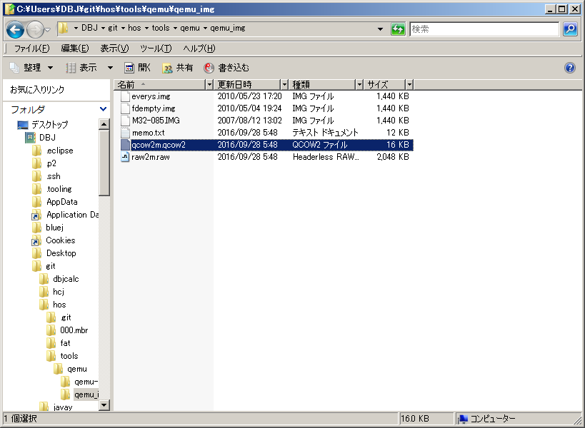

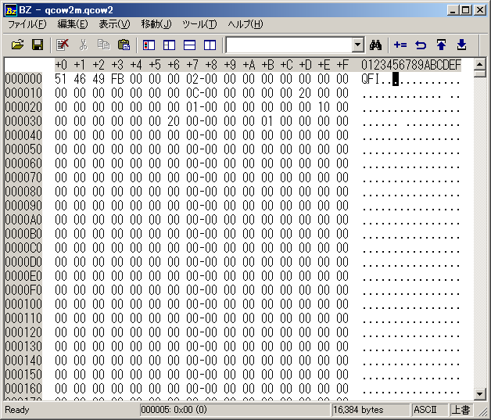

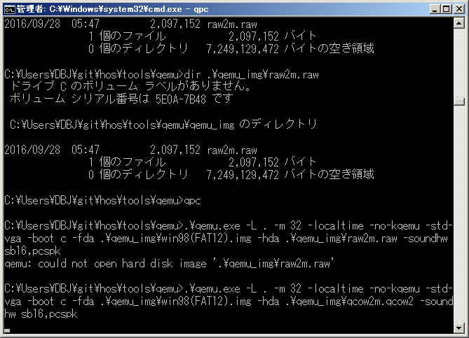

had不支持raw

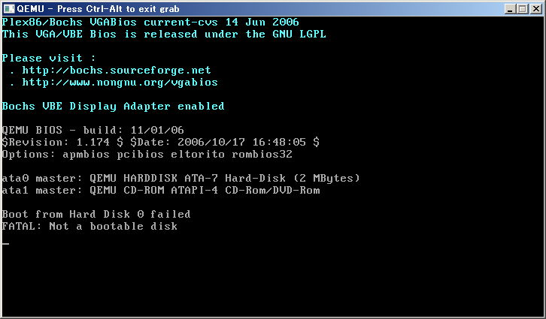

没有分区
FDISK

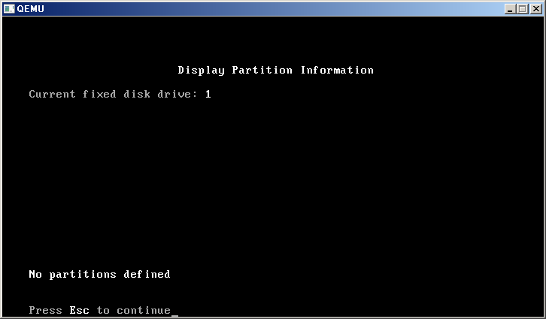

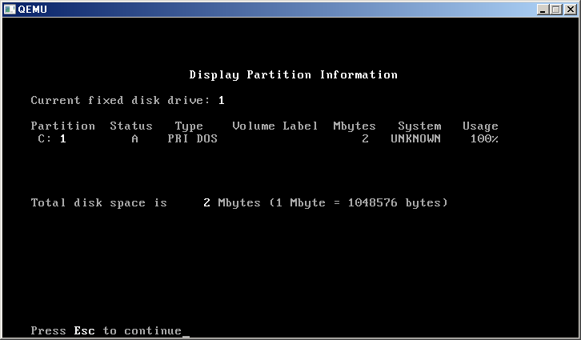

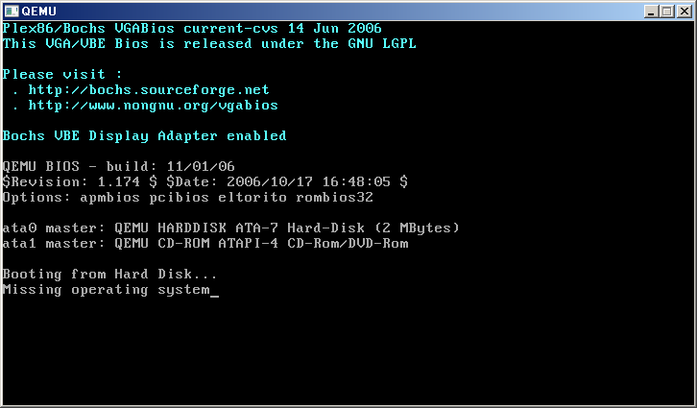

分区后没有格式化
format

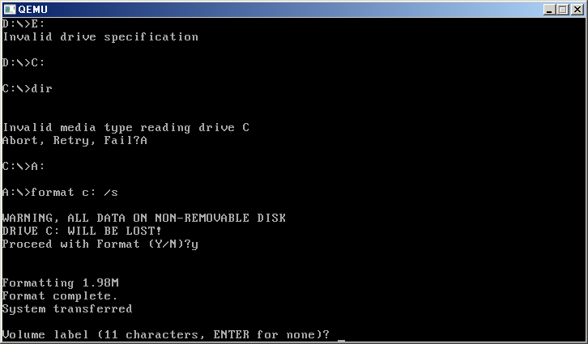

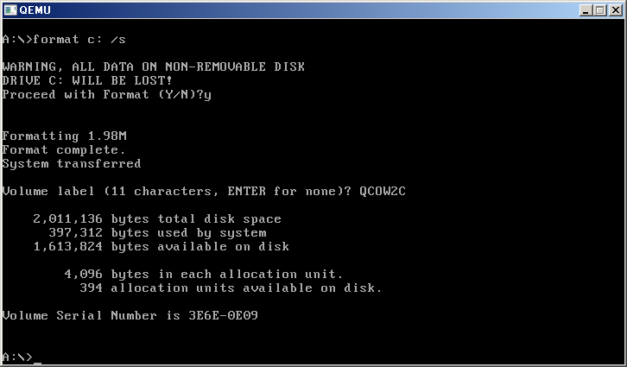

 |  |  |  |  | 0-62
 |  |  |  |  | 63+3969
 |  |  |  |  | 496.125

 |  |  | 字节
 | 1.98 | 1048576 | 2076180.48 |  | 4032
 | 9.5367422104 | 1048576 | 9999999 |  | 扇区
大小2M | 2 | 1048576 | 2097152 |  | 4096
 |  |  | 2011136 | 86016 | 168
 |  |  | 397312 |  | 776
 |  |  | 1613824
 | 394 | 4096 | 1613824 |  | 8
 |  | 1000

