Sheet1
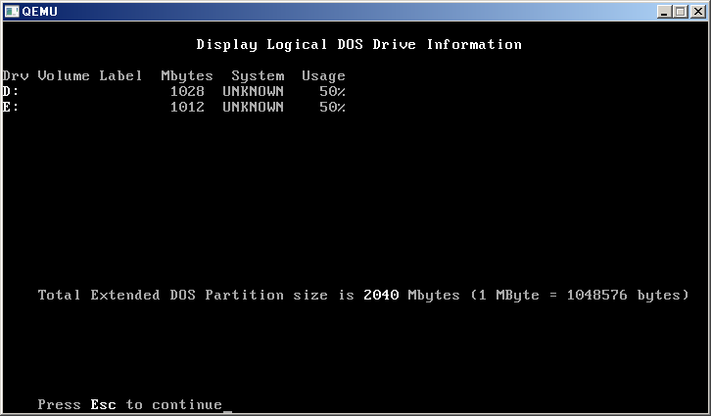
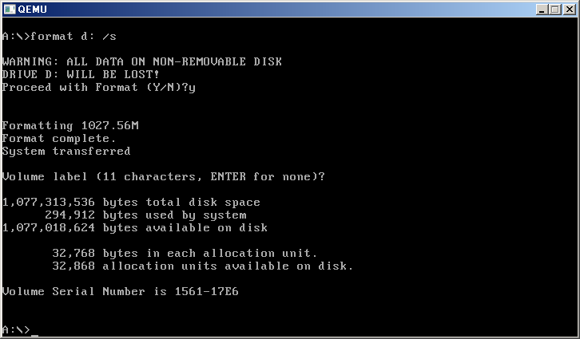
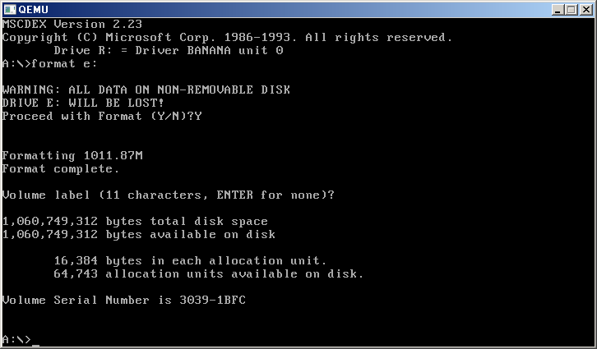
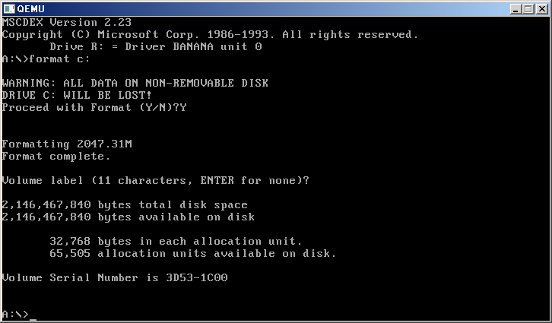
扇区号 | 簇 | 簇索引 |  | L1 | L2 |  |  | 簇偏移 | L1 |  | L2 |  | 镜像地址 |  | 簇 |  | 簇内偏移
63 | 7.875 | 7 | 0.013671875 | 0 | 7 | 0.875 | 3584 | E00 | 28672 | 7000 | 32768 | 8000 | 36352 | 8E00 | 8.875 | 8 | 3584 | E00
4192965 | 524120.625 | 524120 | 1023.671875 | 1023 | 344 | 0.625 | 2560 | A00 | 1134592 | 115000 | 1138688 | 116000 | 1141248 | 116A00 | 278.625 | 278 | 2560 | A00
4193028 | 524128.5 | 524128 | 1023.6875 | 1023 | 352 | 0.5 | 2048 | 800 | 1134592 | 115000 | 1142784 | 117000 | 1144832 | 117800 | 279.5 | 279 | 2048 | 800
6297480 | 787185 | 787185 | 1537.4707031 | 1537 | 241 | 0 | 0 | 0 | 1699840 | 19F000 | 1974272 | 1E2000 | 1974272 | 1E2000 | 482 | 482 | 0 | 0

 |  |  | 512
 |  |  | 512

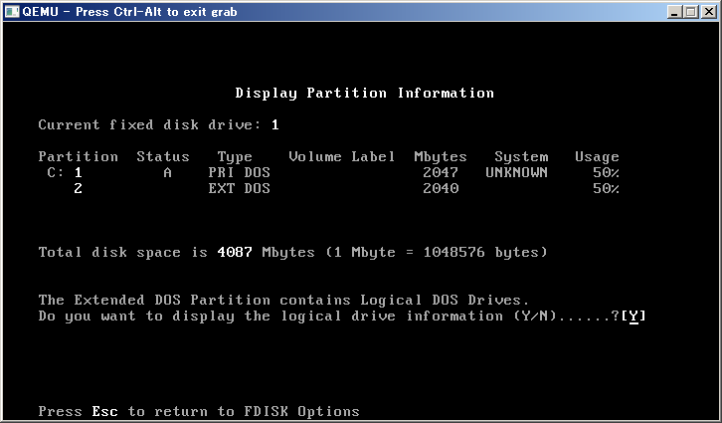

 |  |  |  |  |  |  |  |  |  |  |  |  |  |  |  |  |  |  |  |  | 2146435072 | 363008
 |  |  |  |  |  |  |  |  |  |  |  |  |  |  |  |  |  |  |  |  | 685568 | 1339
 |  |  |  |  |  |  |  |  |  |  |  |  | 4087 | H C S T H C S |  | 63 |  |  |  |  | 2147483648
 |  |  |  |  |  |  |  |  |  |  | 114000 | 1130496 | 2047 | 80 01 01 00 06 FE 7F 04 3F 00 00 00 86 FA 3F 00 | 3FFA86 | 4192902 |  | 2047.3461914 | 4192965 |  | 2146798080
 |  |  |  |  |  |  |  |  |  |  |  |  | 2040 | 00 00 41 05 05 FE BF 08 C5 FA 3F 00 04 BC 3F 00 | 3FBC04 | 4176900 | 63 | 2039.5019531
 |  |  |  |  |  |  |  |  |  |  | 116A00 | 1141248 | 1028 | 00 01 41 05 06 FE 7F 87 3F 00 00 00 84 1C 20 00 | 201C84 | 2104452 |  | 1027.5952148 | 6297480 | 63
 |  |  |  |  |  |  |  |  |  |  |  |  |  | 00 00 41 88 05 FE BF 08 C3 1C 20 00 41 9F 1F 00 | 1F9F41 | 2072385 | 63 | 1011.9067383
 |  |  |  |  |  |  |  |  |  |  | 1E2000 | 1974272 | 1012 | 00 01 41 88 06 FE BF 08 3F 00 00 00 02 9F 1F 00 | 1F9F02 | 2072322 |  | 1011.9067383 | 8369802 | 63

 |  |  |  |  |  |  |  |  |  |  |  |  |  |  | 3FFAC5 | 4192965
 |  |  |  |  |  |  |  |  |  |  |  |  |  |  | 201CC3 | 2104515

 |  |  |  |  |  |  |  |  |  |  |  |  |  |  | H | 256 |  | 0-FF
 |  |  |  |  |  |  |  |  |  |  |  |  |  |  | C | 1024
 |  |  |  |  |  |  |  |  |  |  |  |  |  |  | S | 64 | 40 | 0-63
 |  |  |  |  |  |  |  |  |  |  |  |  |  |  |  | 8589934592 | B
 |  |  |  |  |  |  |  |  |  |  |  |  |  |  |  | 8388608 | K
 |  |  |  |  |  |  |  |  |  |  |  |  |  |  |  | 8192 | M
 |  |  |  |  |  |  |  |  |  |  |  |  |  |  |  | 8 | G

