Sheet2
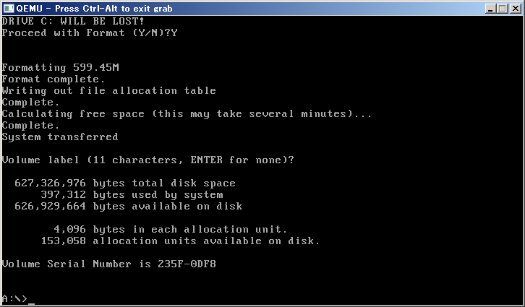
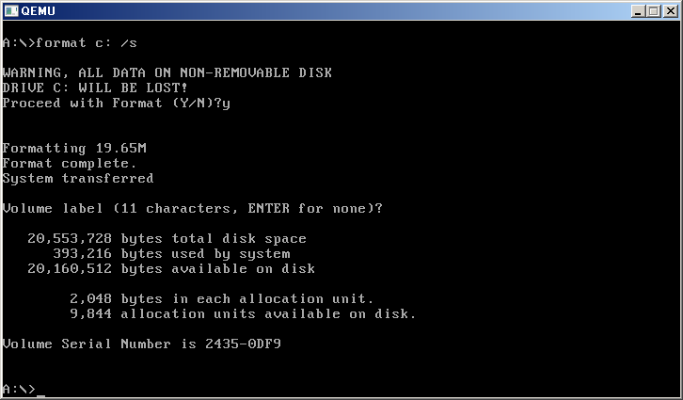
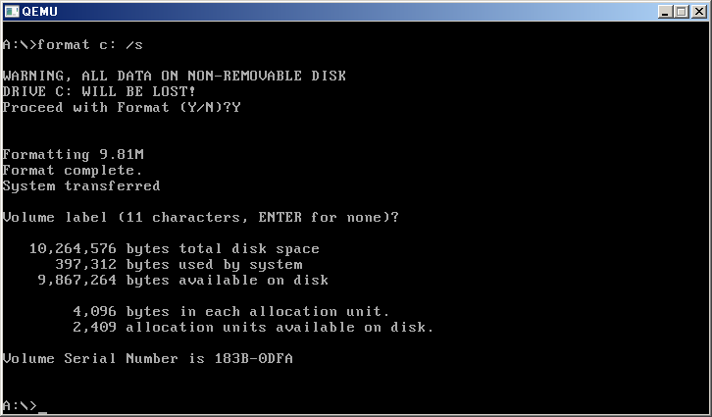
..\qemu-img create -f qcow2 qcow2_10m.qcow2 10M
Formating 'qcow2_10m.qcow2', fmt=qcow2, size=10240 kB

..\qemu-img create -f qcow2 qcow2_20m.qcow2 20M
Formating 'qcow2_20m.qcow2', fmt=qcow2, size=20480 kB

..\qemu-img create -f qcow2 qcow2_600m.qcow2 600M
Formating 'qcow2_600m.qcow2', fmt=qcow2, size=614400 kB

