Sheet1
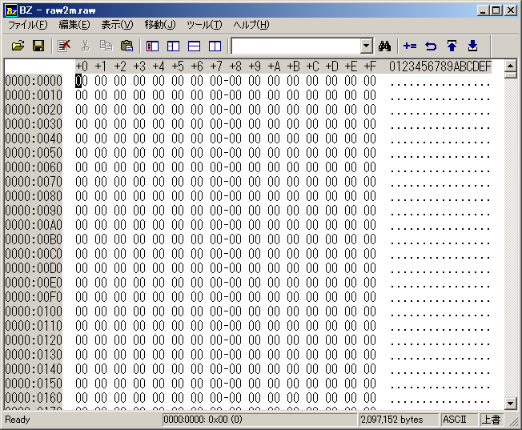
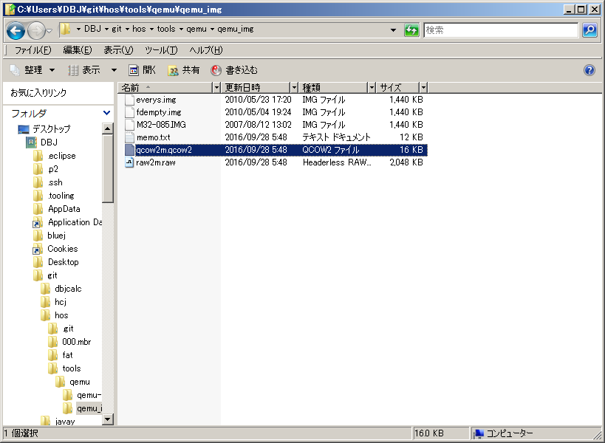

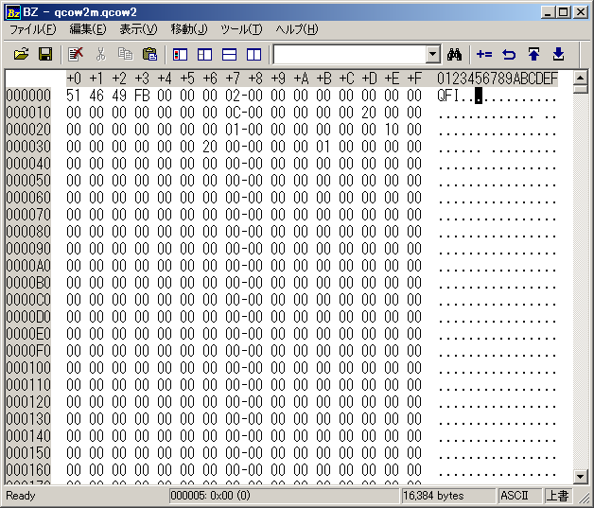

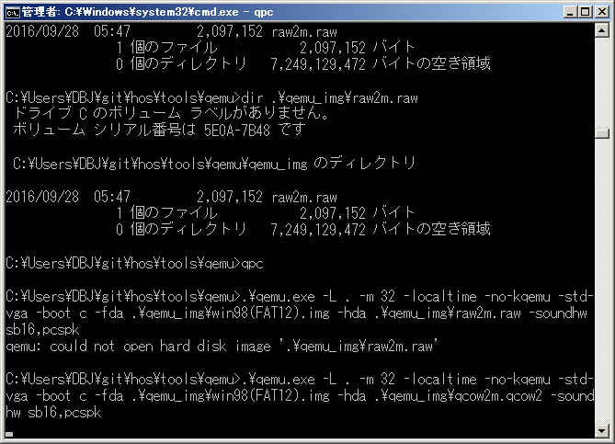

 | had不支持raw

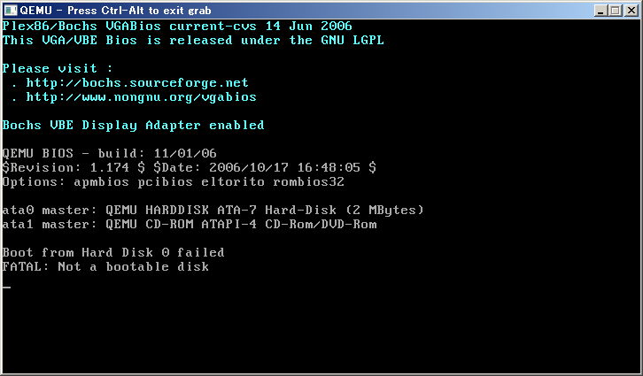

 | 没有分区
 | FDISK

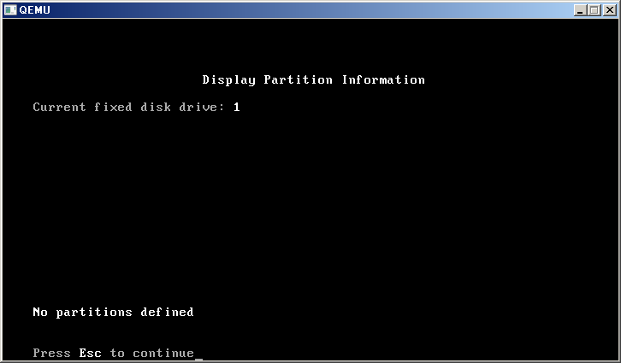

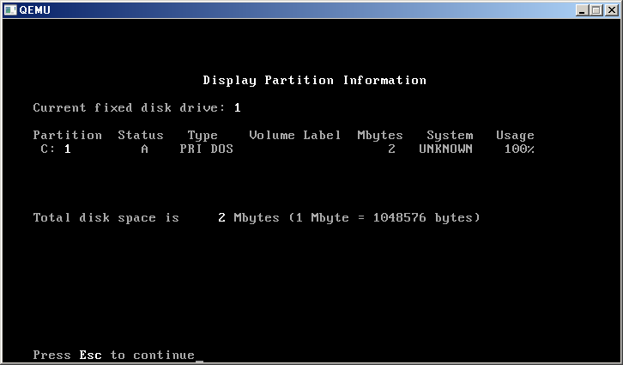

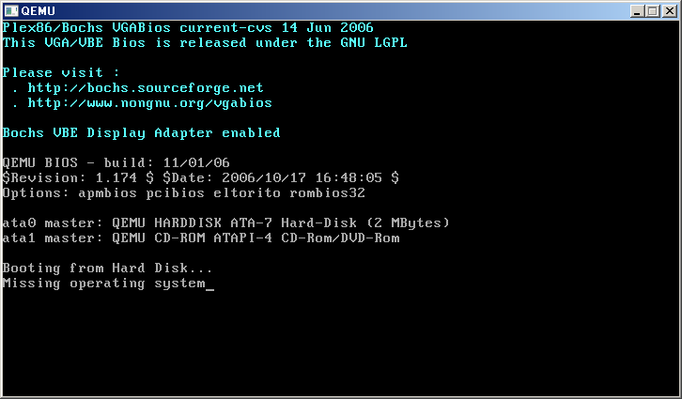

 | 分区后没有格式化
 | format

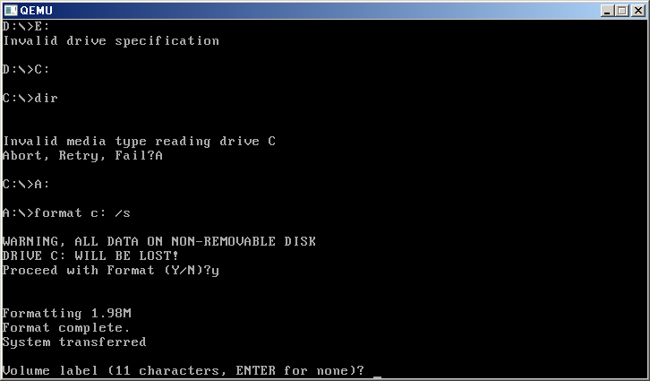

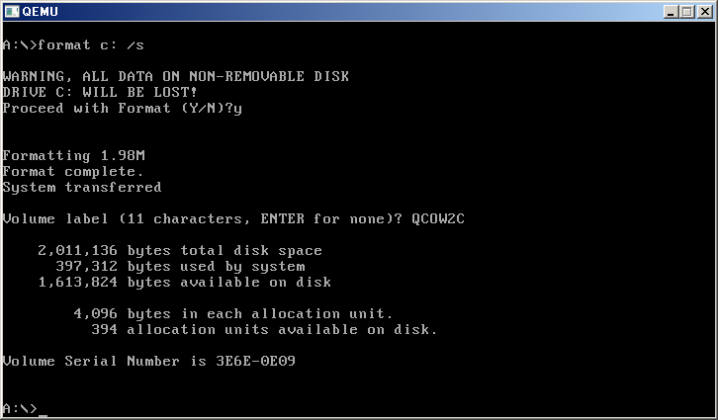

 |  |  |  |  |  | 0-62
 |  |  |  |  |  | 63+3969
 |  |  |  |  |  | 496.125

 |  |  |  | 字节
 |  | 1.98 | 1048576 | 2076180.48 |  | 4032
 |  | 9.5367422104 | 1048576 | 9999999 |  | 扇区
 | 大小2M | 2 | 1048576 | 2097152 |  | 4096
 |  |  |  | 2011136 | 86016 | 168
 |  |  |  | 397312 |  | 776
 |  |  |  | 1613824
 |  | 394 | 4096 | 1613824 |  | 8
 |  |  | 1000

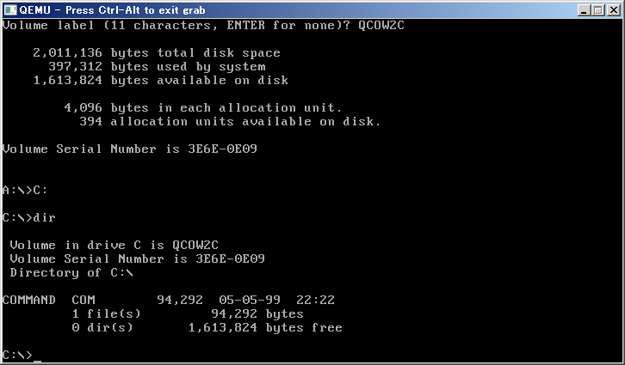

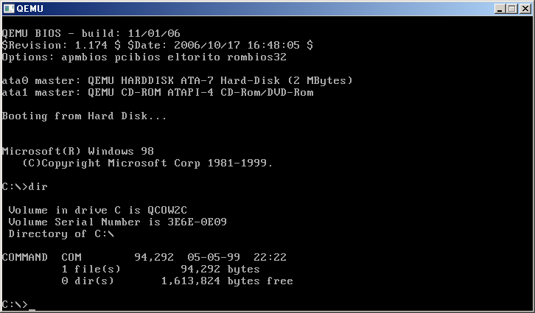

C:\qemu\qemu0.15.1>C:\qemu\qemu0.15.1\qemu-img create -f qcow2 qcow2_4g_1k.qcow2
4194305K
Formatting 'qcow2_4g_1k.qcow2', fmt=qcow2 size=4294968320 encryption=off cluster
_size=65536

C:\qemu\qemu0.15.1>

C:\qemu\qemu0.15.1>C:\qemu\qemu0.15.1\qemu-img create -f qcow2 qcow2_4g.qcow2 4G

Formatting 'qcow2_4g.qcow2', fmt=qcow2 size=4294967296 encryption=off cluster_si
ze=65536

C:\qemu\qemu0.15.1>

