Sheet1
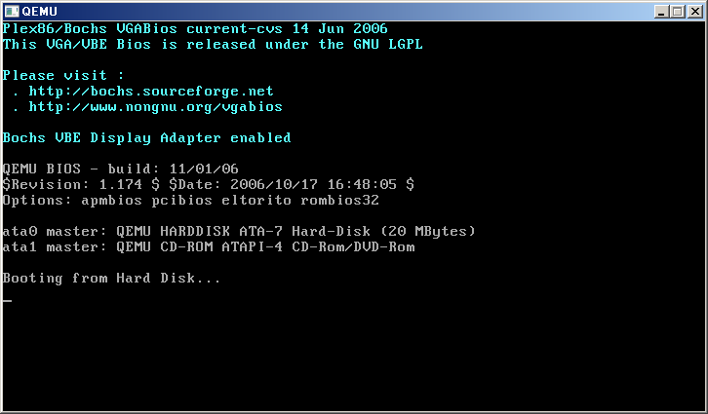

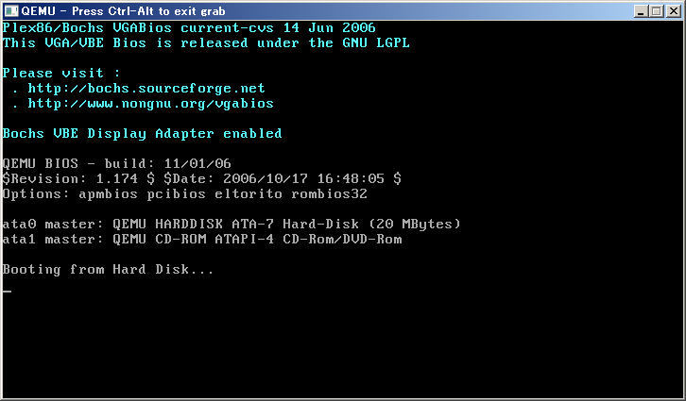

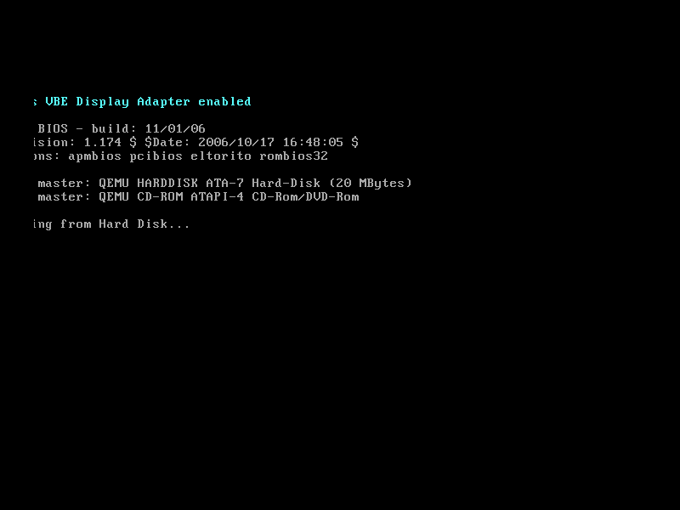

Sheet2
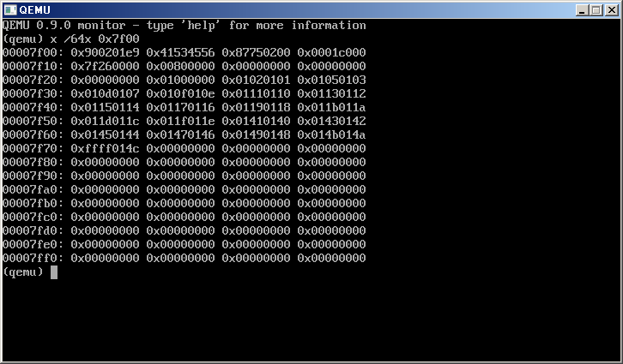

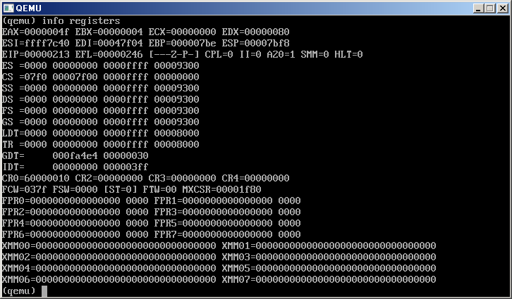

ORG 0x7F00
JMP VBE_START
NOP
vbei_signature DD 00H
vbei_version DW 00H
vbei_oem DD 00H
vbei_capabilities DD 00H
vbei_video_modes DD 00H
vbei_video_memory DW 00H
vbei_software_rev DW 00H
vbei_vendor DD 00H
vbei_product_name DD 00H
vbei_product_rev DD 00H
vbei_reserved TIMES 222 DB 00H
vbei_oem_data TIMES 256 DB 00H

VBE_START:
XOR AX, AX
MOV ES, AX
MOV DI, 7F04H
MOV AX, 4F00H
INT 10H
CMP AX, 004FH

FIN:
JMP FIN

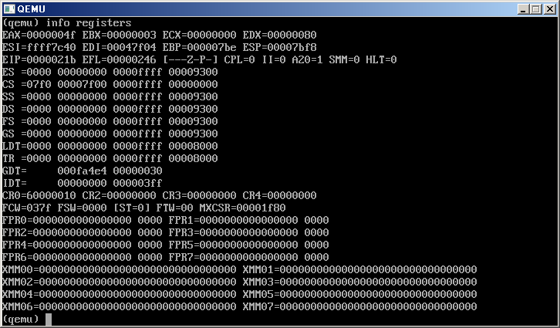

3

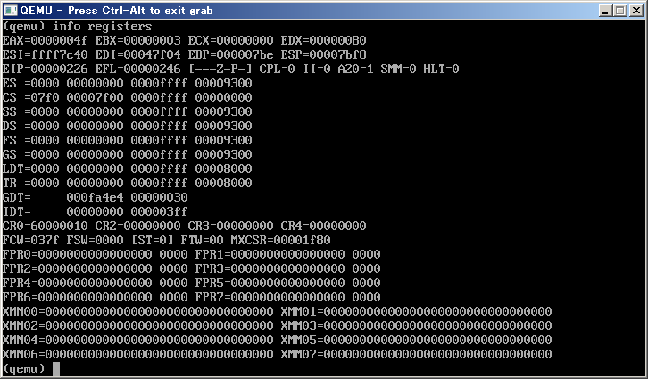

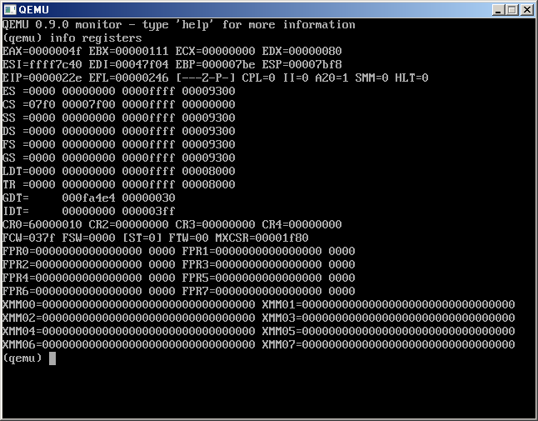



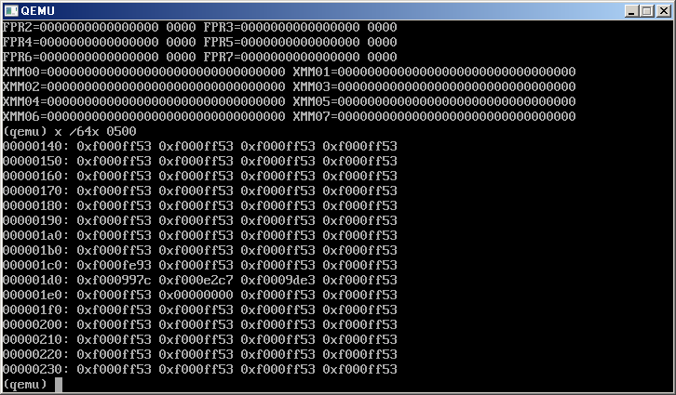

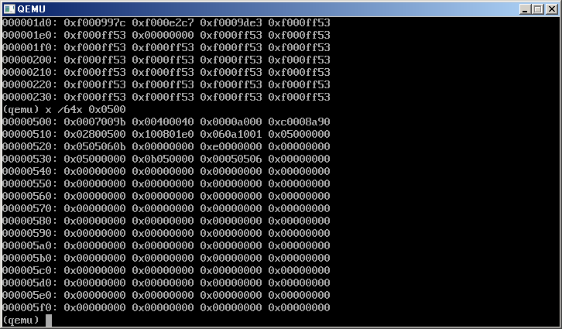

 | 65536

 | 280 | 640
 | 1e0 | 480

