Sheet1
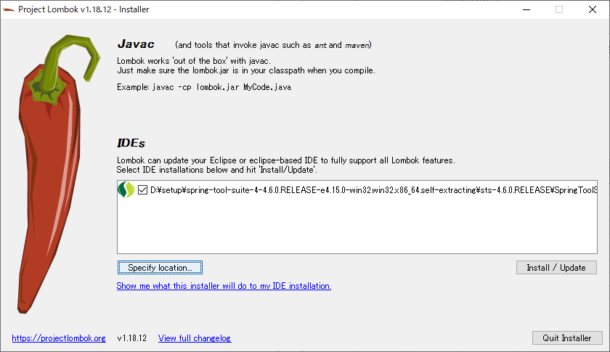
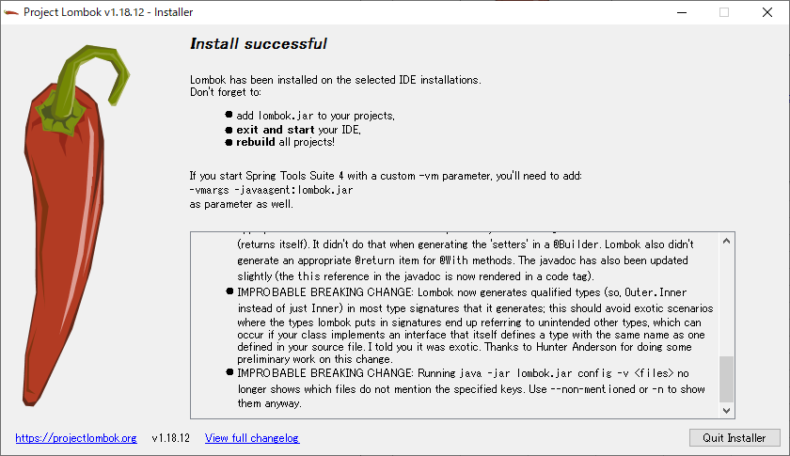
D:\setup\spring-tool-suite-4-4.6.0.RELEASE-e4.15.0-win32.win32.x86_64.self-extracting\sts-4.6.0.RELEASE\

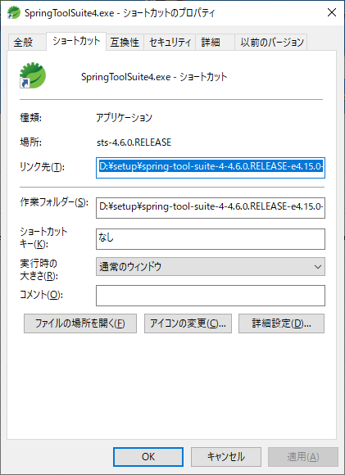

Download 1.18.12
https://projectlombok.org/downloads/lombok.jar
java -jar lombok.jar

