Cover
 | 

HARA of RHP
Proposed by DJI
Version: V 1.1
Only for exida review

DJI Confidential
25-May-2020

Evaluation Rule
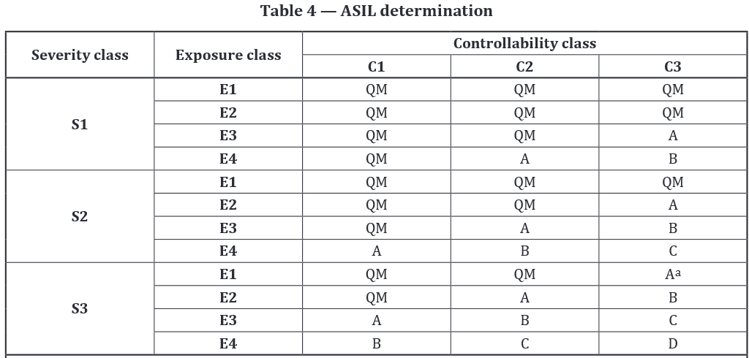
Annex：Evaluation rule of S/E/C and ASIL

The content of this page is from ISO26262-Part3(2018)

