FP.Rubric
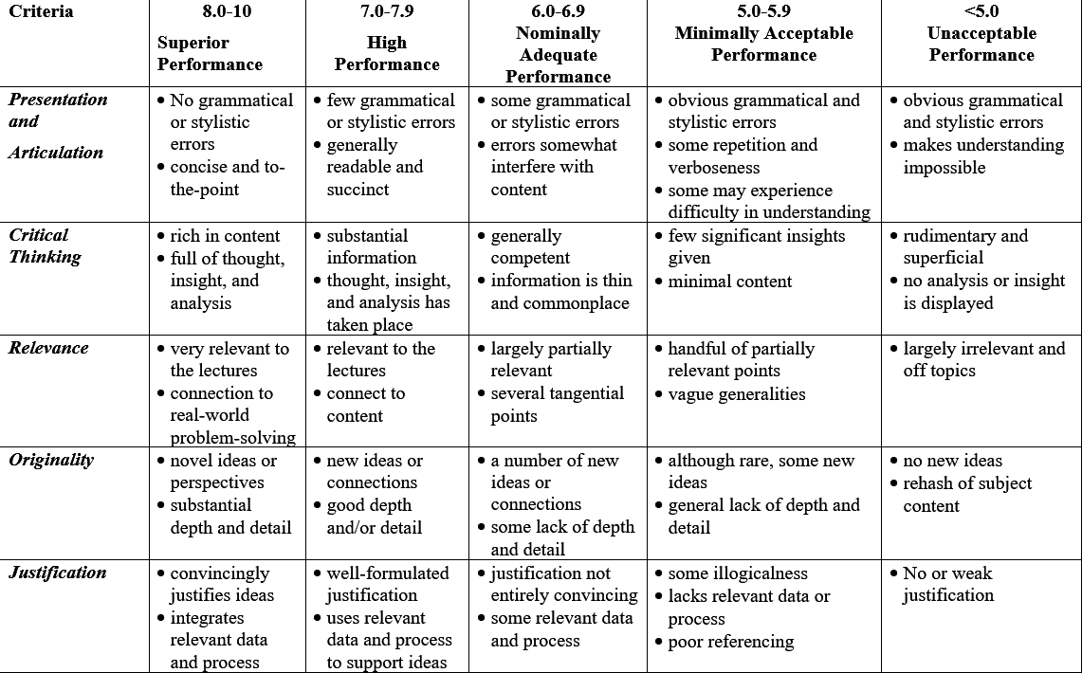
Each item of report will be based-on the given table criteria to assess.

