Flow booking
Step 1 | Login to docs
 | URL: | http://docs.setacinq.com.vn
 | Account: | member's account (use account when connect share server)

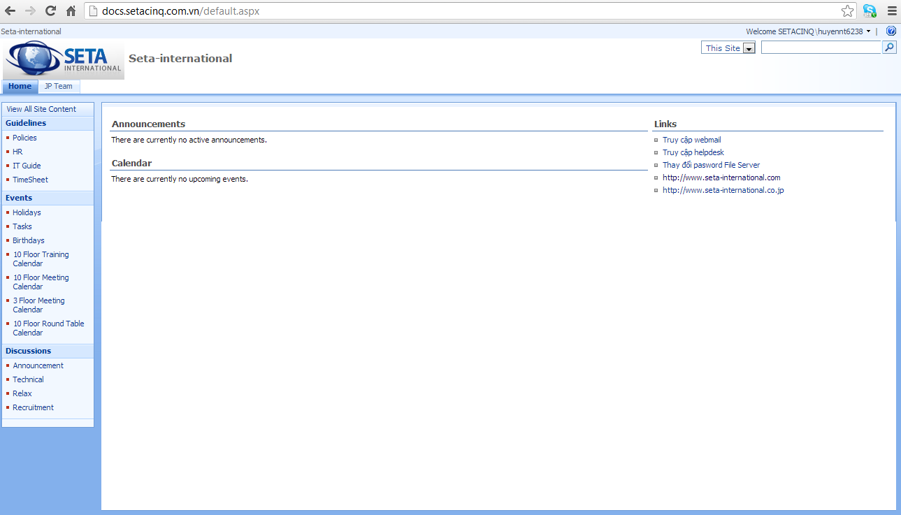

Floor Meeting room list:
+3 floor: 1 room
+10 floor:
・1 training room
・1 meeting room
・1 round table

Step 2 | Booking meeting room
 | Click the room you want to book
 | Select the day you want to book
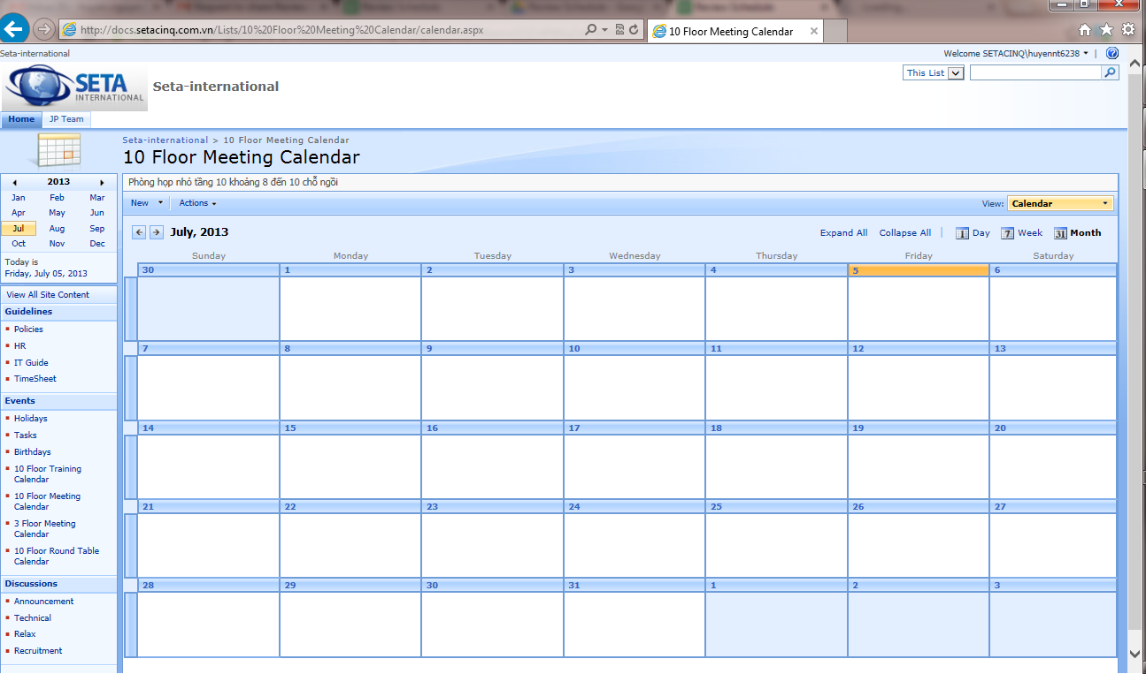

 | Booking time: Click to [New] button
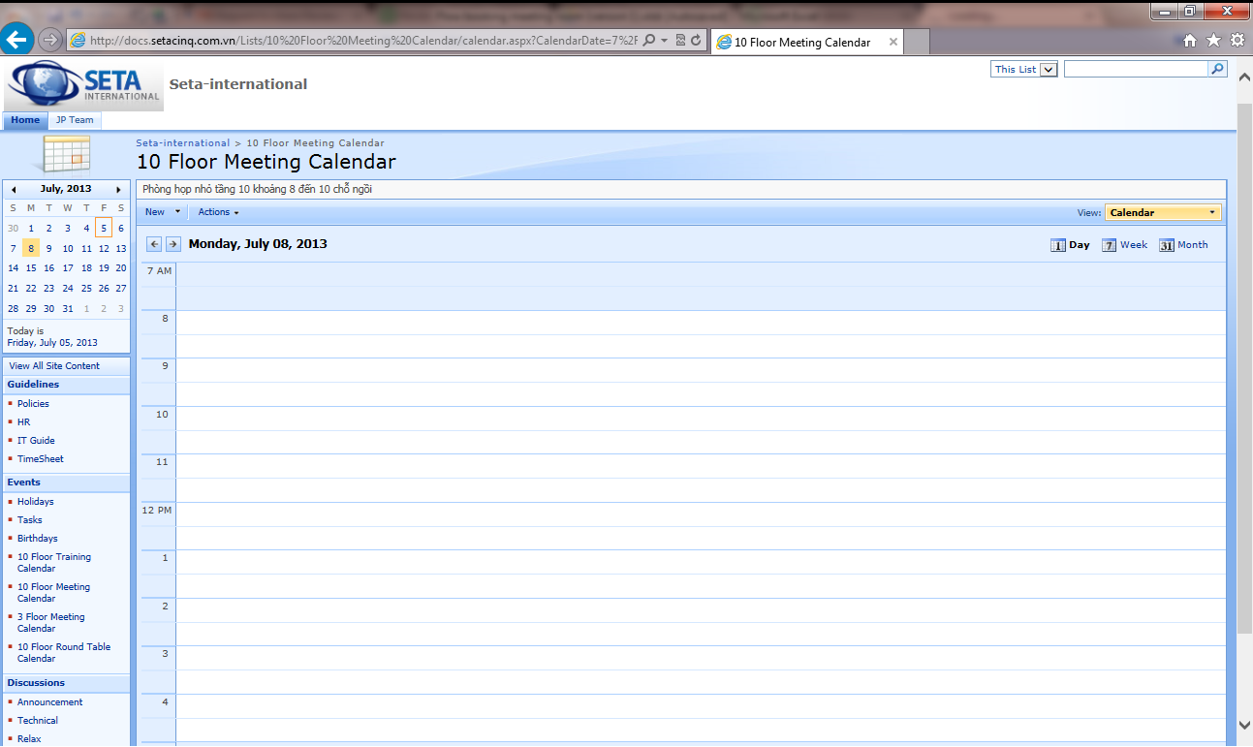

 | Booking time: Fill meeting time
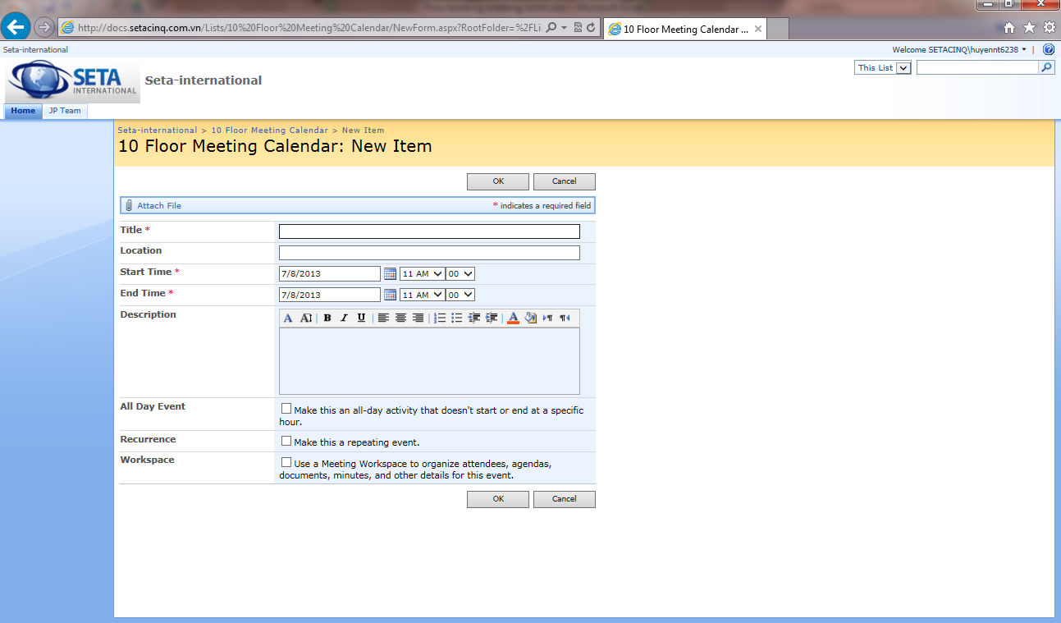

 | Booking done
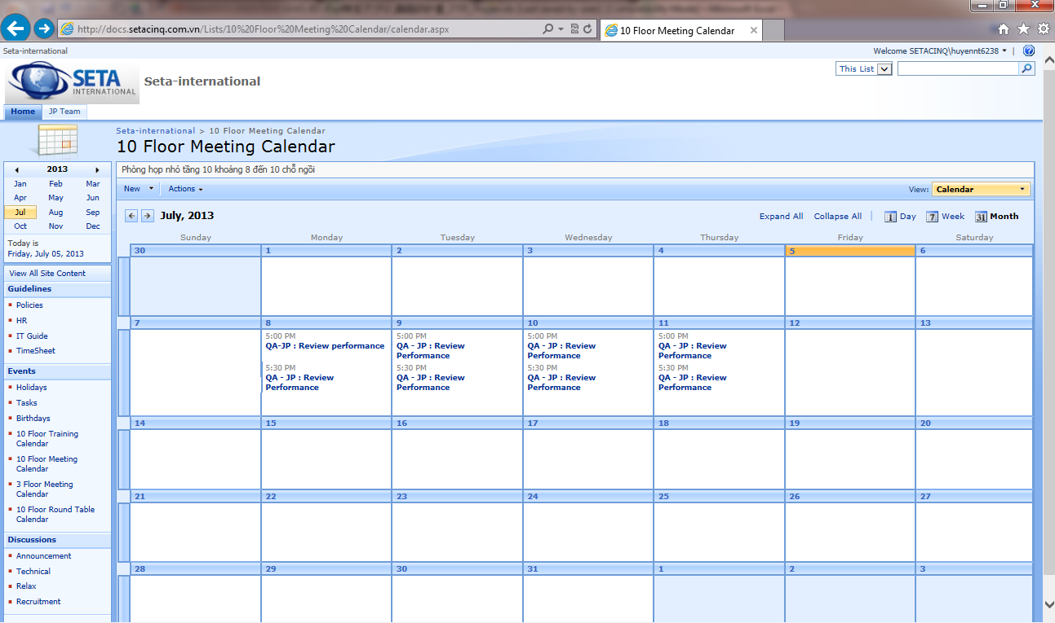

 | View Booking detail
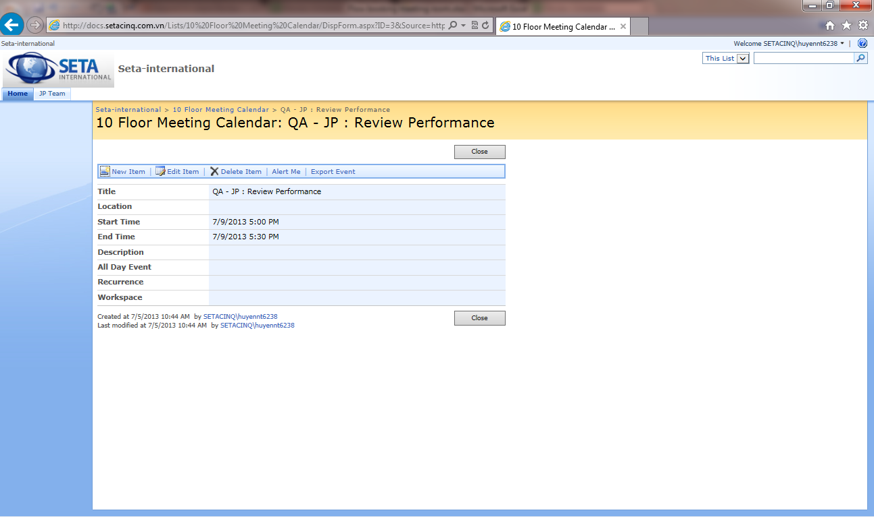

Booking user account name

 | RULE: | First booking first using

