Rumei
WENZHOU RUMEI ELECTRIC APPLIANCES CO.,LTD. Add: ketu Pioneer Zone,Kunyang Town, Pingyang,Zhejiang,China. Tel:+86 13868540197 https://wzrumei.en.alibaba.com/ |  |  |  |  |  |  |  |  |  | QUOTATION

Supplier Contact info. |  |  | Customer Contact info. |  |  |  |  |  | Quote No.:
Contact : | Jimmy Jin |  | Contact:
E-mail: | sales01@cnrumei.com |  | E-mail: |  |  |  |  |  | Quote Date:
Phone / wechat / Whatsapp : |  | +86 13868540197 | Country: |  |  |  |  |  | Validity Date:

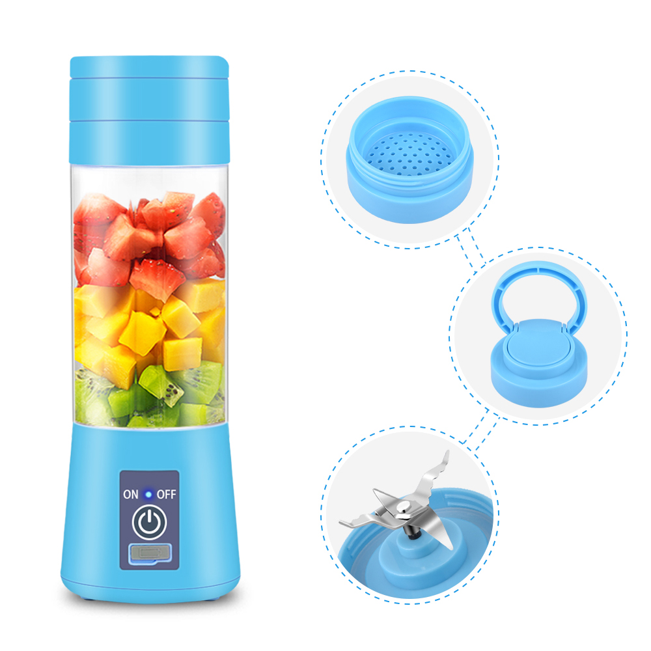 |  |  | Item Name |  | Model No. |  | Material | Color | Power Source | MOQ
 |  |  | Portable Usb Juicer Blender |  | W510 |  | ABS | Blue/Green/Pink/Purple | USB | 10000 pcs

 |  |  | Accessories |  | Specifications |  |  |  | Certificates | HS Code
 |  |  | Juicer |  | Battery Voltage:3.7V |  |  | Blade:6-leaves | CE certificate could be provided after order | 8509401000
 |  |  | 1 charging cable |  | Material:ABS+stainless steel |  |  | Rotation:15000RPM
 |  |  | 1 Manual |  | Bottle capacity:380 ml |  |  | Logo:1 c 1 position
 |  |  |  |  | Single working time:60S
 |  |  |  |  | Runing time after fully charged:11-12 times
 |  |  | Unit Size |  | Packing Size |  | Weight | Carton Size | QTY | NW. / GW.
 |  |  | 8*8*23 |  | 8.3*8.6*24cm |  | 0.4kg | 44x27x50 | 30 | 12/13 KGS

 |  |  | 20' | 40' |  | 40HQ | Quantity | Production time | Price term | FOB Price
 |  |  | 13620 | 28530 |  | 33570 |  |  | FOB Ningbo
 |  |  |  |  |  |  | 10000 | 15-25 days |  | $1.68

 |  |  | Sample charge:USD68 and it's refundable after order.
 |  |  | Sample time:1-3 days without any logo,7-15 days with logo
 |  |  | Payment term: |  | by T/T 30% Deposit in advance, balance before shipment

Function: |  |  | Note:

