1_Introduciton
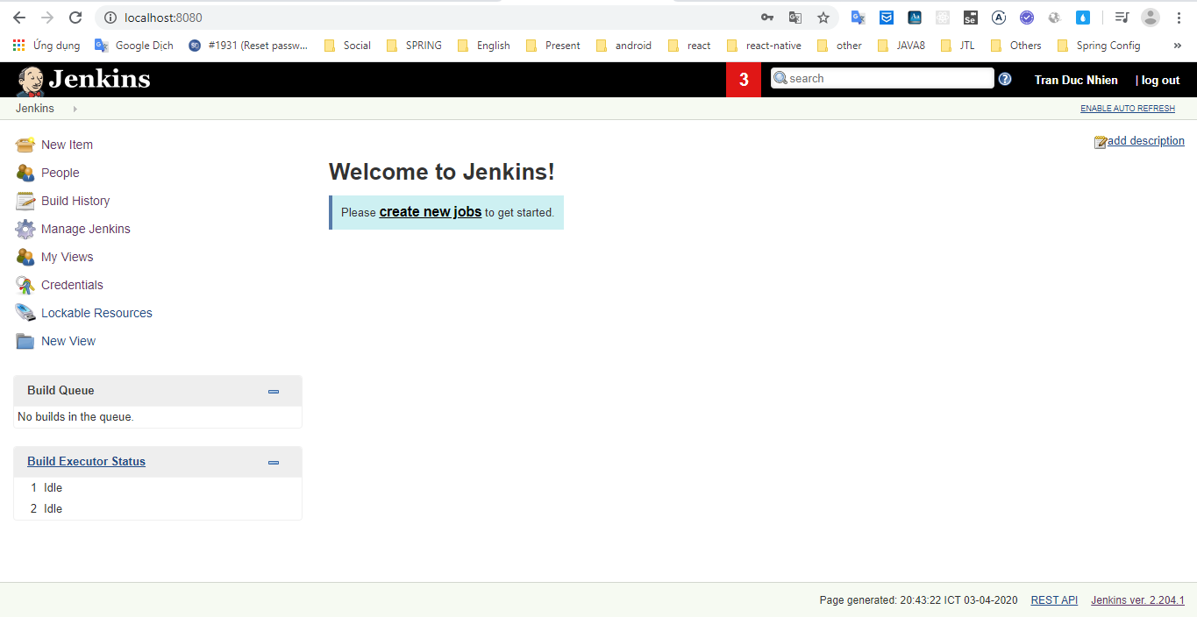
https://www.youtube.com/watch?v=89yWXXIOisk&list=PLhW3qG5bs-L_ZCOA4zNPSoGbnVQ-rp_dG

Jenkins
 | Java appication
 | Use for CI/CD (Continous Integration/Continous Delivery)

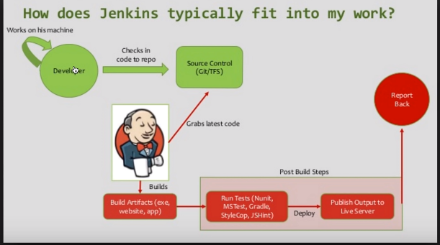
 |  |  |  | Khi có sự thay đổi ở GIT server ==> Jenkins sẽ tự động build

 | https://jenkins.io/ | download gói war về máy
 |  | cmd : java -jar jenkins.war --httpPort=8088
 |  |  | nếu không có option --httpPort thì mặc định 8080

2_How to setup Jenkins on Tomca
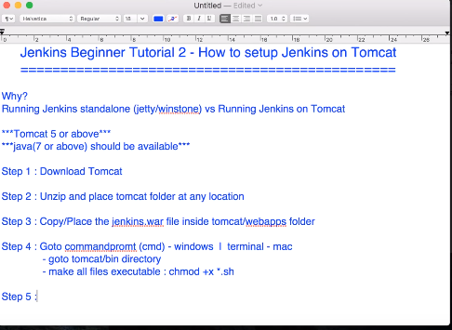
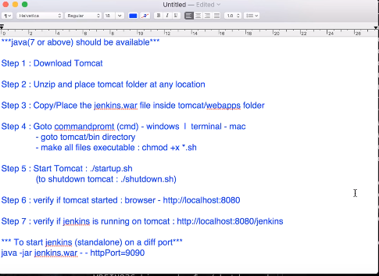
Why should we deloy Jenkins on Tomcat?

3_How to change Home Directory
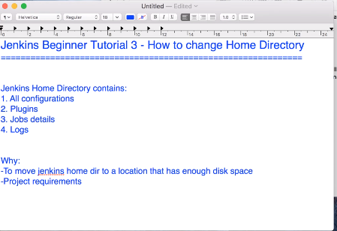
https://www.youtube.com/watch?v=m47MWSXNslg&list=PLhW3qG5bs-L_ZCOA4zNPSoGbnVQ-rp_dG&index=3

4_How to use CLI
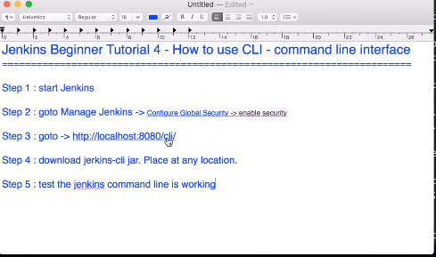
https://www.youtube.com/watch?v=ooA8RS3hC6k&list=PLhW3qG5bs-L_ZCOA4zNPSoGbnVQ-rp_dG&index=4

