Device rule chains
Base Rule Chain

1
0

Alarm: Δ
Alarm

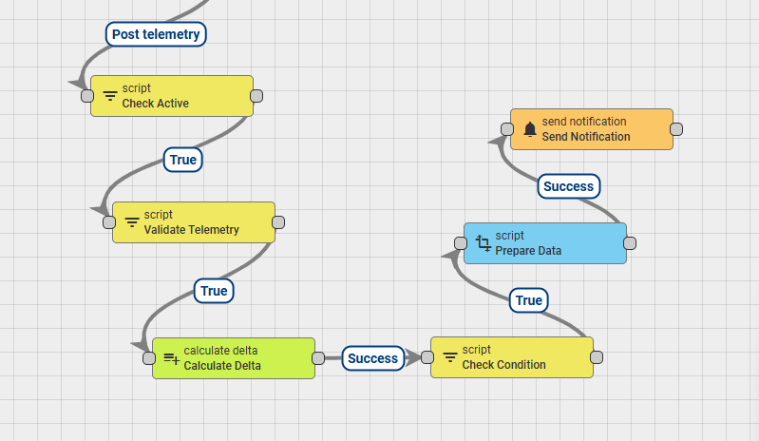
4
3
2
5
6
7
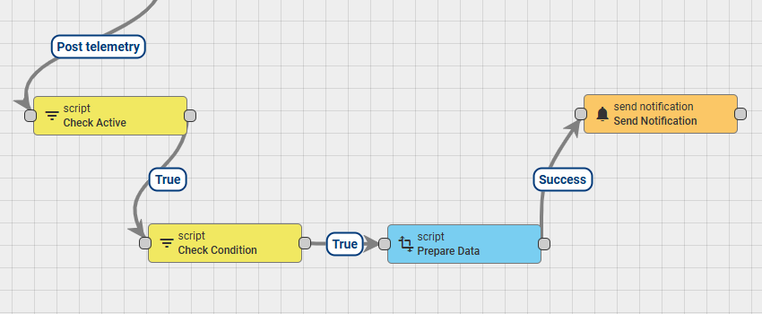
10
11
8
9

CheckActive node
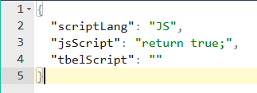
CheckActive node

Table
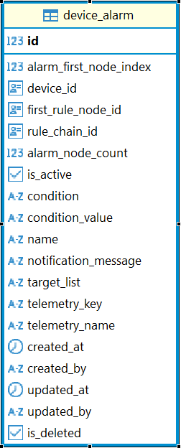

id | alarm_first_node_index | device_id | first_rule_node_id | rule_chain_id | alarm_node_count | is_active | condition | condition_value | name | notification_message | target_list | telemetry_key | telemetry_name | is_deleted
7 | 16 | 2834d4f0-edd6-11ef-9250-619c8d5bc1b2 | 2e0110d0-0954-11f0-9d7b-fb8a453d8a06 | 2df57810-0954-11f0-9d7b-fb8a453d8a06 | 4 | TRUE | Less Than | 20 | Very Low Temperature | Device reports very low temperature | admin_1 only, admin_2 only, tenant only | temperature | Temperature | FALSE

