Validate_DaiPA
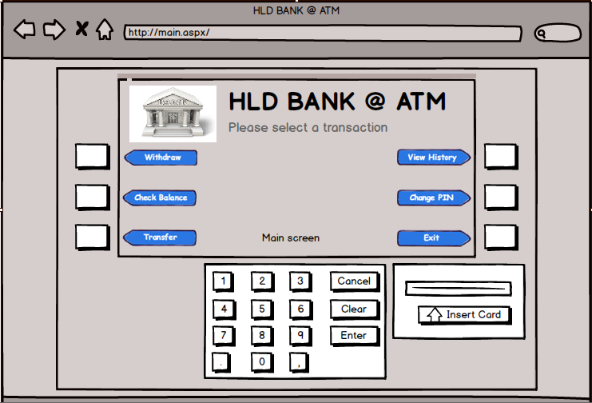
SC01: Insert Card screen

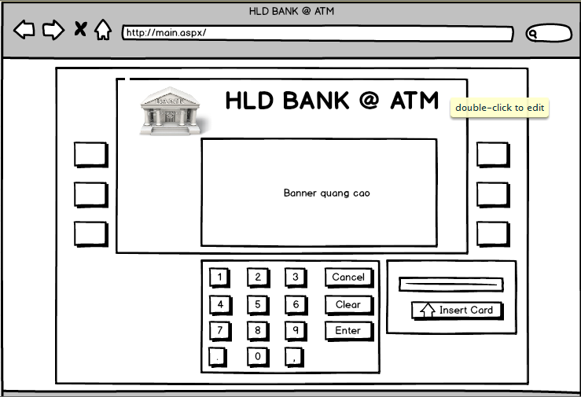

SC02: Validating your card
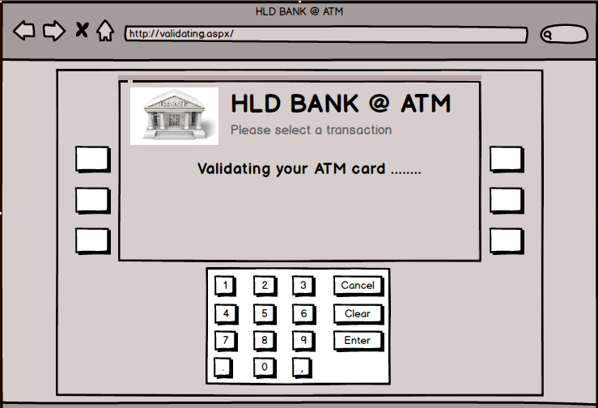

SC03: System does not recognize ATM card, Eject card
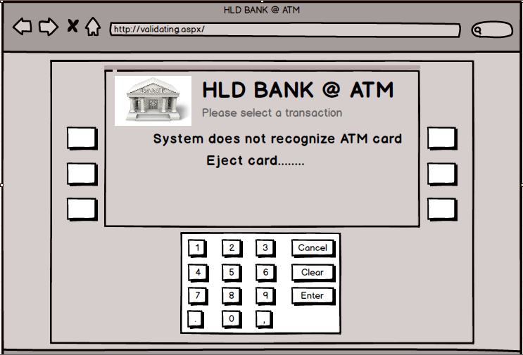

SC04: ATM invalid card, Eject card
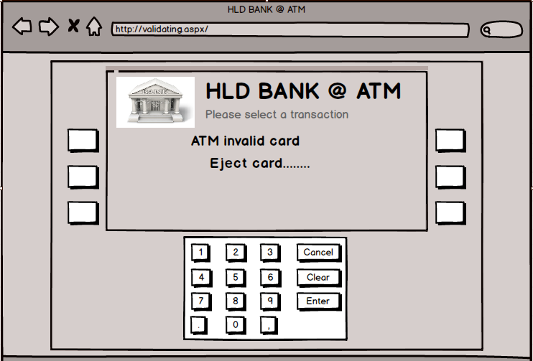

SC05: Enter your PIN
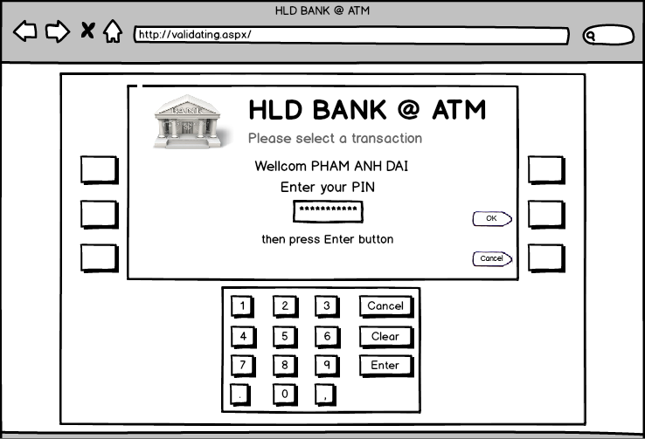

SC06: Validating your PIN
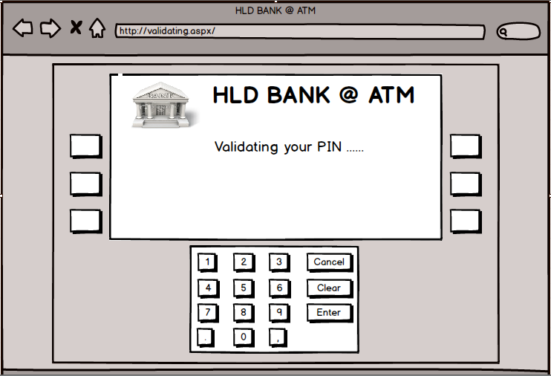

SC07: re-enter your PIN if entered wrong PIN
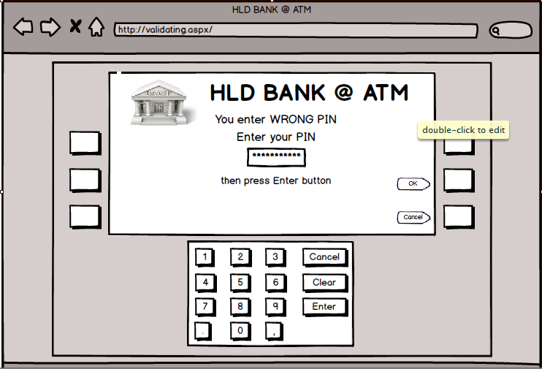

SC08: System BLOCK CARD and Swallow card if entered three times invalid PIN
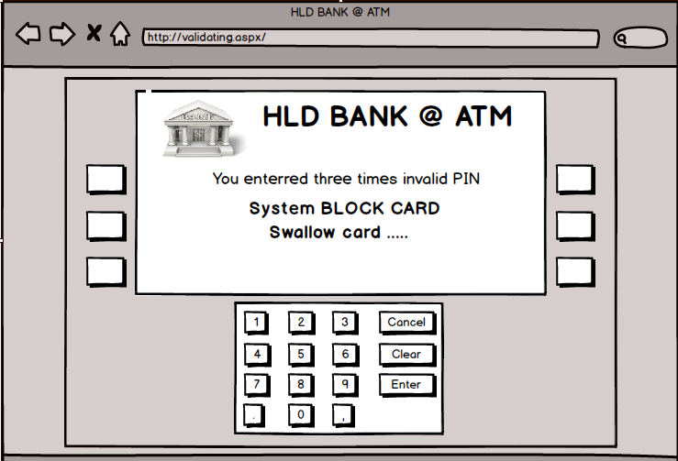

SC09: Main screen select a transaction

