NamNH15_UC1_UC28
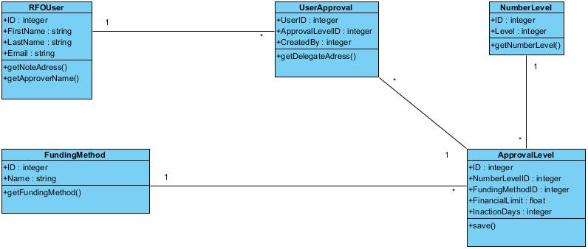
UC1

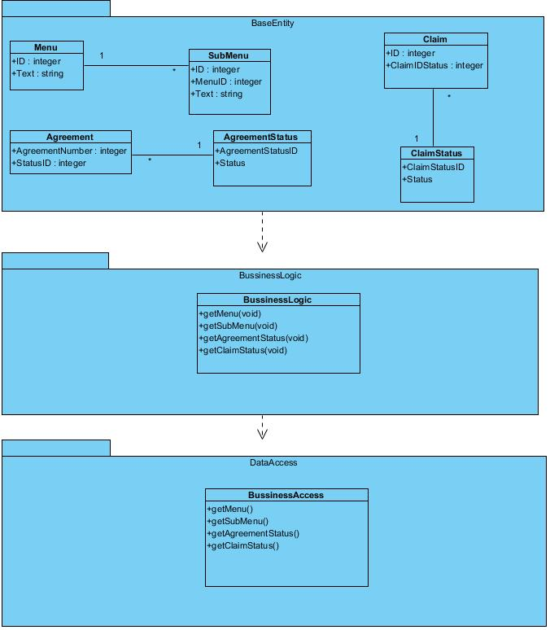

UC28

ThaoLTT_UC29_UC30_UC31_UC32
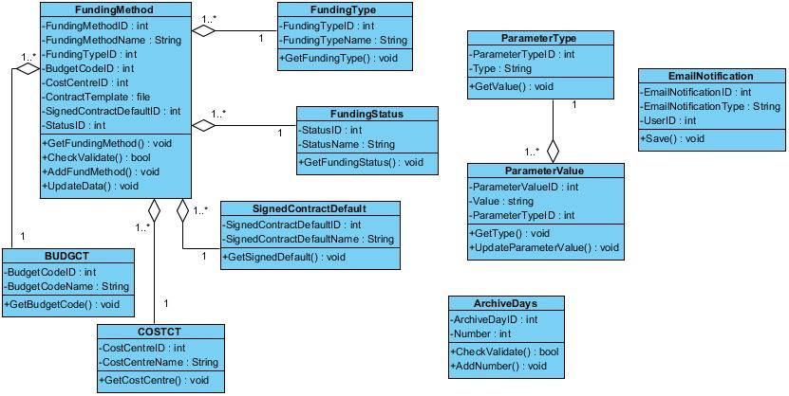

HieuBV1_UC2.1_UC2.2_UC2.3
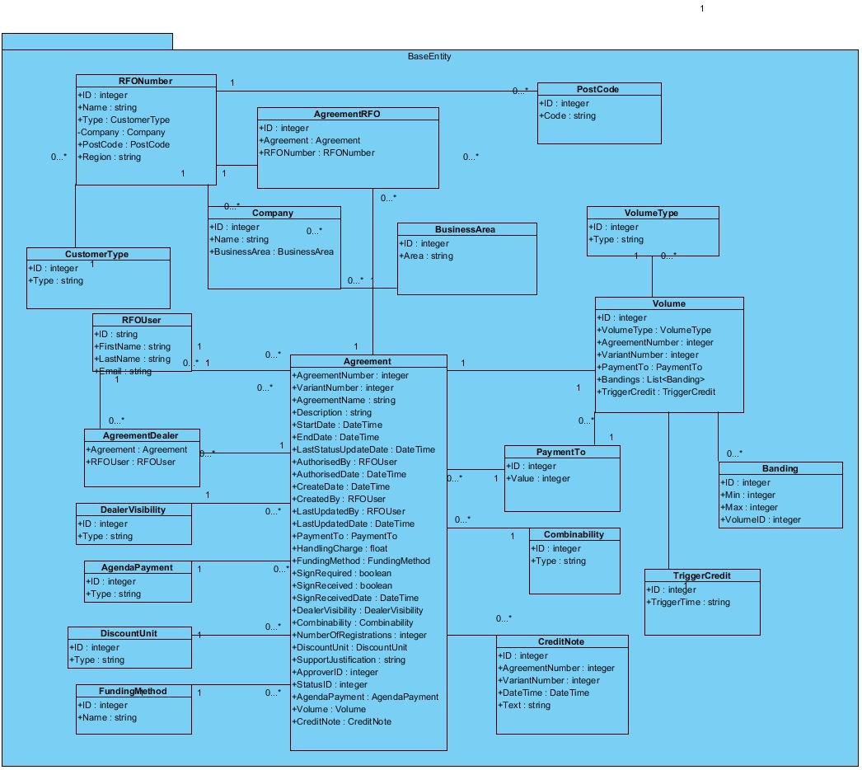
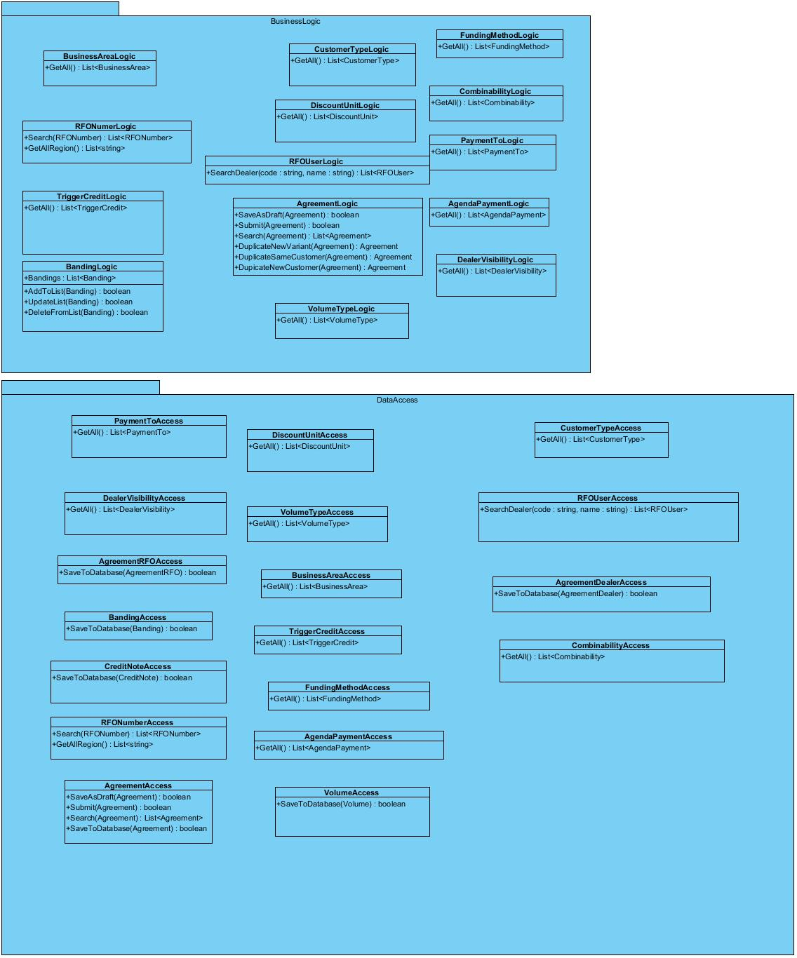

use

VinhLT3_UC2.4_UC2.6_UC2.7
use

use

