NamNH15_UC1_UC28
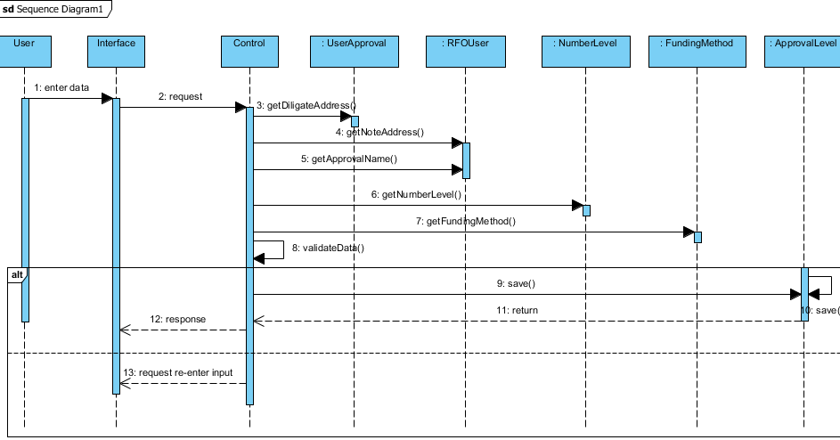
UC1

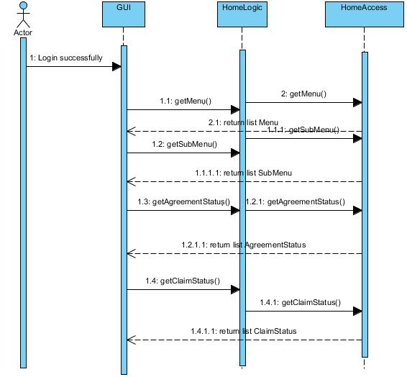

UC28

DucNT
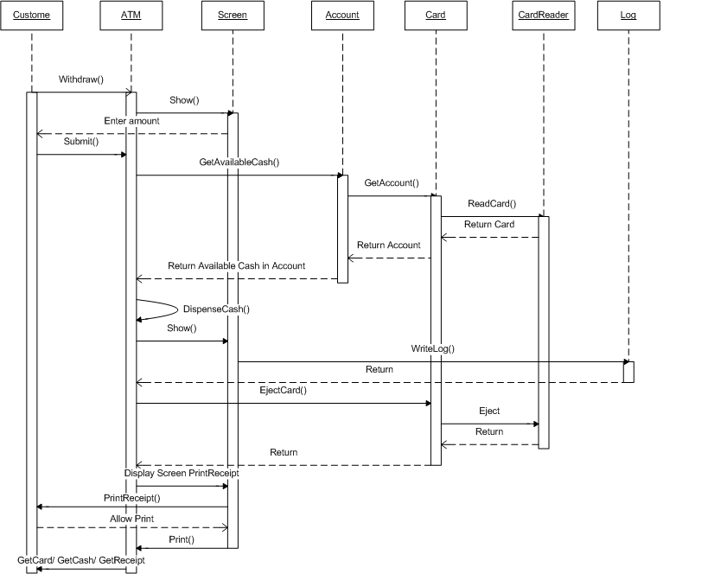
7.2 Use case 02: Withdraw Money
 | Activities Flow

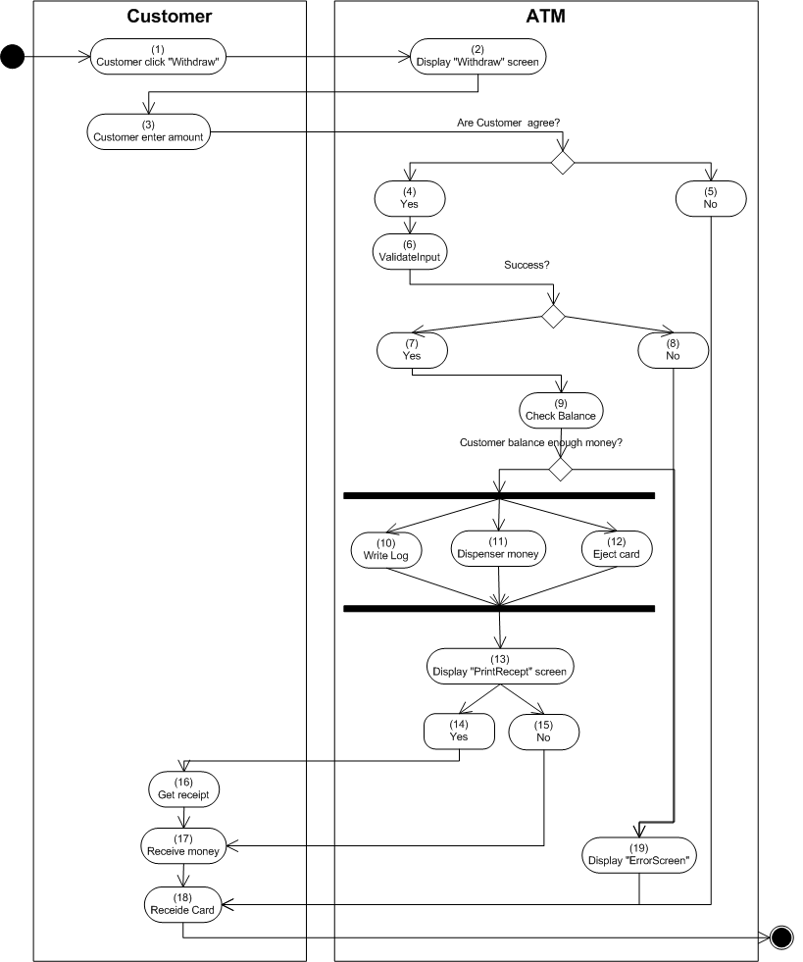

 | Sequense diagram

GiangLH
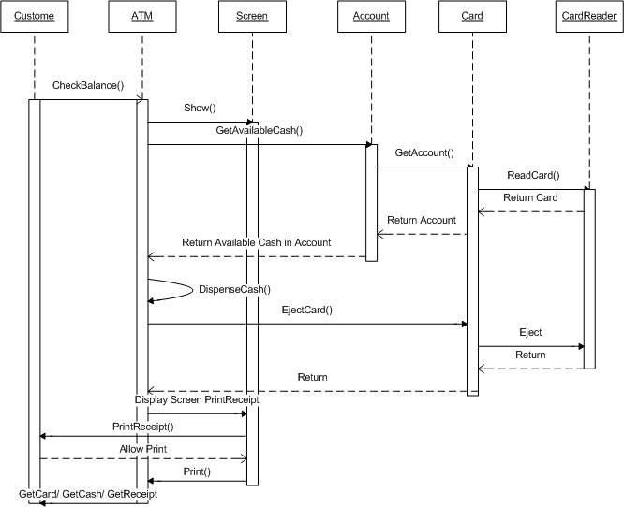
UC3. Check Balance
 | Activities Flow

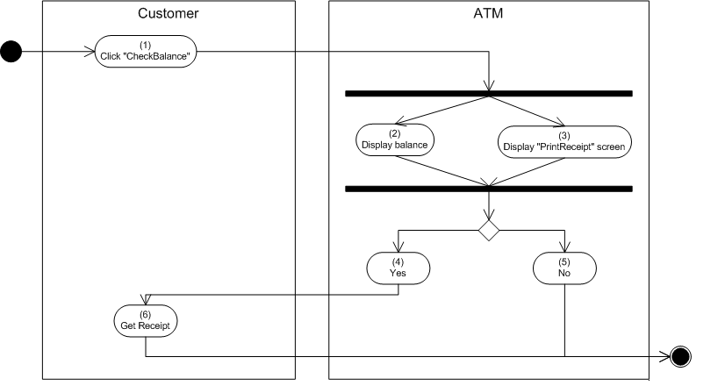

 | Sequense diagram

