DaiPA
UC1. Validate Card
Screen Design & Data Description
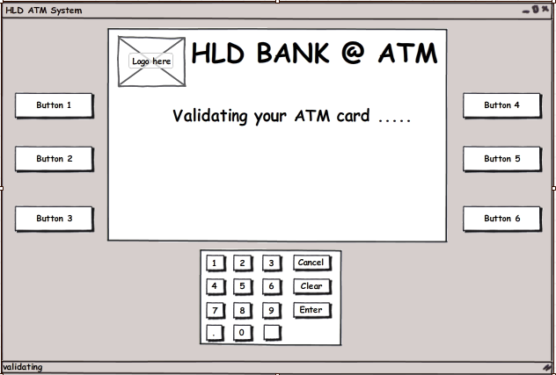

SC 01 : Main screen when system validating customer’s card

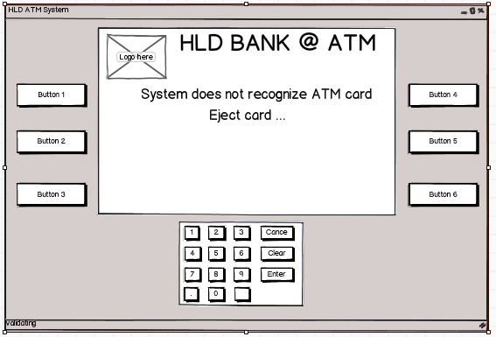

SC 02 : Screen when system does not recognize customer’s card is a ATM card or customer insert a card this bank system does not support.

UC1. Authentication

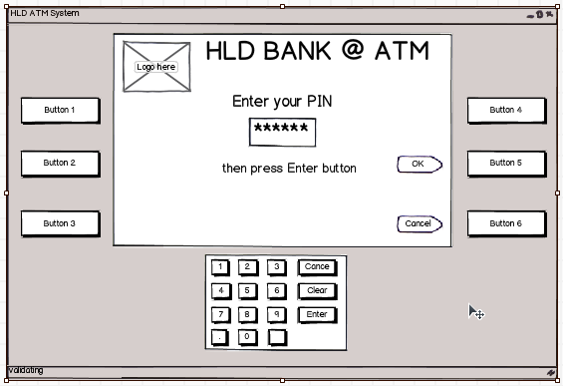

SC 01 : Screen when customer enter their PIN

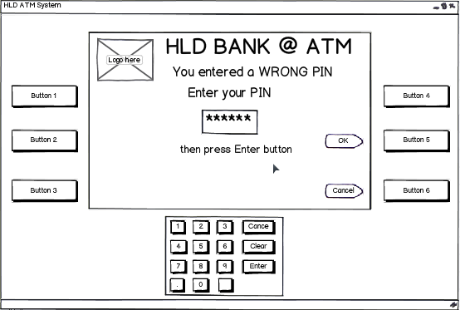

SC 02 : Screen when customer enter WRONG PIN, system requires customer to re-enter PIN.

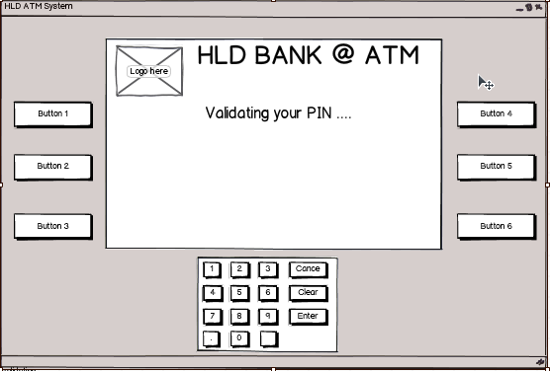

SC 03 : Screen when system validating customer PIN.

DucNT
Use case 02: Withdraw Money
 | Screen Design & Data Description

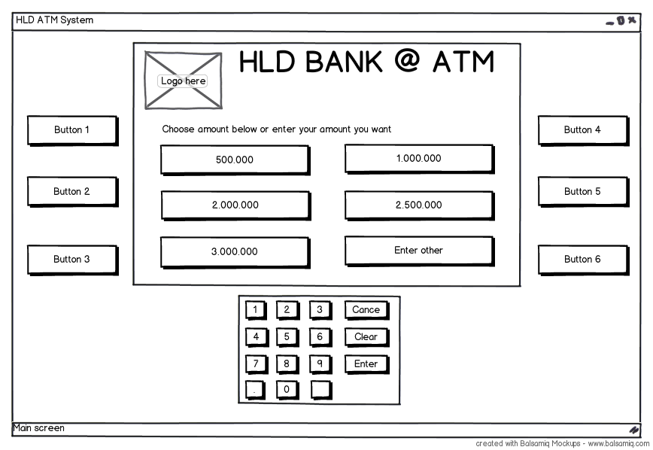

 | SC01 : Main screen when customer access “Withdraw”

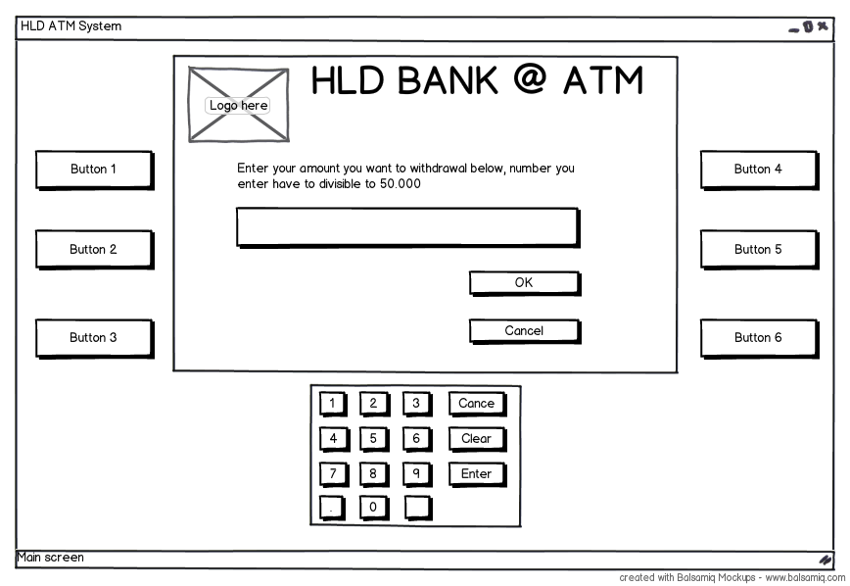

 | SC02: Screen display when customer choose “Enter other” from SC01 screen.

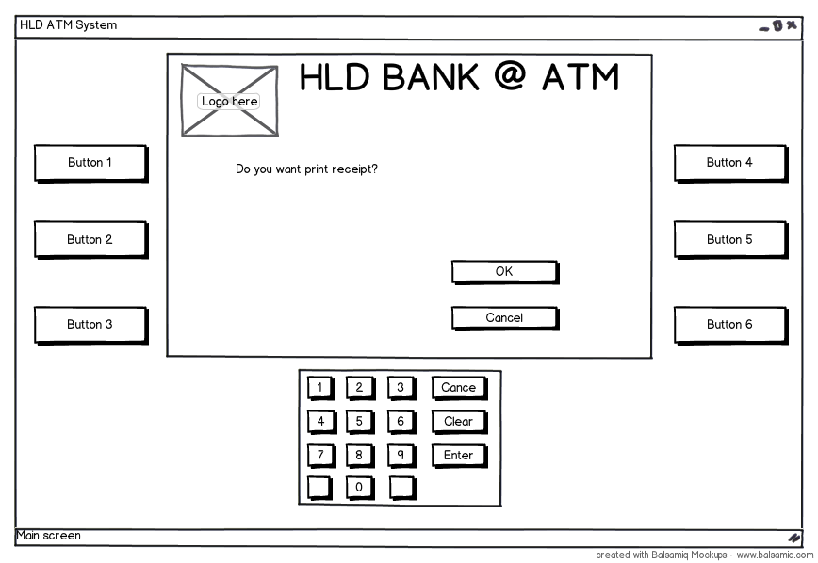

 | SC03: Screen confirm “Print receipt” when customer choose “OK” from SC 01 screen or “OK” from SC 02 screen

GiangLH
Use case 03: Check Balance
 | Screen Design & Data Description



 | SC 01 : Display Balance of customer and confirm PrintReceipt

MinhHV
Use case 04: View History
 | Screen Design & Data Description

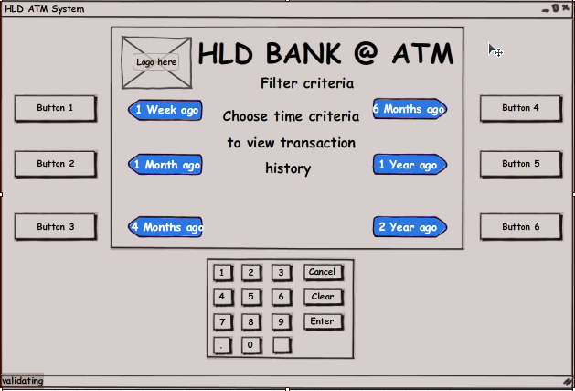

 | SC 01 : Screen list the time criterias to customer to choose

 | SC 02 : Waitted screen when system is searching.

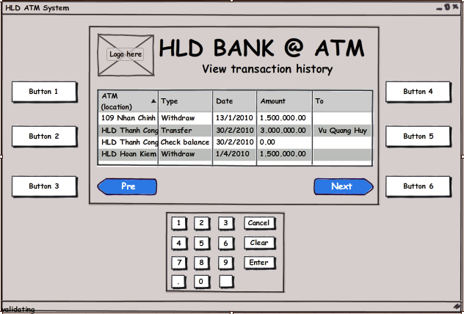

 | SC 03 : Screen show search results paged

NamLD
Use case 05: Cash Transfer
 | Screen Design & Data Description

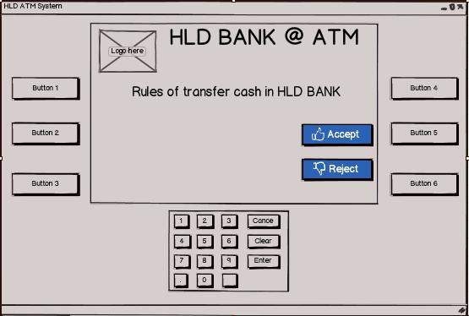

 | Screen 01: Main screen when require customer enter account want to transfer cash, show rules of transfer

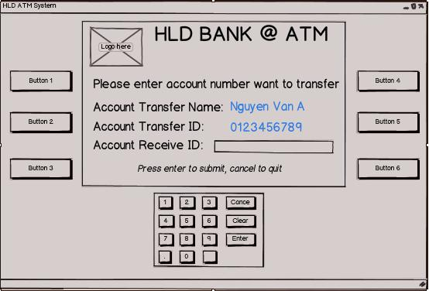

 | Screen 02: Display account transfer and receive account

 | Item | Type | Description
 |  | button | Do nothing at this screen
 |  | button | Do nothing at this screen
 |  | button | Do nothing at this screen
 |  | button | Do nothing at this screen
 |  | button | Do nothing at this screen
 |  | button | Do nothing at this screen
 |  | button | Accept input of customer
 |  | button | Stop transaction
 |  | button | Clear text in textbox
 |  | button | Submit receive account ID which want to transfer

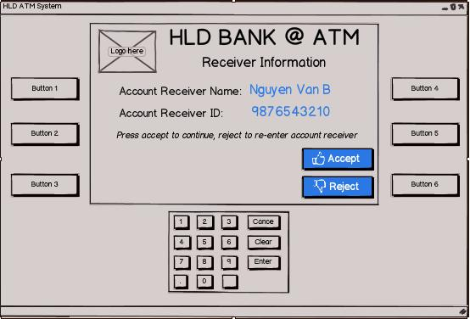

 | Screen 03: Display information about receive account

 | Item | Type | Description
 |  | button | Do nothing at this screen
 |  | button | Do nothing at this screen
 |  | button | Do nothing at this screen
 |  | button | Do nothing at this screen
 |  | button | Continue transfer cash
 |  | button | Back to enter receive account ID
 |  | button | Do nothing at this screen
 |  | button | Do nothing at this screen
 |  | button | Do nothing at this screen
 |  | button | Do nothing at this screen

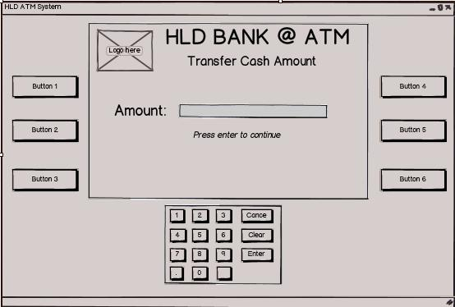

 | Screen 04: Display allow customer enter amount which want to transfer

 | Item | Type | Description
 |  | button | Do nothing at this screen
 |  | button | Do nothing at this screen
 |  | button | Do nothing at this screen
 |  | button | Do nothing at this screen
 |  | button | Do nothing at this screen
 |  | button | Do nothing at this screen
 |  | button | Accept input of customer
 |  | button | Do nothing at this screen
 |  | button | Clear text in textbox
 |  | button | Submit amount and continue

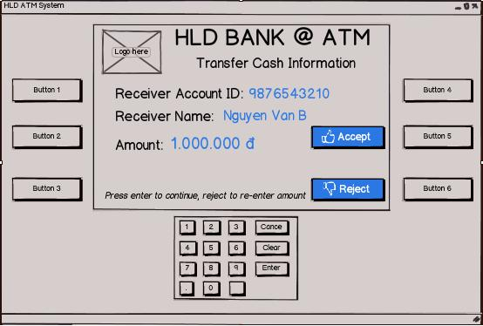

 | Screen 05: Display screen allow customer confirm transfer cash

 | Item | Type | Description
 |  | button | Do nothing at this screen
 |  | button | Do nothing at this screen
 |  | button | Do nothing at this screen
 |  | button | Do nothing at this screen
 |  | button | Accept to transfer cash
 |  | button | Reject to transfer cash and back to previous screen
 |  | button | Do nothing at this screen
 |  | button | Do nothing at this screen
 |  | button | Do nothing at this screen
 |  | button | Do nothing at this screen

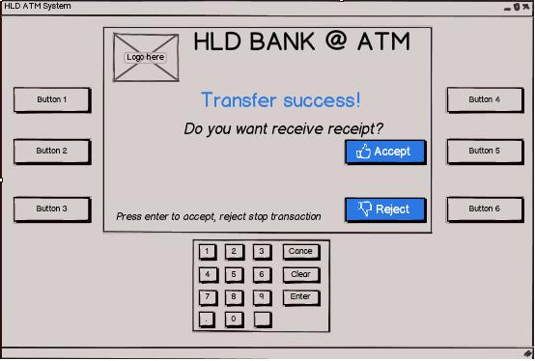

 | Screen 06: Display screen allow customer choose receive receipt or not

 | Item | Type | Description
 |  | button | Do nothing at this screen
 |  | button | Do nothing at this screen
 |  | button | Do nothing at this screen
 |  | button | Do nothing at this screen
 |  | button | Accept to receive receipt
 |  | button | Reject to receive receipt
 |  | button | Do nothing at this screen
 |  | button | Do nothing at this screen
 |  | button | Do nothing at this screen
 |  | button | Do nothing at this screen

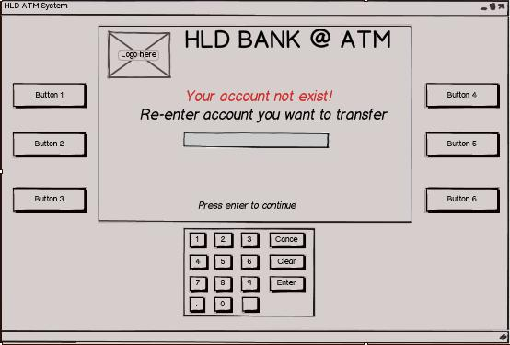

 | Screen 07: Display screen to notice customer that receive account not exist and re-enter account to transfer

 | Item | Type | Description
 |  | button | Do nothing at this screen
 |  | button | Do nothing at this screen
 |  | button | Do nothing at this screen
 |  | button | Do nothing at this screen
 |  | button | Do nothing at this screen
 |  | button | Do nothing at this screen
 |  | button | Accept input of customer
 |  | button | Do nothing at this screen
 |  | button | Do nothing at this screen
 |  | button | Continue transaction

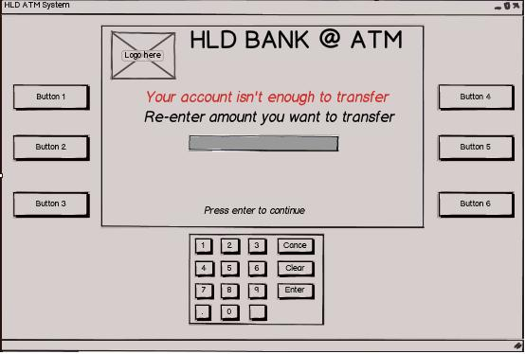

 | Screen 08: Display screen to notice customer that his/her account isn’t enough money to transfer and re-enter amount he/she want to transfer

 | Item | Type | Description
 |  | button | Do nothing at this screen
 |  | button | Do nothing at this screen
 |  | button | Do nothing at this screen
 |  | button | Do nothing at this screen
 |  | button | Do nothing at this screen
 |  | button | Do nothing at this screen
 |  | button | Accept input of customer
 |  | button | Do nothing at this screen
 |  | button | Do nothing at this screen
 |  | button | Continue transaction

