Diagram buy
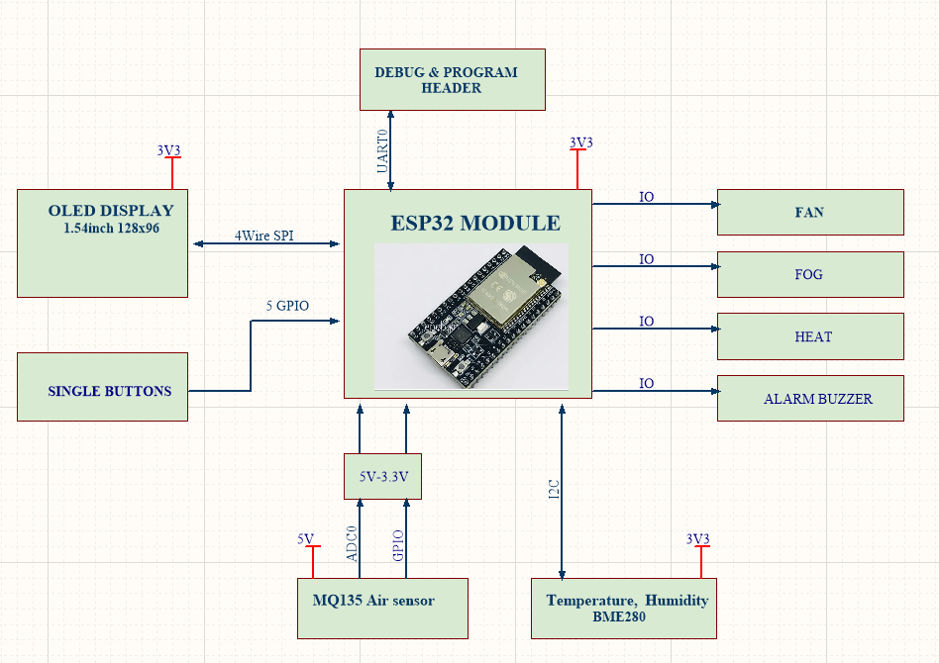
STT | Part Number | Number | Decription | Image
1 | ESP32-DevKitC-VB using module ESP-WROVER | 1
2 | 1.54 inch White OLED Display Module 128x64 SPI IIC I2C Interface OLED | 1 | https://www.amazon.com/1-54quot-Display-Module-128x64-Interface/dp/B07GXC8ZWL | 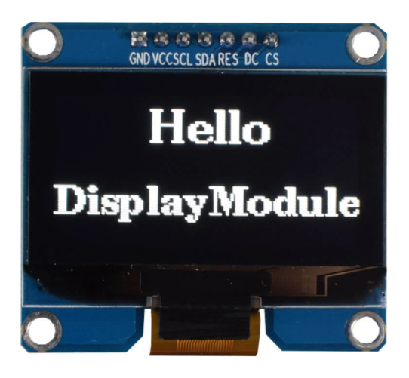
3 | BME280 Temperature and humidity sensor | 1
4 | MQ135 | 1
4 | Single Button | 5
5 | Resistor | x | 47k and 30k
6 | Relay module
7 | Buzzer 220v ac | 1
8 | usb power | 1

