Scenario
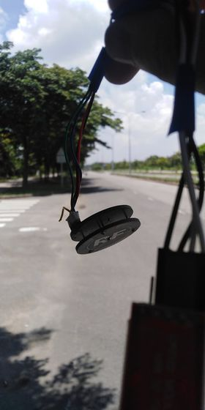
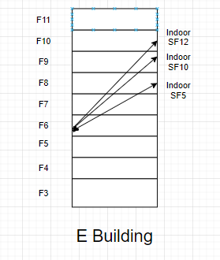
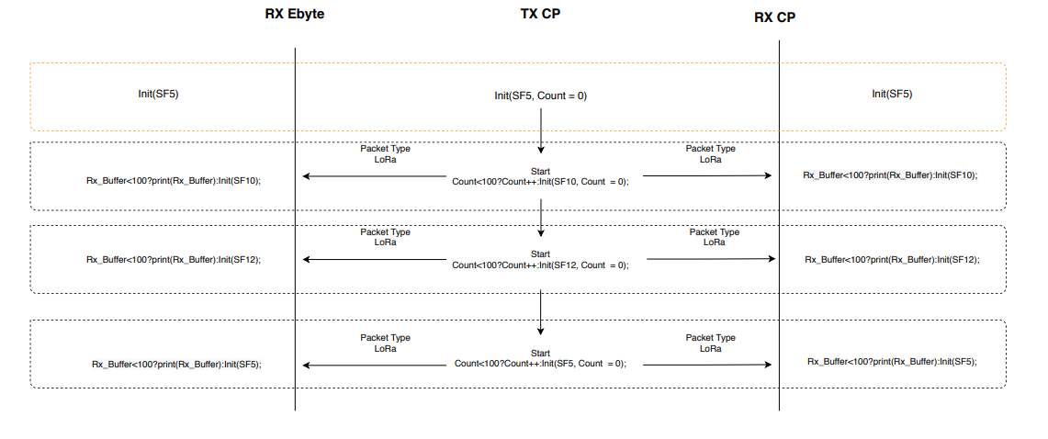
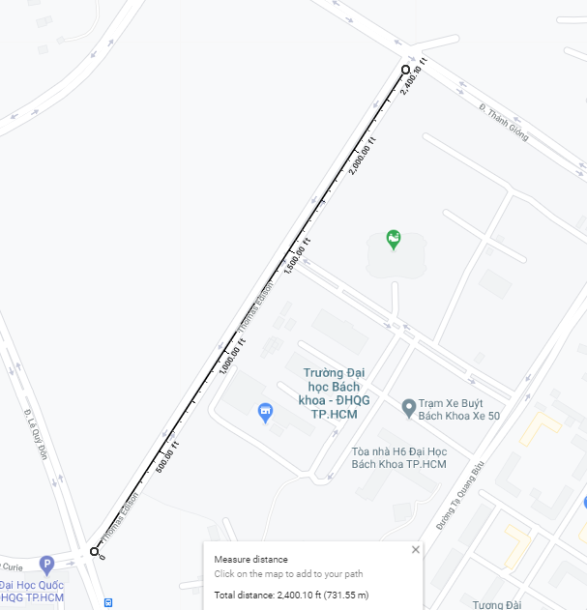
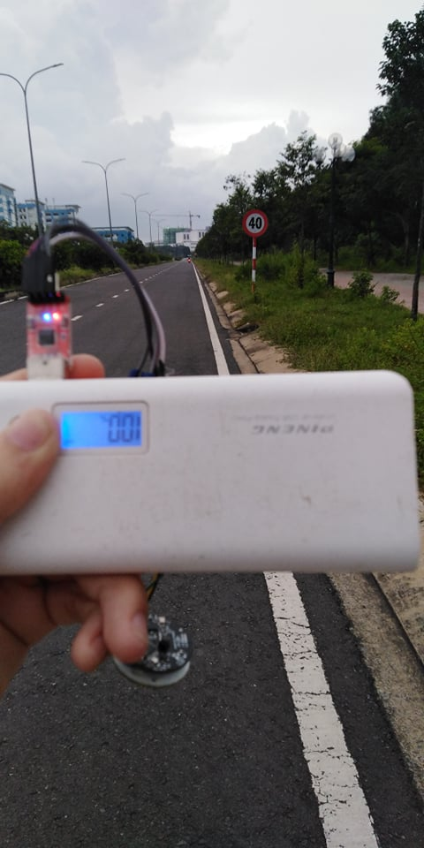

 | PingPong Scenario

 |  |  | Out door Map |  | Indoor Map

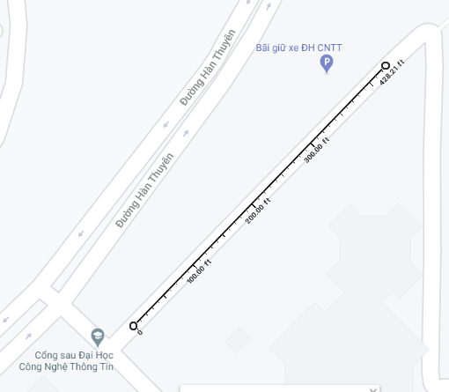

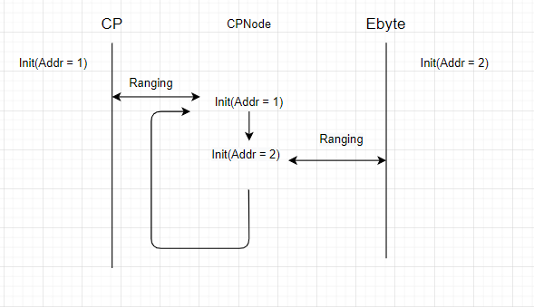

 |  | Ranging Scenario

 |  |  |  | Ranging Distribution Map

Ebyte_Distribution
3.2
3.2
3.2
3.2
ebyte
3.2
3.2
3.2
3.45
3.45 | 3.2 | 2
3.45 | 3.45 | 9
3.45 | 3.67 | 7
3.45 | 3.86 | 31
3.45 | 4.03 | 25
3.45 | 4.17 | 18
3.45 | 4.29 | 2
3.45
3.67
3.67
3.67
3.67
3.67 |  |  | Ranging Distribution
3.67
3.67
3.86
3.86
3.86
3.86
3.86
3.86
3.86
3.86
3.86
3.86
3.86
3.86
3.86
3.86
3.86
3.86
3.86
3.86
3.86
3.86
3.86
3.86
3.86
3.86
3.86
3.86
3.86
3.86
3.86
3.86
3.86
4.03
4.03
4.03
4.03
4.03
4.03
4.03
4.03
4.03
4.03
4.03
4.03
4.03
4.03
4.03
4.03
4.03
4.03
4.03
4.03
4.03
4.03
4.03
4.03
4.03
4.17
4.17
4.17
4.17
4.17
4.17
4.17
4.17
4.17
4.17
4.17
4.17
4.17
4.17
4.17
4.17
4.17
4.17
4.29
4.29

 | 3.2
 | 3.2
 | 3.2
 | 3.2
 | 3.2
 | 3.2
 | 3.2
 | 3.45
 | 3.45
 | 3.45
 | 3.45
 | 3.45
 | 3.45
 | 3.45
 | 3.45
 | 3.45
 | 3.67
 | 3.67
 | 3.67
 | 3.67
 | 3.67
 | 3.67
 | 3.67
 | 3.86
 | 3.86
 | 3.86
 | 3.86
 | 3.86
 | 3.86
 | 3.86
 | 3.86
 | 3.86
 | 3.86
 | 3.86
 | 3.86
 | 3.86
 | 3.86
 | 3.86
 | 3.86
 | 3.86
 | 3.86
 | 3.86
 | 3.86
 | 3.86
 | 3.86
 | 3.86
 | 3.86
 | 3.86
 | 3.86
 | 3.86
...

CP_distribution
CP
0.15
0.15
0.15
0.15
0.15
0.15
0.15 | 0.15 | 8
0.15 | 0.65 | 17
0.65 | 1.11 | 21
0.65 | 1.53 | 36
0.65 | 1.93 | 78
0.65 | 2.29 | 139
0.65 | 2.62 | 151
0.65 | 2.93 | 44
0.65 | 3.2 | 2
0.65 | 4.38 | 1
0.65 |  |  |  |  | Ranging distribution
0.65
0.65
Histogram
 | Frequency
0.15 | 8
0.726818182 | 17
1.111363636 | 21
1.688181818 | 36
2.072727273 | 78
2.457272727 | 139
2.649545455 | 151
3.034090909 | 44
3.226363636 | 2
More | 1
0.65
0.65
0.65 |  | Bin | Frequency | Cumulative %
0.65 |  | 0.15 | 8 | 1.61%
0.65 |  | 0.72681818182 | 17 | 5.03%
0.65 |  | 1.1113636364 | 21 | 9.26%
1.11 |  | 1.6881818182 | 36 | 16.50%
1.11 |  | 2.0727272727 | 78 | 32.19%
1.11 |  | 2.4572727273 | 139 | 60.16%
1.11 |  | 2.6495454545 | 151 | 90.54%
1.11 |  | 3.0340909091 | 44 | 99.40%
1.11 |  | 3.2263636364 | 2 | 99.80%
1.11 |  | More | 1 | 100.00%
1.11
1.11
1.11
1.11
1.11
1.11
1.11
1.11
1.11
1.11
1.11
1.11
1.11
1.11
1.53
1.53
1.53
1.53
1.53
1.53
1.53
1.53
1.53
1.53
1.53
1.53
1.53
1.53
1.53
1.53
1.53
1.53
1.53
1.53
1.53
1.53
1.53
1.53
1.53
1.53
1.53
1.53
1.53
1.53
1.53
1.53
1.53
1.53
1.53
1.53
1.93
1.93
1.93
1.93
1.93
1.93
1.93
1.93
1.93
1.93
1.93
1.93
1.93
1.93
1.93
1.93
1.93
1.93
1.93
1.93
1.93
1.93
1.93
1.93
1.93
1.93
1.93
1.93
1.93
1.93
1.93
1.93
1.93
1.93
1.93
1.93
1.93
1.93
1.93
1.93
1.93
1.93
1.93
1.93
1.93
1.93
1.93
1.93
1.93
1.93
1.93
1.93
1.93
1.93
1.93
1.93
1.93
1.93
1.93
1.93
1.93
1.93
1.93
1.93
1.93
1.93
1.93
1.93
1.93
1.93
1.93
1.93
1.93
1.93
1.93
1.93
1.93
1.93
2.29
2.29
2.29
2.29
2.29
2.29
2.29
2.29
2.29
2.29
2.29
2.29
2.29
2.29
2.29
2.29
2.29
2.29
2.29
2.29
2.29
2.29
2.29
2.29
2.29
2.29
2.29
2.29
2.29
2.29
2.29
2.29
2.29
2.29
2.29
2.29
2.29
2.29
2.29
2.29
2.29
2.29
2.29
2.29
2.29
2.29
2.29
2.29
2.29
2.29
2.29
2.29
2.29
2.29
2.29
2.29
2.29
2.29
2.29
2.29
2.29
2.29
2.29
2.29
2.29
2.29
2.29
2.29
2.29
2.29
2.29
2.29
2.29
2.29
2.29
2.29
2.29
2.29
2.29
2.29
2.29
2.29
2.29
2.29
2.29
2.29
2.29
2.29
2.29
2.29
2.29
2.29
2.29
2.29
2.29
2.29
2.29
2.29
2.29
2.29
2.29
2.29
2.29
2.29
2.29
2.29
2.29
2.29
2.29
2.29
2.29
2.29
2.29
2.29
2.29
2.29
2.29
2.29
2.29
2.29
2.29
2.29
2.29
2.29
2.29
2.29
2.29
2.29
2.29
2.29
2.29
2.29
2.29
2.29
2.29
2.29
2.29
2.29
2.29
2.62
2.62
2.62
2.62
2.62
2.62
2.62
2.62
2.62
2.62
2.62
2.62
2.62
2.62
2.62
2.62
2.62
2.62
2.62
2.62
2.62
2.62
2.62
2.62
2.62
2.62
2.62
2.62
2.62
2.62
2.62
2.62
2.62
2.62
2.62
2.62
2.62
2.62
2.62
2.62
2.62
2.62
2.62
2.62
2.62
2.62
2.62
2.62
2.62
2.62
2.62
2.62
2.62
2.62
2.62
2.62
2.62
2.62
2.62
2.62
2.62
2.62
2.62
2.62
2.62
2.62
2.62
2.62
2.62
2.62
2.62
2.62
2.62
2.62
2.62
2.62
2.62
2.62
2.62
2.62
2.62
2.62
2.62
2.62
2.62
2.62
2.62
2.62
2.62
2.62
2.62
2.62
2.62
2.62
2.62
2.62
2.62
2.62
2.62
2.62
2.62
2.62
2.62
2.62
2.62
2.62
2.62
2.62
2.62
2.62
2.62
2.62
2.62
2.62
2.62
2.62
2.62
2.62
2.62
2.62
2.62
2.62
2.62
2.62
2.62
2.62
2.62
2.62
2.62
2.62
2.62
2.62
2.62
2.62
2.62
2.62
2.62
2.62
2.62
2.62
2.62
2.62
2.62
2.62
2.62
2.62
2.62
2.62
2.62
2.62
2.62
2.93
2.93
2.93
2.93
2.93
2.93
2.93
2.93
2.93
2.93
2.93
2.93
2.93
2.93
2.93
2.93
2.93
2.93
2.93
2.93
2.93
2.93
2.93
2.93
2.93
2.93
2.93
2.93
2.93
2.93
2.93
2.93
2.93
2.93
2.93
2.93
2.93
2.93
2.93
2.93
2.93
2.93
2.93
2.93
3.2
3.2
4.38

CP2-EbyteStation
Histogram
 | Frequency
377914.09 | 1
377915.1267 | 1
377915.645 | 1
377917.2 | 4
377917.7183 | 20
377918.2367 | 37
377918.755 | 38
377919.2733 | 28
377919.7917 | 23
More | 4
1 | 377914.09
2 | 377914.65
3 | 377915.4
4 | 377916.9
5 | 377917
6 | 377917.03
7 | 377917.03 | Bin | Frequency | Cumulative %
8 | 377917.25 | 377914.09 | 1 | 0.64%
9 | 377917.25 | 377915.12667 | 1 | 1.27%
10 | 377917.25 | 377915.645 | 1 | 1.91%
11 | 377917.25 | 377917.2 | 4 | 4.46%
12 | 377917.25 | 377917.71833 | 20 | 17.20%
13 | 377917.28 | 377918.23667 | 37 | 40.76%
14 | 377917.37 | 377918.755 | 38 | 64.97%
15 | 377917.4 | 377919.27333 | 28 | 82.80%
16 | 377917.4 | 377919.79167 | 23 | 97.45%
17 | 377917.4 | More | 4 | 100.00%
18 | 377917.43
19 | 377917.53
20 | 377917.53
21 | 377917.59 | Min | 377914.09
22 | 377917.62 | Max | 377920.31
23 | 377917.62
24 | 377917.65
25 | 377917.65 | Column1
26 | 377917.65
27 | 377917.71 | Mean |  |  | 377918.41057
28 | 377917.81 | Standard Error |  |  | 0.071439449791
29 | 377917.81 | Median |  |  | 377918.43
30 | 377917.84 | Mode |  |  | 377918.81
31 | 377917.84 | Standard Deviation |  |  | 0.89513374021
32 | 377917.84 | Sample Variance |  |  | 0.80126441287
33 | 377917.87 | Kurtosis |  |  | 4.6572455393
34 | 377917.87 | Skewness |  |  | -1.23906065
35 | 377917.87 | Range |  |  | 6.22
36 | 377917.87 | Minimum |  |  | 377914.09
37 | 377917.9 | Maximum |  |  | 377920.31
38 | 377917.9 | Sum |  |  | 59333190.46
39 | 377917.9 | Count |  |  | 157
40 | 377917.9 | Confidence Level(95.0%) |  |  | 0.14111345023
41 | 377917.93
42 | 377917.96
43 | 377917.96
44 | 377917.96
45 | 377918
46 | 377918.03
47 | 377918.03
48 | 377918.09
49 | 377918.12
50 | 377918.12
51 | 377918.12
52 | 377918.12
53 | 377918.12
54 | 377918.15
55 | 377918.15
56 | 377918.18
57 | 377918.18
58 | 377918.18
59 | 377918.18
60 | 377918.21
61 | 377918.21
62 | 377918.21
63 | 377918.21
64 | 377918.21
65 | 377918.25
66 | 377918.25
67 | 377918.25
68 | 377918.28
69 | 377918.28
70 | 377918.28
71 | 377918.28
72 | 377918.31
73 | 377918.31
74 | 377918.37
75 | 377918.37
76 | 377918.4
77 | 377918.4
78 | 377918.4
79 | 377918.43
80 | 377918.43
81 | 377918.43
82 | 377918.46
83 | 377918.46
84 | 377918.46
85 | 377918.5
86 | 377918.5
87 | 377918.5
88 | 377918.56
89 | 377918.56
90 | 377918.59
91 | 377918.59
92 | 377918.59
93 | 377918.59
94 | 377918.62
95 | 377918.68
96 | 377918.68
97 | 377918.68
98 | 377918.68
99 | 377918.71
100 | 377918.71
101 | 377918.75
102 | 377918.75
103 | 377918.78
104 | 377918.81
105 | 377918.81
106 | 377918.81
107 | 377918.81
108 | 377918.81
109 | 377918.81
110 | 377918.81
111 | 377918.81
112 | 377918.84
113 | 377918.84
114 | 377918.87
115 | 377918.9
116 | 377918.96
117 | 377918.96
118 | 377918.96
119 | 377919
120 | 377919.09
121 | 377919.12
122 | 377919.12
123 | 377919.15
124 | 377919.15
125 | 377919.18
126 | 377919.18
127 | 377919.18
128 | 377919.18
129 | 377919.18
130 | 377919.18
131 | 377919.28
132 | 377919.28
133 | 377919.31
134 | 377919.31
135 | 377919.31
136 | 377919.31
137 | 377919.31
138 | 377919.4
139 | 377919.43
140 | 377919.43
141 | 377919.46
142 | 377919.56
143 | 377919.56
144 | 377919.59
145 | 377919.59
146 | 377919.59
147 | 377919.59
148 | 377919.59
149 | 377919.59
150 | 377919.65
151 | 377919.65
152 | 377919.71
153 | 377919.75
154 | 377919.96
155 | 377920.09
156 | 377920.18
157 | 377920.31

EByte2-EbyteStation
Histogram

377907.12 | Bin | Frequency | Cumulative %
377908.15 | 377796.84 | 1 | 0.54%
377905.62 | 377828.20462 | 1 | 1.08%
377906.9 | 377843.88692 | 1 | 1.62%
377904.81 | 377859.56923 | 2 | 2.70%
377899.28 | 377875.25154 | 2 | 3.78%
377896.84 | 377890.93385 | 5 | 6.49%
377890.15 | 377906.61615 | 22 | 18.38%
377889.46 | 377922.29846 | 50 | 45.41%
377922.31 | 377937.98077 | 60 | 77.84%
377919.56 | 377953.66308 | 21 | 89.19%
377918.03 | 377969.34538 | 14 | 96.76%
377915.75 | 377985.02769 | 5 | 99.46%
377913.96 | More | 1 | 100.00%
377913.75
377913.62
377916.71
377918.37
377918.28
377918.12
377916.15
377913.28
377909.15 | Column1
377969.62
377926.84 | Mean |  |  | 377923.242
377915.78 | Standard Error |  |  | 1.9419503327
377911 | Median |  |  | 377924.34
377907.5 | Mode |  |  | 377925.03
377903.09 | Standard Deviation |  |  | 26.41338018
377934.93 | Sample Variance |  |  | 697.66665251
377926.25 | Kurtosis |  |  | 4.5450480429
377917.87 | Skewness |  |  | -1.0482507107
377916.43 | Range |  |  | 203.87
377913.87 | Minimum |  |  | 377796.84
377912.9 | Maximum |  |  | 378000.71
377912.28 | Sum |  |  | 69915799.77
377909.34 | Count |  |  | 185
377906.87 | Confidence Level(95.0%) |  |  | 3.8313524606
377906.87
377905.21
377903.65
377905.15
377902.93
377901.65
377919.06
377945.71
377933.31
377927.12
377925.31
377923.84
377928.34
377945.25
377953.15
377959.84
377933.46
377927.75
377929.06
377935.78
377936.78
377932.96
377930.5
377925.68
377922.84
377923.81
377925.03
377926.28
377929.75
377929.84
377928.84
377926.68
377923.31
377919.81
377916.65
377915.12
377913.25
377913.5
377913.68
377916.53
377922.34
377932.37
377937.28
377933.09
377931.09
377927.06
377926.31
377926.71
377928.03
377929.65
377924.62
377911.78
377901.68
377872.81
377813.71
377796.84
377937.9
377850.21
377965.37
377932.03
377910.87
377893.75
377879.5
377903.53
377913.5
377922.68
377924.34
377928.59
377929.9
377933.62
377935
377939.84
377943.18
377952.71
377946.31
377937.81
377944.25
377950.31
377957.28
377964.25
377972.75
377965
377939.65
377926.31
377914.15
377911.68
377909.21
377912.65
377914.46
377933.87
377948.78
377951.96
377954.84
377950.09
377950.65
377951.46
377953.43
377954.78
377955.03
377956.21
377961.9
377980.62
378000.71
377972.65
377915.71
377906.68
377904.28
377904
377904.78
377905.46
377906.31
377911.28
377923.46
377929.18
377935.75
377957.21
377968.81
377943.15
377934.06
377932.12
377938.46
377953.87
377957.62
377946.46
377935.46
377925.03
377922.15
377920.18
377921.37
377925.03
377928.65
377930.18
377936.28
377944
377975.84
377931.15
377836.75
377844.43
377882.15
377896.43
377899.12
377894.84
377892
377887.81
377873.46
377914.53
377946.12

RealMeasure-66
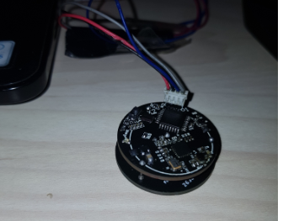
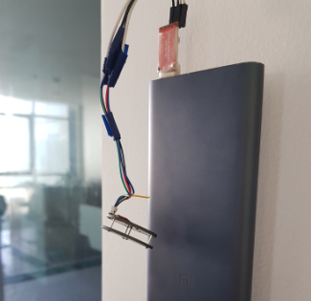
In room 6.8 to FPT | out 6.8 to fpt
22.59375 | 12.8125
20.53125 | 12.84375
19.640625 | 13.25 |  |  |  |  | SF12
19.984375 | 12.8125 |  |  |  |  | 6.8 TO FPT
19.28125 | 13.078125 |  |  |  |  |  | Bin | Frequency | Cumulative %
19.390625 | 13.09375 |  |  |  |  | 3.3125 | 3.3125 | 1 | 0.45%
19.09375 | 13.3125 |  |  |  |  | 7.421875 | 5.2857142857 | 0 | 0.45%
19.984375 | 12.8125 |  |  |  |  | 8.140625 | 7.2589285714 | 0 | 0.45%
20.109375 | 12.8125 |  |  |  |  | 8.1875 | 9.2321428571 | 4 | 2.25%
19.765625 | 12.65625 |  |  |  |  | 8.71875 | 11.205357143 | 1 | 2.70%
25.265625 | 12.96875 |  |  |  |  | 9.78125 | 13.178571429 | 6 | 5.41%
20.84375 | 13.953125 |  |  |  |  | 11.5625 | 15.151785714 | 6 | 8.11%
19.34375 | 13.734375 |  |  |  |  | 12.296875 | 17.125 | 22 | 18.02%
19.328125 | 13.296875 |  |  |  |  | 12.453125 | 19.098214286 | 16 | 25.23%
19.484375 | 13.953125 |  |  |  |  | 12.625 | 21.071428571 | 103 | 71.62%
19.453125 | 14.09375 |  |  |  |  | 12.625 | 23.044642857 | 37 | 88.29%
19.625 | 14.015625 |  |  |  |  | 12.71875 | 25.017857143 | 2 | 89.19%
19.21875 | 13.3125 |  |  |  |  | 13.84375 | 26.991071429 | 6 | 91.89%
20.03125 | 12.859375 |  |  |  |  | 14.015625 | 28.964285714 | 3 | 93.24%
22.3125 | 13.3125 |  |  |  |  | 14.40625 | More | 15 | 100.00%
20.921875 | 12.859375 |  |  |  |  | 14.40625
20.265625 | 12.34375 |  |  |  |  | 14.40625
20.640625 | 12.765625 |  |  |  |  | 15.109375
19.96875 | 13.09375 |  |  |  |  | 15.28125
12.90625 | 13.546875 |  |  |  |  | 15.28125
17.734375 | 12.75 |  |  |  |  | 15.28125
18.84375 | 11.71875 |  |  |  |  | 15.34375
14.234375 | 13.390625 |  |  |  |  | 15.34375
6F-6F
Histogram
20.25 | 13.171875 | Bin | Frequency | Cumulative % |  | 15.4375
19.40625 | 12.625 | -10.015625 | 1 | 0.21% |  | 15.4375
19.171875 | 12.703125 | -2.8035714286 | 1 | 0.41% |  | 15.53125
19.953125 | 13.75 | 2.0044642857 | 1 | 0.62% |  | 15.703125
17.734375 | 12.53125 | 6.8125 | 1 | 0.83% |  | 15.84375
19.546875 | 12.34375 | 11.620535714 | 3 | 1.45% |  | 15.84375
19.625 | 12.796875 | 14.024553571 | 8 | 3.11% |  | 16.015625
21.3125 | 12.546875 | 16.428571429 | 35 | 10.35% |  | 16.125
20.28125 | 12.703125 | 18.832589286 | 260 | 64.18% |  | 16.484375
20.65625 | 12.78125 | 21.236607143 | 152 | 95.65% |  | 16.578125
13.578125 | 13.359375 | 23.640625 | 13 | 98.34% |  | 16.59375
19.75 | 13.125 | 26.044642857 | 3 | 98.96% |  | 16.609375
19.484375 | 12.984375 | 28.448660714 | 2 | 99.38% |  | 16.625
20.34375 | 13.15625 | 30.852678571 | 1 | 99.59% |  | 16.734375
23.328125 | 13.140625 | 38.064732143 | 1 | 99.79% |  | 16.765625
18.5625 | 13.40625 | More | 1 | 100.00% |  | 16.90625
19.09375 | 13.734375 |  |  |  |  | 17.09375
18.90625 | 13.234375 |  |  |  |  | 17.203125
19.984375 | 13.203125 |  |  |  |  | 17.3125
17.703125 | 13.28125 |  |  |  |  | 17.703125
19.984375 | 13.28125 |  |  |  |  | 17.75
-3.671875 | 13.890625 | Column1 |  |  |  | 17.796875
19.328125 | 13.234375 |  |  |  |  | 18.078125
22.9375 | 13.703125 | Mean |  |  | 18.226708075 | 18.203125
20.0625 | 14.3125 | Standard Error |  |  | 0.13726658941 | 18.21875
18.515625 | 13.265625 | Median |  |  | 18.28125 | 18.640625
19.359375 | 13.65625 | Mode |  |  | 17.734375 | 18.796875
18.5625 | 13.796875 | Standard Deviation |  |  | 3.0167436588 | 18.84375
19.03125 | 13.6875 | Sample Variance |  |  | 9.100742303 | 18.84375
19.90625 | 14.015625 | Kurtosis |  |  | 33.690806644 | 18.890625
18.65625 | 14.140625 | Skewness |  |  | -1.4946220262 | 19.046875
19.171875 | 14.328125 | Range |  |  | 50.484375 | 19.0625
19.25 | 13.609375 | Minimum |  |  | -10.015625 | 19.09375
19.953125 | 13.9375 | Maximum |  |  | 40.46875 | 19.125
19.140625 | 14.234375 | Sum |  |  | 8803.5 | 19.125
17.984375 | 13.59375 | Count |  |  | 483 | 19.25
19.40625 | 14.0625 | Confidence Level(95.0%) |  |  | 0.26971481933 | 19.28125
17.375 | 13.375 |  |  |  |  | 19.3125
21.78125 | 14.484375 |  |  |  |  | 19.390625
18.328125 | 14.328125 |  |  |  |  | 19.40625
19.921875 | 14.140625 |  |  |  |  | 19.421875
19.65625 | 14.015625 |  |  |  |  | 19.4375
18.9375 | 13.515625 |  |  |  |  | 19.453125
17.921875 | 13.9375 |  |  |  |  | 19.46875
17.359375 | 14.15625 |  |  |  |  | 19.546875
19.015625 | 13.984375 |  |  |  |  | 19.5625
20.078125 | 13.671875 |  |  |  |  | 19.5625
18.40625 | 13.953125 |  |  |  |  | 19.625
18.546875 | 13.5 |  |  |  |  | 19.640625
19.1875 | 14.28125 |  |  |  |  | 19.640625
19.328125 | 12.90625 |  |  |  |  | 19.65625
17.296875 | 13.609375 |  |  |  |  | 19.6875
20.53125 | 12.90625 |  |  |  |  | 19.6875
19.640625 | 12.796875 |  |  |  |  | 19.6875
18.1875 | 13.671875 |  |  |  |  | 19.703125
19.609375 | 13.203125 |  |  |  |  | 19.71875
19.828125 | 13.546875 |  |  |  |  | 19.734375
19.65625 | 13.203125 |  |  |  |  | 19.75
14.609375 | 13.71875 |  |  |  |  | 19.828125
18.171875 | 13.515625 |  |  |  |  | 19.828125
18.9375 | 13.5 |  |  |  |  | 19.84375
18.78125 | 12.96875 |  |  |  |  | 19.84375
19.625 | 12.96875 |  |  |  |  | 19.875
16.78125 | 12.75 |  |  |  |  | 19.890625
18.6875 | 12.65625 |  |  |  |  | 19.90625
16.78125 | 12.78125 |  |  |  |  | 19.9375
17.109375 | 13.578125 |  |  |  |  | 19.984375
40.46875 | 12.78125 |  |  |  |  | 20
20.34375 | 13.28125 |  |  |  |  | 20.03125
17.828125 | 13.359375 |  |  |  |  | 20.046875
19.78125 | 13.796875 |  |  |  |  | 20.0625
18.40625 | 13.375 |  |  |  |  | 20.09375
16.140625 | 13.515625 |  |  |  |  | 20.09375
16.625 | 13.34375 |  |  |  |  | 20.09375
17.09375 | 13.640625 |  |  |  |  | 20.140625
18.8125 | 13.609375 |  |  |  |  | 20.15625
17.3125 | 13.46875 |  |  |  |  | 20.15625
17.71875 | 13.546875 |  |  |  |  | 20.1875
19.640625 | 13.4375 |  |  |  |  | 20.1875
17.671875 | 13.5 |  |  |  |  | 20.21875
18 | 13.390625 |  |  |  |  | 20.234375
17.734375 | 13.671875 |  |  |  |  | 20.25
17.546875 | 13.640625 |  |  |  |  | 20.25
18.359375 | 13.34375 |  |  |  |  | 20.28125
18.28125 | 13.859375 |  |  |  |  | 20.296875
17.453125 | 13.6875 |  |  |  |  | 20.328125
11.921875 | 13.96875 |  |  |  |  | 20.328125
18.59375 | 13.65625 |  |  |  |  | 20.328125
17.234375 | 14.25 |  |  |  |  | 20.359375
17.96875 | 14.28125 |  |  |  |  | 20.359375
17.578125 | 13.765625 |  |  |  |  | 20.375
18.859375 | 13.796875 |  |  |  |  | 20.375
17.171875 | 14.328125 |  |  |  |  | 20.375
18.90625 | 13.984375 |  |  |  |  | 20.375
18.734375 | 14.140625 |  |  |  |  | 20.390625
19.015625 | 13.703125 |  |  |  |  | 20.421875
24.484375 | 13.8125 |  |  |  |  | 20.421875
17.984375 | 14.15625 |  |  |  |  | 20.4375
16.9375 | 14.34375 |  |  |  |  | 20.4375
16.421875 | 14.53125 |  |  |  |  | 20.453125
17.921875 | 13.609375 |  |  |  |  | 20.453125
16.625 | 13.703125 |  |  |  |  | 20.453125
19.578125 | 14.03125 |  |  |  |  | 20.453125
15.890625 | 14.15625 |  |  |  |  | 20.484375
17.421875 | 13.5625 |  |  |  |  | 20.484375
19.015625 | 13.546875 |  |  |  |  | 20.484375
6.03125 | 13.359375 |  |  |  |  | 20.515625
18.15625 | 14.03125 |  |  |  |  | 20.53125
21.125 | 13.765625 |  |  |  |  | 20.53125
18.3125 | 14.0625 |  |  |  |  | 20.53125
16.765625 | 13.8125 |  |  |  |  | 20.546875
18.984375 | 13.34375 |  |  |  |  | 20.546875
16.546875 | 13.109375 |  |  |  |  | 20.578125
17.734375 | 13.453125 |  |  |  |  | 20.640625
20.1875 | 12.9375 |  |  |  |  | 20.671875
16.078125 | 13.578125 |  |  |  |  | 20.6875
19.25 | 14.234375 |  |  |  |  | 20.71875
16.859375 | 13.96875 |  |  |  |  | 20.734375
29.921875 | 14.140625 |  |  |  |  | 20.734375
17.359375 | 14.53125 |  |  |  |  | 20.765625
19.796875 | 13.671875 |  |  |  |  | 20.796875
18.921875 | 14.625 |  |  |  |  | 20.8125
19.359375 | 14.015625 |  |  |  |  | 20.828125
19 | 13.890625 |  |  |  |  | 20.84375
16.625 | 14.640625 |  |  |  |  | 20.875
19.625 | 14.53125 |  |  |  |  | 20.890625
18.640625 | 14.40625 |  |  |  |  | 20.921875
17.625 | 14.984375 |  |  |  |  | 20.921875
18.3125 | 14.9375 |  |  |  |  | 20.953125
14.609375 | 14.890625 |  |  |  |  | 20.953125
18.03125 | 15.203125 |  |  |  |  | 20.953125
18.390625 | 14.40625 |  |  |  |  | 20.96875
16.78125 | 14.25 |  |  |  |  | 21.03125
16.828125 | 14.234375 |  |  |  |  | 21.03125
18.5625 | 15.328125 |  |  |  |  | 21.0625
17.203125 | 15.125 |  |  |  |  | 21.0625
17.515625 | 14.84375 |  |  |  |  | 21.078125
18.15625 | 14.921875 |  |  |  |  | 21.09375
18.5 | 14.75 |  |  |  |  | 21.1875
17.90625 | 15.203125 |  |  |  |  | 21.1875
19.1875 | 14.59375 |  |  |  |  | 21.265625
17.625 | 15.296875 |  |  |  |  | 21.3125
17.734375 | 15.640625 |  |  |  |  | 21.328125
17.875 | 14.703125 |  |  |  |  | 21.34375
18.265625 | 15.15625 |  |  |  |  | 21.359375
18.125 | 15.328125 |  |  |  |  | 21.375
18.703125 | 15.21875 |  |  |  |  | 21.40625
13.953125 | 15.21875 |  |  |  |  | 21.40625
18.25 | 15 |  |  |  |  | 21.421875
17.90625 | 15.09375 |  |  |  |  | 21.46875
18.875 | 15.1875 |  |  |  |  | 21.53125
10.375 | 14.75 |  |  |  |  | 21.546875
19.484375 | 15.078125 |  |  |  |  | 21.609375
11.640625 | 14.9375 |  |  |  |  | 21.609375
21.140625 | 15.3125 |  |  |  |  | 21.640625
18.28125 | 14.203125 |  |  |  |  | 21.65625
18.984375 | 15.078125 |  |  |  |  | 21.65625
19.15625 | 15.21875 |  |  |  |  | 21.65625
20.046875 | 15.28125 |  |  |  |  | 21.65625
18.921875 | 14.75 |  |  |  |  | 21.71875
19.546875 | 15.5 |  |  |  |  | 21.71875
18.3125 | 14.640625 |  |  |  |  | 21.734375
18.25 | 15.171875 |  |  |  |  | 21.796875
18.40625 | 14.46875 |  |  |  |  | 21.875
16.578125 | 14.984375 |  |  |  |  | 21.875
15.78125 | 15.125 |  |  |  |  | 21.90625
16.640625 | 14.203125 |  |  |  |  | 21.96875
26.03125 | 15.25 |  |  |  |  | 22.171875
-10.015625 | 14.984375 |  |  |  |  | 22.203125
18.8125 | 15.28125 |  |  |  |  | 22.234375
16.90625 | 14.953125 |  |  |  |  | 22.296875
19.359375 | 15.03125 |  |  |  |  | 22.765625
16.46875 | 15.03125 |  |  |  |  | 23
17.46875 | 15.03125 |  |  |  |  | 24.21875
17.125 | 14.875 |  |  |  |  | 24.90625
19.09375 | 14.890625 |  |  |  |  | 25.328125
16.6875 | 15.1875 |  |  |  |  | 25.4375
17.5 | 15.46875 |  |  |  |  | 25.75
17.578125 | 15.015625 |  |  |  |  | 26.5625
17.828125 | 15 |  |  |  |  | 26.703125
26.65625 | 15.234375 |  |  |  |  | 26.984375
19.046875 | 14.484375 |  |  |  |  | 27.75
17.515625 | 15.046875 |  |  |  |  | 28.46875
18.125 | 14.78125 |  |  |  |  | 28.765625
19.1875 | 14.734375 |  |  |  |  | 28.96875
16.78125 | 14.875 |  |  |  |  | 29.0625
16.875 | 14.859375 |  |  |  |  | 29.296875
14.65625 | 14.78125 |  |  |  |  | 29.4375
17.890625 | 15.21875 |  |  |  |  | 29.734375
16.625 | 14.90625 |  |  |  |  | 30.09375
17.703125 | 15.328125 |  |  |  |  | 30.140625
17.921875 | 15.328125 |  |  |  |  | 30.15625
15.515625 | 14.875 |  |  |  |  | 30.28125
17.359375 | 15.03125 |  |  |  |  | 30.390625
18.859375 | 14.90625 |  |  |  |  | 30.578125
17.5 | 14.484375 |  |  |  |  | 30.59375
16.9375 | 14.59375 |  |  |  |  | 30.640625
18.171875 | 15.0625 |  |  |  |  | 30.875
17.8125 | 14.46875 |  |  |  |  | 30.9375
17.125 | 14.90625
18.359375 | 14.359375
18.859375 | 14.71875
13.6875 | 15.046875
18 | 14.171875
18.125 | 14.78125
18.859375 | 14.15625
18.296875 | 14.640625
17.8125 | 15.140625
19.015625 | 14.328125
17.921875 | 14.65625
18.359375 | 15.125
18.421875 | 15.140625
18.6875 | 15.578125
18.734375 | 15.953125
19.203125 | 15.734375
17.671875 | 15.984375
17.375 | 15.078125
17.71875 | 14.65625
16.4375 | 14.734375
18.515625 | 14.984375
16.21875 | 14.0625
18.34375 | 14.78125
18.71875 | 15.1875
16.484375 | 14.25
18.703125 | 14.796875
17.546875 | 15.046875
18.390625 | 14.9375
16.109375 | 14.75
17.109375 | 14.28125
18.15625 | 15.09375
17.96875 | 14.140625
16.96875 | 14.203125
16.34375 | 14.546875
17.578125 | 14.984375
16.609375 | 13.125
17.234375 | 14.4375
17.703125 | 14.65625
17.5 | 14.875
17.421875 | 14.46875
15.953125 | 13.203125
18.859375 | 14.5625
18.15625 | 14.203125
17.859375 | 14.78125
15.828125 | 14.640625
38.046875 | 14.75
18.09375 | 14.875
18.015625 | 14.546875
17.03125 | 14.5
17.453125 | 14.546875
18.90625 | 14.53125
17.578125 | 14.609375
18.0625 | 14.359375
17.453125 | 14.0625
16.859375 | 13.859375
17.984375 | 14.484375
18.5 | 14.5625
18.015625 | 14.75
17.5625 | 14.140625
17.59375 | 14.59375
17.09375 | 14.234375
18.109375 | 14.53125
15.421875 | 14.59375
18.25 | 13.796875
17.765625 | 14.703125
20.03125 | 14.71875
18.25 | 14.734375
14.1875 | 14.828125
0.390625 | 14.3125
18.09375 | 14.6875
16.375 | 12.875
17.765625 | 14.546875
18.046875 | 14.328125
18.5625 | 14
18.1875 | 13.890625
20.984375 | 13.671875
15.296875 | 14.5625
19.09375 | 14.421875
15.328125 | 14.296875
18.09375 | 13.359375
17.578125 | 13.390625
19.640625 | 13.90625
17.59375 | 13.515625
18.421875 | 13.609375
17.6875 | 14.359375
18.046875 | 13.421875
19.015625 | 13.421875
16.46875 | 14.40625
15.546875 | 15
17.703125 | 16.265625
17.765625 | 16.0625
18.03125 | 17.171875
17.03125 | 17.421875
18.359375 | 17.609375
17.453125 | 18.6875
18.296875 | 19.234375
20.296875 | 19.515625
17.453125 | 18.015625
17.828125 | 18.125
18.9375 | 17.953125
18.71875 | 18.125
16.25 | 19.984375
16.421875 | 21
17.53125 | 20.734375
18.109375 | 19.75
16.515625 | 18.75
18.28125 | 18.609375
16.109375 | 18.34375
18.9375 | 18.125
16.265625 | 18.515625
20.328125 | 18.3125
17.140625 | 17.265625
17.234375 | 17.828125
17.28125 | 17.578125
18.4375 | 16.9375
18.21875 | 16.765625
18.4375 | 16.53125
18.125 | 17.609375
18.4375 | 17.234375
14.484375 | 18.453125
19.25 | 17.359375
19.515625 | 16.21875
19.328125 | 15.65625
20.25 | 15.25
20.265625 | 14.703125
17.140625 | 14.140625
18.03125 | 13.765625
18.390625 | 13.859375
11.0625 | 14.140625
18.40625 | 13.578125
20.65625 | 14.265625
18.765625 | 13.75
14.84375 | 13.515625
14.203125 | 13.875
17.03125 | 14.34375
18.25 | 15.34375
16.5 | 15.578125
21.484375 | 15.046875
15.90625 | 15.6875
22.875 | 15.515625
15.25 | 15.578125
15.484375 | 15.078125
17.734375 | 15
18.59375 | 15.21875
19.359375 | 15.484375
18.28125 | 15.171875
18.28125 | 14.875
18.203125 | 14.40625
18.3125 | 14.625
19.671875 | 15.140625
19.03125 | 14.59375
16.703125 | 14.703125
13.96875 | 14.296875
19.03125 | 15.640625
16.96875 | 14.890625
16.6875 | 13.71875
18.09375 | 14.484375
18.125 | 14.484375
19.328125 | 14.984375
18.625 | 15
18.875 | 14.28125
20.21875 | 15.84375
18.875 | 14.734375
19.953125 | 15.484375
17.5625 | 15.125
17.75 | 14.5625
19.359375 | 13.671875
20.25 | 14.40625
17.109375 | 14.328125
17.796875 | 14.984375
18.59375 | 15.609375
13.953125 | 15.296875
20.4375 | 15.234375
18.796875 | 15.828125
18.109375 | 15.140625
16.828125 | 14.1875
16.234375 | 13.953125
18.3125 | 11.953125
19.796875 | 11.453125
17.453125 | 13.421875
17.53125 | 16.109375
19.734375 | 15.375
20.453125 | 15.140625
18.75 | 14.9375
19.25 | 15.125
19.171875 | 14.921875
18.921875 | 14.75
18.625 | 14.859375
18.328125 | 14.875
16.078125 | 14.765625
16.65625 | 14.046875
19.3125 | 13.875
19.03125 | 14.125
18.28125 | 14.28125
17.5625 | 13.6875
16.53125 | 13.3125
16.5 | 13.515625
17.859375 | 13.953125
18.4375 | 14.703125
17.96875 | 14.125
16.515625 | 14.640625
18.40625 | 14.765625
17.765625 | 14.703125
17.765625 | 14.03125
23.09375 | 15.0625
16.140625 | 14.859375
17.15625 | 14.65625
17.15625 | 14.03125
19.15625 | 14.90625
18.984375 | 14.90625
18.46875 | 15.515625
16.765625 | 15.046875
18.65625 | 15.234375
18.5625 | 14.875
14.0625 | 14.890625
17.859375 | 15
18.15625 | 14.390625
18.3125 | 14.59375
16.640625 | 13.984375
17.625 | 14.984375
18.9375 | 15.1875
22 | 14.796875
17.578125 | 14.5625
18.90625 | 14.6875
18.171875 | 13.984375
17.71875 | 13.46875
21.078125 | 13.078125
17.6875 | 12.9375
17.703125 | 13.109375
20.046875 | 13.828125
20.71875 | 14.46875
21.390625 | 14.203125
21.296875 | 14.15625
20 | 14.25
18.484375 | 13.734375
19.171875 | 13.390625
18.25 | 13.09375
20.734375 | 14.015625
19.765625 | 15.1875
26.53125 | 15.328125
18.71875 | 14.875
18.859375 | 13.984375
16.9375 | 14.140625
19.46875 | 14.703125
19.796875 | 13.875
21.578125 | 14.4375
18.578125 | 13.828125
19.609375 | 13.984375
20.03125 | 13.703125
18.171875 | 13.34375
18.1875 | 14.484375
19.140625 | 14.09375
18.5625 | 14.328125
11.53125 | 13.59375
19.765625 | 14.234375
19.796875 | 14.578125
 | 14.828125
 | 15.25
 | 14.921875
 | 14.875
 | 14.046875
 | 14.359375
 | 13.140625
 | 14.9375
 | 15.421875
 | 15.03125
 | 15.328125
 | 15.6875
 | 15.03125
 | 15.203125
 | 15.4375
 | 15.484375
 | 14.9375
 | 15.46875
 | 14.90625
 | 14
 | 14.5
 | 14.546875
 | 14.9375
 | 14.390625
 | 14.984375
 | 14.875
 | 14.25
 | 15.125
 | 13.90625
 | 13.671875
 | 14.03125
 | 14.9375
 | 15
 | 14.1875
 | 14.59375
 | 13.953125
 | 13.453125
 | 13.703125
 | 13.703125
 | 14.046875
 | 13.390625
 | 13.671875
 | 14.046875
 | 14.15625
 | 13.25
 | 14.0625
 | 13.40625
 | 13.734375
 | 13.125
 | 12.234375
 | 13.46875
 | 13.9375
 | 12.8125
 | 13
 | 14.0625
 | 14
 | 14.296875
 | 14.046875
 | 14.5
 | 15.09375
 | 14.703125
 | 14.75
 | 15.328125
 | 14.359375
 | 14.484375
 | 14.265625
 | 14.25
 | 13.6875
 | 14.171875
 | 14.5625
 | 13.15625
 | 14.015625
 | 14.59375
 | 14.84375
 | 13.453125
 | 13.5
 | 13.53125
 | 13.734375
 | 13.90625
 | 14.265625
 | 14.421875
 | 13.234375
 | 13.53125
 | 14.328125
 | 14.3125
 | 13.765625
 | 13.46875
 | 14.015625
 | 14.140625
 | 13.140625
 | 13.0625
 | 13.4375
 | 14.15625
 | 14.34375
 | 14.140625
 | 12.9375
 | 12.3125
 | 11.515625
 | 11.765625
 | 11.65625
 | 11.734375
 | 13.734375
 | 13.671875
 | 13.828125
 | 14.125
 | 15.09375
 | 14.75
 | 13.546875
 | 11.984375
 | 12.6875
 | 13.125
 | 12.9375
 | 13.375
 | 13.265625
 | 13.953125
 | 14.046875
 | 13.875
 | 13.734375
 | 13.3125
 | 13.859375
 | 14.125
 | 14.34375
 | 14.640625
 | 13.953125
 | 14.328125
 | 14.421875
 | 14.109375
 | 13.25
 | 13.46875
 | 13.0625
 | 12.6875
 | 13.0625
 | 12.578125
 | 13.09375
 | 12.953125
 | 13.125
 | 13.953125
 | 13.671875
 | 13.40625
 | 13.828125
 | 14.25
 | 14.390625
 | 14.203125
 | 13.25
 | 13.578125
 | 13.734375
 | 13.40625
 | 14.203125
 | 14.203125
 | 14.203125
 | 14.140625
 | 14.828125
 | 13.828125
 | 14.6875
 | 14.828125
 | 15.875
 | 15.71875
 | 15.140625
 | 14.625
 | 14.28125
 | 14.53125
 | 14.453125
 | 14.1875
 | 13.765625
 | 13.4375
 | 13.859375
 | 14.25
 | 13.796875
 | 14.46875
 | 14.125
 | 14.484375
 | 14.046875
 | 13.828125
 | 13.46875
 | 13.734375
 | 13.984375
 | 14.203125
 | 14.53125
 | 14.40625
 | 14.109375
 | 13.6875
 | 13.796875
 | 13.078125
 | 13.875
 | 13.796875
 | 13.359375
 | 13.015625
 | 13.59375
 | 13.890625
 | 13.703125
 | 14.09375
 | 13.71875
 | 13.65625
 | 13.671875
 | 13.46875
 | 13.546875
 | 13.3125
 | 13.515625
 | 13.609375
 | 13.8125
 | 13.25
 | 14.09375
 | 13.75
 | 13.640625
 | 13.9375
 | 14.3125
 | 14.09375
 | 13.703125
 | 14.203125
 | 14.5
 | 14.875
 | 14.984375

RealMeasure 65
SF10
6.8 to 5.1
19.609375
16.765625
13.96875
12.75
6F-5F
15.03125 | Bin | Frequency | Cumulative %
13.4375 | -21 | 1 | 0.26%
12.109375 | -14.472039474 | 1 | 0.51%
14.25 | 1.8478618421 | 1 | 0.77%
13.078125 | 11.639802632 | 9 | 3.07%
14.9375 | 14.903782895 | 21 | 8.44%
13.078125 | 18.167763158 | 99 | 33.76%
15.78125 | 21.431743421 | 224 | 91.05%
15.09375 | 24.695723684 | 17 | 95.40%
15.359375 | 27.959703947 | 10 | 97.95%
15.203125 | 31.223684211 | 5 | 99.23%
16.484375 | 34.487664474 | 2 | 99.74%
14.5 | More | 1 | 100.00%
12.765625
16.96875
11.75 | Column1
15.421875 | Mean |  |  | 18.543797954
10.609375 | Standard Error |  |  | 0.21869428754
19.90625 | Median |  |  | 18.875
16.34375 | Mode |  |  | 18.90625
9.203125 | Standard Deviation |  |  | 4.3243995928
16.8125 | Sample Variance |  |  | 18.700431839
21.265625 | Kurtosis |  |  | 32.221162212
29.40625 | Skewness |  |  | -3.0406990084
18.90625 | Range |  |  | 62.015625
18.140625 | Minimum |  |  | -21
19.546875 | Maximum |  |  | 41.015625
18.984375 | Sum |  |  | 7250.625
21.015625 | Count |  |  | 391
15.875 | Confidence Level(95.0%) |  |  | 0.42996724054
20.921875
21.3125
18.203125
17.703125
17.859375
17.265625
20.34375
20.71875
20.53125
18.1875
-21
13.28125
25.453125
32.6875
26.625
28.015625
24.109375
22.203125
22.046875
20.96875
18.921875
26.203125
26.46875
27.46875
29.703125
32.46875
24.140625
25.109375
29.5625
9.953125
20.484375
9.09375
19.4375
8.53125
15.578125
14.46875
9.90625
23.953125
14.484375
14.09375
16.90625
13
10.15625
19.8125
16.84375
15.953125
16.65625
19.96875
13.59375
15.75
16.625
15.484375
16.0625
18.40625
17.671875
23.609375
20.140625
19.171875
20.40625
22.140625
22.40625
25.078125
25.3125
19.109375
26.921875
16.609375
16.234375
21.84375
18.125
19.359375
21.71875
23.0625
25.28125
19.21875
9.296875
21.03125
14.328125
16.78125
16.71875
16.65625
17.625
18.859375
13.546875
14.75
18.046875
16.21875
21.703125
16.796875
19.03125
14.59375
18.09375
9.0625
15.25
17.09375
21.640625
18.3125
22.171875
20.8125
20.53125
19.453125
19.828125
18.90625
19.109375
17.890625
20.34375
17.765625
17.90625
18.75
17.765625
18.984375
15.984375
19.296875
18.28125
17.40625
17.984375
18.640625
16.828125
18.328125
17.59375
18.875
18.390625
18.59375
19.640625
18.3125
19.140625
19.921875
19.640625
17.921875
18.09375
19.703125
20.546875
17.53125
17.953125
19.0625
19.40625
19.953125
18.984375
19.09375
19.03125
17.703125
20.84375
19.703125
18.796875
19.203125
18.28125
21.484375
18.125
20.4375
17.234375
20.59375
19.4375
19.828125
19.296875
19.796875
18.484375
17.953125
18.390625
19.03125
20.59375
19.359375
19.03125
18.890625
19.21875
18.71875
17.890625
19.828125
16.9375
19.953125
18.875
18.78125
18.109375
17.28125
17.421875
19.359375
20.578125
19.53125
41.015625
20.4375
17.765625
19.140625
17.71875
19.5
18.109375
19.625
18.8125
18.71875
18.6875
19.359375
18.171875
19.546875
18.046875
17.796875
18.421875
19.140625
19.1875
16.859375
19.234375
18.265625
19.078125
18.40625
18.203125
18.046875
18.90625
18.90625
19.484375
19.140625
19.375
18.109375
19.453125
19.53125
19.296875
19.765625
19.78125
19.078125
18.90625
18.328125
18.3125
18.03125
18.265625
18.0625
19.8125
19.25
18.59375
17.078125
18.328125
19.609375
19.140625
18.8125
20.796875
21.578125
17.546875
18.140625
18.125
-17.203125
17.515625
15.921875
17.234375
19.09375
19.390625
19.6875
18.625
18.9375
17.71875
20.109375
18.03125
18.03125
21.125
19.375
18.609375
19.40625
19.671875
18.25
17.859375
20.359375
19.609375
18.296875
19.765625
18.203125
19.5
19.1875
18.703125
18.90625
19.78125
19.640625
20.890625
19.34375
19.359375
18.75
19.546875
18.140625
21.96875
18.34375
19.65625
18.9375
19.0625
19.40625
18.859375
18.734375
17.28125
18.515625
18.796875
18.5
18.890625
18.90625
18.8125
18.125
17.265625
18.515625
17.859375
18.328125
18.640625
18.859375
17.15625
18.6875
19.90625
18.8125
17.734375
19.546875
19.609375
18.46875
18.75
19.078125
19.3125
19
19.484375
16.46875
19.234375
18.625
20.34375
17.03125
18.90625
19.40625
19.90625
14.25
20.875
18.25
18.75
16.796875
19.015625
18.28125
19.578125
19.09375
18.625
30.203125
18.875
19.515625
18.859375
18.875
18.921875
19.359375
19.671875
19.28125
18.953125
-0.640625
17.734375
19.734375
18.40625
19.140625
19.359375
17.53125
20.40625
18.859375
19.671875
17.859375
17.734375
19.03125
19.734375
19.4375
19.609375
19.21875
19.53125
19.0625
18.0625
19.625
19.03125
17.765625
19.484375

