Sheet1
SX1280 MASTER
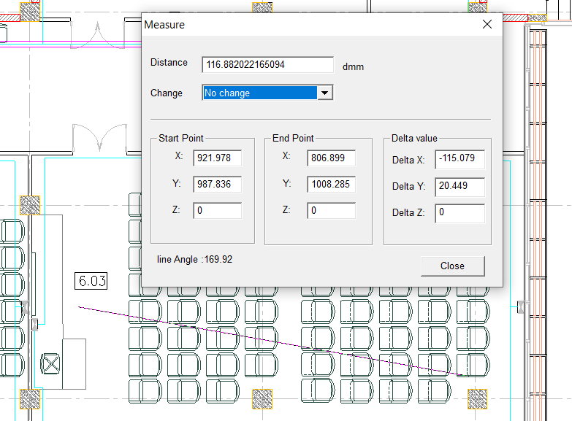

SX1280 Ranging Demo Application.

....................................................................................................
Median of Result : 2
....................................................................................................
Median of Result : 2
....................................................................................................
Median of Result : 2
....................................................................................................
Median of Result : 2
....................................................................................................
Median of Result : 2
....................................................................................................
Median of Result : 2
....................................................................................................
Median of Result : 2
....................................................................................................
Median of Result : 2
....................................................................................................
Median of Result : 2
....................................................................................................
Median of Result : 2
....................................................................................................
Median of Result : 2
....................................................................................................
Median of Result : 2
....................................................................................................
Median of Result : 2
....................................................................................................
Median of Result : 2
....................................................................................................
Median of Result : 2
....................................................................................................
Median of Result : 2
....................................................................................................
Median of Result : 2
....................................................................................................
Median of Result : 2
....................................................................................................
Median of Result : 2
....................................................................................................
Median of Result : 2
....................................................................................................
Median of Result : 2
....................................................................................................
Median of Result : 2
....................................................................................................
Median of Result : 2
....................................................................................................
Median of Result : 2
....................................................................................................
Median of Result : 2
....................................................................................................
Median of Result : 3
....................................................................................................
Median of Result : 3
....................................................................................................
Median of Result : 3
....................................................................................................
Median of Result : 3
....................................................................................................
Median of Result : 3
....................................................................................................
Median of Result : 3
....................................................................................................
Median of Result : 3
..............................................................................................

