Scenario
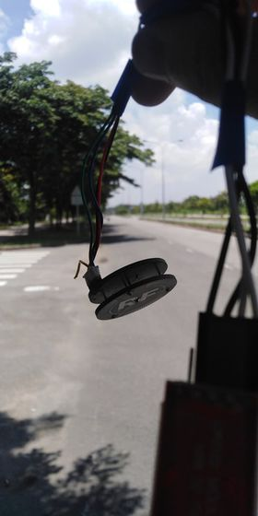
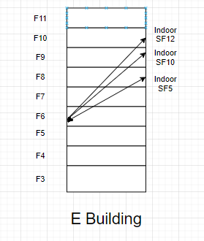
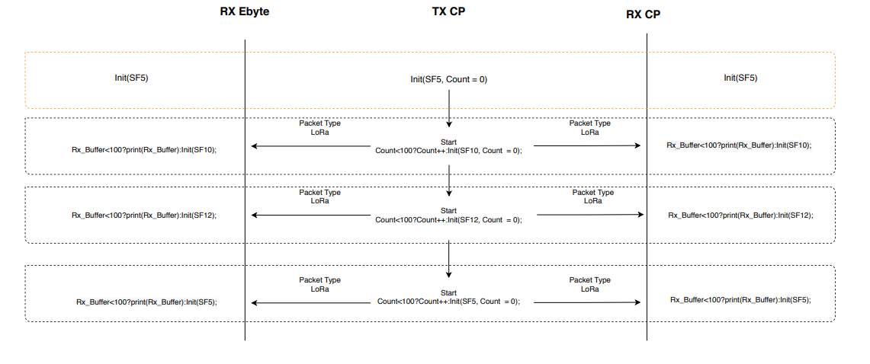
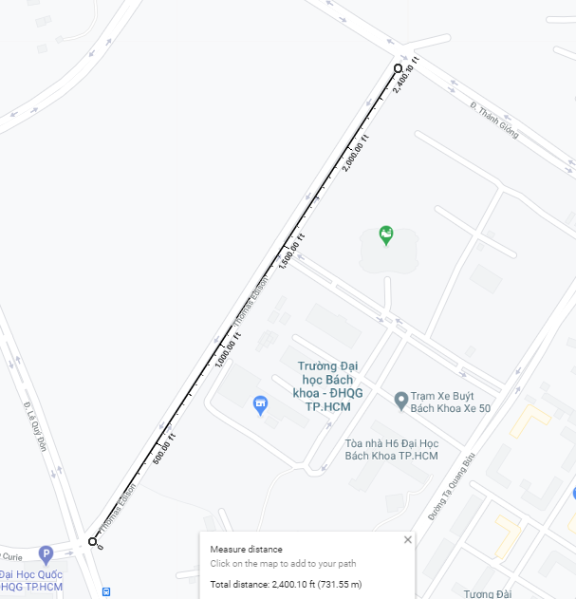
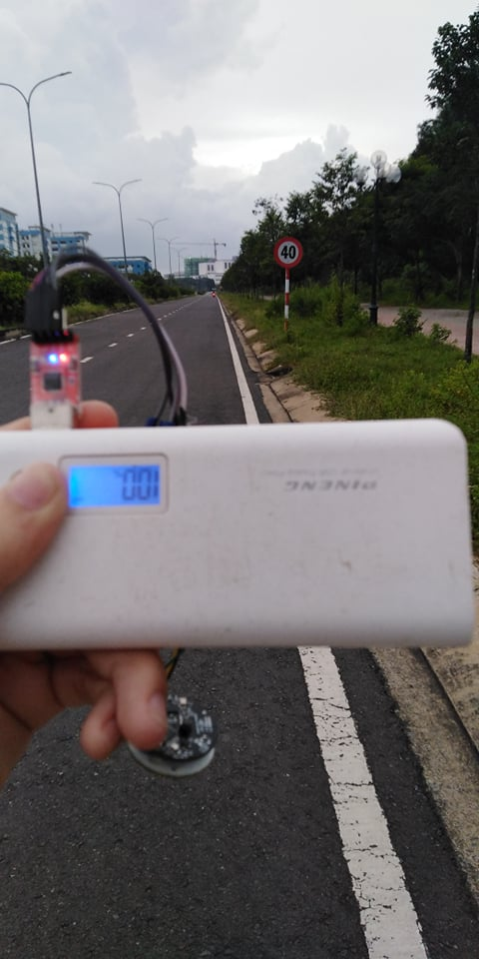

 | PingPong Scenario

 |  |  | Out door Map |  | Indoor Map

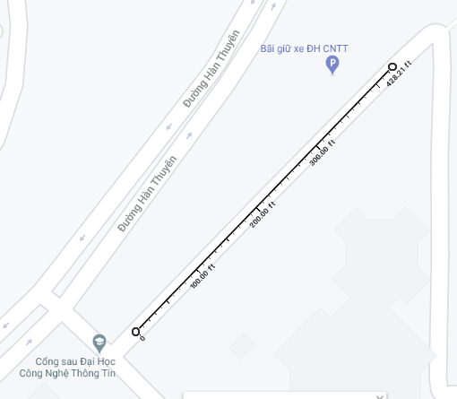

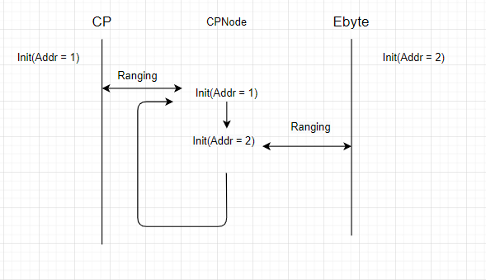

 |  | Ranging Scenario

 |  |  |  | Ranging Distribution Map

Ebyte_Distribution
3.2
3.2
3.2
3.2
ebyte
3.2
3.2
3.2
3.45
3.45 | 3.2 | 2
3.45 | 3.45 | 9
3.45 | 3.67 | 7
3.45 | 3.86 | 31
3.45 | 4.03 | 25
3.45 | 4.17 | 18
3.45 | 4.29 | 2
3.45
3.67
3.67
3.67
3.67
3.67 |  |  | Ranging Distribution
3.67
3.67
3.86
3.86
3.86
3.86
3.86
3.86
3.86
3.86
3.86
3.86
3.86
3.86
3.86
3.86
3.86
3.86
3.86
3.86
3.86
3.86
3.86
3.86
3.86
3.86
3.86
3.86
3.86
3.86
3.86
3.86
3.86
4.03
4.03
4.03
4.03
4.03
4.03
4.03
4.03
4.03
4.03
4.03
4.03
4.03
4.03
4.03
4.03
4.03
4.03
4.03
4.03
4.03
4.03
4.03
4.03
4.03
4.17
4.17
4.17
4.17
4.17
4.17
4.17
4.17
4.17
4.17
4.17
4.17
4.17
4.17
4.17
4.17
4.17
4.17
4.29
4.29

 | 3.2
 | 3.2
 | 3.2
 | 3.2
 | 3.2
 | 3.2
 | 3.2
 | 3.45
 | 3.45
 | 3.45
 | 3.45
 | 3.45
 | 3.45
 | 3.45
 | 3.45
 | 3.45
 | 3.67
 | 3.67
 | 3.67
 | 3.67
 | 3.67
 | 3.67
 | 3.67
 | 3.86
 | 3.86
 | 3.86
 | 3.86
 | 3.86
 | 3.86
 | 3.86
 | 3.86
 | 3.86
 | 3.86
 | 3.86
 | 3.86
 | 3.86
 | 3.86
 | 3.86
 | 3.86
 | 3.86
 | 3.86
 | 3.86
 | 3.86
 | 3.86
 | 3.86
 | 3.86
 | 3.86
 | 3.86
 | 3.86
 | 3.86
...

CP_distribution
CP
0.15
0.15
0.15
0.15
0.15
0.15
0.15 | 0.15 | 8
0.15 | 0.65 | 17
0.65 | 1.11 | 21
0.65 | 1.53 | 36
0.65 | 1.93 | 78
0.65 | 2.29 | 139
0.65 | 2.62 | 151
0.65 | 2.93 | 44
0.65 | 3.2 | 2
0.65 | 4.38 | 1
0.65 |  |  |  |  | Ranging distribution
0.65
0.65
Histogram
 | Frequency
0.15 | 8
0.726818182 | 17
1.111363636 | 21
1.688181818 | 36
2.072727273 | 78
2.457272727 | 139
2.649545455 | 151
3.034090909 | 44
3.226363636 | 2
More | 1
0.65
0.65
0.65 |  | Bin | Frequency | Cumulative %
0.65 |  | 0.15 | 8 | 1.61%
0.65 |  | 0.72681818182 | 17 | 5.03%
0.65 |  | 1.1113636364 | 21 | 9.26%
1.11 |  | 1.6881818182 | 36 | 16.50%
1.11 |  | 2.0727272727 | 78 | 32.19%
1.11 |  | 2.4572727273 | 139 | 60.16%
1.11 |  | 2.6495454545 | 151 | 90.54%
1.11 |  | 3.0340909091 | 44 | 99.40%
1.11 |  | 3.2263636364 | 2 | 99.80%
1.11 |  | More | 1 | 100.00%
1.11
1.11
1.11
1.11
1.11
1.11
1.11
1.11
1.11
1.11
1.11
1.11
1.11
1.11
1.53
1.53
1.53
1.53
1.53
1.53
1.53
1.53
1.53
1.53
1.53
1.53
1.53
1.53
1.53
1.53
1.53
1.53
1.53
1.53
1.53
1.53
1.53
1.53
1.53
1.53
1.53
1.53
1.53
1.53
1.53
1.53
1.53
1.53
1.53
1.53
1.93
1.93
1.93
1.93
1.93
1.93
1.93
1.93
1.93
1.93
1.93
1.93
1.93
1.93
1.93
1.93
1.93
1.93
1.93
1.93
1.93
1.93
1.93
1.93
1.93
1.93
1.93
1.93
1.93
1.93
1.93
1.93
1.93
1.93
1.93
1.93
1.93
1.93
1.93
1.93
1.93
1.93
1.93
1.93
1.93
1.93
1.93
1.93
1.93
1.93
1.93
1.93
1.93
1.93
1.93
1.93
1.93
1.93
1.93
1.93
1.93
1.93
1.93
1.93
1.93
1.93
1.93
1.93
1.93
1.93
1.93
1.93
1.93
1.93
1.93
1.93
1.93
1.93
2.29
2.29
2.29
2.29
2.29
2.29
2.29
2.29
2.29
2.29
2.29
2.29
2.29
2.29
2.29
2.29
2.29
2.29
2.29
2.29
2.29
2.29
2.29
2.29
2.29
2.29
2.29
2.29
2.29
2.29
2.29
2.29
2.29
2.29
2.29
2.29
2.29
2.29
2.29
2.29
2.29
2.29
2.29
2.29
2.29
2.29
2.29
2.29
2.29
2.29
2.29
2.29
2.29
2.29
2.29
2.29
2.29
2.29
2.29
2.29
2.29
2.29
2.29
2.29
2.29
2.29
2.29
2.29
2.29
2.29
2.29
2.29
2.29
2.29
2.29
2.29
2.29
2.29
2.29
2.29
2.29
2.29
2.29
2.29
2.29
2.29
2.29
2.29
2.29
2.29
2.29
2.29
2.29
2.29
2.29
2.29
2.29
2.29
2.29
2.29
2.29
2.29
2.29
2.29
2.29
2.29
2.29
2.29
2.29
2.29
2.29
2.29
2.29
2.29
2.29
2.29
2.29
2.29
2.29
2.29
2.29
2.29
2.29
2.29
2.29
2.29
2.29
2.29
2.29
2.29
2.29
2.29
2.29
2.29
2.29
2.29
2.29
2.29
2.29
2.62
2.62
2.62
2.62
2.62
2.62
2.62
2.62
2.62
2.62
2.62
2.62
2.62
2.62
2.62
2.62
2.62
2.62
2.62
2.62
2.62
2.62
2.62
2.62
2.62
2.62
2.62
2.62
2.62
2.62
2.62
2.62
2.62
2.62
2.62
2.62
2.62
2.62
2.62
2.62
2.62
2.62
2.62
2.62
2.62
2.62
2.62
2.62
2.62
2.62
2.62
2.62
2.62
2.62
2.62
2.62
2.62
2.62
2.62
2.62
2.62
2.62
2.62
2.62
2.62
2.62
2.62
2.62
2.62
2.62
2.62
2.62
2.62
2.62
2.62
2.62
2.62
2.62
2.62
2.62
2.62
2.62
2.62
2.62
2.62
2.62
2.62
2.62
2.62
2.62
2.62
2.62
2.62
2.62
2.62
2.62
2.62
2.62
2.62
2.62
2.62
2.62
2.62
2.62
2.62
2.62
2.62
2.62
2.62
2.62
2.62
2.62
2.62
2.62
2.62
2.62
2.62
2.62
2.62
2.62
2.62
2.62
2.62
2.62
2.62
2.62
2.62
2.62
2.62
2.62
2.62
2.62
2.62
2.62
2.62
2.62
2.62
2.62
2.62
2.62
2.62
2.62
2.62
2.62
2.62
2.62
2.62
2.62
2.62
2.62
2.62
2.93
2.93
2.93
2.93
2.93
2.93
2.93
2.93
2.93
2.93
2.93
2.93
2.93
2.93
2.93
2.93
2.93
2.93
2.93
2.93
2.93
2.93
2.93
2.93
2.93
2.93
2.93
2.93
2.93
2.93
2.93
2.93
2.93
2.93
2.93
2.93
2.93
2.93
2.93
2.93
2.93
2.93
2.93
2.93
3.2
3.2
4.38

CP2-EbyteStation
Histogram
 | Frequency
377914.09 | 1
377915.1267 | 1
377915.645 | 1
377917.2 | 4
377917.7183 | 20
377918.2367 | 37
377918.755 | 38
377919.2733 | 28
377919.7917 | 23
More | 4
1 | 377914.09
2 | 377914.65
3 | 377915.4
4 | 377916.9
5 | 377917
6 | 377917.03
7 | 377917.03 | Bin | Frequency | Cumulative %
8 | 377917.25 | 377914.09 | 1 | 0.64%
9 | 377917.25 | 377915.12667 | 1 | 1.27%
10 | 377917.25 | 377915.645 | 1 | 1.91%
11 | 377917.25 | 377917.2 | 4 | 4.46%
12 | 377917.25 | 377917.71833 | 20 | 17.20%
13 | 377917.28 | 377918.23667 | 37 | 40.76%
14 | 377917.37 | 377918.755 | 38 | 64.97%
15 | 377917.4 | 377919.27333 | 28 | 82.80%
16 | 377917.4 | 377919.79167 | 23 | 97.45%
17 | 377917.4 | More | 4 | 100.00%
18 | 377917.43
19 | 377917.53
20 | 377917.53
21 | 377917.59 | Min | 377914.09
22 | 377917.62 | Max | 377920.31
23 | 377917.62
24 | 377917.65
25 | 377917.65 | Column1
26 | 377917.65
27 | 377917.71 | Mean |  |  | 377918.41057
28 | 377917.81 | Standard Error |  |  | 0.071439449791
29 | 377917.81 | Median |  |  | 377918.43
30 | 377917.84 | Mode |  |  | 377918.81
31 | 377917.84 | Standard Deviation |  |  | 0.89513374021
32 | 377917.84 | Sample Variance |  |  | 0.80126441287
33 | 377917.87 | Kurtosis |  |  | 4.6572455393
34 | 377917.87 | Skewness |  |  | -1.23906065
35 | 377917.87 | Range |  |  | 6.22
36 | 377917.87 | Minimum |  |  | 377914.09
37 | 377917.9 | Maximum |  |  | 377920.31
38 | 377917.9 | Sum |  |  | 59333190.46
39 | 377917.9 | Count |  |  | 157
40 | 377917.9 | Confidence Level(95.0%) |  |  | 0.14111345023
41 | 377917.93
42 | 377917.96
43 | 377917.96
44 | 377917.96
45 | 377918
46 | 377918.03
47 | 377918.03
48 | 377918.09
49 | 377918.12
50 | 377918.12
51 | 377918.12
52 | 377918.12
53 | 377918.12
54 | 377918.15
55 | 377918.15
56 | 377918.18
57 | 377918.18
58 | 377918.18
59 | 377918.18
60 | 377918.21
61 | 377918.21
62 | 377918.21
63 | 377918.21
64 | 377918.21
65 | 377918.25
66 | 377918.25
67 | 377918.25
68 | 377918.28
69 | 377918.28
70 | 377918.28
71 | 377918.28
72 | 377918.31
73 | 377918.31
74 | 377918.37
75 | 377918.37
76 | 377918.4
77 | 377918.4
78 | 377918.4
79 | 377918.43
80 | 377918.43
81 | 377918.43
82 | 377918.46
83 | 377918.46
84 | 377918.46
85 | 377918.5
86 | 377918.5
87 | 377918.5
88 | 377918.56
89 | 377918.56
90 | 377918.59
91 | 377918.59
92 | 377918.59
93 | 377918.59
94 | 377918.62
95 | 377918.68
96 | 377918.68
97 | 377918.68
98 | 377918.68
99 | 377918.71
100 | 377918.71
101 | 377918.75
102 | 377918.75
103 | 377918.78
104 | 377918.81
105 | 377918.81
106 | 377918.81
107 | 377918.81
108 | 377918.81
109 | 377918.81
110 | 377918.81
111 | 377918.81
112 | 377918.84
113 | 377918.84
114 | 377918.87
115 | 377918.9
116 | 377918.96
117 | 377918.96
118 | 377918.96
119 | 377919
120 | 377919.09
121 | 377919.12
122 | 377919.12
123 | 377919.15
124 | 377919.15
125 | 377919.18
126 | 377919.18
127 | 377919.18
128 | 377919.18
129 | 377919.18
130 | 377919.18
131 | 377919.28
132 | 377919.28
133 | 377919.31
134 | 377919.31
135 | 377919.31
136 | 377919.31
137 | 377919.31
138 | 377919.4
139 | 377919.43
140 | 377919.43
141 | 377919.46
142 | 377919.56
143 | 377919.56
144 | 377919.59
145 | 377919.59
146 | 377919.59
147 | 377919.59
148 | 377919.59
149 | 377919.59
150 | 377919.65
151 | 377919.65
152 | 377919.71
153 | 377919.75
154 | 377919.96
155 | 377920.09
156 | 377920.18
157 | 377920.31

EByte2-EbyteStation
Histogram

377907.12 | Bin | Frequency | Cumulative %
377908.15 | 377796.84 | 1 | 0.54%
377905.62 | 377828.20462 | 1 | 1.08%
377906.9 | 377843.88692 | 1 | 1.62%
377904.81 | 377859.56923 | 2 | 2.70%
377899.28 | 377875.25154 | 2 | 3.78%
377896.84 | 377890.93385 | 5 | 6.49%
377890.15 | 377906.61615 | 22 | 18.38%
377889.46 | 377922.29846 | 50 | 45.41%
377922.31 | 377937.98077 | 60 | 77.84%
377919.56 | 377953.66308 | 21 | 89.19%
377918.03 | 377969.34538 | 14 | 96.76%
377915.75 | 377985.02769 | 5 | 99.46%
377913.96 | More | 1 | 100.00%
377913.75
377913.62
377916.71
377918.37
377918.28
377918.12
377916.15
377913.28
377909.15 | Column1
377969.62
377926.84 | Mean |  |  | 377923.242
377915.78 | Standard Error |  |  | 1.9419503327
377911 | Median |  |  | 377924.34
377907.5 | Mode |  |  | 377925.03
377903.09 | Standard Deviation |  |  | 26.41338018
377934.93 | Sample Variance |  |  | 697.66665251
377926.25 | Kurtosis |  |  | 4.5450480429
377917.87 | Skewness |  |  | -1.0482507107
377916.43 | Range |  |  | 203.87
377913.87 | Minimum |  |  | 377796.84
377912.9 | Maximum |  |  | 378000.71
377912.28 | Sum |  |  | 69915799.77
377909.34 | Count |  |  | 185
377906.87 | Confidence Level(95.0%) |  |  | 3.8313524606
377906.87
377905.21
377903.65
377905.15
377902.93
377901.65
377919.06
377945.71
377933.31
377927.12
377925.31
377923.84
377928.34
377945.25
377953.15
377959.84
377933.46
377927.75
377929.06
377935.78
377936.78
377932.96
377930.5
377925.68
377922.84
377923.81
377925.03
377926.28
377929.75
377929.84
377928.84
377926.68
377923.31
377919.81
377916.65
377915.12
377913.25
377913.5
377913.68
377916.53
377922.34
377932.37
377937.28
377933.09
377931.09
377927.06
377926.31
377926.71
377928.03
377929.65
377924.62
377911.78
377901.68
377872.81
377813.71
377796.84
377937.9
377850.21
377965.37
377932.03
377910.87
377893.75
377879.5
377903.53
377913.5
377922.68
377924.34
377928.59
377929.9
377933.62
377935
377939.84
377943.18
377952.71
377946.31
377937.81
377944.25
377950.31
377957.28
377964.25
377972.75
377965
377939.65
377926.31
377914.15
377911.68
377909.21
377912.65
377914.46
377933.87
377948.78
377951.96
377954.84
377950.09
377950.65
377951.46
377953.43
377954.78
377955.03
377956.21
377961.9
377980.62
378000.71
377972.65
377915.71
377906.68
377904.28
377904
377904.78
377905.46
377906.31
377911.28
377923.46
377929.18
377935.75
377957.21
377968.81
377943.15
377934.06
377932.12
377938.46
377953.87
377957.62
377946.46
377935.46
377925.03
377922.15
377920.18
377921.37
377925.03
377928.65
377930.18
377936.28
377944
377975.84
377931.15
377836.75
377844.43
377882.15
377896.43
377899.12
377894.84
377892
377887.81
377873.46
377914.53
377946.12

RealMeasure
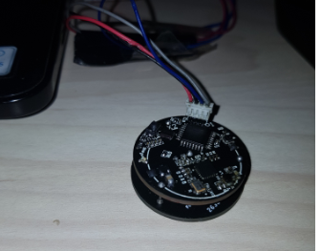
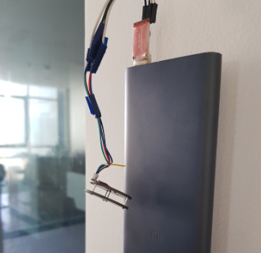
In room 6.8 to FPT
22.59375
20.53125
19.640625
19.984375
19.28125
19.390625
19.09375
19.984375
20.109375
19.765625
25.265625
20.84375
19.34375
19.328125
19.484375
19.453125
19.625
19.21875
20.03125
22.3125
20.921875
20.265625
20.640625
19.96875
12.90625
17.734375
18.84375
14.234375
Histogram
20.25 | Bin | Frequency | Cumulative %
19.40625 | -10.015625 | 1 | 0.21%
19.171875 | -2.8035714286 | 1 | 0.41%
19.953125 | 2.0044642857 | 1 | 0.62%
17.734375 | 6.8125 | 1 | 0.83%
19.546875 | 11.620535714 | 3 | 1.45%
19.625 | 14.024553571 | 8 | 3.11%
21.3125 | 16.428571429 | 35 | 10.35%
20.28125 | 18.832589286 | 260 | 64.18%
20.65625 | 21.236607143 | 152 | 95.65%
13.578125 | 23.640625 | 13 | 98.34%
19.75 | 26.044642857 | 3 | 98.96%
19.484375 | 28.448660714 | 2 | 99.38%
20.34375 | 30.852678571 | 1 | 99.59%
23.328125 | 38.064732143 | 1 | 99.79%
18.5625 | More | 1 | 100.00%
19.09375
18.90625
19.984375
17.703125
19.984375
-3.671875 | Column1
19.328125
22.9375 | Mean |  |  | 18.226708075
20.0625 | Standard Error |  |  | 0.13726658941
18.515625 | Median |  |  | 18.28125
19.359375 | Mode |  |  | 17.734375
18.5625 | Standard Deviation |  |  | 3.0167436588
19.03125 | Sample Variance |  |  | 9.100742303
19.90625 | Kurtosis |  |  | 33.690806644
18.65625 | Skewness |  |  | -1.4946220262
19.171875 | Range |  |  | 50.484375
19.25 | Minimum |  |  | -10.015625
19.953125 | Maximum |  |  | 40.46875
19.140625 | Sum |  |  | 8803.5
17.984375 | Count |  |  | 483
19.40625 | Confidence Level(95.0%) |  |  | 0.26971481933
17.375
21.78125
18.328125
19.921875
19.65625
18.9375
17.921875
17.359375
19.015625
20.078125
18.40625
18.546875
19.1875
19.328125
17.296875
20.53125
19.640625
18.1875
19.609375
19.828125
19.65625
14.609375
18.171875
18.9375
18.78125
19.625
16.78125
18.6875
16.78125
17.109375
40.46875
20.34375
17.828125
19.78125
18.40625
16.140625
16.625
17.09375
18.8125
17.3125
17.71875
19.640625
17.671875
18
17.734375
17.546875
18.359375
18.28125
17.453125
11.921875
18.59375
17.234375
17.96875
17.578125
18.859375
17.171875
18.90625
18.734375
19.015625
24.484375
17.984375
16.9375
16.421875
17.921875
16.625
19.578125
15.890625
17.421875
19.015625
6.03125
18.15625
21.125
18.3125
16.765625
18.984375
16.546875
17.734375
20.1875
16.078125
19.25
16.859375
29.921875
17.359375
19.796875
18.921875
19.359375
19
16.625
19.625
18.640625
17.625
18.3125
14.609375
18.03125
18.390625
16.78125
16.828125
18.5625
17.203125
17.515625
18.15625
18.5
17.90625
19.1875
17.625
17.734375
17.875
18.265625
18.125
18.703125
13.953125
18.25
17.90625
18.875
10.375
19.484375
11.640625
21.140625
18.28125
18.984375
19.15625
20.046875
18.921875
19.546875
18.3125
18.25
18.40625
16.578125
15.78125
16.640625
26.03125
-10.015625
18.8125
16.90625
19.359375
16.46875
17.46875
17.125
19.09375
16.6875
17.5
17.578125
17.828125
26.65625
19.046875
17.515625
18.125
19.1875
16.78125
16.875
14.65625
17.890625
16.625
17.703125
17.921875
15.515625
17.359375
18.859375
17.5
16.9375
18.171875
17.8125
17.125
18.359375
18.859375
13.6875
18
18.125
18.859375
18.296875
17.8125
19.015625
17.921875
18.359375
18.421875
18.6875
18.734375
19.203125
17.671875
17.375
17.71875
16.4375
18.515625
16.21875
18.34375
18.71875
16.484375
18.703125
17.546875
18.390625
16.109375
17.109375
18.15625
17.96875
16.96875
16.34375
17.578125
16.609375
17.234375
17.703125
17.5
17.421875
15.953125
18.859375
18.15625
17.859375
15.828125
38.046875
18.09375
18.015625
17.03125
17.453125
18.90625
17.578125
18.0625
17.453125
16.859375
17.984375
18.5
18.015625
17.5625
17.59375
17.09375
18.109375
15.421875
18.25
17.765625
20.03125
18.25
14.1875
0.390625
18.09375
16.375
17.765625
18.046875
18.5625
18.1875
20.984375
15.296875
19.09375
15.328125
18.09375
17.578125
19.640625
17.59375
18.421875
17.6875
18.046875
19.015625
16.46875
15.546875
17.703125
17.765625
18.03125
17.03125
18.359375
17.453125
18.296875
20.296875
17.453125
17.828125
18.9375
18.71875
16.25
16.421875
17.53125
18.109375
16.515625
18.28125
16.109375
18.9375
16.265625
20.328125
17.140625
17.234375
17.28125
18.4375
18.21875
18.4375
18.125
18.4375
14.484375
19.25
19.515625
19.328125
20.25
20.265625
17.140625
18.03125
18.390625
11.0625
18.40625
20.65625
18.765625
14.84375
14.203125
17.03125
18.25
16.5
21.484375
15.90625
22.875
15.25
15.484375
17.734375
18.59375
19.359375
18.28125
18.28125
18.203125
18.3125
19.671875
19.03125
16.703125
13.96875
19.03125
16.96875
16.6875
18.09375
18.125
19.328125
18.625
18.875
20.21875
18.875
19.953125
17.5625
17.75
19.359375
20.25
17.109375
17.796875
18.59375
13.953125
20.4375
18.796875
18.109375
16.828125
16.234375
18.3125
19.796875
17.453125
17.53125
19.734375
20.453125
18.75
19.25
19.171875
18.921875
18.625
18.328125
16.078125
16.65625
19.3125
19.03125
18.28125
17.5625
16.53125
16.5
17.859375
18.4375
17.96875
16.515625
18.40625
17.765625
17.765625
23.09375
16.140625
17.15625
17.15625
19.15625
18.984375
18.46875
16.765625
18.65625
18.5625
14.0625
17.859375
18.15625
18.3125
16.640625
17.625
18.9375
22
17.578125
18.90625
18.171875
17.71875
21.078125
17.6875
17.703125
20.046875
20.71875
21.390625
21.296875
20
18.484375
19.171875
18.25
20.734375
19.765625
26.53125
18.71875
18.859375
16.9375
19.46875
19.796875
21.578125
18.578125
19.609375
20.03125
18.171875
18.1875
19.140625
18.5625
11.53125
19.765625
19.796875

