Scenario
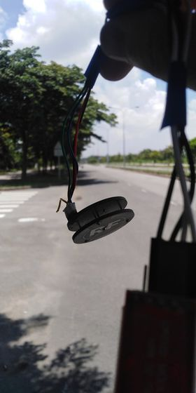
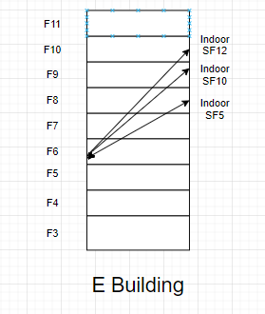
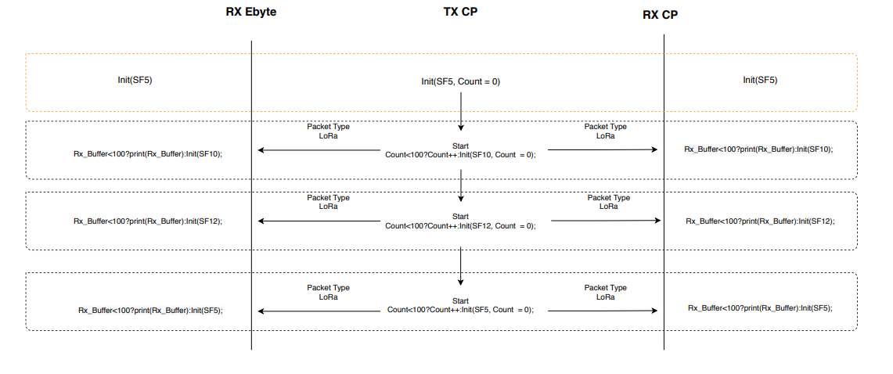
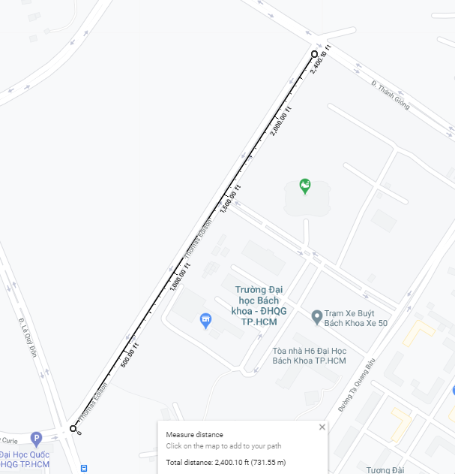
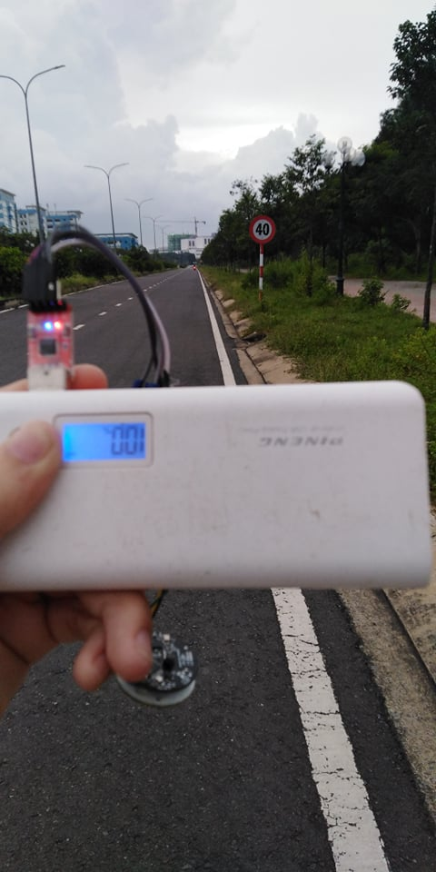

 | PingPong Scenario

 |  |  | Out door Map |  | Indoor Map

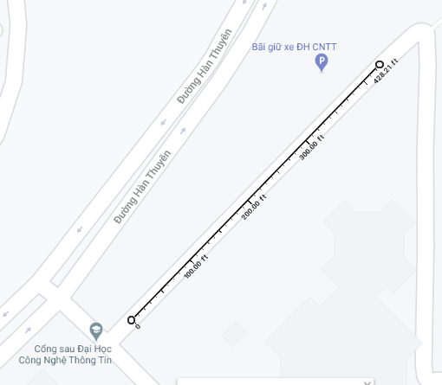

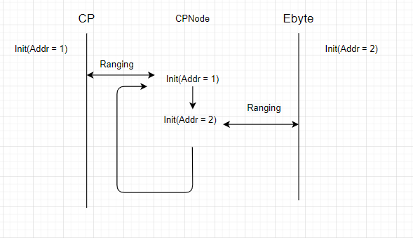

 |  | Ranging Scenario

 |  |  |  | Ranging Distribution Map

Ebyte_Distribution
3.2
3.2
3.2
3.2
ebyte
3.2
3.2
3.2
3.45
3.45 | 3.2 | 2
3.45 | 3.45 | 9
3.45 | 3.67 | 7
3.45 | 3.86 | 31
3.45 | 4.03 | 25
3.45 | 4.17 | 18
3.45 | 4.29 | 2
3.45
3.67
3.67
3.67
3.67
3.67 |  |  | Ranging Distribution
3.67
3.67
3.86
3.86
3.86
3.86
3.86
3.86
3.86
3.86
3.86
3.86
3.86
3.86
3.86
3.86
3.86
3.86
3.86
3.86
3.86
3.86
3.86
3.86
3.86
3.86
3.86
3.86
3.86
3.86
3.86
3.86
3.86
4.03
4.03
4.03
4.03
4.03
4.03
4.03
4.03
4.03
4.03
4.03
4.03
4.03
4.03
4.03
4.03
4.03
4.03
4.03
4.03
4.03
4.03
4.03
4.03
4.03
4.17
4.17
4.17
4.17
4.17
4.17
4.17
4.17
4.17
4.17
4.17
4.17
4.17
4.17
4.17
4.17
4.17
4.17
4.29
4.29

 | 3.2
 | 3.2
 | 3.2
 | 3.2
 | 3.2
 | 3.2
 | 3.2
 | 3.45
 | 3.45
 | 3.45
 | 3.45
 | 3.45
 | 3.45
 | 3.45
 | 3.45
 | 3.45
 | 3.67
 | 3.67
 | 3.67
 | 3.67
 | 3.67
 | 3.67
 | 3.67
 | 3.86
 | 3.86
 | 3.86
 | 3.86
 | 3.86
 | 3.86
 | 3.86
 | 3.86
 | 3.86
 | 3.86
 | 3.86
 | 3.86
 | 3.86
 | 3.86
 | 3.86
 | 3.86
 | 3.86
 | 3.86
 | 3.86
 | 3.86
 | 3.86
 | 3.86
 | 3.86
 | 3.86
 | 3.86
 | 3.86
 | 3.86
...

CP_distribution
CP
0.15
0.15
0.15
0.15
0.15
0.15
0.15 | 0.15 | 8
0.15 | 0.65 | 17
0.65 | 1.11 | 21
0.65 | 1.53 | 36
0.65 | 1.93 | 78
0.65 | 2.29 | 139
0.65 | 2.62 | 151
0.65 | 2.93 | 44
0.65 | 3.2 | 2
0.65 | 4.38 | 1
0.65 |  |  |  |  | Ranging distribution
0.65
0.65
Histogram
 | Frequency
0.15 | 8
0.726818182 | 17
1.111363636 | 21
1.688181818 | 36
2.072727273 | 78
2.457272727 | 139
2.649545455 | 151
3.034090909 | 44
3.226363636 | 2
More | 1
0.65
0.65
0.65 |  | Bin | Frequency | Cumulative %
0.65 |  | 0.15 | 8 | 1.61%
0.65 |  | 0.72681818182 | 17 | 5.03%
0.65 |  | 1.1113636364 | 21 | 9.26%
1.11 |  | 1.6881818182 | 36 | 16.50%
1.11 |  | 2.0727272727 | 78 | 32.19%
1.11 |  | 2.4572727273 | 139 | 60.16%
1.11 |  | 2.6495454545 | 151 | 90.54%
1.11 |  | 3.0340909091 | 44 | 99.40%
1.11 |  | 3.2263636364 | 2 | 99.80%
1.11 |  | More | 1 | 100.00%
1.11
1.11
1.11
1.11
1.11
1.11
1.11
1.11
1.11
1.11
1.11
1.11
1.11
1.11
1.53
1.53
1.53
1.53
1.53
1.53
1.53
1.53
1.53
1.53
1.53
1.53
1.53
1.53
1.53
1.53
1.53
1.53
1.53
1.53
1.53
1.53
1.53
1.53
1.53
1.53
1.53
1.53
1.53
1.53
1.53
1.53
1.53
1.53
1.53
1.53
1.93
1.93
1.93
1.93
1.93
1.93
1.93
1.93
1.93
1.93
1.93
1.93
1.93
1.93
1.93
1.93
1.93
1.93
1.93
1.93
1.93
1.93
1.93
1.93
1.93
1.93
1.93
1.93
1.93
1.93
1.93
1.93
1.93
1.93
1.93
1.93
1.93
1.93
1.93
1.93
1.93
1.93
1.93
1.93
1.93
1.93
1.93
1.93
1.93
1.93
1.93
1.93
1.93
1.93
1.93
1.93
1.93
1.93
1.93
1.93
1.93
1.93
1.93
1.93
1.93
1.93
1.93
1.93
1.93
1.93
1.93
1.93
1.93
1.93
1.93
1.93
1.93
1.93
2.29
2.29
2.29
2.29
2.29
2.29
2.29
2.29
2.29
2.29
2.29
2.29
2.29
2.29
2.29
2.29
2.29
2.29
2.29
2.29
2.29
2.29
2.29
2.29
2.29
2.29
2.29
2.29
2.29
2.29
2.29
2.29
2.29
2.29
2.29
2.29
2.29
2.29
2.29
2.29
2.29
2.29
2.29
2.29
2.29
2.29
2.29
2.29
2.29
2.29
2.29
2.29
2.29
2.29
2.29
2.29
2.29
2.29
2.29
2.29
2.29
2.29
2.29
2.29
2.29
2.29
2.29
2.29
2.29
2.29
2.29
2.29
2.29
2.29
2.29
2.29
2.29
2.29
2.29
2.29
2.29
2.29
2.29
2.29
2.29
2.29
2.29
2.29
2.29
2.29
2.29
2.29
2.29
2.29
2.29
2.29
2.29
2.29
2.29
2.29
2.29
2.29
2.29
2.29
2.29
2.29
2.29
2.29
2.29
2.29
2.29
2.29
2.29
2.29
2.29
2.29
2.29
2.29
2.29
2.29
2.29
2.29
2.29
2.29
2.29
2.29
2.29
2.29
2.29
2.29
2.29
2.29
2.29
2.29
2.29
2.29
2.29
2.29
2.29
2.62
2.62
2.62
2.62
2.62
2.62
2.62
2.62
2.62
2.62
2.62
2.62
2.62
2.62
2.62
2.62
2.62
2.62
2.62
2.62
2.62
2.62
2.62
2.62
2.62
2.62
2.62
2.62
2.62
2.62
2.62
2.62
2.62
2.62
2.62
2.62
2.62
2.62
2.62
2.62
2.62
2.62
2.62
2.62
2.62
2.62
2.62
2.62
2.62
2.62
2.62
2.62
2.62
2.62
2.62
2.62
2.62
2.62
2.62
2.62
2.62
2.62
2.62
2.62
2.62
2.62
2.62
2.62
2.62
2.62
2.62
2.62
2.62
2.62
2.62
2.62
2.62
2.62
2.62
2.62
2.62
2.62
2.62
2.62
2.62
2.62
2.62
2.62
2.62
2.62
2.62
2.62
2.62
2.62
2.62
2.62
2.62
2.62
2.62
2.62
2.62
2.62
2.62
2.62
2.62
2.62
2.62
2.62
2.62
2.62
2.62
2.62
2.62
2.62
2.62
2.62
2.62
2.62
2.62
2.62
2.62
2.62
2.62
2.62
2.62
2.62
2.62
2.62
2.62
2.62
2.62
2.62
2.62
2.62
2.62
2.62
2.62
2.62
2.62
2.62
2.62
2.62
2.62
2.62
2.62
2.62
2.62
2.62
2.62
2.62
2.62
2.93
2.93
2.93
2.93
2.93
2.93
2.93
2.93
2.93
2.93
2.93
2.93
2.93
2.93
2.93
2.93
2.93
2.93
2.93
2.93
2.93
2.93
2.93
2.93
2.93
2.93
2.93
2.93
2.93
2.93
2.93
2.93
2.93
2.93
2.93
2.93
2.93
2.93
2.93
2.93
2.93
2.93
2.93
2.93
3.2
3.2
4.38

CP2-EbyteStation
Histogram
 | Frequency
377914.09 | 1
377915.1267 | 1
377915.645 | 1
377917.2 | 4
377917.7183 | 20
377918.2367 | 37
377918.755 | 38
377919.2733 | 28
377919.7917 | 23
More | 4
1 | 377914.09
2 | 377914.65
3 | 377915.4
4 | 377916.9
5 | 377917
6 | 377917.03
7 | 377917.03 | Bin | Frequency | Cumulative %
8 | 377917.25 | 377914.09 | 1 | 0.64%
9 | 377917.25 | 377915.12667 | 1 | 1.27%
10 | 377917.25 | 377915.645 | 1 | 1.91%
11 | 377917.25 | 377917.2 | 4 | 4.46%
12 | 377917.25 | 377917.71833 | 20 | 17.20%
13 | 377917.28 | 377918.23667 | 37 | 40.76%
14 | 377917.37 | 377918.755 | 38 | 64.97%
15 | 377917.4 | 377919.27333 | 28 | 82.80%
16 | 377917.4 | 377919.79167 | 23 | 97.45%
17 | 377917.4 | More | 4 | 100.00%
18 | 377917.43
19 | 377917.53
20 | 377917.53
21 | 377917.59 | Min | 377914.09
22 | 377917.62 | Max | 377920.31
23 | 377917.62
24 | 377917.65
25 | 377917.65 | Column1
26 | 377917.65
27 | 377917.71 | Mean |  |  | 377918.41057
28 | 377917.81 | Standard Error |  |  | 0.071439449791
29 | 377917.81 | Median |  |  | 377918.43
30 | 377917.84 | Mode |  |  | 377918.81
31 | 377917.84 | Standard Deviation |  |  | 0.89513374021
32 | 377917.84 | Sample Variance |  |  | 0.80126441287
33 | 377917.87 | Kurtosis |  |  | 4.6572455393
34 | 377917.87 | Skewness |  |  | -1.23906065
35 | 377917.87 | Range |  |  | 6.22
36 | 377917.87 | Minimum |  |  | 377914.09
37 | 377917.9 | Maximum |  |  | 377920.31
38 | 377917.9 | Sum |  |  | 59333190.46
39 | 377917.9 | Count |  |  | 157
40 | 377917.9 | Confidence Level(95.0%) |  |  | 0.14111345023
41 | 377917.93
42 | 377917.96
43 | 377917.96
44 | 377917.96
45 | 377918
46 | 377918.03
47 | 377918.03
48 | 377918.09
49 | 377918.12
50 | 377918.12
51 | 377918.12
52 | 377918.12
53 | 377918.12
54 | 377918.15
55 | 377918.15
56 | 377918.18
57 | 377918.18
58 | 377918.18
59 | 377918.18
60 | 377918.21
61 | 377918.21
62 | 377918.21
63 | 377918.21
64 | 377918.21
65 | 377918.25
66 | 377918.25
67 | 377918.25
68 | 377918.28
69 | 377918.28
70 | 377918.28
71 | 377918.28
72 | 377918.31
73 | 377918.31
74 | 377918.37
75 | 377918.37
76 | 377918.4
77 | 377918.4
78 | 377918.4
79 | 377918.43
80 | 377918.43
81 | 377918.43
82 | 377918.46
83 | 377918.46
84 | 377918.46
85 | 377918.5
86 | 377918.5
87 | 377918.5
88 | 377918.56
89 | 377918.56
90 | 377918.59
91 | 377918.59
92 | 377918.59
93 | 377918.59
94 | 377918.62
95 | 377918.68
96 | 377918.68
97 | 377918.68
98 | 377918.68
99 | 377918.71
100 | 377918.71
101 | 377918.75
102 | 377918.75
103 | 377918.78
104 | 377918.81
105 | 377918.81
106 | 377918.81
107 | 377918.81
108 | 377918.81
109 | 377918.81
110 | 377918.81
111 | 377918.81
112 | 377918.84
113 | 377918.84
114 | 377918.87
115 | 377918.9
116 | 377918.96
117 | 377918.96
118 | 377918.96
119 | 377919
120 | 377919.09
121 | 377919.12
122 | 377919.12
123 | 377919.15
124 | 377919.15
125 | 377919.18
126 | 377919.18
127 | 377919.18
128 | 377919.18
129 | 377919.18
130 | 377919.18
131 | 377919.28
132 | 377919.28
133 | 377919.31
134 | 377919.31
135 | 377919.31
136 | 377919.31
137 | 377919.31
138 | 377919.4
139 | 377919.43
140 | 377919.43
141 | 377919.46
142 | 377919.56
143 | 377919.56
144 | 377919.59
145 | 377919.59
146 | 377919.59
147 | 377919.59
148 | 377919.59
149 | 377919.59
150 | 377919.65
151 | 377919.65
152 | 377919.71
153 | 377919.75
154 | 377919.96
155 | 377920.09
156 | 377920.18
157 | 377920.31

EByte2-EbyteStation
Histogram

377907.12 | Bin | Frequency | Cumulative %
377908.15 | 377796.84 | 1 | 0.54%
377905.62 | 377828.20462 | 1 | 1.08%
377906.9 | 377843.88692 | 1 | 1.62%
377904.81 | 377859.56923 | 2 | 2.70%
377899.28 | 377875.25154 | 2 | 3.78%
377896.84 | 377890.93385 | 5 | 6.49%
377890.15 | 377906.61615 | 22 | 18.38%
377889.46 | 377922.29846 | 50 | 45.41%
377922.31 | 377937.98077 | 60 | 77.84%
377919.56 | 377953.66308 | 21 | 89.19%
377918.03 | 377969.34538 | 14 | 96.76%
377915.75 | 377985.02769 | 5 | 99.46%
377913.96 | More | 1 | 100.00%
377913.75
377913.62
377916.71
377918.37
377918.28
377918.12
377916.15
377913.28
377909.15 | Column1
377969.62
377926.84 | Mean |  |  | 377923.242
377915.78 | Standard Error |  |  | 1.9419503327
377911 | Median |  |  | 377924.34
377907.5 | Mode |  |  | 377925.03
377903.09 | Standard Deviation |  |  | 26.41338018
377934.93 | Sample Variance |  |  | 697.66665251
377926.25 | Kurtosis |  |  | 4.5450480429
377917.87 | Skewness |  |  | -1.0482507107
377916.43 | Range |  |  | 203.87
377913.87 | Minimum |  |  | 377796.84
377912.9 | Maximum |  |  | 378000.71
377912.28 | Sum |  |  | 69915799.77
377909.34 | Count |  |  | 185
377906.87 | Confidence Level(95.0%) |  |  | 3.8313524606
377906.87
377905.21
377903.65
377905.15
377902.93
377901.65
377919.06
377945.71
377933.31
377927.12
377925.31
377923.84
377928.34
377945.25
377953.15
377959.84
377933.46
377927.75
377929.06
377935.78
377936.78
377932.96
377930.5
377925.68
377922.84
377923.81
377925.03
377926.28
377929.75
377929.84
377928.84
377926.68
377923.31
377919.81
377916.65
377915.12
377913.25
377913.5
377913.68
377916.53
377922.34
377932.37
377937.28
377933.09
377931.09
377927.06
377926.31
377926.71
377928.03
377929.65
377924.62
377911.78
377901.68
377872.81
377813.71
377796.84
377937.9
377850.21
377965.37
377932.03
377910.87
377893.75
377879.5
377903.53
377913.5
377922.68
377924.34
377928.59
377929.9
377933.62
377935
377939.84
377943.18
377952.71
377946.31
377937.81
377944.25
377950.31
377957.28
377964.25
377972.75
377965
377939.65
377926.31
377914.15
377911.68
377909.21
377912.65
377914.46
377933.87
377948.78
377951.96
377954.84
377950.09
377950.65
377951.46
377953.43
377954.78
377955.03
377956.21
377961.9
377980.62
378000.71
377972.65
377915.71
377906.68
377904.28
377904
377904.78
377905.46
377906.31
377911.28
377923.46
377929.18
377935.75
377957.21
377968.81
377943.15
377934.06
377932.12
377938.46
377953.87
377957.62
377946.46
377935.46
377925.03
377922.15
377920.18
377921.37
377925.03
377928.65
377930.18
377936.28
377944
377975.84
377931.15
377836.75
377844.43
377882.15
377896.43
377899.12
377894.84
377892
377887.81
377873.46
377914.53
377946.12

