ObjectDiagram
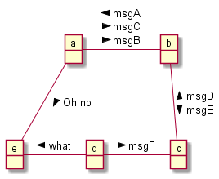
@startuml |  |  |  |  | @startuml
object | a |  |  |  | object a
object | b |  |  |  | object b
object | c |  |  |  | object c
object | d |  |  |  | object d
object | e |  |  |  | object e

a | - | b | ← | msgA | a-b: < msgA\n\
 |  |  | → | msgC | msgC >\n\
 |  |  | → | msgB | msgB >
b | -- | c | ← | msgD | b--c: < msgD\n\
 |  |  | → | msgE | msgE >
d | - | c | → | msgF | d-c: msgF >
e | - | d | ← | what | e-d: < what
a | -- | e | → | Oh no | a--e: Oh no >
@enduml |  |  |  |  | @enduml

