BT
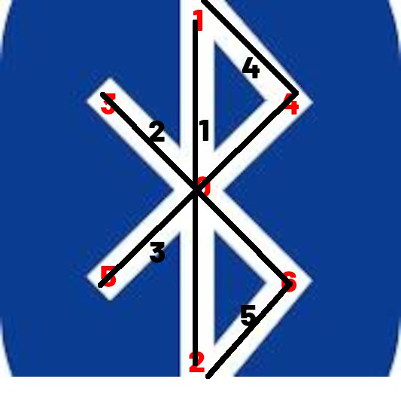
point | x | y | x | y
0 | 0 | 0 | centrex+0*tailleLogo | centrey+0*tailleLogo
1 | 0 | -0.5 | centrex+0*tailleLogo | centrey+-0.5*tailleLogo
2 | 0 | 0.5 | centrex+0*tailleLogo | centrey+0.5*tailleLogo
3 | -0.25 | -0.25 | centrex+-0.25*tailleLogo | centrey+-0.25*tailleLogo
4 | 0.25 | -0.25 | centrex+0.25*tailleLogo | centrey+-0.25*tailleLogo
5 | -0.25 | 0.25 | centrex+-0.25*tailleLogo | centrey+0.25*tailleLogo
6 | 0.25 | 0.25 | centrex+0.25*tailleLogo | centrey+0.25*tailleLogo

ligne | pt | pt | x1 | y1 | x2 | y2*
1 | 1 | 2 | centrex+0*tailleLogo | centrey+-0.5*tailleLogo | centrex+0*tailleLogo | centrey+0.5*tailleLogo
2 | 3 | 6 | centrex+-0.25*tailleLogo | centrey+-0.25*tailleLogo | centrex+0.25*tailleLogo | centrey+0.25*tailleLogo
3 | 5 | 4 | centrex+-0.25*tailleLogo | centrey+0.25*tailleLogo | centrex+0.25*tailleLogo | centrey+-0.25*tailleLogo
4 | 1 | 4 | centrex+0*tailleLogo | centrey+-0.5*tailleLogo | centrex+0.25*tailleLogo | centrey+-0.25*tailleLogo
5 | 2 | 6 | centrex+0*tailleLogo | centrey+0.5*tailleLogo | centrex+0.25*tailleLogo | centrey+0.25*tailleLogo

ligne
1 |  |  | dc.drawLine(centrex+0*tailleLogo,centrey+-0.5*tailleLogo,centrex+0*tailleLogo,centrey+0.5*tailleLogo);
2 |  |  | dc.drawLine(centrex+-0.25*tailleLogo,centrey+-0.25*tailleLogo,centrex+0.25*tailleLogo,centrey+0.25*tailleLogo);
3 |  |  | dc.drawLine(centrex+-0.25*tailleLogo,centrey+0.25*tailleLogo,centrex+0.25*tailleLogo,centrey+-0.25*tailleLogo);
4 |  |  | dc.drawLine(centrex+0*tailleLogo,centrey+-0.5*tailleLogo,centrex+0.25*tailleLogo,centrey+-0.25*tailleLogo);
5 |  |  | dc.drawLine(centrex+0*tailleLogo,centrey+0.5*tailleLogo,centrex+0.25*tailleLogo,centrey+0.25*tailleLogo);

