Sheet1
 |  |  |  |  | less vars = more execution time in polynomial for svm - 3 vars
 | Logistic | kNN (without folds) | kNN (with folds) | SVM
1 | 0.51884057971 | 0.77826086957 | 0.80304546437 | 0.80652173913 | 4 vars | k = 1 | {'svc__C': 5, 'svc__gamma': 10, 'svc__kernel': 'rbf'}
2 | 0.59202898551 | 0.7731884058 | 0.78226141867 | 0.78188405797 | 6 vars | k = 1 | {'svc__C': 1, 'svc__gamma': 10, 'svc__kernel': 'rbf'}
3 | 0.59565217391 | 0.75797101449 | 0.76679693205 | 0.74420289855 | 5 vars | k = 3 | {'svc__C': 5, 'svc__gamma': 1, 'svc__kernel': 'rbf'}
4 | 0.52391304348 | 0.76666666667 | 0.75978830416 | 0.76884057971 | 4 vars | k = 1 | {'svc__C': 5, 'svc__gamma': 10, 'svc__kernel': 'rbf'}
5 | 0.51956521739 | 0.75 | 0.75374177079 | 0.75289855072 | 3 vars | k = 3 | {'svc__C': 2, 'svc__gamma': 10, 'svc__kernel': 'rbf'}
 | 0.55 | 0.7652173913 | 0.77312677801 | 0.77086956522
 |  |  |  |  |  |  |  | For trial 3
Algorithms vs Average Score
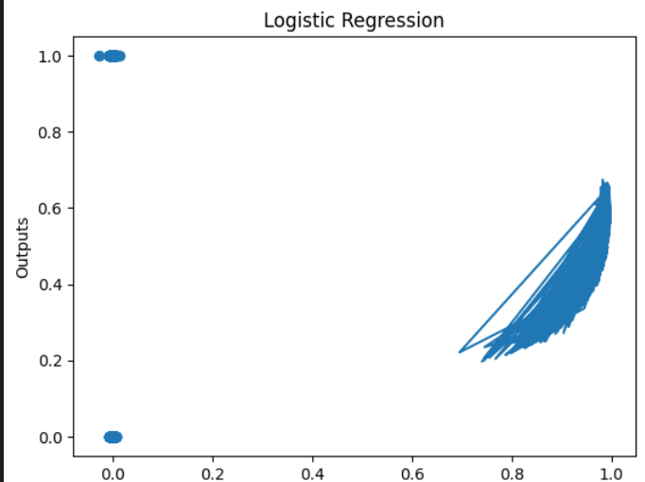

 | 0.52391304348 | 0.76666666667 | 0.75978830416 |  | 4 vars

