Sheet1
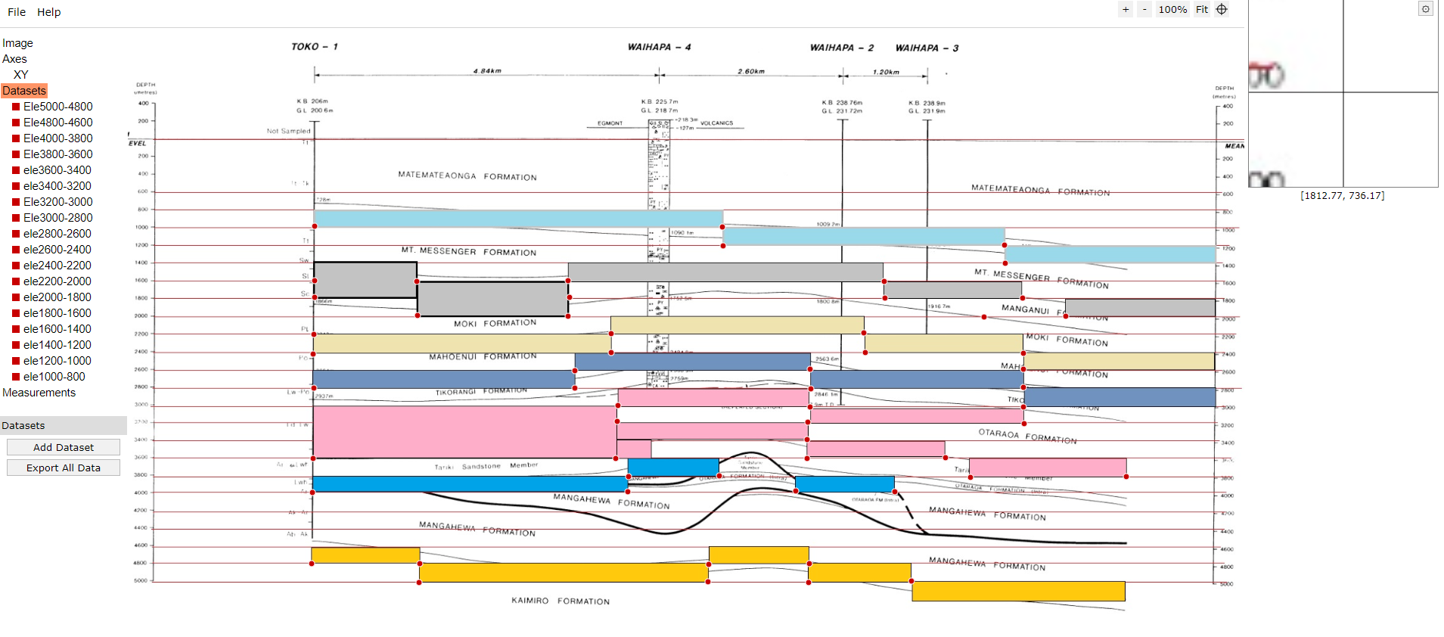
S. No. | Top | Thickness | Formation name
1 | 0 | 800 |  | 2627946 | 6208685
2 | 800 | 200
3 | 1000 | 200
4 | 1200 | 200
5 | 1400 | 200
6 | 1600 | 200
7 | 1800 | 200
8 | 2000 | 200
9 | 2200 | 200
10 | 2400 | 200
11 | 2600 | 200
12 | 2800 | 200
13 | 3000 | 200
14 | 3200 | 200
15 | 3400 | 200
16 | 3600 | 200
17 | 3800 | 200
18 | 4000 | 200
19 | 4200 | 200
20 | 4400 | 200
21 | 4600 | 200
22 | 4800 | 200
23 | 5000 | 200

