工作表2
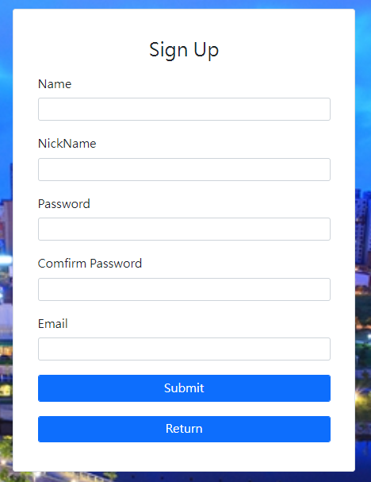
Name | NickName | Password | Comfirm Password | Email
John | johna | test123 | test123 | John@gmial.com
Mary | marya | 123test | 123test | Mary@gmail.com
Duke | dukea | test456 | test456 | Duke@gmail.com
Louis | louisa | 456test | 456test | Louis@gmail.com

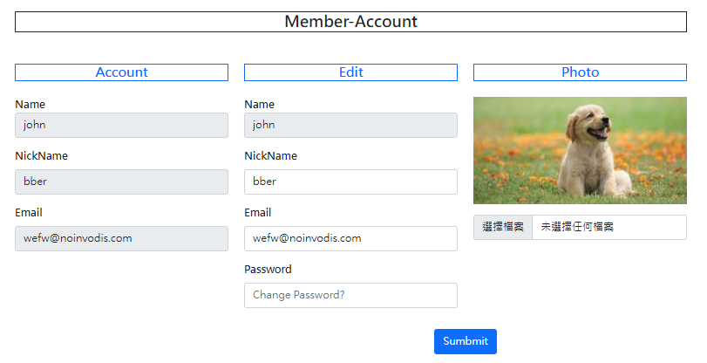
Name | NickName | Password | Comfirm Password | Email
John | johnbb | test123456 | test123456 | Johnbb@gmial.com
Mary | marybb | 123456test | 123456test | Marybb@gmail.com
Duke | dukebb | test456789 | test456789 | Dukebb@gmail.com
Louis | louisbb | 456789test | 456789test | Louisbb@gmail.com

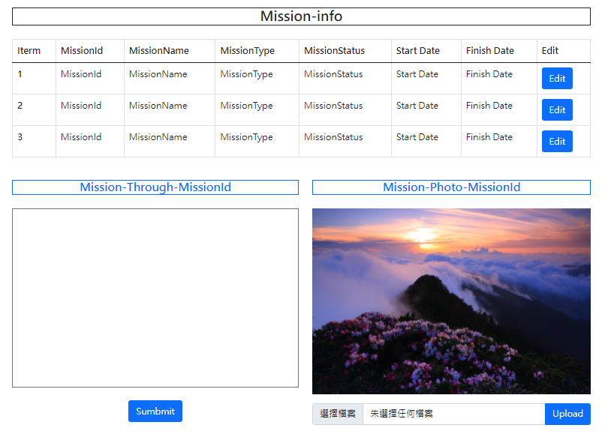

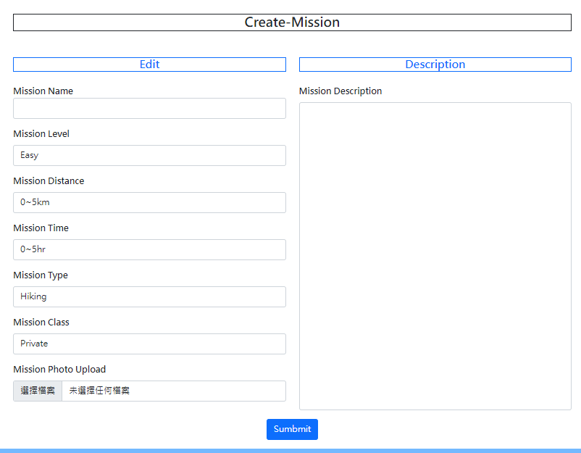
Hiking
Mission Name | Mission Level | Mission Distance | Mission Time | Mission Type | Mission Class | Mission Upload
htest1 | Easy | >10km | 0~5hr | Hiking | Official | hiking4.jpg | John
htest2 | Normal | 5~10km | 0~5hr | Hiking | Official | hiking5.jpg | John
htest3 | Difficult | 0~5km | 5~10hr | Hiking | Official | hiking6.jpg | John
htest4 | Easy | >10km | 5~10hr | Hiking | Official | hiking7.jpg | John
htest5 | Normal | 5~10km | 5~10hr | Hiking | Official | hiking8.jpg | Mary
htest6 | Difficult | 0~5km | >10hr | Hiking | Official | hiking9.jpg | Mary
htest7 | Easy | >10km | >10hr | Hiking | Official | hiking10.jpg | Mary
htest8 | Easy | >10km | 0~5hr | Hiking | Private | hiking4.jpg | Mary
htest9 | Normal | 5~10km | 0~5hr | Hiking | Private | hiking5.jpg | Duke
htest10 | Difficult | 0~5km | 5~10hr | Hiking | Private | hiking6.jpg | Duke
htest11 | Easy | >10km | 5~10hr | Hiking | Private | hiking7.jpg | Duke
htest12 | Normal | 5~10km | 5~10hr | Hiking | Private | hiking8.jpg | Duke
htest13 | Difficult | 0~5km | >10hr | Hiking | Private | hiking9.jpg | Louis
htest14 | Easy | >10km | >10hr | Hiking | Private | hiking10.jpg | Louis

Running
Mission Name | Mission Level | Mission Distance | Mission Time | Mission Type | Mission Class | Mission Upload
rtest1 | Easy | >10km | 0~5hr | Running | Official | running4.jpg | John
rtest2 | Normal | 5~10km | 0~5hr | Running | Official | running5.jpg | John
rtest3 | Difficult | 0~5km | 5~10hr | Running | Official | running6.jpg | John
rtest4 | Easy | >10km | 5~10hr | Running | Official | running7.jpg | John
rtest5 | Normal | 5~10km | 5~10hr | Running | Official | running8.jpg | Mary
rtest6 | Difficult | 0~5km | >10hr | Running | Official | running9.jpg | Mary
rtest7 | Easy | >10km | >10hr | Running | Official | running10.jpg | Mary
rtest8 | Easy | >10km | 0~5hr | Running | Private | running4.jpg | Mary
rtest9 | Normal | 5~10km | 0~5hr | Running | Private | running5.jpg | Duke
rtest10 | Difficult | 0~5km | 5~10hr | Running | Private | running6.jpg | Duke
rtest11 | Easy | >10km | 5~10hr | Running | Private | running7.jpg | Duke
rtest12 | Normal | 5~10km | 5~10hr | Running | Private | running8.jpg | Duke
rtest13 | Difficult | 0~5km | >10hr | Running | Private | running9.jpg | Louis
rtest14 | Easy | >10km | >10hr | Running | Private | running10.jpg | Louis

Biking
Mission Name | Mission Level | Mission Distance | Mission Time | Mission Type | Mission Class | Mission Upload
btest1 | Easy | >10km | 0~5hr | Biking | Official | biking4.jpg | John
btest2 | Normal | 5~10km | 0~5hr | Biking | Official | biking5.jpg | John
btest3 | Difficult | 0~5km | 5~10hr | Biking | Official | biking6.jpg | John
btest4 | Easy | >10km | 5~10hr | Biking | Official | biking7.jpg | John
btest5 | Normal | 5~10km | 5~10hr | Biking | Official | biking8.jpg | Mary
btest6 | Difficult | 0~5km | >10hr | Biking | Official | biking9.jpg | Mary
btest7 | Easy | >10km | >10hr | Biking | Official | biking10.jpg | Mary
btest8 | Easy | >10km | 0~5hr | Biking | Private | biking4.jpg | Mary
btest9 | Normal | 5~10km | 0~5hr | Biking | Private | biking5.jpg | Duke
btest10 | Difficult | 0~5km | 5~10hr | Biking | Private | biking6.jpg | Duke
btest11 | Easy | >10km | 5~10hr | Biking | Private | biking7.jpg | Duke
btest12 | Normal | 5~10km | 5~10hr | Biking | Private | biking8.jpg | Duke
btest13 | Difficult | 0~5km | >10hr | Biking | Private | biking9.jpg | Louis
btest14 | Easy | >10km | >10hr | Biking | Private | biking10.jpg | Louis

