Raw Data
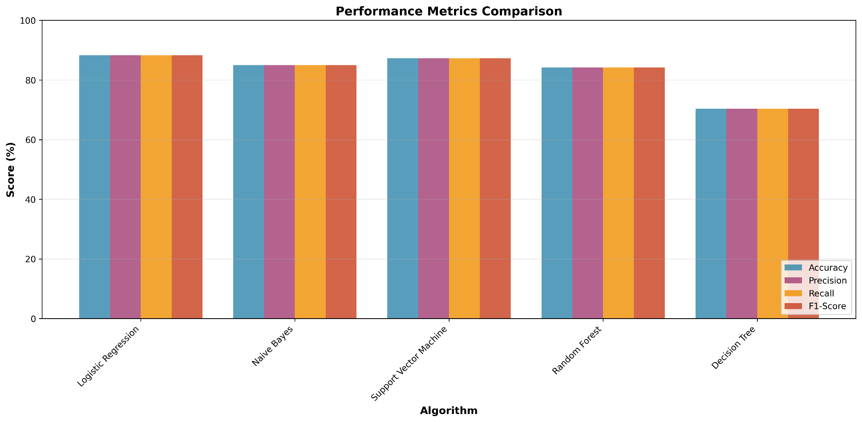
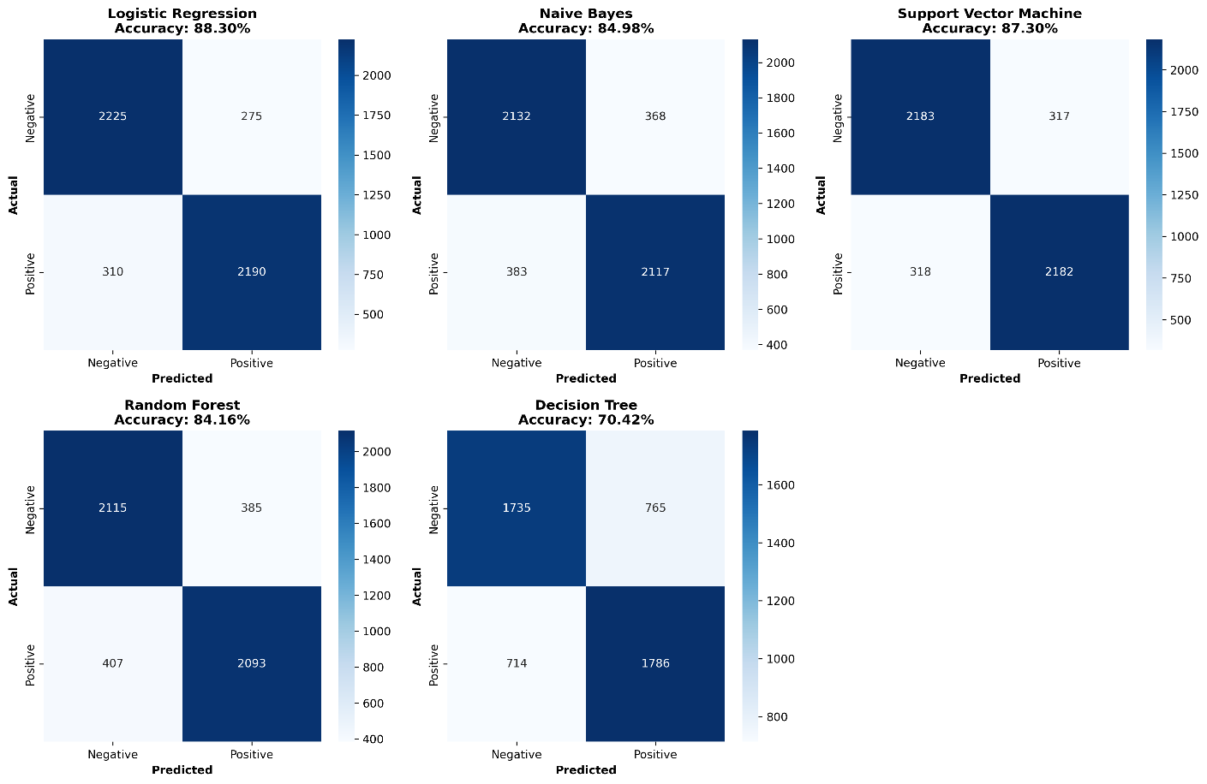
Algorithm | Accuracy | Precision | Recall | F1-Score | Training Time (s) | Prediction Time (s) | Metric | Rank | Algorithm | Score
Logistic Regression | 88.30 | 88.31 | 88.30 | 88.30 | 0.12 | 0.00059652328491 | Accuracy | 1 | Logistic Regression | 88.30%
Naive Bayes | 84.98 | 84.98 | 84.98 | 84.98 | 0.00 | 0.003048658371 | Accuracy | 2 | Support Vector Machine | 87.30%
Support Vector Machine | 87.30 | 87.30 | 87.30 | 87.30 | 0.18 | 0.0006628036499 | Accuracy | 3 | Naive Bayes | 84.98%
Random Forest | 84.16 | 84.16 | 84.16 | 84.16 | 2.76 | 0.041310548782 | Accuracy | 4 | Random Forest | 84.16%
Decision Tree | 70.42 | 70.43 | 70.42 | 70.42 | 14.34 | 0.0031878948212 | Accuracy | 5 | Decision Tree | 70.42%
 |  |  |  |  |  |  | Precision | 1 | Logistic Regression | 88.31%
Metric | Mean | Std Dev | Min | Max | Range |  | Precision | 2 | Support Vector Machine | 87.30%
Accuracy (%) | 83.03 | 7.2473664182 | 70.42 | 88.30 | 17.88 |  | Precision | 3 | Naive Bayes | 84.98%
Precision (%) | 83.04 | 7.2452213234 | 70.43 | 88.31 | 17.87900674 |  | Precision | 4 | Random Forest | 84.16%
Recall (%) | 83.03 | 7.2473664182 | 70.42 | 88.30 | 17.88 |  | Precision | 5 | Decision Tree | 70.43%
F1-Score (%) | 83.03 | 7.2485801718 | 70.42 | 88.30 | 17.88250449 |  | Recall | 1 | Logistic Regression | 88.30%
Training Time (s) | 3.48 | 6.1782406606 | 0.00 | 14.34 | 14.333619117 |  | Recall | 2 | Support Vector Machine | 87.30%
Prediction Time (s) | 0.0097612857819 | 0.0097612857819 | 0.0097612857819 | 0.0097612857819 | 0.0097612857819 |  | Recall | 3 | Naive Bayes | 84.98%
 |  |  |  |  |  |  | Recall | 4 | Random Forest | 84.16%
 |  |  |  |  |  |  | Recall | 5 | Decision Tree | 70.42%
 |  |  |  |  |  |  | F1-Score | 1 | Logistic Regression | 88.30%
 |  |  |  |  |  |  | F1-Score | 2 | Support Vector Machine | 87.30%
 |  |  |  |  |  |  | F1-Score | 3 | Naive Bayes | 84.98%
 |  |  |  |  |  |  | F1-Score | 4 | Random Forest | 84.16%
 |  |  |  |  |  |  | F1-Score | 5 | Decision Tree | 70.42%

Key Findings
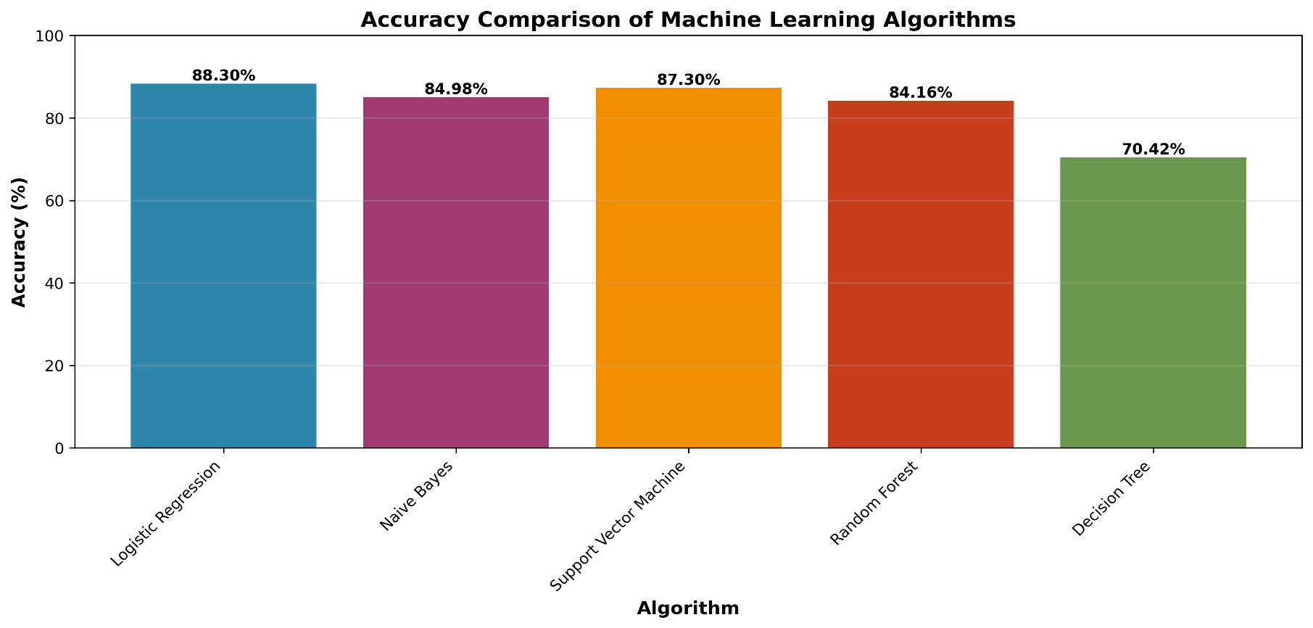
Category | Algorithm | Value
Best Accuracy | Logistic Regression | 88.3%
Best Precision | Logistic Regression | 88.30750827%
Best Recall | Logistic Regression | 88.3%
Best F1-Score | Precision (%) | 88.30750827%
Fastest Training | Naive Bayes | 0.004967213 sec
Fastest Prediction | Logistic Regression | 0.0005965232849121 sec
Average Accuracy | All Algorithms | 68.2529327506893%

