Rectangle & Image

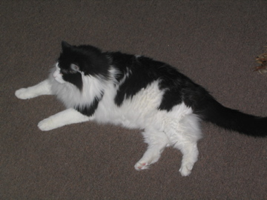

1 | 9
2 | 18
3 | 27
4 | 36

