Sheet1
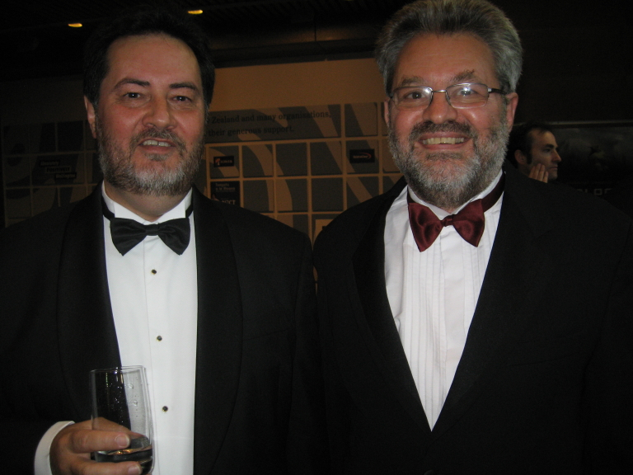
State | Obama | McCain | Other

 |  |  |  | See NY Times election site

