UDS_BatteryParameterCoding(BAS)
 |  | Write BatteryParameter
 |  | Step1：Request from MasterNode |  |  |  |  |  |  |  |  |  | Step2：Response from EBS
 |  | 请求命令 | 节点地址 | 协议控制 | 服务ID | 数据1 | 数据2 | 数据3 | 数据4 | 数据5 | 3C帧和3D帧之间 Delay 160ms | 请求命令 | 节点地址 | 协议控制 | 服务ID | 数据1 | 数据2 | 数据3 | 数据4 | 数据5
 |  | SID | NAD | PCI | SID+DID | D1 | D2 | D3 | D4 | D5 |  | SID | NAD | PCI | SID+DID | D1 | D2 | D3 | D4 | D5
 |  | 3C | 47 | 06 | 2E | FD | 00 | C0_Highbyte | C0_Lowbyte | BATT_Type |  | 3D | 47 | 03 | 6E | FD | 00 | FF | FF | FF
 |  | Master |  |  |  |  |  |  |  |  |  | Master | Slave
2E说明要写

 | Reserved Battery ID for battery parameter coding：63 |  |  |  |  | Data_ID | FD | 20

 |  |  | dangnai 45Ah WET
Resolution | BatteryParameter |  | OriginalParameter |  | BusValue(DEC) | BusValue(Hex)
1024 | C0 |  | 164456 |  | 161 | A0
1 | Technology |  |  |  | 1 | 1
0.0009765625 | Uc0max |  | 12.946 |  | 13257 | 33C8
1 | K20 |  | 45 |  | 45 | 2D
1 | CCAnom |  | 420 |  | 420 | 1A4
0.25 | Batt.mass |  | 26.5 |  | 106 | 6A
\ | DataSet |  | 2 |  | 2 | 2
 | CheckSum |  | 2D8

 | BatteryParameter： |  | Dangnai 45Ah WET
 | FD | 00 | 00 | A0 | 01
 | FD | 01 | 33 | C8 | 2D
 | FD | 02 | 01 | A4 | 6A
 | FD | 0F | 02 | 02 | D8

BatteryParameterCodingProcess
Battery |  | Dangnai 45Ah WET |  |  |  |  |  |  |  |  | Comments

Process | UDS | 请求命令 | 节点地址 | 协议控制 | 服务ID | 数据1 | 数据2 | 数据3 | 数据4 | 数据5
 |  | SID | NAD | PCI | SID+DID | D1 | D2 | D3 | D4 | D5
Step1 | 3C服务 | 3C | 47 | 06 | 2E | FD | 00 | 00 | A0 | 01 | Coding C0 and Technoloy
 | 3D服务 | 3D | 47 | 03 | 6E | FD | 00 | FF | FF | FF | Positive Response

Step2 | 3C服务 | 3C | 47 | 06 | 2E | FD | 01 | 33 | C8 | 2D | Coding Uc0max and K20
 | 3D服务 | 3D | 47 | 03 | 6E | FD | 01 | FF | FF | FF | Positive Response

Step3 | 3C服务 | 3C | 47 | 06 | 2E | FD | 02 | 01 | A4 | 6A | Coding CCA and Batt.mass
 | 3D服务 | 3D | 47 | 03 | 6E | FD | 02 | FF | FF | FF | Positive Response

Step4 | 3C服务 | 3C | 47 | 06 | 2E | FD | 0F | 02 | 02 | D8 | Coding DataSetVersion and CheckSum
 | 3D服务 | 3D | 47 | 03 | 6E | FD | 0F | FF | FF | FF | Positive Response

Step5 | 3C服务 | 3C | 47 | 04 | 2E | FD | 20 | 3F | FF | FF | Coding BATTERY ID
 | 3D服务 | 3D | 47 | 03 | 6E | FD | 20 | FF | FF | FF | Positive Response

WakeUp Threshold coding(BAS)
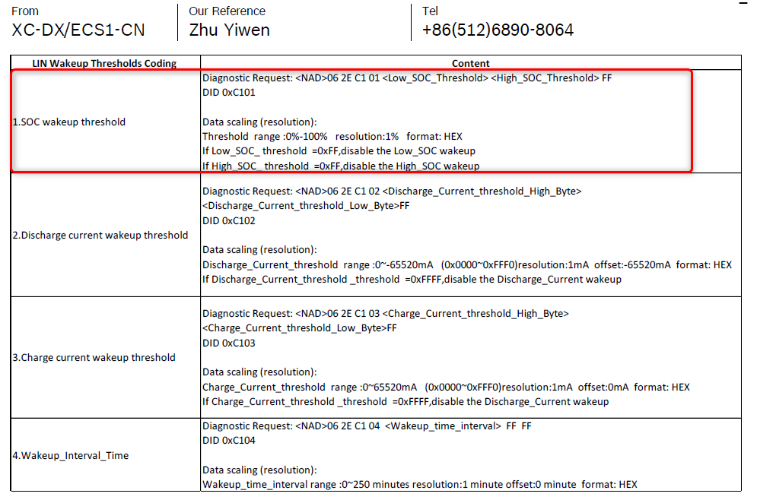
CANID | WakeupThresholdCodingProcess |  |  |  |  |  |  |  |  |  |  | Comments

 | Process | UDS | 请求命令 | 节点地址 | 协议控制 | 服务ID | 数据1 | 数据2 | 数据3 | 数据4 | 数据5
 |  |  | SID | NAD | PCI | SID+DID | D1 | D2 | D3 | D4 | D5
0x6D8 | Step1 | 3C服务 | 3C | 47 | 06 | 2E | C1 | 01 | 41 | FF | FF | SOC wakeup threshold(0x41=65)
0x658 |  | 3D服务 | 3D | 47 | 03 | 6E | C1 | 01 | FF | FF | FF | Positive Response

