Methodology
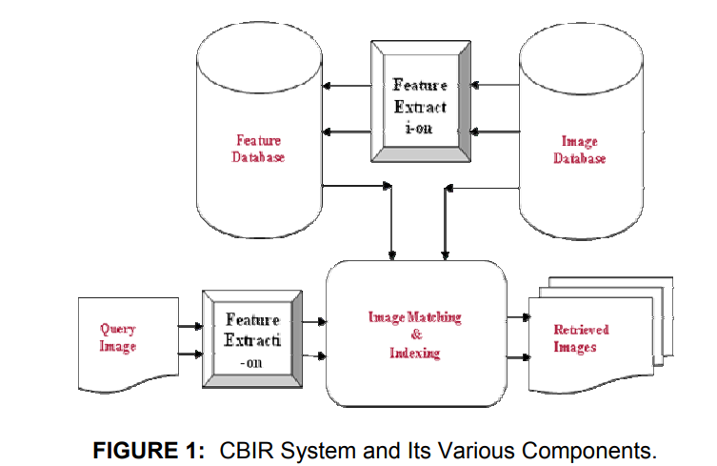
 | A Comparative Study of Content Based Image Retrieval Trends and Approaches

 | http://www.cscjournals.org/manuscript/Journals/IJIP/Volume9/Issue3/IJIP-984.pdf

1. Challenges of CBIR system
+ The issue related to the SEMANTIC gap where it measn the lack of coincidence between the informaion that the same data have for a user in a given situation. The user wants to seek semantic similarity, but the databse can only provide similarity by data processing + The expectation of users for huge amount of objects to search among + Sometimes incompleteness query specification seems to be a challenge + Incomplete image description is also a soruce of challenge to an efficient CBIR system

2. Requirement of the real-world
+ Performance: The most critical issue is the quality of retrieval and how releant it is to the domain-specific user community. Most of the current effort is concentrated on improving performance in terms of their precision and recall
+ Semantic learning: To tackle the problem of semantic gap faced by CBIR, learning image semantics from training data and developing retrieval mechanisms to efficiently leverage semantic estimation are important direction
+ Volume of Data: Public image databases tend to grow into unwieldy propotions. The software system must be able to efficiently handle indexing and retrieval at such scale
+ Heterogeneity: If the images originate from diverse sources, parameters such as quality, resolution and color depth are likely to vary. This in turn causes variations in color and texture features extracted. The systems can be made more robust by suitably tackling these variations
+ Concurrent Usage: In on-line image retrieval systems, it is likely to have multiple concurrent users. While most systems have high resource requirements for feature extraction, indexing etc., they must be efficiently designed so as not to exhaust the host server resrouces. Alternatively, a large amount of resources must be allocated
+ Multi-modal features: The presence of reliable meta-date such as audio or text captions associated with the images can help understand the image content better, and hence leverage the retrieval performance. On the other hand, ambiguous captions such as "wood" may actually add to the confusion, in which case the multi-modal features together may be able to resolve the ambiguity
+ User-interface: A greatere effort is needed to design intuitive interfaces for image retrieval such that people are actually able to use the tool to their benefit
+ Operating speed: Time is critical in on-line systems as the response time needs to be low for good interactivity. Implementation should ideally be done using efficient algorithm, especially for large database.

Current CBIR Techniques
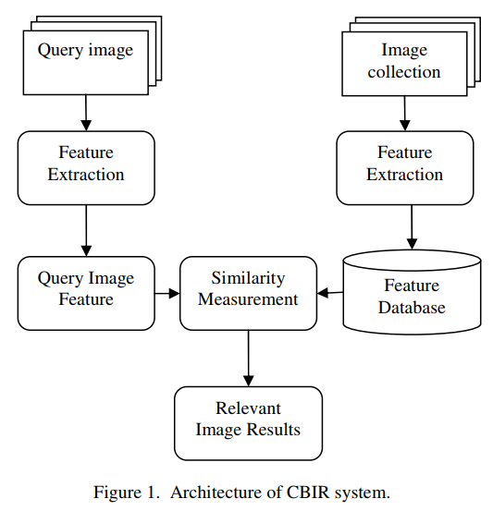
 | Query techniques
 | Semantic Retrieval
 | Content comparison using distance measure: color, texture, shape, histogram, moments
 | Common features for image retrieval
 | -Features:???
 | + Color features
 | + Texture features
 | =>Wavelet Transform, Gabor-filter, and Tamura feature
 | + Shape features
 | + Spatial Location features
 | + Local Image features

http://www.ijcseonline.org/pub_paper/28-IJCSE-%2001753-4.pdf

