Sheet1
More Demo in: https://Zcloud.io.vn

 |  |  |  |  |  | ádfsadf |  | ádf | sdfsdf
 |  |  |  | 111
 |  |  |  | 333 |  |  | sdfsdf | sdfsdf
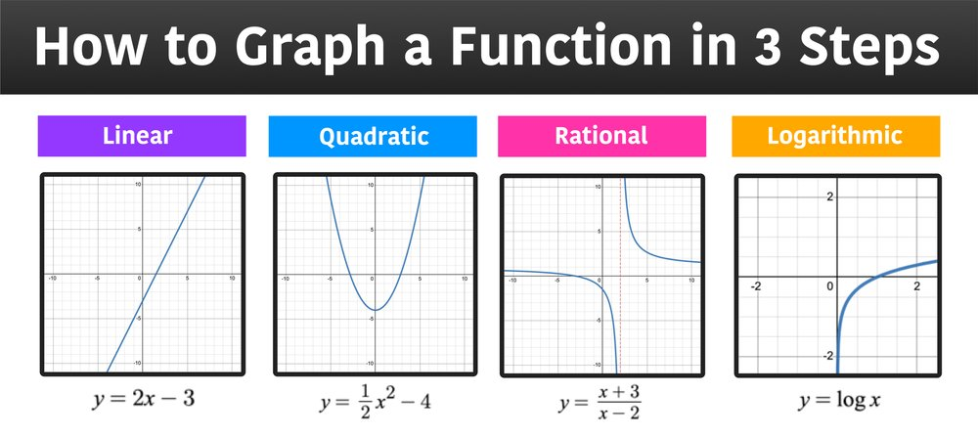

 |  |  |  |  |  | 111
 |  |  |  |  |  | 222 |  | sdfsdf
 |  |  |  |  | https://i1-vnexpress.vnecdn.net/2024/11/02/nguyencaotri79691700279712-173-5816-2415-1730559063.png?w=680&h=408&q=100&dpr=1&fit=crop&s=lxFYlJyTDRAh_-cySm-IEQ | 333
 | 6 |  |  |  |  | 444
 | 666 |  | ádfasdf |  |  | 555
 |  |  |  | sadf |  | 666
SUM | 672 | 0

