Sheet1
 |  |  |  |  |  |  |  |  | ádfsadf |  | ádf | sdfsdf
 |  |  |  |  | ádfsadf |  | sdfdf
 |  |  |  |  |  |  |  | ádfsdf |  | sdfsdf | sdfsdf

3434 |  |  |  |  |  |  |  |  | 111
 | 4 | 444 | sfasdf | 111 |  |  |  |  | 222 |  | sdfsdf
 | 5 | 555 |  | 999 |  | https://i1-vnexpress.vnecdn.net/2024/11/02/nguyencaotri79691700279712-173-5816-2415-1730559063.png?w=680&h=408&q=100&dpr=1&fit=crop&s=lxFYlJyTDRAh_-cySm-IEQ |  |  | 333
 | 6 |  |  |  |  |  |  |  | 444
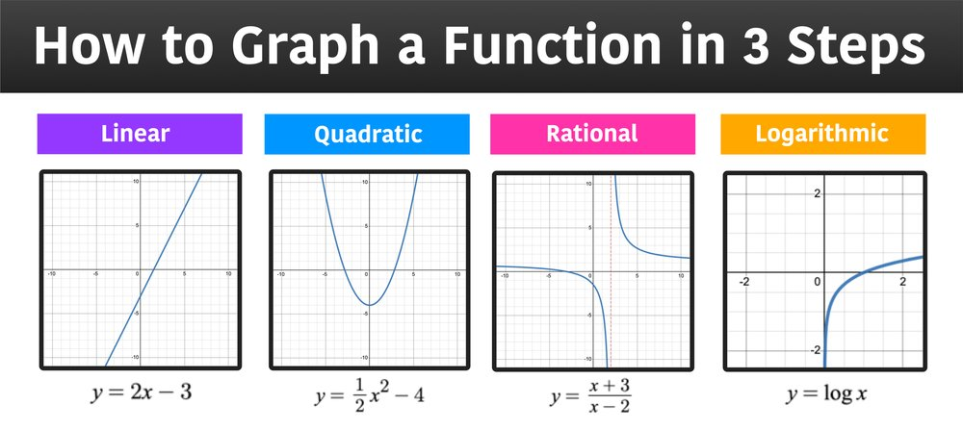
 |  |  |  | ádfasdf |  |  |  |  | 555
 |  |  |  |  | sadf |  |  |  | 666
SUM | 15 | 999

