config
注解 | 常用字段 | 值 | 类型
主条码 | SN |  | [System.String
主条码拿到的BD号 | BitAddress |  | [System.String
主条码拿到的LineseKey | LineseKey |  | [System.String
主条码拿到的客户SN | CustomerSN |  | [System.String
主条码拿到的PolySN | SN_BCCode |  | [System.String
主条码拿到的所有绑定信息 | QueryKeyPartInfo |  | [System.String
主条码拿到的UID | UID | UID | [System.String
主条码拿到MES 的PID | PairID | 289A4B039968
副条码 | BarcodeSN |  | [System.String
副条码拿到的BD号 | BitAddressByBarcodeSN |  | [System.String
副条码拿到的客户SN | CustomerSNByBarcodeSN |  | [System.String
副条码拿到MES 的PID | PairIDByBarcodeSN | 289A4B039968
副条码拿到的UID_D | UID_D |  | [System.String
上一项目的测试值 | _TestValue | V1.0101.1 | [System.String
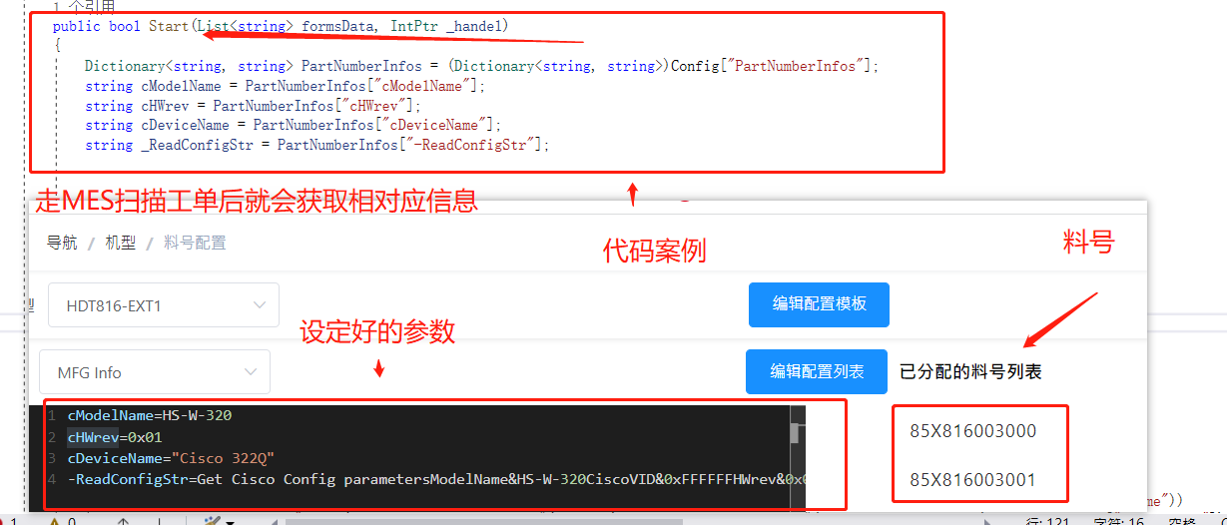
工单 | Works |  | [System.String
料号 | OrderNumberInformation |  | [System.String
根据料号从后台系统拿到的信息 json 格式 | PartNumberInfoStr |  | [System.String
根据料号从后台系统拿到的信息 | PartNumberInfos | Dictionary<string, string> PartNumberInfos = (Dictionary<string, string>)Config["PartNumberInfos"]; string cModelName = PartNumberInfos["cModelName"]; | 案例：
测试计划及指令 | TestItem |  | System.String[]

OnceConfig
 |  | 用法 | 类型
Location | 0000.0014.0000.002.000.000.000.000.000 | //自行设置 | System.String
HidInfo | HidInfo[0] hid#vid_046d&pid_0ac4&mi_03&col01#7&179de6be&0&0000 HidInfo[1] hid#vid_046d&pid_0ac4&mi_03&col02#7&179de6be&0&0001 HidInfo[...] hid#........ | 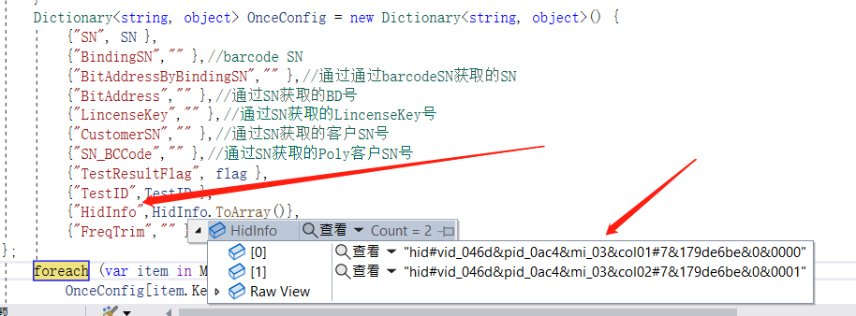 //开始测试时模板会自行转行成 path | string[]

注解 | 非常规字段 | 值 | 类型
 | admin | MerryTest.MerryTest | Text: MerryTest
 | adminPath | C:\Users\ch200001\source\repos\MerryTest\MerryTest\bin\Debug | [System.String
 | LoadMessagebox |  | [System.String
 | LoadMessageboxFlag | TRUE | [System.String
 | ErrorCodeLength | 7 | [System.String
 | Name | HDT624 | [System.String
 | Station | T2.0 | [System.String
 | WorkOrderLength | 12 | [System.String
 | PassCount | 3 | [System.String
 | FailCount | 2 | [System.String
 | UserID |  | [System.String
 | SystematicName | xiangwei | [System.String
 | MesFlag | 0 | [System.String
 | CustomerName | Ploy | [System.String
 | GetBDFlag | FALSE | [System.String
 | Command | Test | [System.String
 | TestResultFlag | TRUE | [System.String
 | TestTable | System.Windows.Forms.ListView | Items.Count: 7
 | TestItem | System.Collections.Generic.List`1[System.String[]] | [System.String
 | TestLogging |  | [System.String
 | Maximized | FALSE | [System.String
 | MinimumSize | FALSE | [System.String
 | CheckDevice | TRUE | [System.String
 | TestModelFlag | FALSE | [System.String
 | LoopFlag | TRUE | [System.String
 | SoundCheckFlag | FALSE | [System.String
 | TestLogUploadMySQL | FALSE | [System.String
 | UploadFTP | FALSE | [System.String
 | SoundcheckDataUploadFTP | FALSE | [System.String
 | StartDelay | 501 | [System.String
 | WireCount | 44 | [System.String
 | WireCountEnd | 3000 | [System.String
 | WireIncrease | 1 | [System.String
 | ComputerName | ELED0000379 | [System.String
 | TestPassCount | 5 | [System.String
 | StopDelay | 500000 | [System.String
 | RT550_IP | 1234564789 | [System.String
 | RT550Port | COM1 | [System.String
 | Print | Citizen CL-S631 | [System.String
 | PrintFileName |  | [System.String
 | PrintString |  | [System.String
 | SoundCheckPath |  | [System.String
 | SqcPath |  | [System.String
 | _8342Comport |  | [System.String
 | StartRunComport |  | [System.String
 | _2303SComport |  | [System.String
 | SwitchComport | COM46 | [System.String
 | Dm5dPort |  | [System.String
 | NXP_RF_Comport |  | [System.String
 | Pid | 154 | [System.String
 | Vid | 047F | [System.String
 | _Pid | 2.00E+09 | [System.String
 | _Vid | 047F | [System.String
 | TestNumbers | 100 | [System.String
 | NetworkFlag | TRUE | [System.String
 | EngineerMode | TRUE | [System.String
 | TopMostFlag | FALSE | [System.String
 | DayOfYear | 144 | [System.String
 | TE_BZPCount | 0 | [System.String
 | TE_BZPLimit | 1 | [System.String
 | LogiLogFlag | TRUE | [System.String
 | LogiBU | VC-HEADSET | [System.String
 | LogiProject | MULBERRIES | [System.String
 | LogiStation | PCBA-RF-Test | [System.String
 | LogioemSource | MERRY_HZ | [System.String
 | LogiStage | MP | [System.String
 | Barcode | 1 | [System.String
 | TestTime | 0:00:01 | [System.String

