checkmarketingname
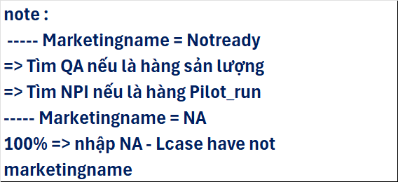
No. | Model | Status | WLANCOPY | FA_PRO | Remark | Sửa đổi quy tắc bảo trì kiểm tra MarketingName TE (TE Check):
1 | Arches13MLK_UI | Close | v | v | modify, add /i | PIC: TE DD: 26/10
2 | Arches13_UI | Close | v | v | modify, add /i
3 | Arches15MLK_UI | Close | v | v | modify, add /i | Quy tắc bảo trì kiểm tra TE:
4 | Arches15_UI | Close | v | v | modify, add /i | Nếu tên Marketing (Marketing Name) là:
5 | Arwing_UI | Close | v | v | by pass
6 | Diablo_ARL_UI | Close | x | v | by pass | 1. Chữ + Số, kiểm tra số.
7 | Diablo_MTL_UI | Close | x | v | modify, add /i | Ví dụ: Đối với "Latitude 7350," duy trì thông tin là 7350 (bốn chữ số cuối).
8 | JadeUSH_UI | Close | x | v | modify | 2. Chỉ có chữ, kiểm tra toàn bộ chữ cái.
9 | Jade1416_UI | Close | v | v | modify | Ví dụ: Đối với "Inspiron," duy trì chữ cái đầu tiên của từ "Inspiron".
10 | JadeARL_UI | Close | x | v | modify | 3. Không có gì (trống/rỗng), duy trì là "NA". --> PD nhập "NA"
11 | Jade_AMD_UI | Close | x | v | modify
12 | JarvisAMD_UI | Close | x | v | modify
13 | Jarvis_UI | Close | v | v | modify
14 | GhostRider_AMD_UI | Close | v | v | modify
15 | GhostRider_UI | Close | v | v | modify | Thông tin tên Marketing của D-phần:
16 | QKL_MLK_MTL_UI | Ongoing | x | x | check image | Thông tin tên marketing của D-phần cần được bảo trì dựa trên thông tin thực tế của D-phần.
17 | QKL_MLK_RPL_UI | Close | x | v | modify, add /i
18 | Quake_L_ADL_UI | Close | x | v | modify, add /i | *Đối với NPI*: Tiến hành rà soát và xác nhận đối với các dòng máy mới.
19 | Quake_L_RPL_UI | Close | x | x | check image done => modify | *Đối với dòng máy cũ*: Nếu PD/FAE phát hiện vấn đề, thì phải phản hồi lại cho bộ phận NPI/QA để xác nhận và sửa đổi thông tin.
20 | SentryNVRPL_UI | Close | x | v | modify | PIC: NPI/QA DD: 26/10
21 | SentryNVRPL_R_UI | Close | x | v | modify, L-case have not marketing name
22 | Sentry_AMD_UI | Close | x | v | modify, add /i
23 | Sentry_MLK_UI | Close | x | v | modify, sentrymlkAMD-image l-case have not marketingname
24 | Taroko_AMD_UI | Close | x | v | modify | Logic đánh giá ATD:
25 | Taroko_ARL_UI | Close | x | v | modify | Logic đánh giá ATD sẽ áp dụng theo quy tắc kiểm tra TE đã cập nhật.
26 | Taroko_LNL_UI | Close | v | v | modify
27 | Taroko_RPL_UI | Close | x | v | by pass | PIC: ATD DD: 26/10
 |  |  |  |  |  | Bổ sung: Nếu là "NOTReady", PD liên hệ NPI để xác nhận bảo trì dữ liệu

