Layout
Screen ID | Screen Name | Create by
 |  | Date Create
Description

Tên màn hình - text
name and course search field
Textfield, max-width: 150px
Sidebar left
status and level search field
Selectbox, max-width: 150px
Fresher Screen

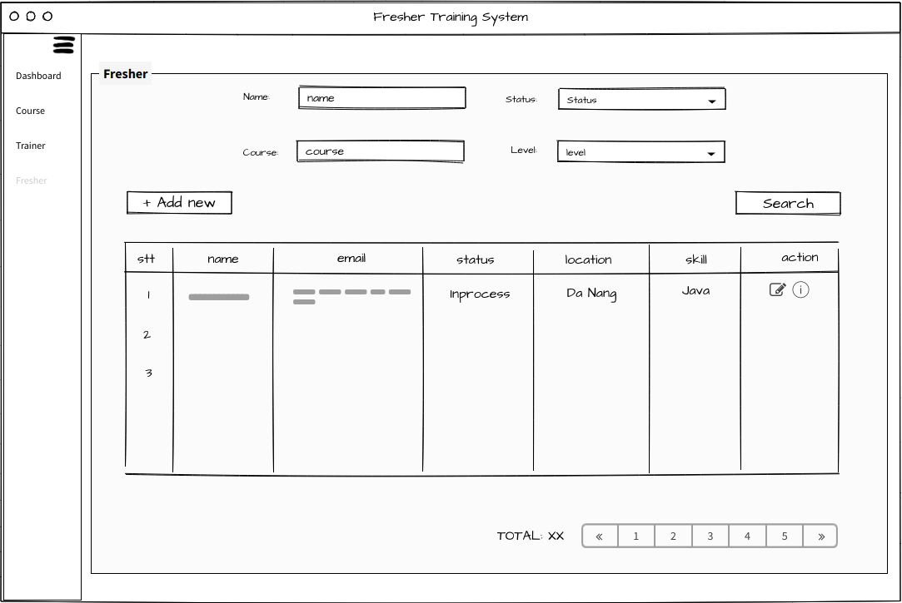

Tìm kiếm fresher - button

Tab Fresher trển Sidebar

thêm mới fresher - button

Edit fresher - button
Danh sách fresher – table
50px
50px

 |  |  | 0

Phân trang theo danh sách fresher – button
Nếu số trang lớn hơn 5 thì hiển thị tối đa 5 tab, ngược lại hiển thị đầy đủ

Add new fresher screen

Tên màn hình - text

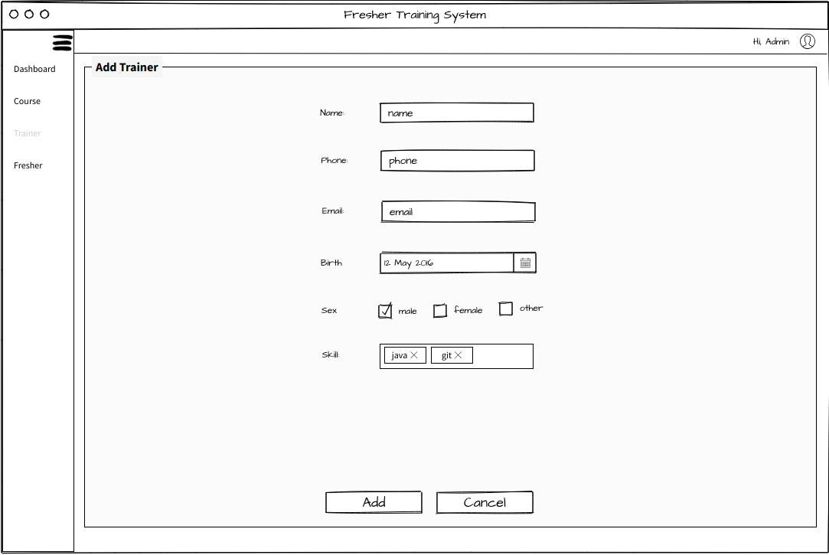

Tên fresher – textfield
max-width: 200px

SDT fresher – textfield
max-width: 200px

Email fresher – textfield
max-width: 200px

Ngày sinh fresher – textfield
max-width: 200px

30px
giới tính fresher – textfield
max-width: 200px

Kỹ năng fresher – chips
max-width: 200px

Bottom center

Thêm fresher - button
Hủy quá trình – button

