Screenshot
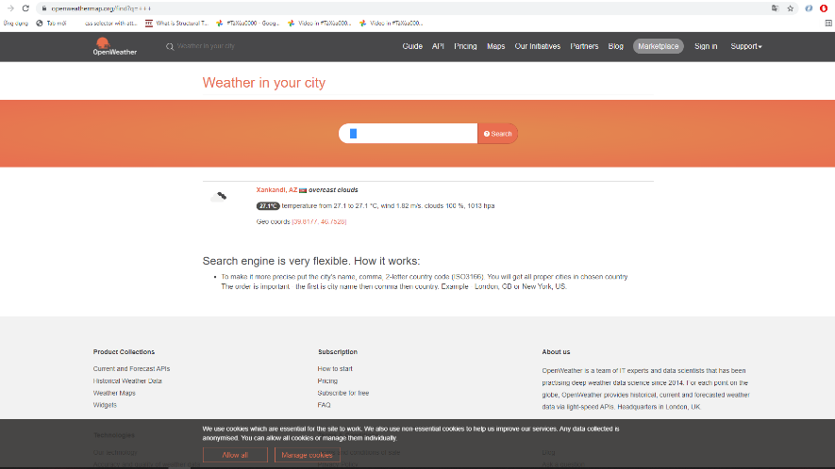
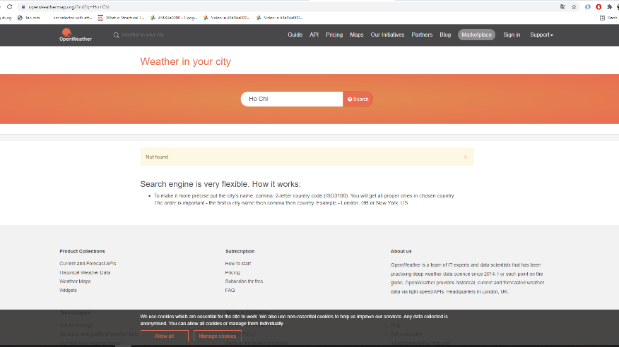
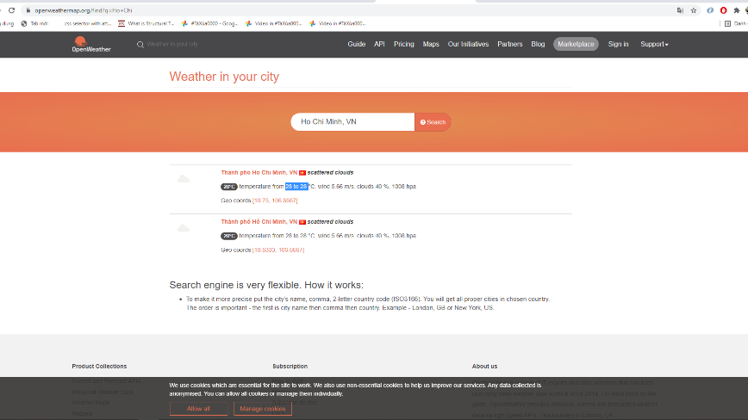

Bug 03, Search with more than 3 spaces | Bug 04, Cannot search with a part of city name |  | Bug 05, The minimum and maximum temperature are the same: 28

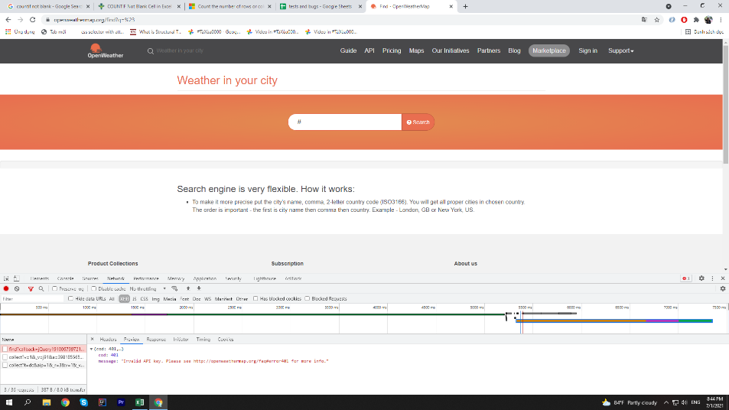
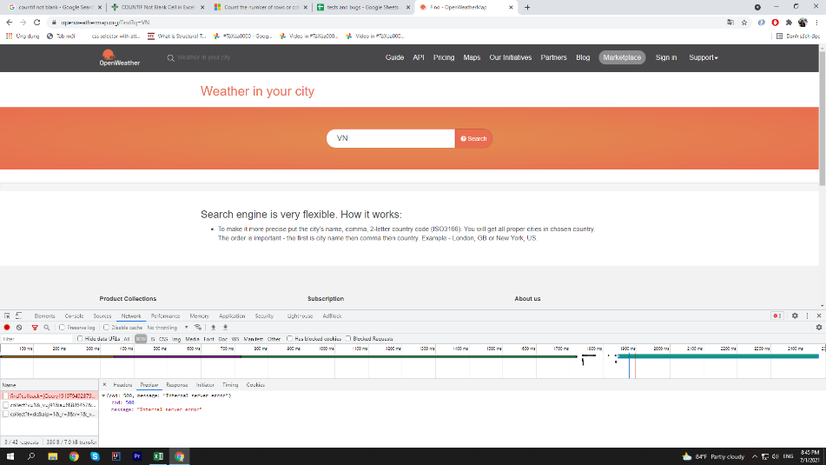

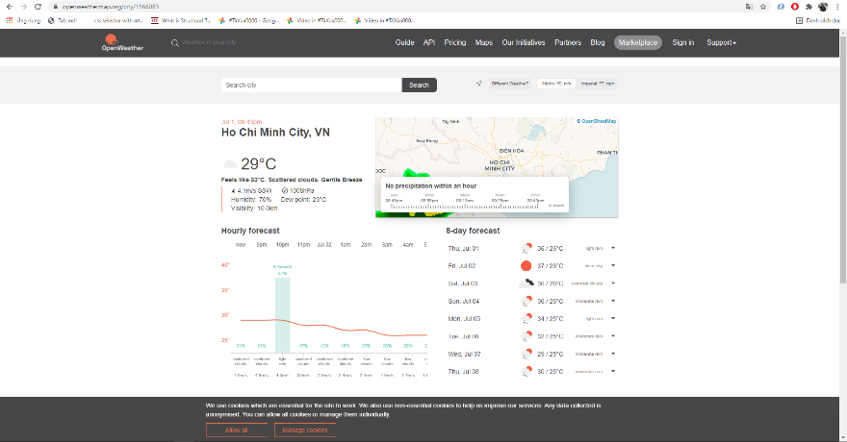

 |  | Bug 07, Error when user search with # |  | Bug 08, Error when user search with less than 3 characters

Bug 06, In general, the temperature is 28, in detals is: 29

