Overview
Design Review Based on Failure Mode (DRBFM) revision 2016 |  | Template: V7.0
DRBFM Overview
Review Culture - Success Factors

 | DRBFM Structure
for hints
for hints
for hints

Impact Analysis (Awareness)
DRBFM - Impact Analysis (Awareness) rev. 2016

Target: Find all areas of influence
for more hints

Project |  | Mindset Hints and Procedure
Product / Project | SmartAqua
Reference
Author | Nguyen The Dai Duong
Departement | RBVH/EVH
1st Step: Show detail of scope
Timeframe
Put design assembly into center
Show relevant detail!
Reviews | Review Team
2nd Step: Walkthrough design and reflect behavior
(what is changing due to the design, which interfaces are influenced e.g. force, friction, dynamic load, wear, response time)
12.Apr.2018 | Wada Naoya, Saito Toshihiro, Phan Thanh Hoang, Nguyen Phuoc Loc

3rd Step: Reflect which functions
potentially can be affected
Approval
Manager
DRBFM Expert

System, Motivation, Scope
System
SmartAqua is an IoT Water Meter device connected to Cloud network via LoRa communication. Devices measure flowrate and report water usage and critical pipe issues such as leakage, burst pipe, creack pipe...
Device equiped with 150 mAh rechargable built-in batterry. The HDG can charge to the battery during water flow.
03 Problems arise when deploying to the field:
(1) Most people use water mostly in a fixed time frame (17h - 21h) which causes lots of messages upload to LoRa networks during that time. This high traffic may causes network congestion.
(2) Current Design assume HDG will continuously charge to the battery. A cheaper hardware version without HDG will drain out the battery quickly. The firmware therefore cannot reuse for cheaper version.
(3) Collected data at server side are volumn-lineared instead of time-lineared which make the visual chart information is not correct.

Current Design
Measurement data is uploaded as long as there are ~ 10 litters flow through the pipe.
New Design
Measurement data will be collected hourly and uploaded few times a day. How long between two uploads are set by the server.

Flow Capture
(per litter)
Frame
Packing
Timestamp generator
Frame Transmittion
HDG Charge Counter
System
Configuration
Flow Capture
(per litter)
Flow Volume
Buffer
Frame
Packing
Timestamp generator
Frame Transmittion
TX Trigger
(Alarm Timer)
System
Configuration
HDG Charge Counter
NEW
NEW
Hourly Timer
NEW

Visualization of design - Apply systematic of AWARENESS to see all areas of influnece

Capture flow
(per litter)
Count
Pack frame & Upload
reset count
...
10 times
pack frame
& upload
count ++
...
pack frame
& upload
flow decrease
flow stopped,
no capture event
flow started again
as long as 10 litters are counted
each captured flow volumn has 8 bytes
count ++
count ++
count ++
count ++
count ++
count ++
reset count
each frame is 8 bytes of FlowData plus 4 bytes timestamp + 10 bytes of frame overhead, resulting 22 bytes
Flow Capture
(per litter)
Frame
Packing
Timestamp generator
Frame Transmittion
HDG Charge Counter
System
Configuration
OLD DESIGN
Flow volume is stored at every hour
Memory usage
require more memory to buffer hourly flow volume
Capture flow
(per litter)
Store Flow Volume
Pack frame & Upload
...
store
store
60 minutes
Flow Capture
(per litter)
Flow Volume
Buffer
Frame
Packing
Timestamp generator
Frame Transmittion
TX Trigger
(Alarm Timer)
System
Configuration
HDG Charge Counter
NEW
NEW
Hourly Timer
NEW
60 minutes
store
pack frame
& upload
each record has 8 bytes plus 4 bytes timestamp, resulting 12 bytes each
each frame is containt up to Nx12 bytes of FlowData plus 4 bytes timestamp + 10 bytes of frame overhead, resulting Nx12 + 14 bytes. where N is the number of stored FlowData records
NEW DESIGN
payload size for frame packing is bigger compared with before
LoRa Maximum Payload Size
payload size is increased as there're more data for each upload
actions are triggered by timers
HW Resource utilization
2 additional timers are required
Power consumption
power required for 2 additional timers to operate
flush

Water Meter
Network Server
LORA Link
High flow
Low flow
Time On-Air
Time On-Air
Old Design
New Design
time between 2 consecutive tranmission is fixed
time for transmitting each package is constant
time for transmitting each package is vary

(1)
Assume that only upload data 1 per day, then require 24 x 12 bytes = 288 additional bytes in SRAM for buffer. The MCU STM325L053R8 used in device offers 8 KB of RAM. There're are more then 3 KB left. Therefore, the memory usage is not a concern point.
Summary of work packages / Areas of further analysis |  |  | Additional Awareness Keywords
 |  |  | Nr | Keyword |  | Comment | Nr | Individual Keywords | Comment
 |  |  | 1 | Requirement / Specification |  |  | 1
 |  |  | 2 | Functions |  |  | 2
 |  |  | 3 | Performance |  |  | 3
(2)
There're 6 timers available in the MCU. Therefore, hardware resource is not a concern point
 |  |  | 4 | Use environment | Temperature |  | 4
 |  |  |  |  | Humidity |  | 5
 |  |  |  |  | Vibration |  | 6
 |  |  |  |  | Power supply (el., mech., hydr., …) |  | 7
(3)
Low-power timers are used. Therefore power consumption is not a concern point
 |  |  |  |  | Noise |  | 8
 |  |  |  |  | EMC |  | 9
 |  |  |  |  | Light (incl. infrared and UV-Range) |  | 10
(4)
LoRa Physical Specification constraints (EU433 and EU868):
---------------------------------------------------
DataRate Maximum Payload
0, 1, 2 51
3 115
-------------------------------------------------
As more data are packed and uploaded, there're potential that the package is excess the limit. This point is needed to analyze in more detail
 |  |  |  |  | Media (water, oil, fuel, salt, dust ...) |  | 11
 |  |  | 5 | Design / Structure |  |  | 12
 |  |  | 6 | Dimensions / Shape |  |  | 13
 |  |  | 7 | Circuit |  |  | 14
 |  |  | 8 | Software |  |  | 15
 |  |  | 9 | Superior System (peripheral parts) |  |  | 16
 |  |  | 10 | other components |  |  | 17
 |  |  | 11 | Material |  |  | 18
 |  |  | 12 | Machining |  |  | 19
 |  |  | 13 | Assembly |  |  | 20
 |  |  | 14 | Equipment |  |  | 21
 |  |  | 15 | Supplier |  |  | 22
 |  |  | 16 | Material source |  |  | 23
 |  |  | 17 | Production location |  |  | 24

Risk Finding (Concern Matrix)
DRBFM - Risk Finding (Concern Matrix) rev. 2016

Minset hints:
Use function & system structure to guide reviewers through your function and design behavior analysis, for e.g.
Block diagram with functional partitioning
Assembly drawing / circuit diagram with function assignment to design elements and interfaces
Apply visualisized steps of awareness
Mindset hints: Function needs help to trigger concerns and decide on its relevance
Function breakdown / rolldown:
Use space for explaining breakdown
Explain how limits and conditions are derived from upper system level based on various use cases & scenarios
Connect with design decisions in between
1. System- and Function structure |  |  |  | 2. Potentially affected functions
 |  |  |  | 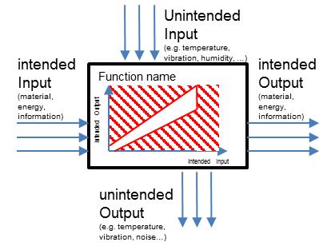
Function definition:
Describe function as "Black-Box"
What needs to be done, which limit needs to be fulfilled?
Under which conditions, which loads?
How often? How long?
Try to quantify important functional aspects, if not possible, take an assumption & explain
Consider different types of function:
Main / Basic
Additional
Harm Prevention / Safety
Mounting / Production / Transport
for more hints

Function of parser
Extract consumption from packed data
Function of communication
Transfer data over LoRa channel
Function of visualization
Display user consumption in chart
Function of hardware utilization
Addional timers to operate alarms and triggers
Function of power consumption
Provide addional power to timers
Function of storage
Provide memory to buffer consumption hourly
Function of packing
Packing data into frames to transfer

Mindset hints:
Clarify what really the concern is: which failure mechanism
Indicate in which situation, which part fails, in which way (worst case)
Explain on basis of (simplified) models & assumptions

To much data cause system memory overflow & chart will not working
pixels
Display data in chart
Intended Inputs
- comsumption data
Intended Outputs
- matrix of pixel
Unintended Inputs
- none
Unintended Outputs
- none
Display user consumption in chart
resolution at minimum 1 hour each
resolution
bytes
Number of record
Extract consumption data along with its timestamp
Intended Inputs
- package frame
Intended Outputs
- consumption data
Unintended Inputs
- none
Unintended Outputs
- none
Extract consumption from packed data
To much data cause system memory overflow & timing violation
Transfer data over LoRa channel
Packing data into frames to transfer
 |  |  |  |  | Focus Functions
 |  |  |  |  | Function of visualization | Function of parser | Function of Communication | Function of Packing
Unintended Inputs
- noise (signal lost, collision...)
Unintended Inputs
- none
Transfer data over air channel
The Payload size is the length of packed frame. Each frame must satisfy the LoRa requirement
LoRa regulation in duty cycle (400ms or 1%)
bytes
Exceed LoRa requirement cause frame transmit unsuccessfully or corrupted
bytes
51
Intended Inputs
- packed frame
- data rate
Intended Outputs
- packed frame
- SSI
- time on air
51
Intended Inputs
- number of records
- EUI
- FID
- TImestamp
Intended Outputs
- packed frame
- package size in bytes

1
time on air
Unintended Outputs
- BER
24
1
24
Number of record
Unntended Outputs
- none

EUI
FID
Timestamp
8 bytes
2 bytes
8 bytes
4 bytes
Packed Frame
OLD Design
Flow Data
OLD DESIGN
Flow Data contains 8-byte measured flow volume only
Frame length (payload size) of old design is fixed at:
P = EUI + FID + FlowData + Timestamp
= 8 + 2 + 8 + 4 = 22 bytes
EUI
FID
Flow Data
Timestamp
. . .
8 bytes
2 bytes
N x 12 bytes
4 bytes
Packed Frame
NEW DESIGN
NEW DESIGN
Flow Data contains 8-byte measured flow volume plus 4 bytes of timestamp, resulting 12 bytes
Frame length (payload size) of new design is a linear function as below:
P = EUI + FID + FlowData + Timestamp
= 12 x N + 14
Concern: Payload size exceeds the limit
Old Design, the payload size is fixef at 22 bytes and under the limit
LoRa Physical Specification constraints (EU433 and EU868):
---------------------------------------------------
DataRate Maximum Payload
0, 1, 2 51
3 115
-------------------------------------------------
The Adaptive Data Rate scheme is applied. In the worst case, the data rate cannot achieve DR3.
Therefore, the limit payload is 51 bytes
3. Behaviour analysis of identified design topics |  |  |  | 4. Concern Identification
Topic | Reference- / Previous design Knowledge-reuse | Intended design Special design characteristics | Comment / Conclusion
Frame packing |  |  |  |  |  |  |  | 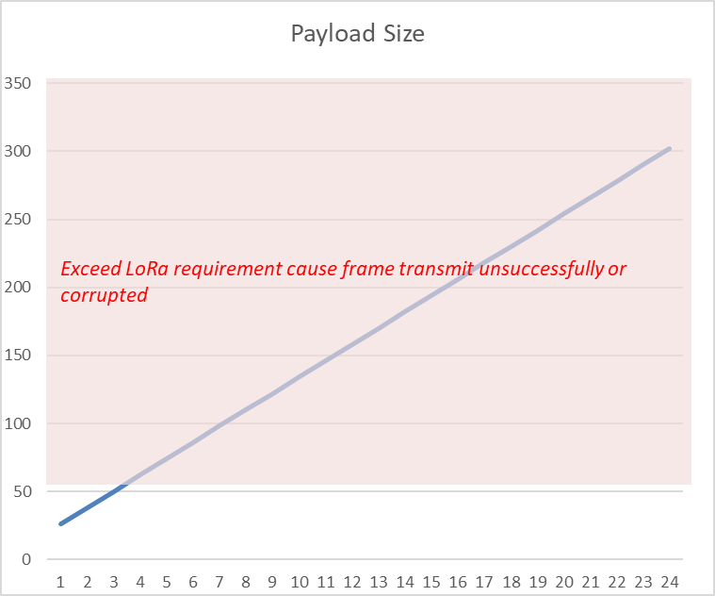
N denotes the number of recorded flow volume.
As new design recored low volume every hour and transmit at least 1 per day, the maximum value of N is 24
bytes
26
302
1
24
New Design
number of hourly recorded per day
New Design, the payload size is vary linearly. As the slope of the linear is 12, the limit of 51 bytes will be reach soon.

Risk Solving (Worksheet)
DRBFM - Risk Solving (Worksheet) rev. 2016

Optional: Summarize your analysis in a Cause Effect Chain showing relationships, essence and decisions
What is the effect to customer?
Which aspect of function failed?
...
What is the real concern?
...
Which lever (s) we take?
(Root Cause)
for more hints
EUI
FID
Flow Data
Timestamp
. . .
8 bytes
2 bytes
N x 12 bytes
4 bytes
Packed Frame
NEW DESIGN
NEW DESIGN
Flow Data contains 8-byte measured flow volume plus 4 bytes of timestamp, resulting 12 bytes
Frame length (payload size) of new design is a linear function as below:
P = EUI + FID + FlowData + Timestamp
= 12 x N + 14
N denotes the number of recorded flow volume.
As new design recored low volume every hour and transmit at least 1 per day, the maximum value of N is 24
Exceed LoRa requirement cause frame transmit unsuccessfully or corrupted
51
bytes
Number of record
The Payload size is the length of packed frame. Each frame must satisfy the LoRa requirement
Intended Inputs
- number of records
Intended Outputs
- payload size
Unintended Inputs
- none
Concern: Payload size exceeds the limit
LoRa Physical Specification constraints
(EU433 and EU868):
---------------------------------------------------
DataRate Maximum Payload
0, 1, 2 51
3 115
-------------------------------------------------
The Adaptive Data Rate scheme is applied. In the worst case, the data rate cannot achieve DR3.
Therefore, the limit payload is 51 bytes
As the number of record increase, the package size will increase linearly and exceed the limit soon
P = 12 x N + 14 < 51
Payload length
Number of records
Limit
N < (51 - 14) / 12 = 3.08
N = 3
Proposal Solution 1
Set the uploading timers for 2 hours 30 minutes plus random extra minutes between 30 minutes
upload
store
store
store
upload
1h
1h
store
2h30m
30m
Choose Solution 1
(1)
Design new modules and implement new design
(2)
Test in run time to verify communication with 1 device
(3)
(Optional) Simulate with 1000 - 5000 devices
Document the payload length constraint and operation model
 | Reason for risk |  | Risk analysis |  | Next steps |  | Sustain
Mindset hints | Design analysis What exactly leads to the concern? - design details (dimensions, tolerances, properties, ...) - show model and assumptions behind - worst case identified through function (e.g. loads based on use cases) - behavior analyzed under worst case condition locally (e.g. function roll down through system structure, inner loads) - visualized | Function(s) Which function is not met? - function quantified (limit, condition, duration) - derived from upper level system based on use cases and scenarios - worst case situation identified - visualized | Concern What exactly is the risk? - exactly describe what happens locally - visualizue and explain in detail - concrete so that it can be discussed - check if depth of analysis sufficient to decide if a counter measure is needed | Root Cause Analysis Find possible levers based on cause effect relationships consider: model accuracy, failure probability, design parameters or function (upper level design parameters) If you can't decide, identify the reason and define a task as next step | Proposal Target Solution Solution strategy to be used (combination of levers) Why this solution is the best one? 3R: Robust, Rapid, Reduced Cost Describe counter measure in detail (be specific, quantify) Side effects of this solution (design as well as production)? What is changing due to the change? | To be done Target Validation (measures, responsible, due date, result) - Formulate knowledge gap to be closed (e.g. safety margin, model assumption) - Detail out experiment, simulation, DOE (e.g. limit samples, load conditions) and its prognosis based on current assumptions Consider measures regarding Production, Engineering (...), Simulation, Testing | Knowledge Reuse (design rule, KFL, …) Based on risk analysis and decision give essence of reusable knowledge that was generated Identify steps to document and share this knowledge (e.g. FEBER, design rules / guidelines)
1
Unntended Outputs
- none
Old Design, the payload size is fixef at 22 bytes and under the limit
New Design, the payload size is vary linearly. As the slope of the linear is 12, the limit of 41 bytes will be reach soon.
Each package contain maximum only 3 records, i.e. three flow volume plus its timestamp.
For that reason, the duration between two upload should be less then 3 hours.
The optimum solution for the upload duration:
2h30min + rand(30min)
Conclusion
2
Proposal Solution 2
Encode flow volume that not changed to reduce package size when unuse water
- Package size is undeterminated
- Not solve problem if user use water frequently
- Increase complexity, cost and time to design encoder & decoder
3
4
5
6
7

Hints - Awareness
Impact Analysis: Hints for Awareness

Hints - Concern Matrix
Risk Finding: Hints for Concern Matrix

Hints - Worksheet
Risk Solving: Hints for Worksheet

Functions
Function of parser
Extract consumption from packed data
Function of communication
Transfer data over LoRa channel
Function of visualization
Display user consumption in chart
Function of hardware utilization
Addional timers to operate alarms and triggers
Function of power consumption
Provide addional power to timers
Function of storage
Provide memory to buffer consumption hourly
Function of packing
Packing data into frames to transfer
Chart

Parser

Buffer
Power Managerment
Alarm
Communication

Frame Packer

