EX1
Scatter plot
X | Y
20 | 88.6 | a + b) |  |  |  |  | SUMMARY OUTPUT
16 | 71.6
19.8 | 93.3 |  |  |  |  |  | Regression Statistics
18.4 | 84.3 |  |  |  |  |  | Multiple R | 0.83514378678
17.1 | 80.6 |  |  |  |  |  | R Square | 0.6974651446
15.5 | 75.2 |  |  |  |  |  | Adjusted R Square | 0.67419323265
14.7 | 69.7 |  |  |  |  |  | Standard Error | 3.8285098847
17.1 | 82 |  |  |  |  |  | Observations | 15
15.4 | 69.4
16.2 | 83.3 |  |  |  |  |  | ANOVA
15 | 79.6 |  |  |  |  |  |  | df | SS | MS | F | Significance F
17.2 | 82.6 |  |  |  |  |  | Regression | 1 | 439.28865682 | 439.28865682 | 29.970255387 | 0.00010667185597
16 | 80.6 |  |  |  |  |  | Residual | 13 | 190.54734318 | 14.657487937
17 | 83.5 |  |  |  |  |  | Total | 14 | 629.836
14.4 | 76.3
 |  |  |  |  |  |  |  | Coefficients | Standard Error | t Stat | P-value | Lower 95% | Upper 95% | Lower 95,0% | Upper 95,0%
 |  | c) |  |  |  |  | Intercept | 25.232313104 | 10.060117271 | 2.5081529791 | 0.02618300814 | 3.4987510706 | 46.965875138 | 3.4987510706 | 46.965875138
$$t_{\left\{0.05;14\right\}}=$$
 |  |  | 1.7613101 |  |  |  | X Variable 1 | 3.291094089 | 0.60116692234 | 5.4745096024 | 0.00010667185597 | 1.9923519127 | 4.5898362654 | 1.9923519127 | 4.5898362654
 |  |  | 0.60116692234
 |  | 90% CI= | lower= | 2.2322526954
 |  |  | upper= | 4.3499354826
 |  | d)
${\hat{β}}_{1}$=
 |  | P-value of | 0.00010667185597 | is lower than | 0.05 | {--> Reject H0}

EX2
X | Y | X^2 | Y^2 | XY | a)
12.6 | 11.6 | 158.76 | 134.56 | 146.16 | SST= | 1.0883333333 |  | SUMMARY OUTPUT
13 | 12 | 169 | 144 | 156 | SSR= | 0.9951025641
12.8 | 11.5 | 163.84 | 132.25 | 147.2 | SSE= | 0.093230769231 |  | Regression Statistics
13.6 | 12.2 | 184.96 | 148.84 | 165.92 | SSX= | 1.7333333333 |  | Multiple R | 0.9562092866
13.4 | 12 | 179.56 | 144 | 160.8 | SSY= | 1.0883333333 |  | R Square | 0.91433619979
14.2 | 12.8 | 201.64 | 163.84 | 181.76 | SSXY= | 1.3133333333 |  | Adjusted R Square | 0.89292024973
 |  |  |  |  | R-sq= | 0.91433619979 |  | Standard Error | 0.15266857014
Sum of X | Sum of Y | Sum of X^2 | Sum of Y^2 | Sum of XY |  |  |  | Observations | 6
79.6 | 72.1 | 1057.76 | 867.49 | 957.84 | b)
Mean of X |  |  |  |  | x^0= | 13.2 |  | ANOVA
13.266666667 |  |  |  |  | y^0= | 11.966153846 |  |  | df | SS | MS | F | Significance F
$$t_{\left\{0.025;4\right\}}=$$
 |  |  |  |  |  | 2.7764451052 |  | Regression | 1 | 0.9951025641 | 0.9951025641 | 42.694169417 | 0.0028344527516
$$σ=$$
 |  |  |  |  |  | 0.15266857014 |  | Residual | 4 | 0.093230769231 | 0.023307692308
 |  |  |  |  | MOE= | 0.45834114686 |  | Total | 5 | 1.0883333333
 |  |  |  |  | lower= | 11.507812699
 |  |  |  |  | upper= | 12.424494993 |  |  | Coefficients | Standard Error | t Stat | P-value | Lower 95% | Upper 95% | Lower 95,0% | Upper 95,0%
 |  |  |  |  |  |  |  | Intercept | 1.9646153846 | 1.5396660669 | 1.2760009633 | 0.27101254027 | -2.3101829305 | 6.2394136998 | -2.3101829305 | 6.2394136998
 |  |  |  |  |  |  |  | X Variable 1 | 0.75769230769 | 0.11596010332 | 6.534077549 | 0.0028344527516 | 0.43573544643 | 1.079649169 | 0.43573544643 | 1.079649169

$$t_{\left\{0.05;14\right\}}=$$
$SE\left({\hat{β}}_{1}\right)$=
 |  |  |  |  | c)
 |  |  |  |  |  | 2.132
 |  |  |  |  |  | 0.11596010332
 |  |  |  |  | 90% CI= | lower= | 0.51048313409
 |  |  |  |  |  | upper= | 1.0049014813

EX4
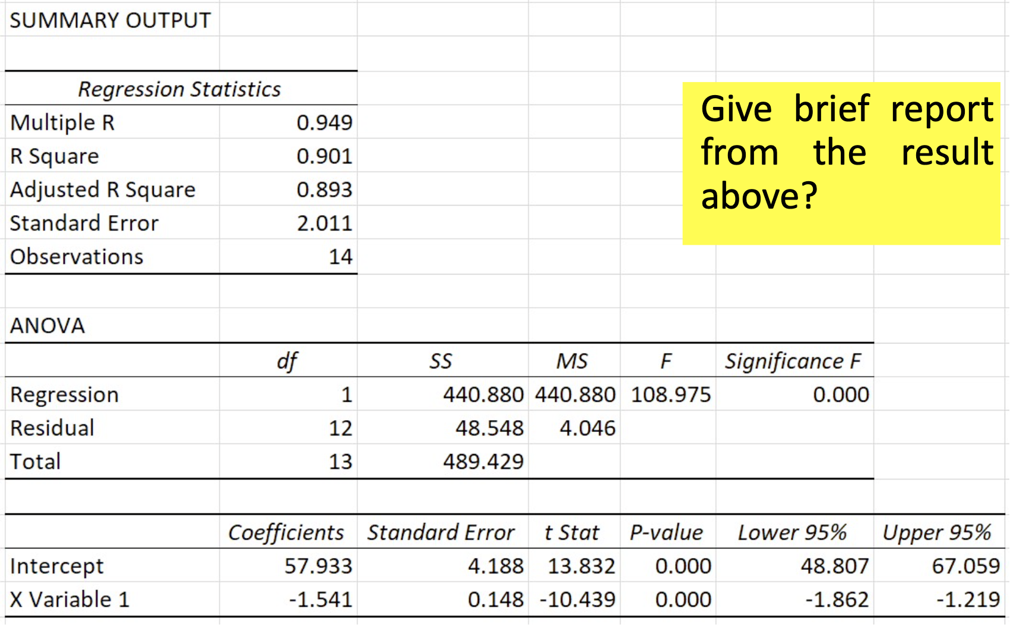
Regression Line= | Y=57,933-1,541X
SSR= | 440.88
SSE= | 48.548
SST= | 489.429
R-sq= | 0.901
Sigma_hat= | 2.011
correlation cofficient | -0.949 | negative relationship, if these students spend time studying, they will have less time to work and vice versa.
n= | 14

B0^= | 57.933 |  | B1^= | -1.541
se(B0^ )= | 4.188 |  | se(B1^ )= | 0.148
t-stat(B0^)= | 13.832 |  | t-stat(B1^)= | -10.439
95% CI= | lower=48,807 |  | 95% CI= | lower=-1,862
 | upper=67,059 |  |  | upper=-1,219

p_value of beta^_0= | 0 | From two-tail testing, H0 is rejected
p_value of beta^_1= | 0

