Obstacles
Behind Obstacle (Main)
Stt | Name | Reference | Behavior | Attribute | Condition | Parameter | Unit
1 | Behind Obstacle |  | Keep moving slowly behind MC and will push MC move forward when reaching with MC. MC cannot move back when meet it | Height |  | 1002 (full screen) | pixel
 |  |  |  | Wdth |  | 10 | pixel
 |  |  |  | Move speed | x > 5 mins | 15 | pixel
 |  |  |  | Move speed | x > 5 and x < 10 mins | 20 | pixel
 |  |  |  | Move speed | x > 10 mins | 30 | pixel

General Obstacles
Stt | Name | Reference | Behavior | Attribute | Condition | Parameter | Unit
1 | Air Balloon | 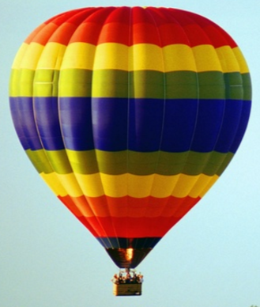 | - Movement obstacles which are suspended in middle of the air and moving up and down slowly. | Width |  | 130 | pixel
 |  |  |  | Height |  | 150 | pixel
 |  |  |  | Move up/down |  | +/-5 | pixel
2 | Balloon 1 |  | - The balloon will fly up slowly | Width |  | 50 | pixel
 |  |  |  | Height |  | 60 | pixel
 |  |  |  | Amount |  | 1 | number
 |  |  |  | Move up speed |  | +3 | pixel
3 | Balloon 2 |  | - The balloon will fly up slowly | Width |  | 90 | pixel
 |  |  |  | Height |  | 110 | pixel
 |  |  |  | Amount |  | 5 | number
 |  |  |  | Move up speed |  | +8 | pixel
4 | Balloon 3 |  | - The balloon will fly up slowly | Width |  | 120 | pixel
 |  |  |  | Height |  | 130 | pixel
 |  |  |  | Amount |  | 10 | number
 |  |  |  | Move up speed |  | +13 | pixel
5 | Bird 1 - Stork |  | - The stork will appear at the left or right side randomly. | Width |  | 100 | pixel
 |  |  |  | Height |  | 50 | pixel
 |  |  |  | Amount |  | 1 | number
 |  |  |  | Move speed |  | +6 | pixel
6 | Bird 2 - Pigeon |  | - The pigeon will appear at the left or right side randomly. | Width |  | 50 | pixel
 |  |  |  | Height |  | 40 | pixel
 |  |  |  | Amount |  | 1 | number
 |  |  |  | Move up speed |  | +12 | pixel
6 | Bird 2 - A flock of swallow |  | - A flock of swallow will appear at the left or right side randomly. | Width |  | 50 | pixel
 |  |  |  | Height |  | 110 | pixel
 |  |  |  | Amount |  | 1 | number
 |  |  |  | Move up speed |  | +16 | pixel
6 | Shooter/Sniper on the building | 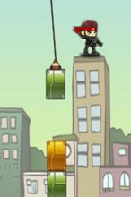 | * There are 2 cases appear shooter/sniper: 1 - when the complain bar is full with the red. After each 8 seconds, if no one is rescued, more 1 shooter/sniper will appear. This event will be reset when the helicopter rescue 1 person. 2 - When a terrorist event is trigger, the sniper/shooter also will appear the on the building. The player mission : In this phase, the player need to avoid the bullets and kill the shooters by moving the rope ladder to them to throw out of the building. | Width |  | 50 | pixel
 |  |  |  | Height |  | 60 | pixel
 |  |  |  | Amount |  | 1 | number
 |  |  |  | Move up speed |  | +/-2 ~ 3 | pixel
 |  |  |  | Time appear | When complain bar is full or a terrorist is triggered. | 8 seconds / 1 shooter/snipper | seconds

MC Details
Helicopter - Type 1
Stt | Name | Reference | Behavior | Attribute | Parameter | Unit
1 | Oldes Morden | 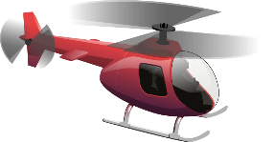 | - Can move left, right, up and down. - Always in middle of the camera - | Health Point | 1 | hp
 |  |  |  | Move Spd max | 67 | pixel
 |  |  |  | Move Spd min | 20 | pixel
 |  |  |  | Acceleration Spd | 10 | pixel
 |  |  |  | Fly up speed | 150 | pixel
 |  |  |  | Fly down speed | 250 | pixel
 |  |  |  | Size | 150x80 | pixel
 |  |  |  | Capacity | 3 | people
 |  |  |  | Speed to clinic | 0.3 | sec/people
 |  |  |  | Rope ladder length

